KCOR_Bias_Correction_Table
 | 1x | 2x | 3x | 4x | 5x
65 | 0 | 0.64 | 1.27 | 1.9 | 2.52
70 | 0 | 0.99 | 1.97 | 2.93 | 3.87 | source
75 | 0 | 1.54 | 3.03 | 4.48 | 5.89 | https://chatgpt.com/share/6863f4f6-66d4-8009-ba01-e28069a90b50
80 | 0 | 2.35 | 4.6 | 6.74 | 8.79
85 | 0 | 3.54 | 6.84 | 9.92 | 12.77
90 | 0 | 5.24 | 9.91 | 14.07 | 17.8
95 | 0 | 7.45 | 13.7 | 18.92 | 23.28
100 | 0 | 10.06 | 17.67 | 23.44 | 27.79
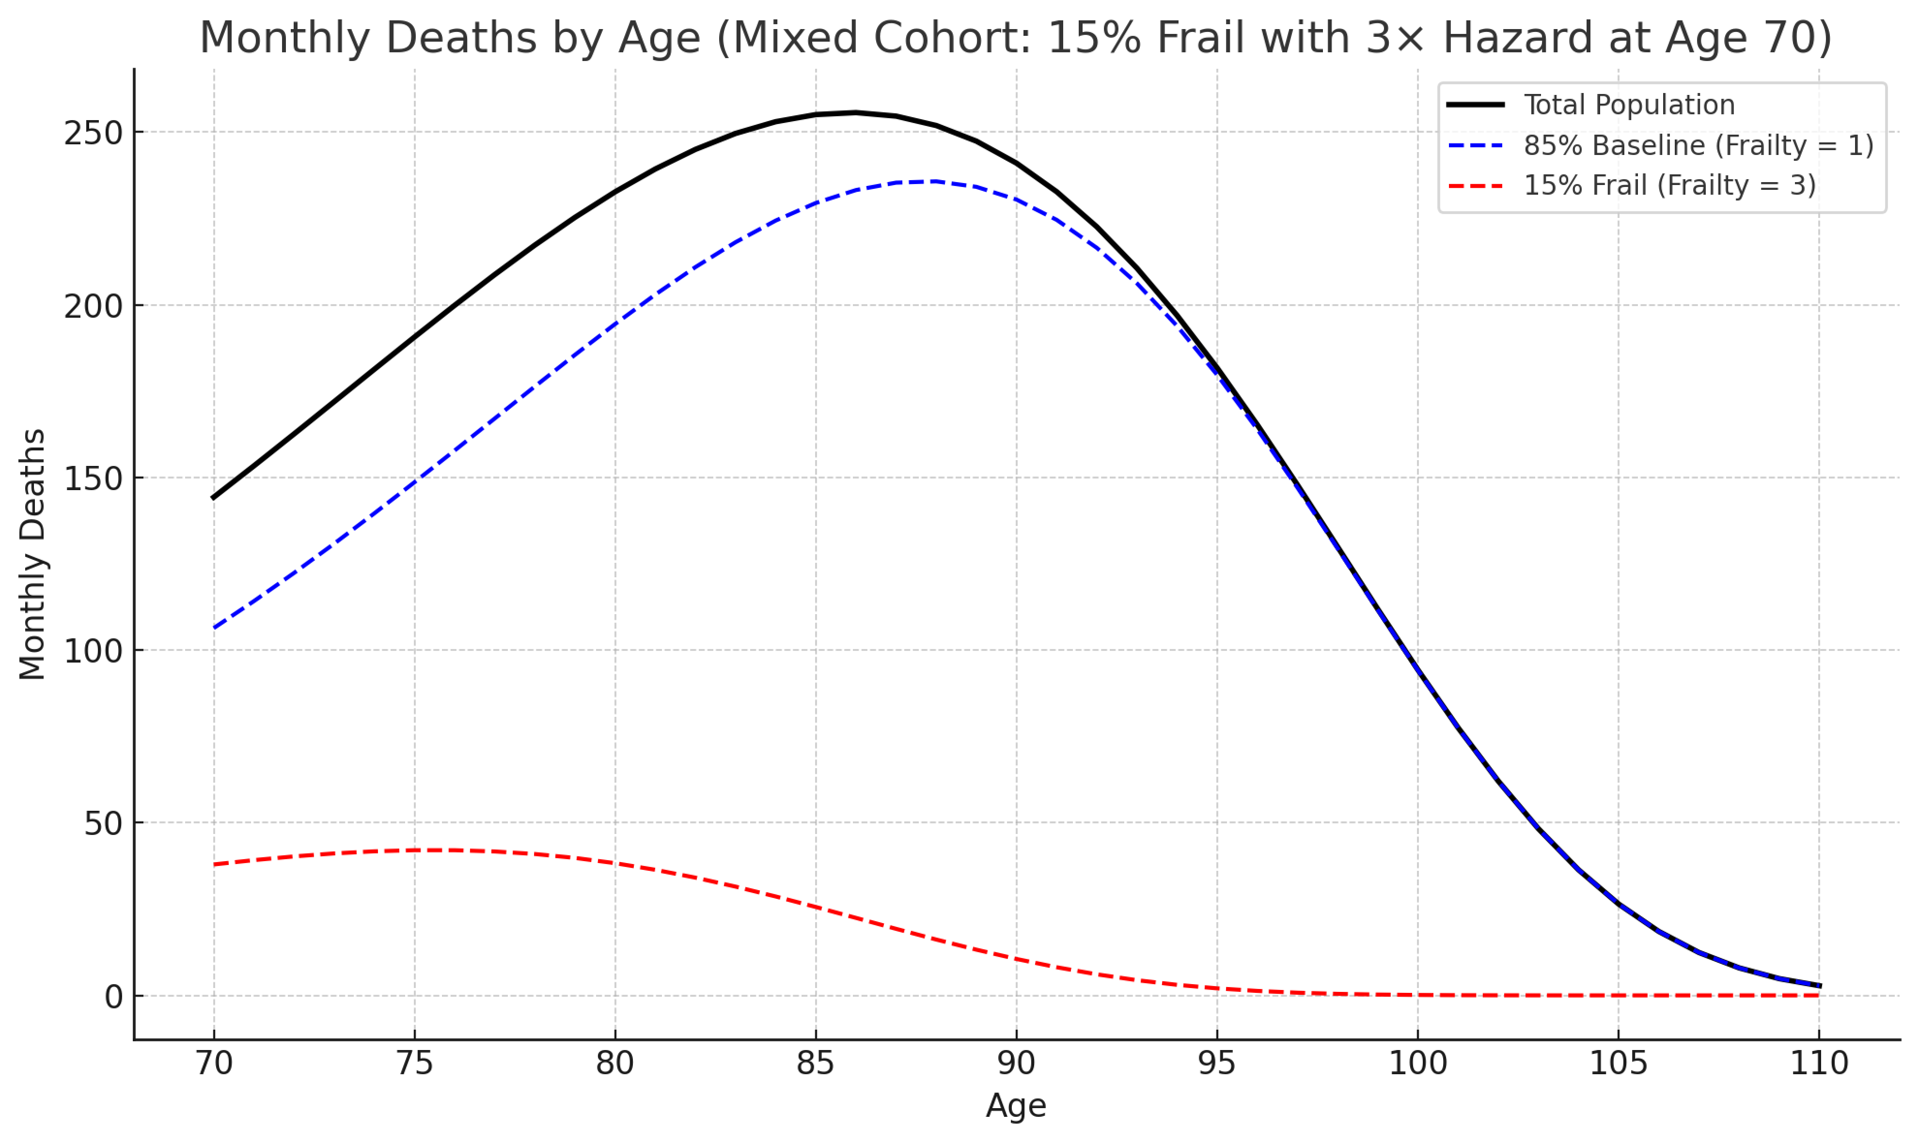
this is the annual bias correction for cohorts with enhanced frailty
(measured by ACM ratios at that age)

