about
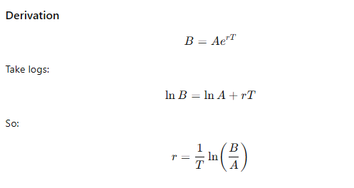



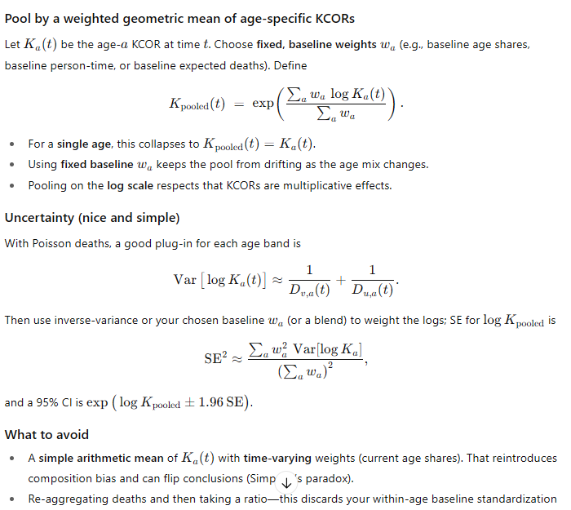
KCOR v4:
1. Mortality rate replaces deaths per week (it's slightly better accuracy; deaths can be used if you don't have the starting population sizes).
The big change is the slope normalization. We take each cohort and compute a very precise slope normalization to be applied to the MR (computed using unadjusted data for deaths and population).
1a. Take the MR and smooth it over 8 weeks (4 weeks left and right of each datapoint). Hand pick a low at least 6 months post shot and another 1 year away to get an accurate slope. You can determine the exponential slope from the two data points for all the cohorts. Even if the minima are wrong, it doesn't matter since it creates a stable reference point. The point is that the two reference point are used to normalize all the cohorts with a given enrollment date.
2. So KCOR(t) = ratio of cum CMRs where the cum CMR is computed at time t by totalling the cum # of deaths/cum person time up to (t) and scaling by the ratio 4 weeks from enrollment so KCOR(t)=1 at that point. The CMR's are computed from the UNadjusted deaths and the UNadjusted population. Then it is scaled using the slope normalization computed above.
3. Pooling method showed at right for computing multiple ages. Don't just use a weighted average.
4. For computing MoE of KCOR at time t, use the formula to the right.

