VE lives saved calculator
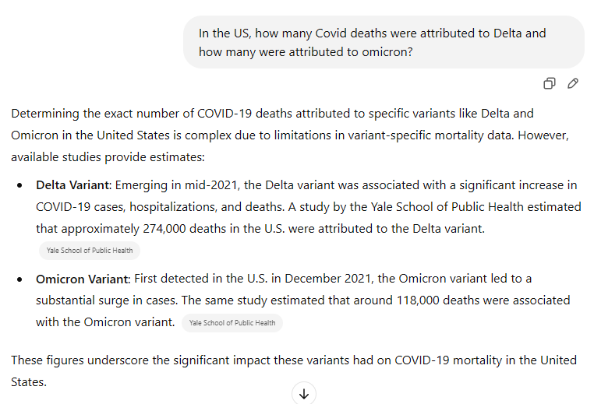
Label | Value
Observed Deaths (D_obs) | 400000 | number of deaths observed in 2021 and 2022
Vaccination Coverage (v) | 0.7
Vaccine Effectiveness (VE_death) | 0.2 | claimed VE value. .10 means 10% .75 is 75% death reduction
Estimated Lives Saved | 65,116

1800 to 2800 deaths per million
1,000 * 340M | 340,000 d excess deaths

