table1 pivot
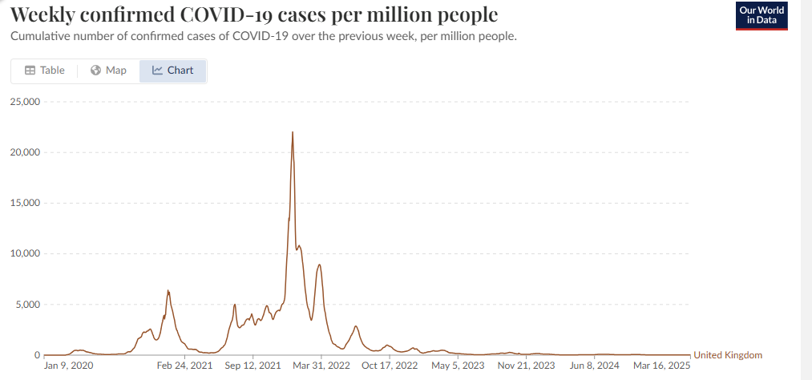
Cause of Death | All causes

Average of Age-standardised mortality rate / 100,000 person-years | Column Labels
Row Labels | Ever vaccinated | Unvaccinated | unvax/vax ratio
2021 | 986.05833333 | 2240.0666667
January | 1251.8 | 2507.6 | 2.0
February | 905.7 | 5261.5 | 5.8
March | 901.7 | 3307.8 | 3.7 | during LOW COVID months, it's clear the
April | 868.3 | 2298.4 | 2.6 | uvaxxed mortality is 1.9X or more higher than vaxxed
May | 901.6 | 1718.8 | 1.9
June | 878.9 | 1589.7 | 1.8
July | 944.6 | 1610.7 | 1.7
August | 942.5 | 1711.6 | 1.8
September | 990.3 | 1664.5 | 1.7
October | 1046.7 | 1623.7 | 1.6
November | 1073.9 | 1708 | 1.6
December | 1126.7 | 1878.5 | 1.7 | But during the high COVID months, the ratio decreased.
2022 | 984.84 | 1301.14 | 1.3 | Whoops!
Uvax ASMR/vax ASMR shows the mortality gap between the vaccinated vs. unvaccinated narrowed over time
January | 1084.5 | 1812 | 1.7
February | 1015.7 | 1384.5 | 1.4
March | 992.6 | 1231.7 | 1.2
April | 1008.8 | 1204.6 | 1.2
May | 822.6 | 872.9 | 1.1
Grand Total | 985.7 | 1963.9117647 | 2.0

see newer spreadsheet with more values

