Table 1 pivot
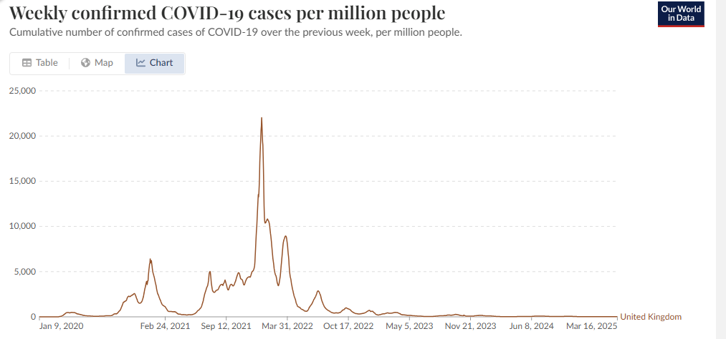
Cause of Death | All causes
 |  |  |  | ratio of 2022 / 2021
Average of Age-standardised mortality rate / 100,000 person-years | Column Labels |  |  | ever | unvaxxed
Row Labels | Ever vaccinated | Unvaccinated | ratio u/v
2021 | 984.6 | 1802.4888889
April | 812.7 | 2088.1 | 2.6 |  | March, april, may are NO COVID reference ACM months
May | 856.3 | 1721.5 | 2.0 |  | This is the last no COVID month until 2023
June | 950.1 | 1540.6 | 1.6
July | 1063.6 | 1687.6 | 1.6
August | 926.3 | 1768.3 | 1.9
September | 987.3 | 1725.7 | 1.7
October | 1046.8 | 1717.4 | 1.6
November | 1081.4 | 1875 | 1.7
December | 1136.9 | 2098.2 | 1.8
2022 | 1036.8416667 | 1363.875 | 1.3
January | 1104.3 | 2022.9 | 1.8
February | 1045.6 | 1549.1 | 1.5
March | 1035.8 | 1472.5 | 1.4
April | 1059.6 | 1387.2 | 1.3 | 1.30 | 0.66
May | 958.1 | 1174.9 | 1.2 | 1.12 | 0.68
June | 945.9 | 1126.2 | 1.2 | 1.00 | 0.73
July | 991.6 | 1342.4 | 1.4 | 0.93 | 0.80
August | 940.1 | 1146.7 | 1.2 | 1.01 | 0.65
September | 940 | 1078.2 | 1.1 | 0.95 | 0.62
October | 1049.3 | 1220.5 | 1.2 | 1.00 | 0.71
November | 1027.1 | 1194.1 | 1.2 | 0.95 | 0.64
December | 1344.7 | 1651.8 | 1.2 | 1.18 | 0.79
2023 | 1019.78 | 1184.1 | 1.2
January | 1212 | 1437.3 | 1.2
February | 1040.2 | 1260 | 1.2
March | 1036.1 | 1168.9 | 1.1
April | 947.4 | 1106.6 | 1.2
May | 863.2 | 947.7 | 1.1
Grand Total | 1015.4769231 | 1481.1307692 | 1.5

source:
https://ourworldindata.org/explorers/covid?Metric=Confirmed+cases&Interval=Weekly&Relative+to+population=true&country=~GBR

