DASHBOARD
INVESTMENT PREFERENCE ANALYSIS DASHBOARD

INVESTMENT PREFERENCE BY GENDER
 | Female | Male
Equity | 184 | 160
Fixed Deposit | 155 | 171
Gold | 174 | 178
Government Bonds | 172 | 166
Mutual Funds | 142 | 174
PPF | 167 | 157
INVESTMENT PREFERENCE BY SAVINGS OBJECTIVE
 | Equity | Fixed Deposit | Gold | Government Bonds | Mutual Funds | PPF
Capital Appreciation | 65 | 55 | 63 | 59 | 51 | 47
Education | 62 | 61 | 47 | 70 | 52 | 65
Emergency Fund | 55 | 54 | 53 | 52 | 52 | 58
Retirement | 49 | 56 | 63 | 53 | 47 | 45
Tax Saving | 61 | 53 | 64 | 49 | 58 | 58
Wealth Creation | 52 | 47 | 62 | 55 | 56 | 51
AGE GROUP DISTRIBUTION
 | Total
21-29 | 418
30-39 | 437
40-49 | 426
50+ | 719
INVESTMENT AVENUE BY INFORMATION SOURCE
 | Equity | Fixed Deposit | Gold | Government Bonds | Mutual Funds | PPF
Financial Advisor | 78 | 56 | 79 | 71 | 70 | 59
Friends/Family | 59 | 58 | 64 | 58 | 63 | 68
Internet | 70 | 65 | 68 | 84 | 64 | 67
Newspaper | 82 | 77 | 60 | 70 | 56 | 72
TV | 55 | 70 | 81 | 55 | 63 | 58

lNVESTMENT PREFERENCE
 | Total
Equity | 344
Fixed Deposit | 326
Gold | 352
Government Bonds | 338
Mutual Funds | 316
PPF | 324
GENDER DISTRIBUTION
 | Total
Female | 994
Male | 1006
SAVINGS OBJECTIVE
 | Total
Capital Appreciation | 340
Education | 357
Emergency Fund | 324
Retirement | 313
Tax Saving | 343
Wealth Creation | 323
REASON FOR INVESTMENT BY RISK PROFILE
 | High | Low | Medium
Better Returns | 142 | 137 | 116
Regular Income | 142 | 134 | 150
Safety | 143 | 124 | 127
Tax Benefits | 107 | 145 | 141
Wealth Growth | 132 | 131 | 129
SOURCES OF INVESTMENT INFORMATION
 | Total
Financial Advisor | 413
Friends/Family | 370
Internet | 418
Newspaper | 417
TV | 382

RISK PROFILE
 | Total
High | 666
Low | 671
Medium | 663
INVESTMENT AVENUE BY MONITORING FREQUENCY
 | Equity | Fixed Deposit | Gold | Government Bonds | Mutual Funds | PPF
Daily | 90 | 85 | 95 | 89 | 77 | 68
Monthly | 88 | 65 | 97 | 77 | 83 | 84
Quarterly | 72 | 86 | 83 | 91 | 77 | 94
Weekly | 94 | 90 | 77 | 81 | 79 | 78
DISTRIBUTION OF INVESTMENT DURATION
 | Total
<1 Year | 489
>5 Years | 494
1-3 Years | 499
3-5 Years | 518
INVESTMENT MONITORING FREQUENCY
 | Total
Daily | 504
Monthly | 494
Quarterly | 503
Weekly | 499

KPIS
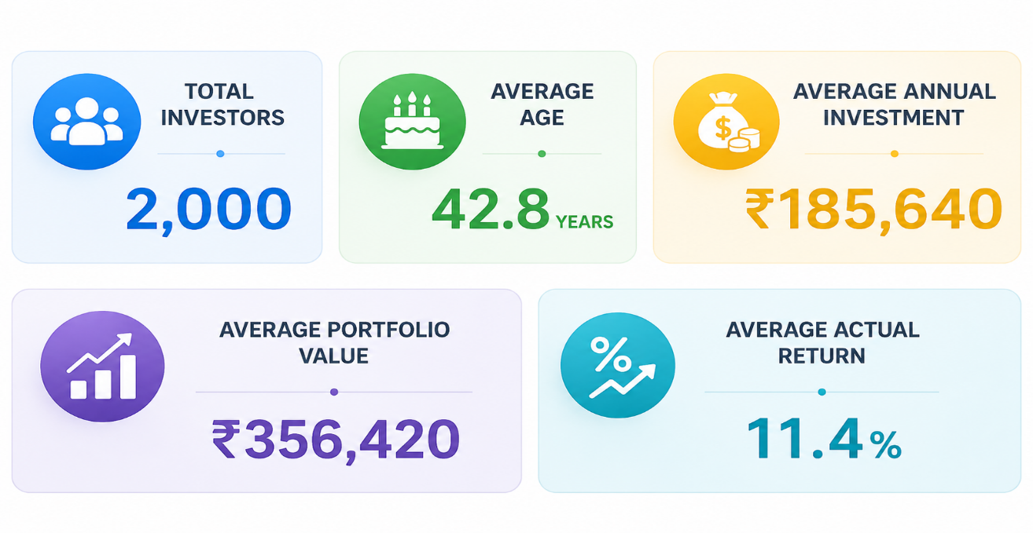
KPIS | Total Investors | 2000
 | Average Age | 43
 | Average Annual investment | 244430
 | Average Portfolio Value | 429438
 | Average Actual Return | 11

INVESTMENT SAVINGS OBJECTIVE
INVESTMENT AVENUE BY SAVINGS OBJECTIVE
Count of Investor_ID | INVESTMENT AVENUE
SAVINGS OBJECTIVE | Equity | Fixed Deposit | Gold | Government Bonds | Mutual Funds | PPF | Grand Total
Capital Appreciation | 65 | 55 | 63 | 59 | 51 | 47 | 340
Education | 62 | 61 | 47 | 70 | 52 | 65 | 357
Emergency Fund | 55 | 54 | 53 | 52 | 52 | 58 | 324
Retirement | 49 | 56 | 63 | 53 | 47 | 45 | 313
Tax Saving | 61 | 53 | 64 | 49 | 58 | 58 | 343
Wealth Creation | 52 | 47 | 62 | 55 | 56 | 51 | 323
Grand Total | 344 | 326 | 352 | 338 | 316 | 324 | 2000

INVESTMENT DURATION
DISTRIBUTION OF INVESTMENT DURATION
INVESTMENT DURATION | Count of Investor_ID
<1 Year | 489
>5 Years | 494
1-3 Years | 499
3-5 Years | 518
Grand Total | 2000

MONITORING FREQUENCY
INVESTMENT MONITORING FREQUENCY

MONITORING FREQUENCY | Count of Investor_ID
Daily | 504
Monthly | 494
Quarterly | 503
Weekly | 499
Grand Total | 2000

INVESTMENT MONITORING FREQUENCY
Count of Investor_ID | INVESTMENT AVENUE
MONITORING FREQUENCY | Equity | Fixed Deposit | Gold | Government Bonds | Mutual Funds | PPF | Grand Total
Daily | 90 | 85 | 95 | 89 | 77 | 68 | 504
Monthly | 88 | 65 | 97 | 77 | 83 | 84 | 494
Quarterly | 72 | 86 | 83 | 91 | 77 | 94 | 503
Weekly | 94 | 90 | 77 | 81 | 79 | 78 | 499
Grand Total | 344 | 326 | 352 | 338 | 316 | 324 | 2000

INVESTMENT AVENUE BY MONITORING FREQUENCY

REASON FOR INVESTMENT
REASON FOR INVESTMENT
REASON FOR INVESTMENT | Count of Investor_ID
Better Returns | 395
Regular Income | 426
Safety | 394
Tax Benefits | 393
Wealth Growth | 392
Grand Total | 2000

REASON FOR INVESTMENT BY RISK
Count of Investor_ID | RISK PROFILE
REASON FOR INVESTMENT | High | Low | Medium | Grand Total
Better Returns | 142 | 137 | 116 | 395
Regular Income | 142 | 134 | 150 | 426
Safety | 143 | 124 | 127 | 394
Tax Benefits | 107 | 145 | 141 | 393
Wealth Growth | 132 | 131 | 129 | 392
Grand Total | 666 | 671 | 663 | 2000

REASON FOR INVESTMENT BY RISK PROFILE

SOURCES OF INFORMATION
SOURCES OF INVESTMENT INFORMATION
SOURCE OF INFORMATION | Count of Investor_ID
Financial Advisor | 413
Friends/Family | 370
Internet | 418
Newspaper | 417
TV | 382
Grand Total | 2000

INFORMATION SOURCE
Count of Investor_ID | Investment Avenue
Source of Information | Equity | Fixed Deposit | Gold | Government Bonds | Mutual Funds | PPF | Grand Total
Financial Advisor | 78 | 56 | 79 | 71 | 70 | 59 | 413
Friends/Family | 59 | 58 | 64 | 58 | 63 | 68 | 370
Internet | 70 | 65 | 68 | 84 | 64 | 67 | 418
Newspaper | 82 | 77 | 60 | 70 | 56 | 72 | 417
TV | 55 | 70 | 81 | 55 | 63 | 58 | 382
Grand Total | 344 | 326 | 352 | 338 | 316 | 324 | 2000

INVESTMENT AVENUE BY INFORMATION SOURCE

INVESTMENT PREFERENCE
lNVESTMENT PREFERENCE
Investment Avenue | Count of Investor_ID
Equity | 344
Fixed Deposit | 326
Gold | 352
Government Bonds | 338
Mutual Funds | 316
PPF | 324
Grand Total | 2000

SAVINGS OBJECTIVE
SAVINGS OBJECTIVE
Saving Objective | Count of Investor_ID
Capital Appreciation | 340
Education | 357
Emergency Fund | 324
Retirement | 313
Tax Saving | 343
Wealth Creation | 323
Grand Total | 2000

AGE GROUP DISTRIBUTION
AGE GROUP DISTRIBUTION
Age Group | Count of Investor_ID
21-29 | 418
30-39 | 437
40-49 | 426
50+ | 719
Grand Total | 2000

RISK PROFILE
RISK PROFILE
Risk Profile | Count of Investor_ID
High | 666
Low | 671
Medium | 663
Grand Total | 2000

Sheet7
lNVESTMENT PREFERENCE
 | Total
Equity | 344
Fixed Deposit | 326
Gold | 352
Government Bonds | 338
Mutual Funds | 316
PPF | 324
SAVING OBJECTIVE
 | Total
Capital Appreciation | 340
Education | 357
Emergency Fund | 324
Retirement | 313
Tax Saving | 343
Wealth Creation | 323

AGE GROUP DISTRIBUTION
 | Total
21-29 | 418
30-39 | 437
40-49 | 426
50+ | 719
RISK PROFILE
 | Total
High | 666
Low | 671
Medium | 663

INVESTMENT PREFERENCE BY GENDER
INVESTMENT PREFERENCE BY GENDER
Count of Investor_ID | Gender
Investment Avenue | Female | Male | Grand Total
Equity | 184 | 160 | 344
Fixed Deposit | 155 | 171 | 326
Gold | 174 | 178 | 352
Government Bonds | 172 | 166 | 338
Mutual Funds | 142 | 174 | 316
PPF | 167 | 157 | 324
Grand Total | 994 | 1006 | 2000

GENDER DISTRIBUTION
Gender Distribution
Gender | Count of Investor_ID
Female | 994
Male | 1006
Grand Total | 2000

