Instructions
Model Name | Riparian Ecological Function Index (REFI) | Color Coding Key:
Developers | Samantha Wiest, Garrett Menichino, and Kyle McKay | Input
 | U.S. Army Engineer Research and Development Center, Environmental Laboratory | Calculated
 | Vicksburg, MS | Linked to Another Sheet
 | Samantha.R.Wiest@erdc.dren.mil, Garrett.T.Menichino@usace.army.mil

Model Version | REFI v1.1
Date of Last Update | 2025-03-20

Waiver | This model is provided for free as part of the USACE Technical Report "Riparian Ecological Function Index (REFI)" by Samantha R. Wiest, Garrett T. Menichino, and S. Kyle Mckay
 | None of the authors nor the US Army Corps of Engineers accepts responsibility or liability for the model's use by third parties.

Password | Riparian

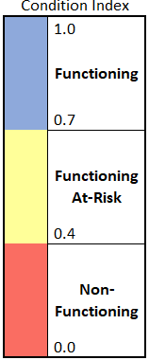
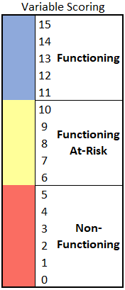
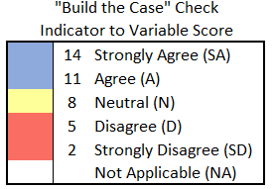
Instructions
1) | Add the field site information into the orange cells at the top of the worksheet.
2) | Record the indicator scores using the Likert scale drop-down menu in the orange cells of Column J.
3) | Record the manual variable scores by entering a quantitative value between 0-15 in the orange cells of column H.
4) | Once the indicator and variable scores are recorded, the category, outcome, and overall REFI scores will auto-populate along with the bar charts to the right
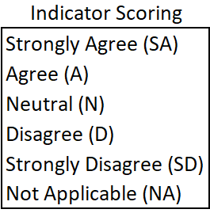
5) | Record other indicators, notes, or regional outliers in the grey box at the bottom of the worksheet

Comments/Assumptions
1) | For the default scoring approach, the user determines a score based on a scale of 0-15. For optional scoring, the spreadsheet will automatically convert the Likert scale scores (column J) to a suggested 0-15 value for comparison (column G). The user can reference the "Build the Case" table to the right as a reasonableness check on the manually entered scores.
2) | The only two variables that can be scored with “NA” are the Canopy Habitat and Understory Habitat variables. Variable scores of “NA” are not included in the calculation.

REFI Score Calculator
 | Not Functioning (0-5) | Functioning At-Risk (6-10) | Functioning (11-15)
Upland Runoff | 0 | #N/A | #N/A
Hydrologic Connection | 0 | #N/A | #N/A
Streambank Processes | 0 | #N/A | #N/A
Energy, Nutrients, and Sediment | 0 | #N/A | #N/A
Riparian Filtering | 0 | #N/A | #N/A
Lateral Processes | 0 | #N/A | #N/A
Longitudinal Movement and Habitat | 0 | #N/A | #N/A
Plant Community | 0 | #N/A | #N/A
Canopy Habitat | 0 | #N/A | #N/A
Understory Habitat | 0 | #N/A | #N/A
Forest Floor Habitat | 0 | #N/A | #N/A
Stream Habitat | 0 | #N/A | #N/A
Riparian Ecological Function Index (REFI)
Reach/ID |  |  |  |  | River Bank | Left / & / Right
Lat/Long |  |  |  |  | Reach Length (ft)
Date |  |  |  |  | Min Buffer Width (ft) | 0-30 / 30-100 / 100+
Assessor(s) |  |  |  |  | Avg Buffer Width (ft) | 0-30 / 30-100 / 100+
Overall | Outcomes |  | Categories |  | Variable |  |  | Indicators
Index Score | Name | Index Score | Name | Index Score | Name | Variable Score Check | Manual Score | Name | Likert Scale Score

#DIV/0! | Instream Functions | #DIV/0! | Physical Processes | #DIV/0! | Upland Runoff | #DIV/0! |  | Overland Runoff
 |  |  |  |  |  |  |  | Bypassing Flows
 |  |  |  |  |  |  |  | Floodplain Slope
 |  |  |  |  |  |  |  | Runoff Pollution
 |  |  |  |  | Hydrologic Connection | #DIV/0! |  | Floodplain Connectivity
 |  |  |  |  |  |  |  | Floodplain Roughness
 |  |  |  |  |  |  |  | Flood Storage
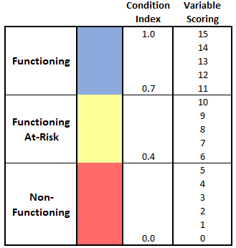
 |  |  |  |  |  |  |  | Upstream Hydrology
 |  |  |  |  | Streambank Processes | #DIV/0! |  | Erosion Potential
 |  |  |  |  |  |  |  | Reach Erosion
 |  |  |  |  |  |  |  | Channel Evolution
 |  |  |  |  |  |  |  | Sediment Supply
 |  |  | Biogeochemical Processes | #DIV/0! | Energy, Nutrients, and Sediment | #DIV/0! |  | Carbon Sources
 |  |  |  |  |  |  |  | Root Zone
 |  |  |  |  |  |  |  | Soil Suitability
 |  |  |  |  |  |  |  | Mobilizing Flows
 |  |  |  |  | Riparian Filtering | #DIV/0! |  | Buffer Width
 |  |  |  |  |  |  |  | Buffer Density
 |  |  |  |  |  |  |  | Ground Cover
 | Ecological Connectivity | #DIV/0! | Lateral | #DIV/0! | Lateral Processes | #DIV/0! |  | Adjacent Land Use
 |  |  |  |  |  |  |  | Average Buffer Width
 |  |  |  |  |  |  |  | Distance from Buffer
 |  |  | Longitudinal | #DIV/0! | Longitudinal Movement and Habitat | #DIV/0! |  | Corridor Movement
 |  |  |  |  |  |  |  | Habitat Interspersion
 | Not Functioning (0-0.39) | Functioning At-Risk (0.4-0.69) | Functioning (0.7-1)
Instream Functions | 0 | 0.00 | 0
Ecological Connectivity | 0 | 0.00 | 0
Unique and Important Habitats | 0 | 0.00 | 0
 |  |  |  |  |  |  |  | Patch Distance
 | Unique and Important Habitats | #DIV/0! | Terrestrial | #DIV/0! | Plant Community | #DIV/0! |  | Riparian Extent Vegetation
 |  |  |  |  |  |  |  | Invasive/Non-Native Species
 |  |  |  |  |  |  |  | Native Species Regeneration/Recruitment
 |  |  |  |  |  |  |  | Vegetative Diversity
 |  |  |  |  | Canopy Habitat | #DIV/0! |  | Vertical Structural Diversity
 |  |  |  |  |  |  |  | Horizontal Structural Diversity
 |  |  |  |  |  |  |  | Woody Species Richness
 |  |  |  |  | Understory Habitat | #DIV/0! |  | Vegetation Age Diversity
 |  |  |  |  |  |  |  | Stem Abundance
 |  |  |  |  |  |  |  | Snag Density
 |  |  |  |  | Forest Floor Habitat | #DIV/0! |  | Detritus Cover
 |  |  |  |  |  |  |  | Herbaceous Cover
 |  |  |  |  |  |  |  | Vegetation Supporting Litter Dynamics
 |  |  | Aquatic | #DIV/0! | Stream Habitat | #DIV/0! |  | Near-Bank Canopy Cover
 |  |  |  |  |  |  |  | Near-Bank Organic Material
 |  |  |  |  |  |  |  | In-Stream Coarse Wood

Other Indicators/Notes:

