HDUSTF
HSBC Mutual Fund
HSBC Low Duration Fund
(An open ended low duration debt scheme investing in instruments such that the Macaulay duration of the portfolio is between 6 months to 12 months. (Please refer page 11 of the SID for explanation on Macaulay Duration). A relatively low interest rate risk and moderate credit risk.)
Portfolio Statement as of April 30, 2026

Name of the Instrument | ISIN | Rating/Industries | Quantity | Market Value (Rs in Lacs) | Percentage to Net Assets | Yield of the Instrument (%) | YTC @ |  | Maturity Date
 |  |  |  |  |  |  | CRISIL | ICRA
Debt Instruments
Fixed rates bonds - Corporate
Listed / Awaiting listing on Stock Exchanges
Power Finance Corporation Limited** | INE134E08JC3 | CRISIL AAA | 5,000,000.00 | 5,332.00 | 5.04% | 7.36 |  |  | 11-Jun-27
NABARD** | INE261F08EI9 | ICRA AAA | 4,000,000.00 | 4,190.30 | 3.96% | 7.44 |  |  | 30-Sep-27
Vedanta Limited^ | INE205A08046 | CRISIL AA | 2,500,000.00 | 2,726.34 | 2.58% | 8.9 |  |  | 3-Dec-27
360 ONE Prime Limited** | INE248U07FW5 | ICRA AA | 2,500,000.00 | 2,707.66 | 2.56% | 8.68 |  |  | 4-Jun-27
LIC Housing Finance Limited** | INE115A07LU0 | CRISIL AAA | 2,500,000.00 | 2,695.10 | 2.55% | 7.55 |  |  | 17-May-27
LIC Housing Finance Limited** | INE115A07QM6 | CRISIL AAA | 2,500,000.00 | 2,639.51 | 2.49% | 7.75 |  |  | 11-Aug-28
Sundaram Home Finance Ltd** | INE667F07IT7 | ICRA AAA | 2,500,000.00 | 2,635.41 | 2.49% | 6.98 |  |  | 4-Sep-26
Power Finance Corporation Limited** | INE134E08LK2 | CRISIL AAA | 2,500,000.00 | 2,594.17 | 2.45% | 6.93 |  |  | 27-Aug-26
SIDBI** | INE556F08KT6 | CRISIL AAA | 2,500,000.00 | 2,587.57 | 2.45% | 7.64 |  |  | 10-Apr-28
LIC Housing Finance Limited** | INE115A07RA9 | CRISIL AAA | 2,500,000.00 | 2,577.72 | 2.44% | 7.24 |  |  | 11-Dec-26
SIDBI** | INE556F08KU4 | CRISIL AAA | 2,500,000.00 | 2,573.61 | 2.43% | 7.64 |  |  | 12-Jun-28
REC Limited^ | INE020B08FR6 | CRISIL AAA | 2,500,000.00 | 2,530.90 | 2.39% | 7.44 |  |  | 29-Feb-28
NABARD^ | INE261F08EM1 | ICRA AAA | 2,000,000.00 | 2,013.46 | 1.90% | 7.58 |  |  | 24-Mar-28
LIC Housing Finance Limited** | INE115A07QO2 | CRISIL AAA | 1,500,000.00 | 1,618.27 | 1.53% | 7.55 |  |  | 11-May-27
MAS Financial Services Limited** | INE348L07324 | CARE AA- | 1,500,000.00 | 1,615.05 | 1.53% | 9.39 |  |  | 15-Jun-27
REC Limited** | INE020B08FF1 | ICRA AAA | 1,500,000.00 | 1,578.10 | 1.49% | 7.37 |  |  | 31-Aug-27
Piramal Finance Ltd** | INE516Y07519 | ICRA AA+ | 1,500,000.00 | 1,553.02 | 1.47% | 8.1 |  |  | 7-Jan-27
Mindspace Business Parks REIT** | INE0CCU07090 | CRISIL AAA | 1,500,000.00 | 1,517.31 | 1.43% | 7.43 |  |  | 10-Dec-26
REC Limited** | INE020B08GB8 | CRISIL AAA | 1,500,000.00 | 1,507.27 | 1.42% | 7.45 |  |  | 18-Feb-28
Hinduja Leyland Finance Ltd.** | INE146O07557 | CRISIL AA+ | 1,000,000.00 | 1,082.99 | 1.02% | 8.38 |  |  | 6-May-27
Indostar Capital Finance Limited** | INE896L07AL4 | CARE AA- | 1,000,000.00 | 1,080.84 | 1.02% | 9.4 |  |  | 18-Jun-27
Aditya Birla Real Estate Limited** | INE055A08052 | CRISIL AA | 1,000,000.00 | 1,055.49 | 1.00% | 8.32 |  |  | 30-Aug-27
Embassy Office Parks REIT** | INE041007183 | CRISIL AAA | 600,000.00 | 600.17 | 0.57% | 7.85 |  |  | 19-Mar-27
Motilal Oswal Finvest Ltd.** | INE01WN07128 | CRISIL AA | 500,000.00 | 529.97 | 0.50% | 8.43 |  |  | 10-Sep-27
EXIM Bank** | INE514E08GB4 | CRISIL AAA | 500,000.00 | 509.08 | 0.48% | 7.32 |  |  | 12-Apr-28
Indigrid Infrastructure Trust** | INE219X07306 | ICRA AAA | 500,000.00 | 502.35 | 0.47% | 7.18 |  |  | 14-Sep-26
Indostar Capital Finance Limited** | INE896L07AR1 | CARE AA- | 500,000.00 | 499.98 | 0.47% | 9.46 |  |  | 23-Nov-27
Total |  |  |  | 53,053.64 | 50.13%
Securitised Debt
Listed / Awaiting listing on Stock Exchanges
Liquid Gold Series 18** | INE2R5L15013 | CRISIL AAA(SO) | 2,860,000.00 | 2,229.29 | 2.11% | 9.75 |  |  | 20-Nov-27
Liquid Gold Series 14** | INE2JYU15015 | CRISIL AAA(SO) | 2,300,000.00 | 1,127.64 | 1.07% | 9.72 |  |  | 20-Jul-27
Total |  |  |  | 3,356.93 | 3.18%
Government Securities
7.38% GOI MAT 20-Jun-2027 | IN0020220037 | SOVEREIGN | 3,500,000.00 | 3,646.86 | 3.45% | 6.06 |  |  | 20-Jun-27
GOI Floating Rate FRB 22-Sep-2033 | IN0020200120 | SOVEREIGN | 3,000,000.00 | 3,140.52 | 2.97% | 6.02 |  |  | 22-Sep-33
8.05% Tamilnadu SDL - 18-Apr-2028 | IN3120180010 | SOVEREIGN | 2,000,000.00 | 2,048.31 | 1.94% | 6.99 |  |  | 18-Apr-28
Total |  |  |  | 8,835.69 | 8.36%
Money Market Instruments
Certificate of Deposit
Privately Placed/Unlisted
AU Small Finance Bank Limited** | INE949L16EC3 | IND A1+ | 5,000,000.00 | 4,788.70 | 4.53% | 7.46 |  |  | 3-Dec-26
RBL Bank Limited** | INE976G16OH4 | ICRA A1+ | 2,500,000.00 | 2,497.86 | 2.36% | 6.25 |  |  | 6-May-26
IndusInd Bank Limited** | INE095A160C6 | CRISIL A1+ | 2,500,000.00 | 2,493.97 | 2.36% | 6.3 |  |  | 15-May-26
HDFC Bank Limited^ | INE040A16GW7 | CARE A1+ | 2,500,000.00 | 2,492.57 | 2.36% | 6.05 |  |  | 19-May-26
SIDBI** | INE556F16BS0 | CARE A1+ | 2,500,000.00 | 2,398.41 | 2.27% | 7.12 |  |  | 4-Dec-26
Union Bank of India** | INE692A16KQ9 | ICRA A1+ | 2,500,000.00 | 2,397.47 | 2.27% | 7 |  |  | 10-Dec-26
Punjab National Bank** | INE160A16TZ9 | CRISIL A1+ | 2,500,000.00 | 2,395.25 | 2.26% | 7 |  |  | 15-Dec-26
NABARD** | INE261F16AG4 | CRISIL A1+ | 2,500,000.00 | 2,372.39 | 2.24% | 7.24 |  |  | 27-Jan-27
HDFC Bank Limited** | INE040A16IZ6 | CARE A1+ | 2,500,000.00 | 2,352.97 | 2.22% | 7.24 |  |  | 12-Mar-27
Axis Bank Limited** | INE238AD6BD9 | CRISIL A1+ | 1,500,000.00 | 1,472.15 | 1.39% | 6.77 |  |  | 11-Aug-26
IndusInd Bank Limited** | INE095A168C9 | CRISIL A1+ | 1,500,000.00 | 1,420.69 | 1.34% | 7.66 |  |  | 22-Jan-27
Union Bank of India^ | INE692A16LU9 | ICRA A1+ | 1,500,000.00 | 1,413.05 | 1.34% | 7.13 |  |  | 12-Mar-27
SIDBI** | INE556F16BW2 | CRISIL A1+ | 1,000,000.00 | 948.41 | 0.90% | 7.3 |  |  | 28-Jan-27
Total |  |  |  | 29,443.89 | 27.84%
Commercial Papers
Listed / Awaiting listing on Stock Exchanges
IIFL Finance Limited** | INE530B14GI9 | CRISIL A1+ | 2,500,000.00 | 2,472.38 | 2.34% | 8.5 |  |  | 18-Jun-26
Bharti Telecom Limited** | INE403D14585 | CRISIL A1+ | 2,500,000.00 | 2,433.09 | 2.30% | 7.17 |  |  | 18-Sep-26
Mindspace Business Parks REIT** | INE0CCU14096 | CRISIL A1+ | 1,500,000.00 | 1,496.29 | 1.41% | 6.47 |  |  | 15-May-26
Total |  |  |  | 6,401.76 | 6.05%
Treasury Bills
364 Days Treasury Bill 30-Jul-2026 | IN002025Z187 | SOVEREIGN | 2,500,000.00 | 2,467.87 | 2.33% | 5.28 |  |  | 30-Jul-26
364 Days Treasury Bill 04-Jun-2026 | IN002025Z104 | SOVEREIGN | 1,500,000.00 | 1,492.85 | 1.41% | 5.14 |  |  | 4-Jun-26
Total |  |  |  | 3,960.72 | 3.74%
Alternative Investment Funds(AIF)
Corp Debt Mkt Devlop Fund (SBI AIF Fund) | INF0RQ622028 | AIF | 2,286.83 | 268.73 | 0.25% | 5.61
Total |  |  |  | 268.73 | 0.25%
Treps |  |  |  | 2,076.04 | 1.96% | 5.17 |  |  | 4-May-26
Net Current Assets (including cash & bank balances) |  |  |  | -1,600.59 | -1.51% | 5.17
Total Net Assets as on 30-April-2026 |  |  |  | 105,796.81 | 100.00%
Market Value includes accrued interest
** Securities are classified as non-traded on the basis of Traded data as on APR 30, 2026 provided by CRISIL and ICRA.
^ Securities are classified as traded on the basis of Traded data as on APR 30, 2026 provided by CRISIL and ICRA.
This scheme has exposure to floating rate instruments and / or interest rate derivatives. The duration of these instruments is linked to the interest rate reset period. The interest rate risk in a floating rate instrument or in a fixed rate instrument hedged with derivatives is likely to be lesser than that in an equivalent maturity fixed rate instrument. Under some market circumstances the volatility may be of an order greater than what may ordinarily be expected considering only its duration. Hence investors are recommended to consider the unadjusted portfolio maturity of the scheme as well and exercise adequate due diligence when deciding to make their investments.

Annualised Portfolio YTM ! | 7.35%
Macaulay Duration | 10.59
! in case of semi annual YTM, it will be annualised

HSBC Low Duration Fund |  | Scheme Riskometer |  | Scheme Benchmark Riskometer

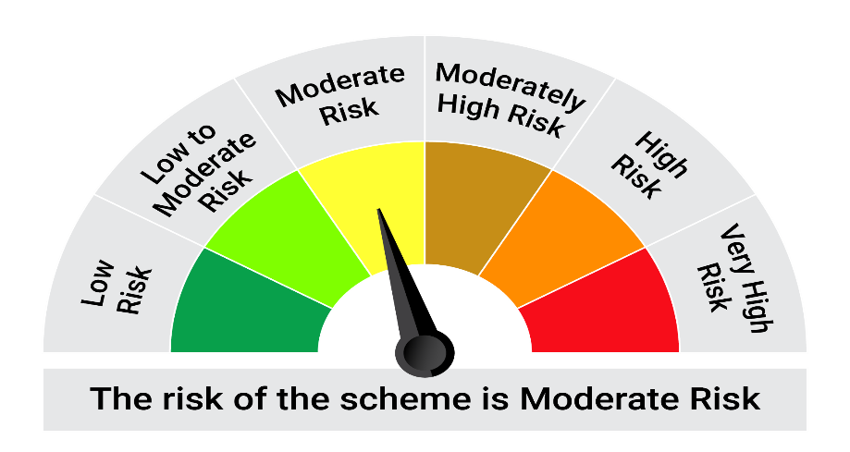
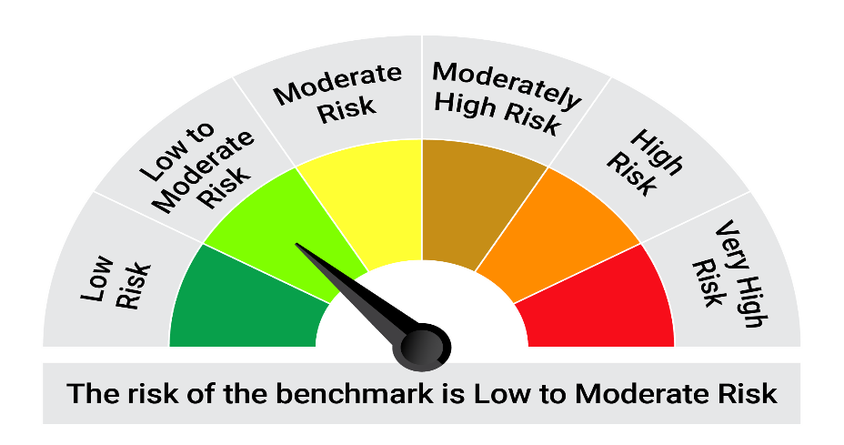
This product is suitable for investors who are seeking*: • Liquidity over short term • Investment in Debt / Money Market Instruments such that the Macaulay^ duration of the portfolio is between 6 months to 12 months.

*Investors should consult their financial advisers if in doubt about whether the product is suitable for them.

Mutual fund investments are subject to market risks, read all scheme realted documents carefully. |  |  | Scheme Benchmark: NIFTY Low Duration Debt Index A-I

Please note that the above risk-o-meter is as per the product labelling of the scheme available as on the date of this communication/ disclosure. as per SEBI circular dated May 19, 2023 on product labelling (as amended from time to time), risk-o-meters will be calculated on a monthly basis based on the risk values of the respective scheme's portfolio based on the methodology specified by SEBI in the above stated circular. The AMC shall disclose the risk-o-meters along with portfolio disclosure for all their schemes on their respective website and on AMFI website within 10 days from the close of each month. Any change in risk-o-meter shall be communicated by way of Notice cum Addendum and by way of an e-mail or SMS to unitholders of that particular Scheme.

Disclaimer


