Swiggy
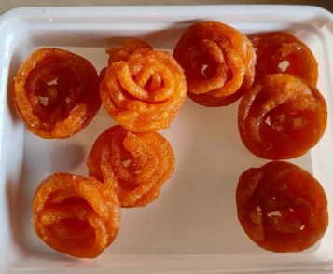
SWIGGY COMPLAINTS
Status | Bad quality food
Branch | KARAPAKKAM
Rid | 218725
Id No | #19467676927 8611
Order Details | Jangiri (250 Gms)
Customer Complaint | “I order this for my kids...<br/>Beginning of the New year starts with upset ”
Customer Rating | 1*
Order placed at | 1 Jan'25, 10:22 AM
Complaint received at | 1 Jan'25, 11:22 AM
Complaint Status | (Complaint Solved )
Recommended Refund Amount | Rs. 0

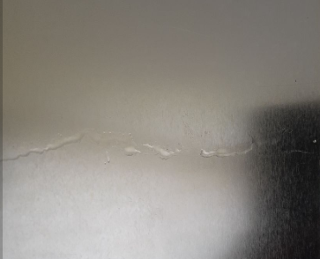
SWIGGY COMPLAINTS
Status | Food spillage due to bad packaging
Branch | PADUR
Rid | 833254
Id No | #19467871491 7063
Order Details | Mysurpa 500Gm Tin Box
Customer Complaint | “3rd is expiry date and ghee is leaked from the box, we bought this for gifting ”
Customer Rating | The customer has not rated this order yet
Order placed at | 1 Jan'25, 10:55 AM
Complaint received at | 1 Jan'25, 11:47 AM
Complaint Status | (Complaint Solved )
Recommended Refund Amount | Rs. 0

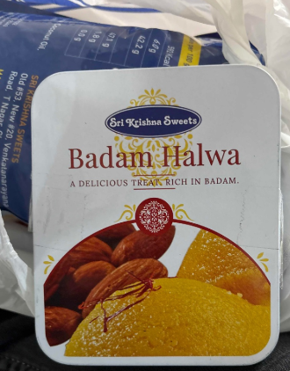
SWIGGY COMPLAINTS
Status | Wrong Item
Branch | PADUR
Rid | 833254
Id No | #19467871491 7063
Order Details | Bombay Halwa X 1 250GMS
Customer Complaint | “Ordered Bombay halwa received badham halwa<br/>”
Customer Rating | The customer has not rated this order yet
Order placed at | 1 Jan'25, 02:58 PM
Complaint received at | 1 Jan'25, 03:24 PM
Complaint Status | (Complaint Solved )
Recommended Refund Amount | Rs. 0

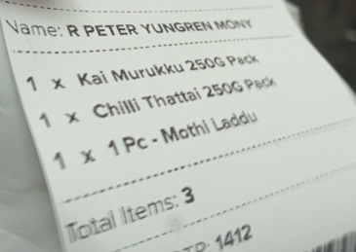
SWIGGY COMPLAINTS
Status | Missing Item
Branch | KARAPAKKAM
Rid | 218725
Id No | #19480476432 0180
Order Details | Chilli Thattai 250G Pack X1 Mothi Laddu 1 PCS Kai Murukku 250G Pack X1
Missing Item | 1 x Mothi Laddu (1 Pc)
Customer Complaint | “Missing
Customer Rating | The customer has not rated this order yet
Order placed at | 2 Jan'25, 09:56 PM
Complaint received at | 2 Jan'25, 10:54 PM
Complaint Status | (Complaint Solved )
Recommended Refund Amount | Rs. 0

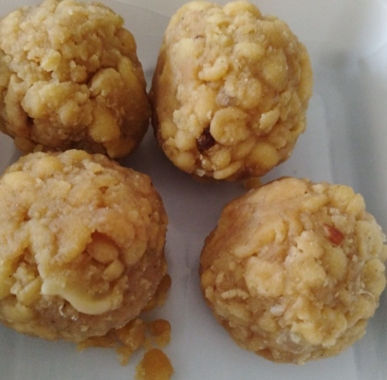
SWIGGY COMPLAINTS
Status | Bad quality food
Branch | PALLIKARANAI
Rid | 114217
Id No | #19479697565 9595
Order Details | Laddu (250 Gms)
Customer Complaint | “The laddoo was expired one stale and stinking with fungus ”
Customer Rating | The customer has not rated this order yet
Order placed at | 2 Jan'25, 07:46 PM
Complaint received at | 3 Jan'25, 08:36 PM
Complaint Status | (Complaint Not Solved )
Recommended Refund Amount | Rs. 130

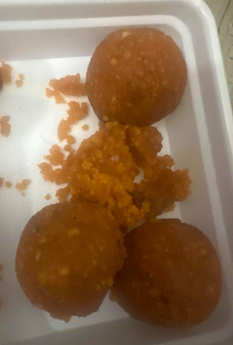
SWIGGY COMPLAINTS
Status | Bad quality food
Branch | RAMAPURAM
Rid | 114209
Id No | #19480073125 8849
Order Details | Mothi Laddu (250 Gms)
Customer Complaint | “Very old and Spoiled food”
Customer Rating | The customer has not rated this order yet
Order placed at | 2 Jan'25, 08:48 PM
Complaint received at | 3 Jan'25, 09:17 PM
Complaint Status | (Complaint Not Solved )
Recommended Refund Amount | Rs. 67

