Report 1
 | ONLINE SALES ON 06-01-2025

SWIGGY & ZOMATO ORDER DETAILS (06-01-2025)
SWIGGY AND ZOMATO ORDER SALES & CANCEL
DATE (06-01-2025) | NO OF ORDERS | TOTAL BILL VALUE | TOTAL DISCOUNT |  | FINAL BILL VALUE
 |  |  | Restaurant Trade Discount | Restaurant Coupon Discount Share
No Of Orders In Swiggy | 184 | 144,309 | 4,255 | 170 | 139,884
No Of Orders Delivered | 182 | 143,286 | 4,037 | 170 | 139,079
No Of Orders Cancel | 2 | 1,023 | 218 | - | 805
No Of Orders Canceled In Restaurant | 1 | 457 | 218 | - | 239
No Of Orders Canceled In Customer | 1 | 566 | - | - | 566
No Of Orders Canceled In Swiggy | - | - | - | - | -
No Of Complaints In Swiggy | 4

DATE (06-01-2025) | NO OF ORDERS | FINAL BILL VALUE
No Of Orders In Zomato | 138 | 92,098
No Of Orders Delivered | 134 | 88,364
No Of Orders Cancel | 4 | 3,734
No Of Orders Canceled In Restaurant | 3 | 2,908
No Of Orders Canceled In Zomato | - | -
No Of Orders Canceled In Customer | 1 | 826
No Of Complaints In Zomato | -

ZERO ORDERS IN SWIGGY & ZOMATO 06-01-2025
BRANCH IN SWIGGY | BRANCH IN ZOMATO
KANCHIPURAM218700 | AMBATTUR66292
NANGANALLUR WEST218710 | KANCHI GANDHI ROAD20686487
THIRUVALLUR114216 | THIRUVANMIYUR67992
THIRUVANMIYUR72524 | PURASAI PALACE REGENCY20922280
TRIPLICANE72513 | USMAN ROAD T NAGAR21232240
PURASAI PALACE REGENCY793429 | KANCHIPURAM21370008

SWIGGY AND ZOMATO CUSTOMER COMPLAINTS ON 06-01-2025
SWIGGY COMPLAINT :

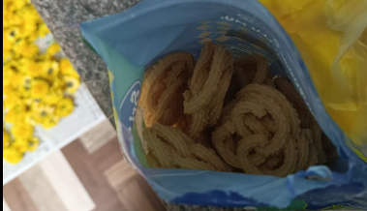
SWIGGY COMPLAINTS
Status | Bad quality food
Branch | CHROMPET
Rid | 72520
Id No | #19514216817 7766
Order Details | Mullu Murukku 500Gm Pack
Customer Complaint | “It's not usual muruku taste, oil is contaminated ”
Customer Rating | The customer has not rated this order yet
Order placed at | 6 Jan'25, 07:39 PM
Complaint received at | 6 Jan'25, 09:14 PM
Complaint Status | (Complaint Not Solved)
Recommended Refund Amount | Rs. 87

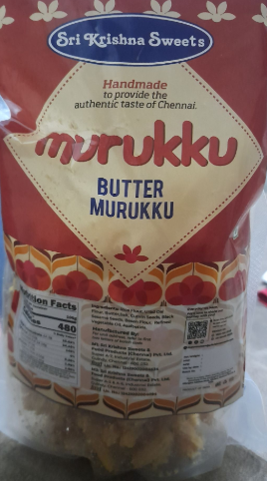
SWIGGY COMPLAINTS
Status | Wrong Item | Entire order wrong
Branch | PALLIKARANAI
Rid | 225217
Id No | #19514314486 0335
Order Details | 1 x Kai Murukku 250G Pack
Customer Complaint | “Wrong item delivered”
Customer Rating | The customer has not rated this order yet
Order placed at | 6 Jan'25, 07:55 PM
Complaint received at | 6 Jan'25, 08:26 PM
Complaint Status | (Complaint Not Solved)
Recommended Refund Amount | Rs. 177

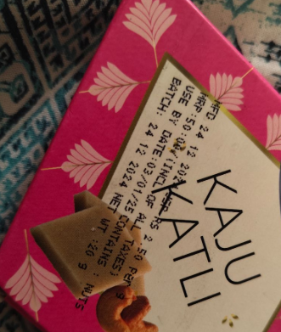
SWIGGY COMPLAINTS
Status | Bad quality food
Branch | ADYAR
Rid | 72609
Id No | #19506195491 4587
Order Details | Kaju Kathil (1Pc)
Customer Complaint | “It is expired by 3rd Jan”
Customer Rating | The customer has not rated this order yet
Order placed at | 5 Jan'25, 09:22 PM
Complaint received at | 6 Jan'25, 12:00 PM
Complaint Status | (Complaint Solved)
Recommended Refund Amount | Rs. 52

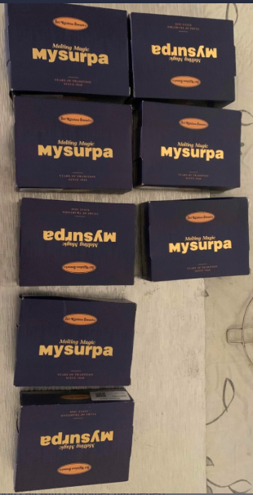
SWIGGY COMPLAINTS
Status | Missing Item
Branch | MADIPAKKAM
Rid | 72521
Id No | #19503612905 9281
Order Details | Mysurpa 250Gms X 10
Missing Item | Mysurpa 250Gms X 2
Customer Complaint | “Missing
Customer Rating | The customer has not rated this order yet
Order placed at | 5 Jan'25, 02:12 PM
Complaint received at | 6 Jan'25, 03:51 PM
Complaint Status | (Complaint Solved )
Recommended Refund Amount | Rs. 0

SWIGGY & ZOMATO ORDER CANCELLATION ON 06-01-2025
SWIGGY ORDER CANCEL :
DATE | BARNCH | ORDER STATUS | REJECTION DETAILS | CANCEL TIME | NO OF CANCEL | BILL VALUE
06/01/2025 | MEDAVAKKAM | RESTAURANT | Items out of stock | 1/6/25 | 1 | 457
06/01/2025 | TAMBARAM WEST | CUSTOMER | Order cancelled after pickup | 1/6/25 | 1 | 566
Grand Total |  |  |  |  | 2 | 1,023

ZOMATO ORDER CANCEL :
DATE | BARNCH | ORDER STATUS | REJECTION DETAILS | CANCEL TIME | NO OF CANCEL | BILL VALUE
06/01/2025 | CHROMPET | CUSTOMER | Wrong merchant address | 11:28, January 06 2025 | 1 | 826
06/01/2025 | LUZ NEW | RESTAURANT | Items out of stock | 13:21, January 06 2025 | 1 | 728
06/01/2025 | PURASAIWAKKAM | RESTAURANT | No response from restaurant | 19:21, January 06 2025 | 1 | 1,264
06/01/2025 | SAIDAPET | RESTAURANT | Items out of stock | 21:28, January 06 2025 | 1 | 916
Grand Total |  |  |  |  | 4 | 3,734

SWIGGY , ZOMATO OUT OF STOCK DETAILS ON 06-01-2025 (03:00 PM)
BRANCH | ZONAL | SWIGGY NO OF OUT OF STOCK | ZOMATO NO OF OUT OF STOCK
BESANT NAGAR | ZONE -A | 5 | 2
KARAPAKKAM | ZONE -A | 3 | 3
KELAMBAKKAM | ZONE -A | 6 | 2
THURAIPAKKAM | ZONE -A | 7 | 4
VELACHERY | ZONE -A | 8 | 6
ADAYAR | ZONE -A+ | 6 | 8
ASHOK NAGAR | ZONE -A+ | 29 | 14
VN ROAD TNAGAR | ZONE -A+ | 15 | 6
AVERAGE |  | 10 | 6
BAZULLAH ROAD T NAGAR | ZONE -B | 14 | 7
KANCHIPURAM | ZONE -B | 8 | 12
KANCHI GANDHI ROAD | ZONE -B | 1 | 13
PORUR | ZONE -B | 14 | 8
VADAPALANI | ZONE -B | 9 | 9
VALASARAVAKKAM | ZONE -B | 8 | 5
USMAN ROAD T NAGAR | ZONE -B | 10 | 2
WEST MAMBALAM | ZONE -B | 9 | 9
AVERAGE |  | 9 | 8
ALWARPET | ZONE -C | 13 | 10
EGMORE | ZONE -C | 2 | 5
KATHIPARA | ZONE -C | 11 | 11
LUZ NEW | ZONE -C | 13 | 8
MYLAPORE | ZONE -C | 5 | 9
PURASAIWAKKAM | ZONE -C | 15 | 12
PURASAI PALACE REGENCY | ZONE -C | 27 | 24
TRIPLICANE | ZONE -C | 13 | 11
AVERAGE |  | 12 | 11
AMBATTUR | ZONE -D | 6 | 7
ANNA NAGAR | ZONE -D | 14 | 12
AVADI | ZONE -D | 25 | 14
AYANAVARAM | ZONE -D | - | 3
KORATTUR | ZONE -D | 3 | 1
MOGAPPAIR | ZONE -D | 12 | 7
PERAMBUR | ZONE -D | 8 | 5
THIRUVALLUR | ZONE -D | 2 | 3
VILLIVAKKAM SKS | ZONE -D | 4 | 1
AVERAGE |  | 8 | 6
CHROMPET | ZONE -E | 6 | 1
MADIPAKKAM | ZONE -E | 2 | 3
MEDAVAKKAM | ZONE -E | 10 | 4
NANGANALLUR | ZONE -E | - | -
NANGANALLUR WEST | ZONE -E | 6 | 5
SAIDAPET | ZONE -E | 9 | -
TAMBARAM WEST | ZONE -E | 5 | 1
THIRUVANNAMALAI | ZONE -E | 7 | 7
AVERAGE |  | 6 | 3

 | COMPLIMENTARY DETAILS ON 06-01-2025

COMPLIMENTARY DETAIL
DATE | VOUCHER NO | BRANCH | APPROVED BY | TOTAL
2025-01-06 | SC/CS 1373 | GUINDY FACTORY | MD SIR | 27561
2025-01-06 | SC/CS 1374 | GUINDY FACTORY | VINOTH SIR | 7116
2025-01-06 | SC/CS 1375 | THIRUVANNAMALAI | MR.SAKTHIVEL SIR {HR} | 678
2025-01-06 | SC/CS 1376 | WEST MAMBALAM | Sakthivel sir | 1402
GRAND TOTAL |  |  |  | 36757

DISCOUNT DETAIL
DATE | BRANCH | GROSS AMOUNT | DISCOUNT | PERCENTAGE
2025-01-06 | ALWARPET | 452 | 9 | 2.0%
2025-01-06 | ANNA NAGAR | 1,800 | 90 | 5.0%
2025-01-06 | EGMORE | 450 | 9 | 2.0%
2025-01-06 | GUINDY FACTORY | 353,773 | 113,983 | 32.2%
2025-01-06 | KATHIPARA | 896 | 90 | 10.0%
2025-01-06 | KORATTUR | 13,224 | 397 | 3.0%
2025-01-06 | MEDAVAKKAM | 5,520 | 110 | 2.0%
2025-01-06 | MYLAPORE | 857 | 17 | 2.0%
2025-01-06 | NANGANALLUR | 4,721 | 317 | 6.7%
2025-01-06 | PERAMPUR | 800 | 16 | 2.0%
2025-01-06 | PONDICHERRY | 28,330 | 567 | 2.0%
2025-01-06 | PORUR | 4,679 | 169 | 3.6%
2025-01-06 | PURASAIWAKKAM | 676 | 14 | 2.0%
2025-01-06 | THURAIPAKKAM | 470 | 14 | 3.0%
2025-01-06 | VADAPALANI | 51,450 | 2,575 | 5.0%
2025-01-06 | VELACHERY | 2,123 | 425 | 20.0%
GRAND TOTAL |  | 470,220 | 118,801 | 103%

SALES RETURN
DATE | VOUCHER NO | BRANCH | SALES |  | RETURN |  | RETURN QTY | TOTAL VALUE | REMARKS
 |  |  | ENTERED ON | ENTRY TIME | ENTERED ON | ENTRY TIME
2025-01-06 | VVM-SRWRV 26 | VALASARAVAKKAM | 2025-01-06 | 18:45:55 | 2025-01-06 | 19:15:26 | 0.50 | 529 | REASON NOT ENTERED
GRAND TOTAL |  |  |  |  |  |  | 0.50 | 529.00

POS RETURN
DATE | VOUCHER NO | BRANCH | RETURN QUANTITY | TOTAL VALUE
2025-01-06 | AYA-POSRWRV 12 | AYANAVARAM | 1 | 226.00
2025-01-06 | VIL-POSRWRV 31 | VILLIVAKKAM SKS | 1 | 226.00
GRAND TOTAL |  |  | 2.00 | 452.00

