Report 1
 | ONLINE SALES ON 13-01-2025

SWIGGY & ZOMATO ORDER DETAILS (13-01-2025)
SWIGGY AND ZOMATO ORDER SALES & CANCEL
DATE (13-01-2025) | NO OF ORDERS | TOTAL BILL VALUE | TOTAL DISCOUNT |  | FINAL BILL VALUE
 |  |  | Restaurant Trade Discount | Restaurant Coupon Discount Share
No Of Orders In Swiggy | 236 | 228,775 | - | 575 | 228,200
No Of Orders Delivered | 236 | 228,775 | - | 575 | 228,200
No Of Orders Cancel | - | - | - | - | -
No Of Orders Canceled In Restaurant | - | - | - | - | -
No Of Orders Canceled In Customer | - | - | - | - | -
No Of Orders Canceled In Swiggy | - | - | - | - | -
No Of Complaints In Swiggy | 1

DATE (13-01-2025) | NO OF ORDERS | FINAL BILL VALUE
No Of Orders In Zomato | 186 | 132,468
No Of Orders Delivered | 186 | 132,468
No Of Orders Cancel | - | -
No Of Orders Canceled In Restaurant | - | -
No Of Orders Canceled In Zomato | - | -
No Of Orders Canceled In Customer | - | -
No Of Complaints In Zomato | 2

ZERO ORDERS IN SWIGGY & ZOMATO 13-01-2025
BRANCH IN SWIGGY | BRANCH IN ZOMATO
KANCHIPURAM218700 | ALWARPET20755128
KATHIPARA303841 | KANCHI GANDHI ROAD20686487
THIRUVANMIYUR72524 | NANGANALLUR WEST69925
PURASAI PALACE REGENCY793429 | THIRUVALLUR20755132
 | THIRUVANMIYUR67992
 | PURASAI PALACE REGENCY20922280
 | KANCHIPURAM21370008

SWIGGY AND ZOMATO CUSTOMER COMPLAINTS ON 13-01-2025
SWIGGY COMPLAINT :

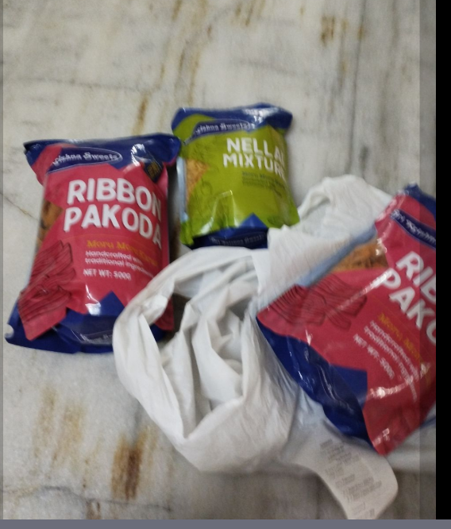
SWIGGY COMPLAINTS
Status | Missing Item
Branch | VADAPALANI
Rid | 218703
Id No | #9571909633 4325
Order Details | Nellai Mixture 250G Pack X2 Ribbon Pakkoda 500Gm Pack X2
Missing Item | Nellai Mixture 250G Pack X2
Customer Complaint | “One 250 gms nellai mixture is missing. Only one 250 gms mixture packet received. ”
Customer Rating | The customer has not rated this order yet
Order placed at | 13 Jan'25, 11:54 AM
Complaint received at | 13 Jan'25, 12:16 PM
Complaint Status | (Complaint Solved )
Recommended Refund Amount | Rs. 0

ZOMATO COMPLAINT :

ZOMATO COMPLAINTS
Status | Item(s) out of stock
Branch | MADIPAKKAM
Rid | 69924
Id No | 6523698766
Order Details | Laddu psc1 X2 Kaju Katli psc1 X2 Badusha pcs1 X1 Special Milk Sangu 250 gms X1
Item(s) out of stock | 1 x Special Milk Sangu
Customer Complaint | "
Customer Rating | The customer has not rated this order yet
Order placed at | 6:22 PM | January 13
Complaint received at | 6:34 PM | January 13
Complaint Status | (Complaint Solved )
Recommended Refund Amount | Rs. 0

ZOMATO COMPLAINTS
Status | Item(s) missing or not delivered
Branch | VADAPALANI
Rid | 18437174
Id No | 6512867477
Order Details | Potato Chips 250gms X1 Mysurpa 2 pcs X1
Missing Item | Potato Chips 250gms X1
Customer Complaint | "
Customer Rating | The customer has not rated this order yet
Order placed at | 11:13 AM | January 13
Complaint received at | 11:40 AM | January 13
Complaint Status | (Complaint Solved )
Recommended Refund Amount | Rs. 0

SWIGGY , ZOMATO OUT OF STOCK DETAILS ON 14-01-2025 (02:31 PM)
BRANCH | ZONAL | SWIGGY NO OF OUT OF STOCK | ZOMATO NO OF OUT OF STOCK
ADAYAR | ZONE -A | 9 | 8
BESANT NAGAR | ZONE -A | 8 | 7
KARAPAKKAM | ZONE -A | 6 | 8
KELAMBAKKAM | ZONE -A | 5 | 2
THURAIPAKKAM | ZONE -A | 13 | 10
VELACHERY | ZONE -A | 15 | 7
VN ROAD TNAGAR | ZONE -A+ | 25 | 9
AVERAGE |  | 13 | 9
ASHOK NAGAR | ZONE -B | 23 | 17
BAZULLAH ROAD T NAGAR | ZONE -B | 12 | 6
KANCHIPURAM | ZONE -B | 12 | 16
KANCHI GANDHI ROAD | ZONE -B | 4 | 11
PORUR | ZONE -B | 14 | 7
VADAPALANI | ZONE -B | 12 | 4
VALASARAVAKKAM | ZONE -B | 12 | 6
USMAN ROAD T NAGAR | ZONE -B | 12 | 6
WEST MAMBALAM | ZONE -B | 13 | 6
AVERAGE |  | 12 | 11
ALWARPET | ZONE -C | 15 | 11
EGMORE | ZONE -C | 9 | 8
KATHIPARA | ZONE -C | 10 | 12
LUZ NEW | ZONE -C | 7 | 3
MYLAPORE | ZONE -C | 8 | 5
PURASAIWAKKAM | ZONE -C | 14 | 12
PURASAI PALACE REGENCY | ZONE -C | 20 | 9
TRIPLICANE | ZONE -C | 15 | 16
AVERAGE |  | 10 | 9
AMBATTUR | ZONE -D | 1 | 10
ANNA NAGAR | ZONE -D | 20 | 6
AVADI | ZONE -D | 9 | 9
AYANAVARAM | ZONE -D | 6 | 3
KORATTUR | ZONE -D | 21 | 5
MOGAPPAIR | ZONE -D | 12 | 12
PERAMBUR | ZONE -D | 14 | 9
THIRUVALLUR | ZONE -D | 16 | 12
VILLIVAKKAM SKS | ZONE -D | 3 | 8
AVERAGE |  | 8 | 6
CHROMPET | ZONE -E | 7 | 4
MADIPAKKAM | ZONE -E | 16 | 9
MEDAVAKKAM | ZONE -E | 7 | 4
NANGANALLUR | ZONE -E | 1 | -
NANGANALLUR WEST | ZONE -E | 6 | 2
SAIDAPET | ZONE -E | 9 | 1
TAMBARAM WEST | ZONE -E | 9 | 4
THIRUVANNAMALAI | ZONE -E | 19 | 23
AVERAGE |  | 5 | 5

 | COMPLIMENTARY DETAILS ON 13-01-2025

COMPLIMENTARY DETAIL
DATE | VOUCHER NO | BRANCH | APPROVED BY | TOTAL
2025-01-13 | SC/CS 1402 | KELAMBAKKAM | NOT ENTRY | 127
2025-01-13 | SC/CS 1403 | MOGAPPAIR | sir mogappair branch HR sakthivel sir approval | 1637.5
GRAND TOTAL |  |  |  | 1764.5

DISCOUNT DETAIL
DATE | BRANCH | GROSS AMOUNT | DISCOUNT | PERCENTAGE
2025-01-13 | BAZULLAH ROAD T NAGAR | 33,847 | 1,847 | 5.5%
2025-01-13 | BESANT NAGAR | 800 | 80 | 10.0%
2025-01-13 | GUINDY FACTORY | 615,157 | 193,733 | 31.5%
2025-01-13 | KATHIPARA | 4,576 | 92 | 2.0%
2025-01-13 | KORATTUR | 904 | 90 | 10.0%
2025-01-13 | LUZ NEW | 907 | 18 | 2.0%
2025-01-13 | MEDAVAKKAM | 364 | 36 | 10.0%
2025-01-13 | MYLAPORE | 6,453 | 129 | 2.0%
2025-01-13 | PERAMPUR | 900 | 18
2025-01-13 | PONDICHERRY | 25,872 | 544 | 2.1%
2025-01-13 | PORUR | 7,131 | 227 | 3.2%
2025-01-13 | TAMBARAM WEST | 16,950 | 339 | 2.0%
2025-01-13 | THIRUVALLUR | 1,966 | 70 | 3.5%
2025-01-13 | USMAN ROAD T NAGAR | 2,888 | 57 | 2.0%
2025-01-13 | VADAPALANI | 904 | 18 | 2.0%
2025-01-13 | VELACHERY | 518 | 104 | 20.0%
GRAND TOTAL |  | 720,137 | 197,402 | 108%

SALES RETURN
DATE | VOUCHER NO | BRANCH | SALES |  | RETURN |  | RETURN QTY | TOTAL VALUE | REMARKS
 |  |  | ENTERED ON | ENTRY TIME | ENTERED ON | ENTRY TIME
2025-01-13 | TRI-SRWRV 11 | TRIPLICANE | 2025-01-13 | 21:45:18 | 2025-01-13 | 22:07:14 | 1.25 | 1001 | DOUBLE TIME ENTER
GRAND TOTAL |  |  |  |  |  |  | 1.25 | 1001.00

POS RETURN
DATE | VOUCHER NO | BRANCH | RETURN QUANTITY | TOTAL VALUE
2025-01-13 | KLM-POSRWRV 12 | KELAMBAKKAM | 4 | 3,650.00
2025-01-13 | PON-POSRWRV 14 | PONDICHERRY | 2 | 615.00
GRAND TOTAL |  |  | 6.00 | 4,265.00

