Report 1
 | ONLINE SALES ON 15-01-2025

SWIGGY & ZOMATO ORDER DETAILS (15-01-2025)
SWIGGY AND ZOMATO ORDER SALES & CANCEL
DATE (15-01-2025) | NO OF ORDERS | TOTAL BILL VALUE | TOTAL DISCOUNT |  | FINAL BILL VALUE
 |  |  | Restaurant Trade Discount | Restaurant Coupon Discount Share
No Of Orders In Swiggy | 252 | 187,252 | - | 220 | 187,032
No Of Orders Delivered | 252 | 187,252 | - | 220 | 187,032
No Of Orders Cancel | - | - | - | - | -
No Of Orders Canceled In Restaurant | - | - | - | - | -
No Of Orders Canceled In Customer | - | - | - | - | -
No Of Orders Canceled In Swiggy | - | - | - | - | -
No Of Complaints In Swiggy | 2

DATE (15-01-2025) | NO OF ORDERS | FINAL BILL VALUE
No Of Orders In Zomato | 184 | 112,004
No Of Orders Delivered | 180 | 110,014
No Of Orders Cancel | 4 | 1,990
No Of Orders Canceled In Restaurant | 2 | 969
No Of Orders Canceled In Zomato | - | -
No Of Orders Canceled In Customer | 2 | 1,021
No Of Complaints In Zomato | 1

ZERO ORDERS IN SWIGGY & ZOMATO 15-01-2025
BRANCH IN SWIGGY | BRANCH IN ZOMATO
KANCHIPURAM218700 | ALWARPET20755128
KATHIPARA303841 | KANCHI GANDHI ROAD20686487
THIRUVANMIYUR72524 | NANGANALLUR WEST69925
PURASAI PALACE REGENCY793429 | THIRUVALLUR20755132
 | THIRUVANMIYUR67992
 | PURASAI PALACE REGENCY20922280
 | KANCHIPURAM21370008

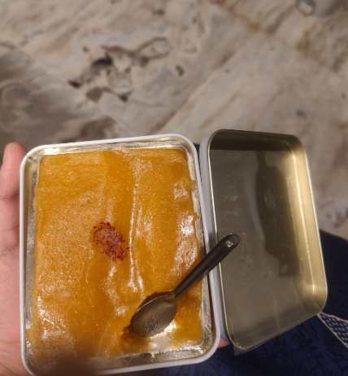
SWIGGY AND ZOMATO CUSTOMER COMPLAINTS ON 15-01-2025
SWIGGY COMPLAINT :
SWIGGY COMPLAINTS
Status | Bad quality food
Branch | TRIPLICANE
Rid | 72513
Id No | #19591990785 7877
Order Details | Contaminated Food | Badam Halwa 200 Gms
Customer Complaint | “The taste is not nice.... something is missing in this sweet ”
Customer Rating | The customer has not rated this order yet
Order placed at | 15 Jan'25, 07:41 PM
Complaint received at | 15 Jan'25, 08:19 PM
Complaint Status | (Complaint Not Solved)
Recommended Refund Amount | Rs. 179

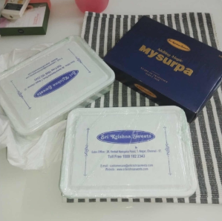
SWIGGY COMPLAINTS
Status | Missing Item
Branch | BESANT NAGAR
Rid | 217777
Id No | #19592100000 1515
Order Details | Kaju Kathil 500 Gms x 2 Mysurpa 500Gm Tin Box x 2
Missing Item | 1 x Mysurpa 500Gm Tin Box
Customer Complaint | “I have ordered 2 Mysore pak I received one”
Customer Rating | The customer has not rated this order yet
Order placed at | 15 Jan'25, 08:00 PM
Complaint received at | 15 Jan'25, 08:21 PM
Complaint Status | (Complaint Not Solved)
Recommended Refund Amount | Rs. 651

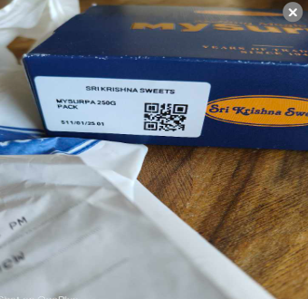
ZOMATO COMPLAINT :
ZOMATO COMPLAINTS
Status | Wrong item(s) delivered
Branch | TAMBARAM WEST
Rid | 71953
Id No | 6526869922
Order Details | 1 x Mysurpa ₹536.19
Customer Complaint | “ordered 500 grams mysurpa but only 250 grams is delivered to me”
Customer Rating | The customer has not rated this order yet
Order placed at | 3:01 PM | 15 January
Complaint received at | 3:42 PM | 15 January
Complaint Status | (Complaint Solved )A WINBACK COUPON OF ₹498 HAS BEEN ISSUED
Recommended Refund Amount | Rs. 498

ZOMATO ORDER CANCEL :
DATE | BARNCH | ORDER STATUS | REJECTION DETAILS | CANCEL TIME | NO OF CANCEL | BILL VALUE
15/01/2025 | ANNA NAGAR | RESTAURANT | Items out of stock | 20:07, January 15 2025 | 1 | 580
15/01/2025 | AVADI | CUSTOMER | Customer Cancellation | 13:10, January 15 2025 | 1 | 440
15/01/2025 | MEDAVAKKAM | CUSTOMER | Customer Cancellation | 15:09, January 15 2025 | 1 | 581
15/01/2025 | SAIDAPET | RESTAURANT | Items out of stock | 15:54, January 15 2025 | 1 | 390
Grand Total |  |  |  |  | 4 | 1,990

SWIGGY , ZOMATO OUT OF STOCK DETAILS ON 15-01-2025 (02:31 PM)
BRANCH | ZONAL | SWIGGY NO OF OUT OF STOCK | ZOMATO NO OF OUT OF STOCK
ADAYAR | ZONE -A | 9 | 8
BESANT NAGAR | ZONE -A | 8 | 7
KARAPAKKAM | ZONE -A | 6 | 8
KELAMBAKKAM | ZONE -A | 5 | 2
THURAIPAKKAM | ZONE -A | 13 | 10
VELACHERY | ZONE -A | 15 | 7
VN ROAD TNAGAR | ZONE -A+ | 25 | 9
AVERAGE |  | 13 | 9
ASHOK NAGAR | ZONE -B | 23 | 17
BAZULLAH ROAD T NAGAR | ZONE -B | 12 | 6
KANCHIPURAM | ZONE -B | 12 | 16
KANCHI GANDHI ROAD | ZONE -B | 4 | 11
PORUR | ZONE -B | 14 | 7
VADAPALANI | ZONE -B | 12 | 4
VALASARAVAKKAM | ZONE -B | 12 | 6
USMAN ROAD T NAGAR | ZONE -B | 12 | 6
WEST MAMBALAM | ZONE -B | 13 | 6
AVERAGE |  | 12 | 11
ALWARPET | ZONE -C | 15 | 11
EGMORE | ZONE -C | 9 | 8
KATHIPARA | ZONE -C | 10 | 12
LUZ NEW | ZONE -C | 7 | 3
MYLAPORE | ZONE -C | 8 | 5
PURASAIWAKKAM | ZONE -C | 14 | 12
PURASAI PALACE REGENCY | ZONE -C | 20 | 9
TRIPLICANE | ZONE -C | 15 | 16
AVERAGE |  | 10 | 9
AMBATTUR | ZONE -D | 1 | 10
ANNA NAGAR | ZONE -D | 20 | 6
AVADI | ZONE -D | 9 | 9
AYANAVARAM | ZONE -D | 6 | 3
KORATTUR | ZONE -D | 21 | 5
MOGAPPAIR | ZONE -D | 12 | 12
PERAMBUR | ZONE -D | 14 | 9
THIRUVALLUR | ZONE -D | 16 | 12
VILLIVAKKAM SKS | ZONE -D | 3 | 8
AVERAGE |  | 8 | 6
CHROMPET | ZONE -E | 7 | 4
MADIPAKKAM | ZONE -E | 16 | 9
MEDAVAKKAM | ZONE -E | 7 | 4
NANGANALLUR | ZONE -E | 1 | -
NANGANALLUR WEST | ZONE -E | 6 | 2
SAIDAPET | ZONE -E | 9 | 1
TAMBARAM WEST | ZONE -E | 9 | 4
THIRUVANNAMALAI | ZONE -E | 19 | 23
AVERAGE |  | 5 | 5

 | COMPLIMENTARY DETAILS ON 15-01-2025

COMPLIMENTARY DETAIL
DATE | VOUCHER NO | BRANCH | APPROVED BY | TOTAL
2025-01-15 | SC/CS 1411 | KORATTUR | APPORVED BY (MR.SENTHIL SIR (CUSTOMER COMPLAINT) | 450
2025-01-15 | SC/CS 1413 | BAZULLAH ROAD T NAGAR | MD SIR | 842
GRAND TOTAL |  |  |  | 1292

DISCOUNT DETAIL
DATE | BRANCH | GROSS AMOUNT | DISCOUNT | PERCENTAGE
2025-01-15 | BAZULLAH ROAD T NAGAR | 397 | 62 | 15.7%
2025-01-15 | CHROMPET | 391 | 8 | 2.0%
2025-01-15 | EGMORE | 140 | 3 | 2.0%
2025-01-15 | GUINDY FACTORY | 567,162 | 183,418 | 32.3%
2025-01-15 | MADIPAKKAM | 322 | 6 | 2.0%
2025-01-15 | MEDAVAKKAM | 6,505 | 268 | 4.1%
2025-01-15 | MYLAPORE | 1,342 | 27 | 2.0%
2025-01-15 | PONDICHERRY | 14,474 | 290 | 2.0%
2025-01-15 | PORUR | 3,174 | 36
2025-01-15 | THIRUVALLUR | 3,020 | 302 | 10.0%
2025-01-15 | TRIPLICANE | 4,195 | 84 | 2.0%
2025-01-15 | VALASARAVAKKAM | 3,600 | 180 | 5.0%
GRAND TOTAL |  | 604,722 | 184,684 | 79%

SALES RETURN
DATE | VOUCHER NO | BRANCH | SALES |  | RETURN |  | RETURN QTY | TOTAL VALUE | REMARKS
 |  |  | ENTERED ON | ENTRY TIME | ENTERED ON | ENTRY TIME
2025-01-15 | ANN-SRWRV 35 | ANNA NAGAR | 2025-01-15 | 12:23:36 | 2025-01-16 | 00:14:49 | 1.00 | 1078 | DOUBLE TIME ENTER
2025-01-15 | ANN-SRWRV 36 | ANNA NAGAR | 2025-01-15 | 12:23:36 | 2025-01-16 | 00:19:07 | 1.00 | 236 | DOUBLE TIME ENTER
2025-01-15 | POR-SRWRV 28 | PORUR | 2025-01-15 | 20:48:02 | 2025-01-15 | 21:30:10 | 1.00 | 648 | SWIGGY BILL ENTRY ZOMATO
2025-01-15 | TPM-SRWRV 6 | THURAIPAKKAM | 2025-01-15 | 19:54:27 | 2025-01-15 | 23:26:42 | 2.00 | 324 | NOT ENTRY
GRAND TOTAL |  |  |  |  |  |  | 1.00 | 1078.00

POS RETURN
DATE | VOUCHER NO | BRANCH | RETURN QUANTITY | TOTAL VALUE
2025-01-15 | MYP-POSRWRV 72 | MYLAPORE | 5 | 1,749.00
2025-01-15 | MYP-POSRWRV 73 | MYLAPORE | 3.25 | 924.00
GRAND TOTAL |  |  | 8.25 | 2,673.00

