Report 1
 | ONLINE SALES ON 20-01-2025

SWIGGY & ZOMATO ORDER DETAILS (20-01-2025)
SWIGGY AND ZOMATO ORDER SALES & CANCEL
DATE (20-01-2025) | NO OF ORDERS | TOTAL BILL VALUE | TOTAL DISCOUNT |  | FINAL BILL VALUE
 |  |  | Restaurant Trade Discount | Restaurant Coupon Discount Share
No Of Orders In Swiggy | 192 | 162,914 | - | 390 | 162,524
No Of Orders Delivered | 184 | 136,588 | - | 390 | 136,198
No Of Orders Cancel | 8 | 26,326 | - | - | 26,326
No Of Orders Canceled In Restaurant | 6 | 13,912 | - | - | 13,912
No Of Orders Canceled In Customer | 2 | 12,414 | - | - | 12,414
No Of Orders Canceled In Swiggy | - | - | - | - | -
No Of Complaints In Swiggy | 1

DATE (20-01-2025) | NO OF ORDERS | FINAL BILL VALUE
No Of Orders In Zomato | 113 | 68,285
No Of Orders Delivered | 110 | 66,926
No Of Orders Cancel | 3 | 1,358
No Of Orders Canceled In Restaurant | 2 | 586
No Of Orders Canceled In Zomato | - | -
No Of Orders Canceled In Customer | - | -
No Of Complaints In Zomato | 1

ZERO ORDERS IN SWIGGY & ZOMATO 20-01-2025
BRANCH IN SWIGGY | BRANCH IN ZOMATO
AYANAVARAM219033 | ASHOK NAGAR69941
KANCHIPURAM218700 | AYANAVARAM71959
KANCHI GANDHI ROAD710461 | KANCHI GANDHI ROAD20686487
KATHIPARA303841 | NANGANALLUR WEST69925
THIRUVANMIYUR72524 | THIRUVALLUR20755132
PURASAI PALACE REGENCY793429 | THIRUVANMIYUR67992
 | WEST MAMBALAM69940

SWIGGY AND ZOMATO CUSTOMER COMPLAINTS ON 20-01-2025
SWIGGY COMPLAINT :

SWIGGY COMPLAINTS
Status | Bad quality food
Branch | ADAYAR
Rid | 72609
Id No | #19634088633 3507
Order Details | Contaminated Food | Laddu (500 Gms)
Customer Complaint | “”
Customer Rating | The customer has not rated this order yet
Order placed at | 20 Jan'25, 04:38 PM
Complaint received at | 20 Jan'25, 06:07 PM
Complaint Status | (Complaint Solved )
Recommended Refund Amount | Rs. 0

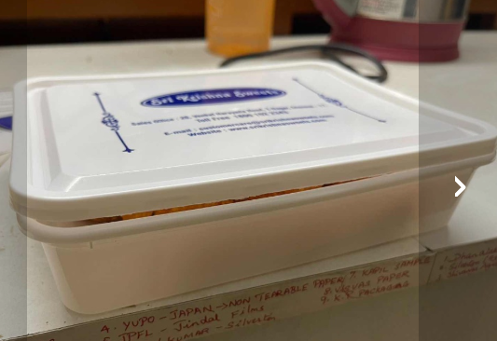
SWIGGY COMPLAINTS
Status | Bad packaging
Branch | CHROMPET
Rid | 72520
Id No | #19634381864 9183
Order Details | Mothi Laddu (500 Gms)
Customer Complaint | “Package was bad <br/>”
Customer Rating | The customer has not rated this order yet
Order placed at | 20 Jan'25, 05:26 PM
Complaint received at | 20 Jan'25, 06:03 PM
Complaint Status | (Complaint Solved )
Recommended Refund Amount | Rs. 0

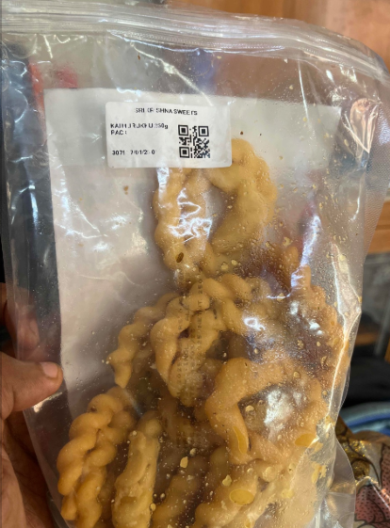
SWIGGY COMPLAINTS
Status | Bad quality food
Branch | MEDAVAKKAM
Rid | 114217
Id No | #19631759412 0217
Order Details | Stale food | Kai Murukku 250G Pack
Customer Complaint | “No expiry date in the Kai Murukku. Also it smells bad and looks old. Need refund for this ”
Customer Rating | The customer has not rated this order yet
Order placed at | 20 Jan'25, 10:09 AM
Complaint received at | 20 Jan'25, 11:35 AM
Complaint Status | (Complaint Solved ) Refund issued Rs. 44
Recommended Refund Amount | Rs. 44

ZOMATO COMPLAINT :
ZOMATO COMPLAINTS
Status | Item(s) missing or not delivered
Branch | THIRUVANNAMALAI
Rid | 20526335
Id No | 6539558561
Order Details | Nellai Mixture [250 grams] x 2 Mothi Laddu 250 Gms x 2 Cashew Roll 250 Gms x 1
Missing Item | 1 x Cashew Roll ₹472.14
Customer Complaint | "
Customer Rating | The customer has not rated this order yet
Order placed at | 11:13 AM | 20 January
Complaint received at | 11:51 AM | 20 January
Complaint Status | (Complaint Solved)
Recommended Refund Amount | Rs. 0
SWIGGY ORDER CANCEL:
DATE | BARNCH | ORDER STATUS | REJECTION DETAILS | CANCEL TIME | NO OF CANCEL | BILL VALUE
20/01/2025 | EGMORE | RESTAURANT | out of stock at the restaurant | 1/20/25 | 1 | 566
20/01/2025 | KARAPAKKAM | RESTAURANT | out of stock at the restaurant | 1/20/25 | 1 | 3124
20/01/2025 | KARAPAKKAM | RESTAURANT | out of stock at the restaurant | 1/20/25 | 1 | 3083
20/01/2025 | KARAPAKKAM | CUSTOMER | Customer Cancellation | 1/20/25 | 1 | 6207
20/01/2025 | KELAMBAKKAM | RESTAURANT | out of stock at the restaurant | 1/20/25 | 1 | 3124
20/01/2025 | KELAMBAKKAM | RESTAURANT | out of stock at the restaurant | 1/20/25 | 1 | 3083
20/01/2025 | KELAMBAKKAM | CUSTOMER | Customer Cancellation | 1/20/25 | 1 | 6207
20/01/2025 | PURASAIWAKKAM | RESTAURANT | out of stock at the restaurant | 1/20/25 | 1 | 932
Grand Total |  |  |  |  | 8 | 26326

ZOMATO ORDER CANCEL :
DATE | BARNCH | ORDER STATUS | REJECTION DETAILS | CANCEL TIME | NO OF CANCEL | BILL VALUE
20/01/2025 | SAIDAPET | ZOMATO | Delivery partner not responding | 19:00, January 20 2025 | 1 | 313
20/01/2025 | THIRUVANNAMALAI | ZOMATO | No response from restaurant | 9:25, January 20 2025 | 1 | 743
20/01/2025 | VN ROAD TNAGAR | ZOMATO | No response from restaurant | 20:36, January 20 2025 | 1 | 302
Grand Total |  |  |  |  | 3 | 1,358

SWIGGY , ZOMATO OUT OF STOCK DETAILS ON 21-01-2025 (02:30 PM)
BRANCH | ZONAL | SWIGGY NO OF OUT OF STOCK | ZOMATO NO OF OUT OF STOCK
ADAYAR | ZONE -A | 6 | 3
BESANT NAGAR | ZONE -A | 20 | 16
KARAPAKKAM | ZONE -A | 13 | 11
KELAMBAKKAM | ZONE -A | 8 | 5
THURAIPAKKAM | ZONE -A | 15 | 9
VELACHERY | ZONE -A | 14 | 6
VN ROAD TNAGAR | ZONE -A+ | 8 | 3
AVERAGE |  | 12 | 8
ASHOK NAGAR | ZONE -B | 20 | 19
BAZULLAH ROAD | ZONE -B | 15 | 5
KANCHIPURAM | ZONE -B | 5 | 14
KANCH KANDHI ROAD | ZONE -B | 2 | 12
PORUR | ZONE -B | 13 | 7
VADAPALANI | ZONE -B | 9 | 7
VALASARAVAKKAM | ZONE -B | 9 | 5
USMAN ROAD T NAGAR | ZONE -B | 12 | 6
WEST MAMBALAM | ZONE -B | 9 | 5
AVERAGE |  | 10 | 9
ALWARPET | ZONE -C | 11 | 9
EGMORE | ZONE -C | 6 | 6
KATHIPARA | ZONE -C | 8 | 12
LUZ NEW | ZONE -C | 8 | 7
MYLAPORE | ZONE -C | 5 | 6
PURASAIWAKKAM | ZONE -C | 8 | 6
PURASAIWAKKAM NEW | ZONE -C | 16 | 23
TRIPLICANE | ZONE -C | 20 | 13
AVERAGE |  | 10 | 10
AMBATTUR | ZONE -D | 2 | 7
ANNA NAGAR | ZONE -D | 12 | 5
AVADI | ZONE -D | 11 | 6
AYANAVARAM | ZONE -D | 5 | 2
KORATUR | ZONE -D | 7 | 13
MOGAPPAIR | ZONE -D | 6 | 2
PERAVALLUR | ZONE -D | 6 | 7
THIRUVALLUR | ZONE -D | 5 | 6
VILLIVAKKAM SKS | ZONE -D | 4 | 3
AVERAGE |  | 6 | 6
CHROMPET | ZONE -E | 10 | 5
MADIPAKKAM | ZONE -E | 4 | 5
MEDAVAKKAM | ZONE -E | 5 | 2
NANGANALLUR | ZONE -E | 1 | -
NANGANALLUR WEST | ZONE -E | 2 | 2
SAIDAPET | ZONE -E | 9 | 1
TAMBARAM WEST | ZONE -E | 9 | 5
THIRUVANNAMALAI | ZONE -E | 9 | 22
AVERAGE |  | 6 | 5

 | COMPLIMENTARY DETAILS ON 20-01-2025

DISCOUNT DETAIL
DATE | BRANCH | GROSS AMOUNT | DISCOUNT | PERCENTAGE
2025-01-20 | BAZULLAH ROAD T NAGAR | 773 | 20 | 2.6%
2025-01-20 | EGMORE | 1,800 | 36 | 2.0%
2025-01-20 | GUINDY FACTORY | 555,990 | 169,901 | 30.6%
2025-01-20 | KANCHI GANDHI ROAD | 1,793 | 36 | 2.0%
2025-01-20 | KATHIPARA | 193 | 4 | 2.0%
2025-01-20 | LUZ NEW | 7,115 | 142 | 2.0%
2025-01-20 | MEDAVAKKAM | 10,035 | 348 | 3.5%
2025-01-20 | MYLAPORE | 4,859 | 336 | 6.9%
2025-01-20 | NANGANALLUR | 8,446 | 774 | 9.2%
2025-01-20 | NANGANALLUR WEST | 3,825 | 77 | 2.0%
2025-01-20 | PONDICHERRY | 6,971 | 139 | 2.0%
2025-01-20 | PORUR | 4,615 | 189 | 4.1%
2025-01-20 | PURASAIWAKKAM | 897 | 18 | 2.0%
2025-01-20 | TAMBARAM WEST | 2,594 | 52 | 2.0%
2025-01-20 | TRIPLICANE | 138 | 3 | 2.0%
2025-01-20 | USMAN ROAD T NAGAR | 2,537 | 141 | 5.6%
2025-01-20 | VALASARAVAKKAM | 1,402 | 28 | 2.0%
2025-01-20 | VELACHERY | 403 | 12 | 3.0%
2025-01-20 | VN ROAD TNAGAR | 8,470 | 2,541 | 30.0%
GRAND TOTAL |  | 622,856 | 174,797 | 115%

POS RETURN
DATE | VOUCHER NO | BRANCH | RETURN QUANTITY | TOTAL VALUE
2025-01-20 | KAT-POSRWRV 36 | KATHIPARA | 1 | 275.00
2025-01-20 | MYP-POSRWRV 75 | MYLAPORE | 3 | 314.00
2025-01-20 | MYP-POSRWRV 76 | MYLAPORE | 1 | 842.00
2025-01-20 | VAD-POSRWRV 23 | VADAPALANI | 6.81 | 1,975.00
GRAND TOTAL |  |  | 11.81 | 3406.00

