Sheet3
genre | (All)

Sum of worldwide_net | Column Labels
Row Labels | G | NA | PG | PG-13 | R | Unrated | Grand Total
1991 |  |  |  |  | 415,376,182 |  | 415,376,182
1994 |  |  |  |  | 265,300,000 |  | 265,300,000
1995 |  |  |  | 252,292,686 |  |  | 252,292,686
1996 | 225,500,000 |  |  |  | 134,400,000 |  | 359,900,000
1997 |  |  |  | 2,623,370,473 | 16,100,000 |  | 2,639,470,473
1998 |  |  |  | 665,600,000 | 145,400,000 |  | 811,000,000
1999 | 303,191,819 |  | 1,105,859,901 | 272,959,995 | 48,725,874 |  | 1,730,737,589
2000 | 69,630,573 |  | 421,793,466 | 767,642,958 | 458,735,588 |  | 1,717,802,585
2001 | 445,483,719 |  | 840,054,122 | 2,095,570,827 | (51,260,180) |  | 3,329,848,488
2002 |  |  | 1,354,758,168 | 2,263,484,790 | 48,752,886 |  | 3,666,995,844
2003 | 842,094,852 | 514,310,819 | 20,073,768 | 1,600,669,765 | 1,589,018,042 |  | 4,566,167,246
2004 | 142,719,437 |  | 1,471,799,854 | 1,648,030,414 | 345,449,231 |  | 3,607,998,936
2005 | 160,043,823 | 540,539,572 | 285,743,906 | 2,895,181,191 | 108,674,938 |  | 3,990,183,430
2006 |  |  | 649,291,648 | 2,655,825,167 | 101,297,992 |  | 3,406,414,807
2007 | 476,549,695 |  | 998,933,278 | 4,060,087,998 | 167,985,456 |  | 5,703,556,427
2008 | 352,508,025 |  | 1,365,681,751 | 3,427,961,629 |  | 19,499,811 | 5,165,651,216
2009 | 165,997,378 |  | 2,099,271,760 | 4,932,513,470 | 201,123,329 |  | 7,398,905,937
2010 | 868,879,522 | 263,186,950 | 2,977,623,064 | 3,364,222,498 | 119,466,333 |  | 7,593,378,367
2011 | 360,155,383 |  | 1,660,846,906 | 6,222,092,242 |  |  | 8,243,094,531
2012 |  |  | 2,749,015,731 | 6,367,684,655 | 876,077,004 |  | 9,992,777,390
2013 | 543,455,810 |  | 2,490,315,608 | 6,472,142,819 | 927,360,264 |  | 10,433,274,501
2014 | 362,846,291 |  | 2,118,043,611 | 7,114,941,992 | 220,780,051 |  | 9,816,611,945
2015 | 151,091,610 | 47,849,187 | 1,565,777,340 | 8,938,146,078 | 925,957,900 |  | 11,628,822,115
2016 |  |  | 4,002,952,536 | 6,443,062,341 | 13,266,661 |  | 10,459,281,538
2017 | 208,541,369 |  | 2,313,185,311 | 7,571,683,820 | 1,007,356,316 |  | 11,100,766,816
2018 |  |  | 1,863,205,031 | 8,973,145,513 | 556,362,370 |  | 11,392,712,914
2019 | 873,080,329 |  | 4,855,622,700 | 7,171,472,707 | (87,114,020) |  | 12,813,061,716
2020 |  |  | (107,911,403) | (106,147,822) |  |  | (214,059,225)
2021 |  |  | 74,876,898 | 3,927,171,700 | 481,852,651 |  | 4,483,901,249
2022 |  | (120,000,000) | (145,463,609) | 4,156,320,366 |  |  | 3,890,856,757
2023 |  | (381,000,000) |  |  |  |  | (381,000,000)
NA |  | (140,000,000) |  |  |  |  | (140,000,000)
Grand Total | 6,551,769,635 | 724,886,528 | 37,031,351,346 | 106,777,130,272 | 9,036,444,868 | 19,499,811 | 160,141,082,460

 | G | NA | PG | PG-13 | R | Unrated
1991 |  |  |  |  | 415,376,182
1994 |  |  |  |  | 265,300,000
1995 |  |  |  | 252,292,686
1996 | 225,500,000 |  |  |  | 134,400,000
1997 |  |  |  | 2,623,370,473 | 16,100,000
1998 |  |  |  | 665,600,000 | 145,400,000
1999 | 303,191,819 |  | 1,105,859,901 | 272,959,995 | 48,725,874
2000 | 69,630,573 |  | 421,793,466 | 767,642,958 | 458,735,588
2001 | 445,483,719 |  | 840,054,122 | 2,095,570,827 | (51,260,180)
2002 |  |  | 1,354,758,168 | 2,263,484,790 | 48,752,886
2003 | 842,094,852 | 514,310,819 | 20,073,768 | 1,600,669,765 | 1,589,018,042
2004 | 142,719,437 |  | 1,471,799,854 | 1,648,030,414 | 345,449,231
2005 | 160,043,823 | 540,539,572 | 285,743,906 | 2,895,181,191 | 108,674,938
2006 |  |  | 649,291,648 | 2,655,825,167 | 101,297,992
2007 | 476,549,695 |  | 998,933,278 | 4,060,087,998 | 167,985,456
2008 | 352,508,025 |  | 1,365,681,751 | 3,427,961,629 |  | 19,499,811
2009 | 165,997,378 |  | 2,099,271,760 | 4,932,513,470 | 201,123,329
2010 | 868,879,522 | 263,186,950 | 2,977,623,064 | 3,364,222,498 | 119,466,333
2011 | 360,155,383 |  | 1,660,846,906 | 6,222,092,242
2012 |  |  | 2,749,015,731 | 6,367,684,655 | 876,077,004
2013 | 543,455,810 |  | 2,490,315,608 | 6,472,142,819 | 927,360,264
2014 | 362,846,291 |  | 2,118,043,611 | 7,114,941,992 | 220,780,051
2015 | 151,091,610 | 47,849,187 | 1,565,777,340 | 8,938,146,078 | 925,957,900
2016 |  |  | 4,002,952,536 | 6,443,062,341 | 13,266,661
2017 | 208,541,369 |  | 2,313,185,311 | 7,571,683,820 | 1,007,356,316
2018 |  |  | 1,863,205,031 | 8,973,145,513 | 556,362,370
2019 | 873,080,329 |  | 4,855,622,700 | 7,171,472,707 | (87,114,020)
2020 |  |  | (107,911,403) | (106,147,822)
2021 |  |  | 74,876,898 | 3,927,171,700 | 481,852,651
2022 |  | (120,000,000) | (145,463,609) | 4,156,320,366
2023 |  | (381,000,000)
NA |  | (140,000,000)

Sheet2
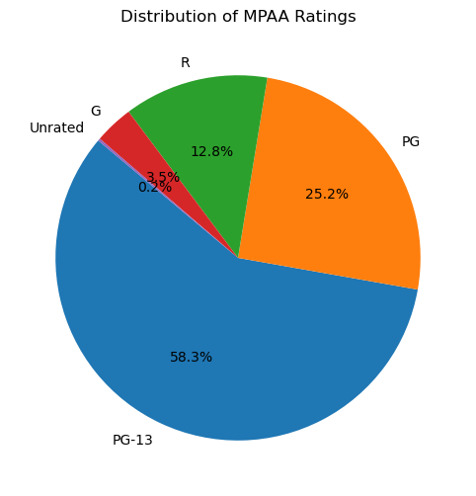
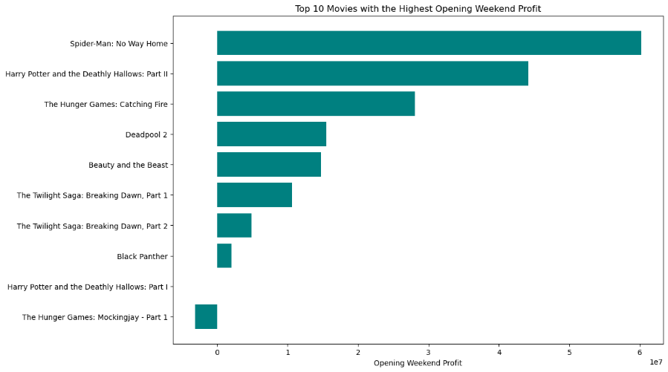
Top 500 Movies (by Production Cost)

Production Cost vs. Worldwide Gross | Movie Releases
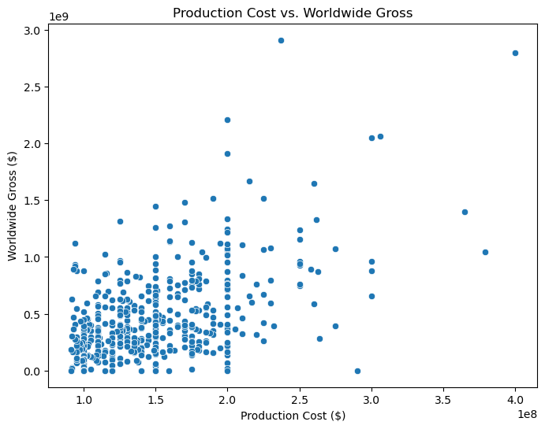
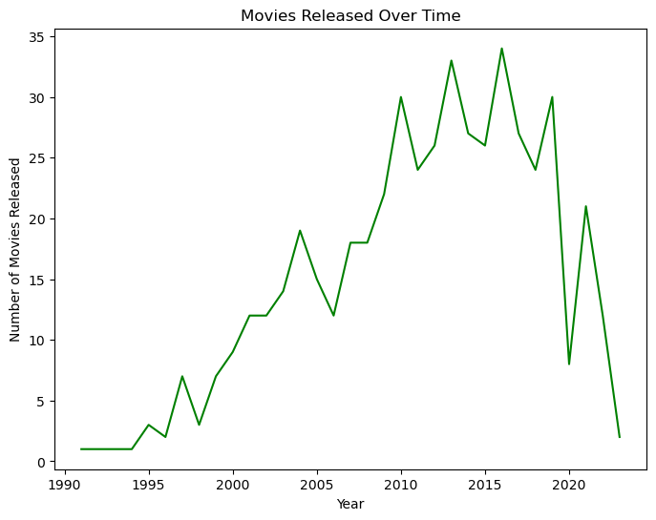

Ratings Distribution | Opening Weekend

