Marker Info
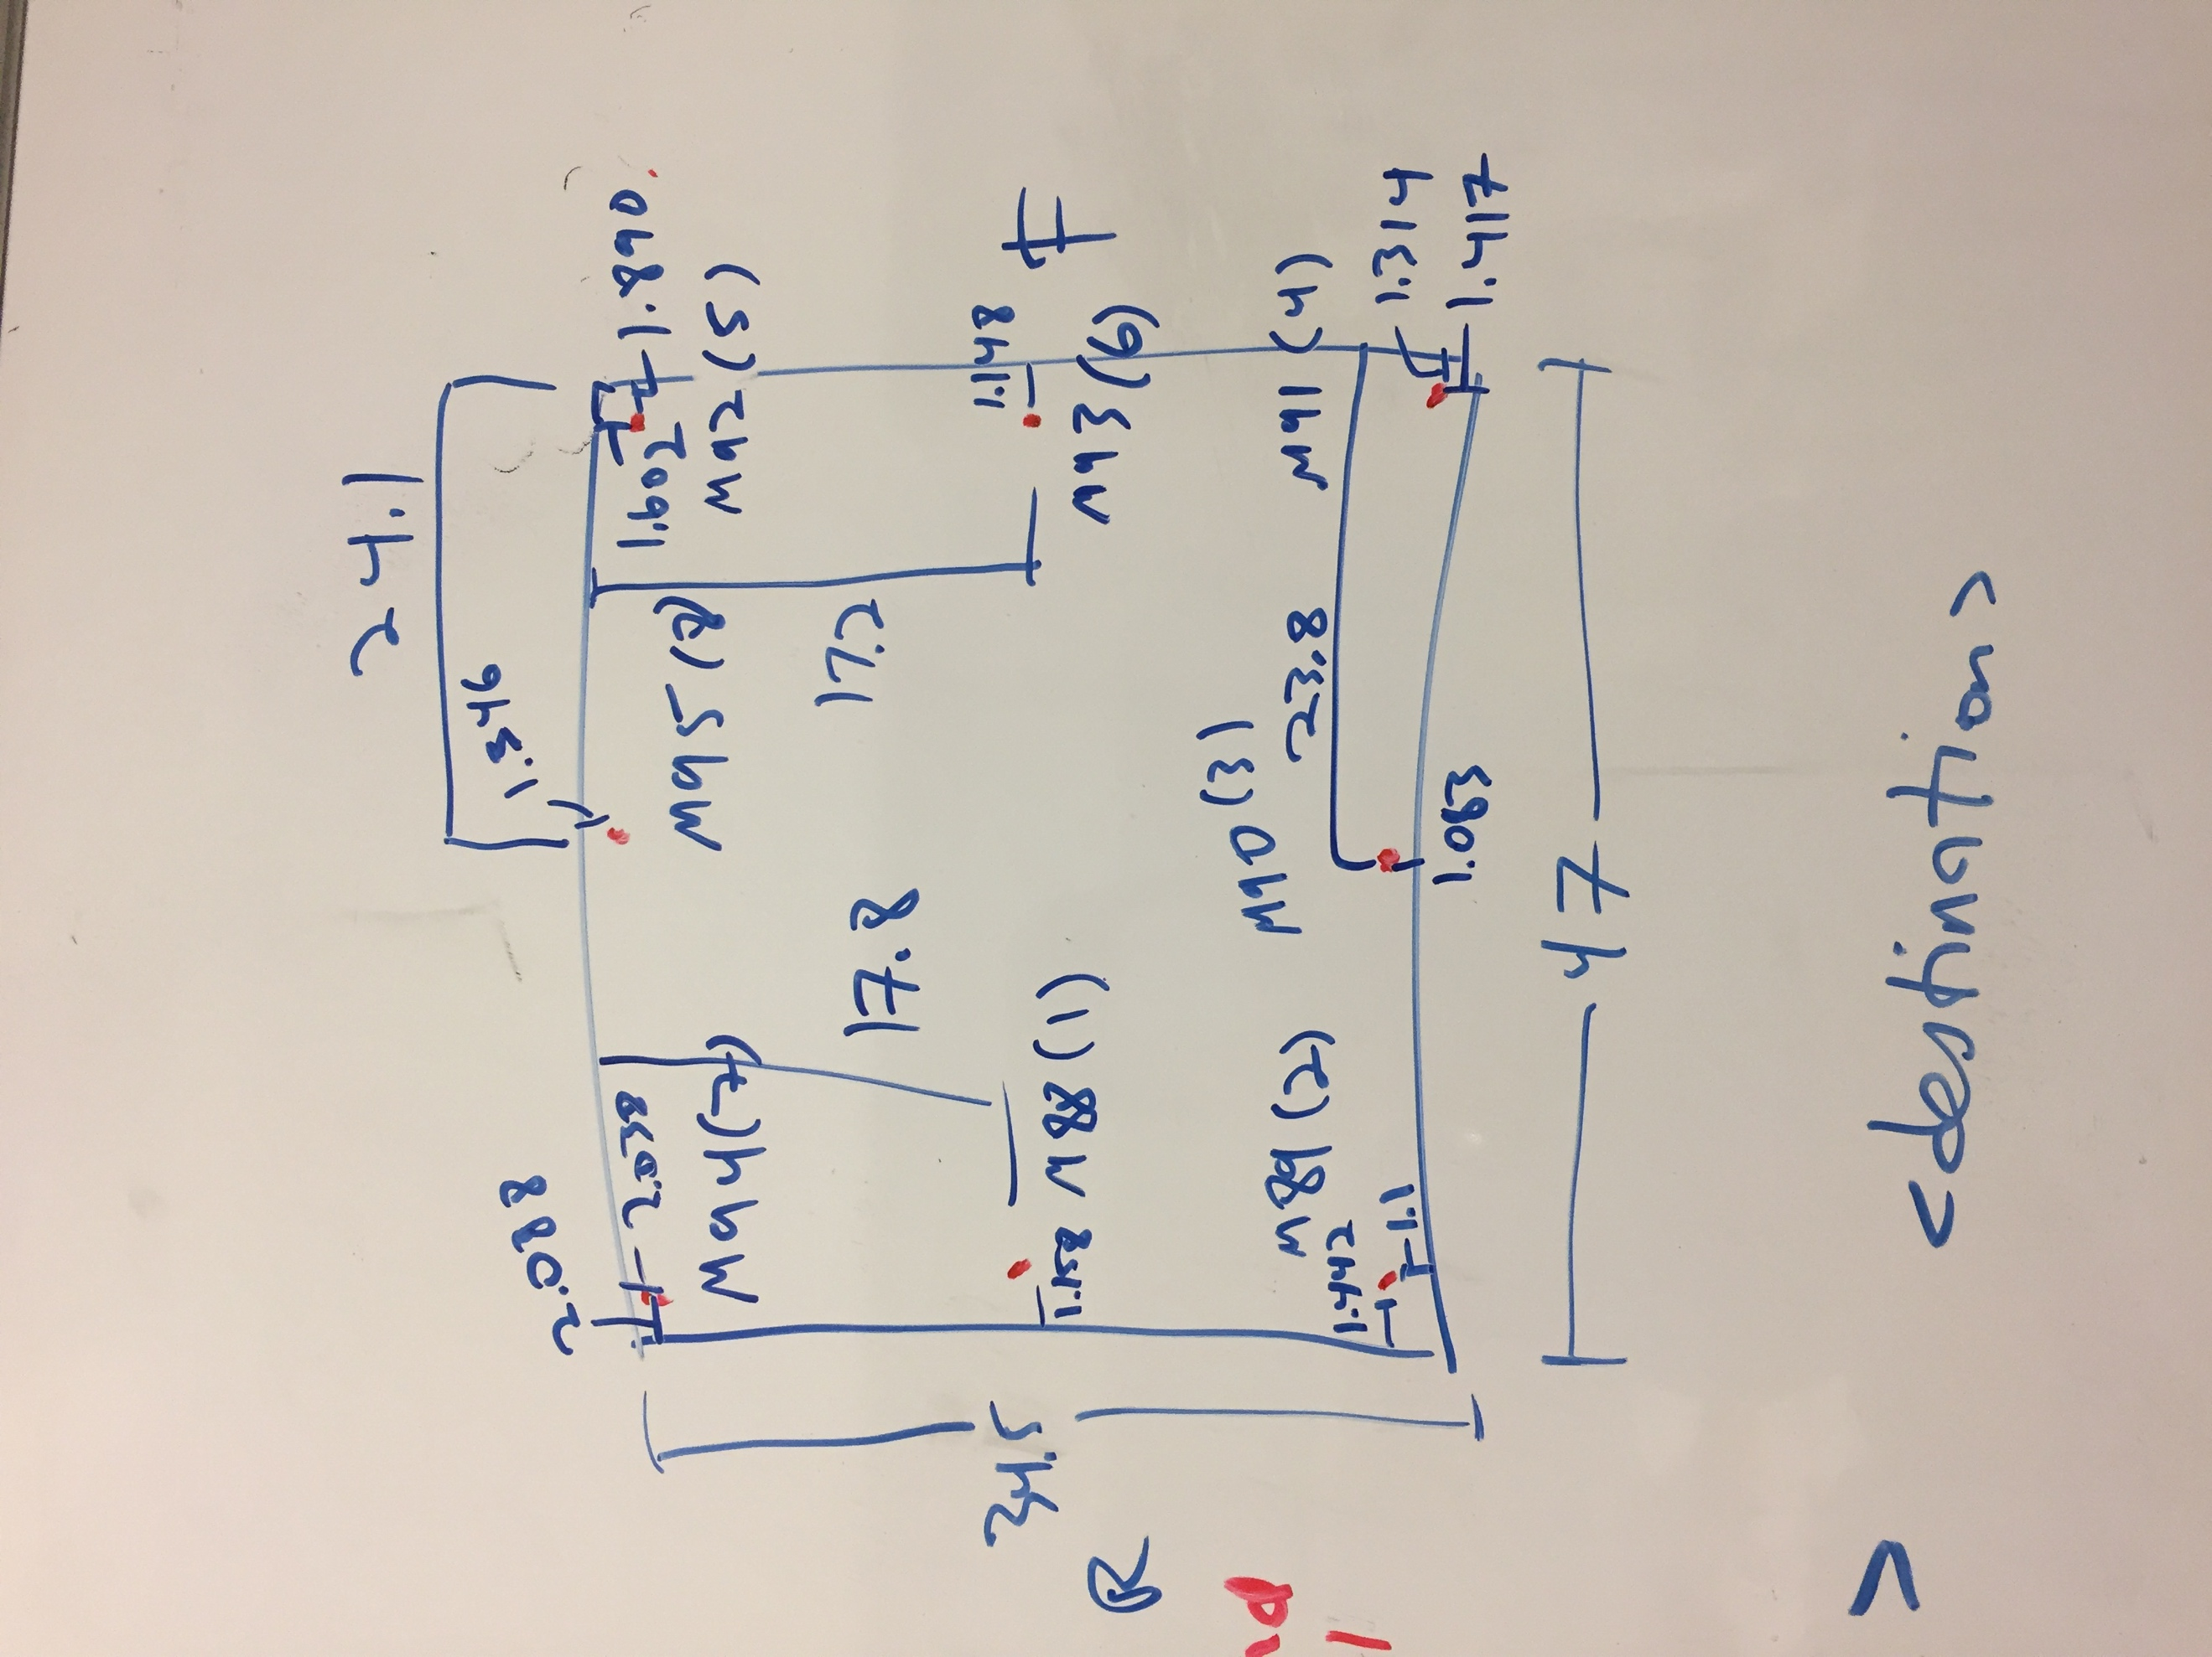

Marker Name | Number
M88 | 1
M89 | 2
M90 | 3
M91 | 4
M92 | 5
M93 | 6
M94 | 7
M95 | 8 |  | marker order [FC,FL,SL,RL,RC,RR,SR,FR]
 |  |  | counter clock wise starting from Front Center

RL |  | SL |  | FL

RC | Marker Positons |  |  | FC

RR |  | SR |  | FR

