System Logic Expressions
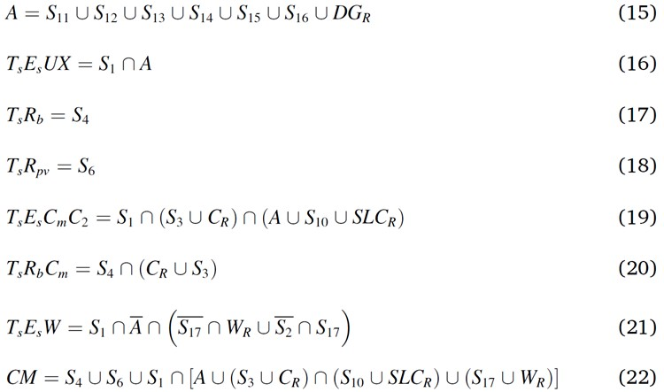
Symbols: "|" = OR logic, "&" = AND logic, "~" = Negate logic
Name | System Descriptions | System Equations (Logic Tree) | System Equations (UMB)
TEUX | Loss of high-pressure coolant injection followed by failure to depressurize the reactor | C(:,1) & ( C(:,7) | C(:,8) | C(:,9) | C(:,10) | C(:,11) | C(:,12) | RF(:,1) ) | C(:,1).*( 1 - (1 -C(:,7)).*(1 -C(:,8)).*(1 -C(:,9)).*(1 -C(:,10)).*(1 -C(:,11)).*(1 -C(:,12)).*(1 -RF(:,1)) )
TRpv | Failure of the reactor vessel upper lateral support bracket | C(:,5) | C(:,5)
TRb | Failure of shear walls in the reactor control building | C(:,4) | C(:,4)
TECC | Failure of the standby liquid control system | C(:,1) & (C(:,3)|RF(:,3)) & (( C(:,7) | C(:,8) | C(:,9) | C(:,10) | C(:,11) | C(:,12) | RF(:,1) )|C(:,6)|RF(:,4)) | C(:,1).* (1 -(1 -C(:,3)).*(1 -RF(:,3))).* (1 -(1 -( 1 - (1 -C(:,7)).*(1 -C(:,8)).*(1 -C(:,9)).*(1 -C(:,10)).*(1 -C(:,11)).*(1 -C(:,12)).*(1 -RF(:,1)) )).*(1 -C(:,6)).*(1 -RF(:,4)))
TRC | Transient with loss of Reactor Control | C(:,4) & (RF(:,3)|C(:,3)) | C(:,4).* (1 -(1 -RF(:,3)).*(1 -C(:,3)))
TEW | Failure of the long-term heat removal system | C(:,1) & ~( C(:,7) | C(:,8) | C(:,9) | C(:,10) | C(:,11) | C(:,12) | RF(:,1) ) & ((~C(:,13) & RF(:,2)) | (~C(:,2) & C(:,13))) | C(:,1).* (1 -( 1 - (1 -C(:,7)).*(1 -C(:,8)).*(1 -C(:,9)).*(1 -C(:,10)).*(1 -C(:,11)).*(1 -C(:,12)).*(1 -RF(:,1)) )) .*(1 -(1 -(1 -C(:,13)).*RF(:,2)).*(1 -(1 -C(:,2)).*C(:,13)))
CM | Core Meltdown | C(:,4) | C(:,5) | C(:,1) & (( C(:,7) | C(:,8) | C(:,9) | C(:,10) | C(:,11) | C(:,12) | RF(:,1) ) | (C(:,3)|RF(:,3))&(C(:,6)|RF(:,4)) | (C(:,13)|RF(:,2))) | 1 -(1 -C(:,4)).*(1 -C(:,5)).*(1 -C(:,1).*( 1 -(1 -( 1 - (1 -C(:,7)).*(1 -C(:,8)).*(1 -C(:,9)).*(1 -C(:,10)).*(1 -C(:,11)).*(1 -C(:,12)).*(1 -RF(:,1)) )).*(1 -( (1 -(1 -C(:,3)).*(1 -RF(:,3))).*(1 -(1 -C(:,6)).*(1 -RF(:,4))) )).*(1 -( 1 -(1 -C(:,13)).*(1 -RF(:,2)) )) ))

(2)
(1) Example Fault Tree for CM & (2) Mathematical Expressions:
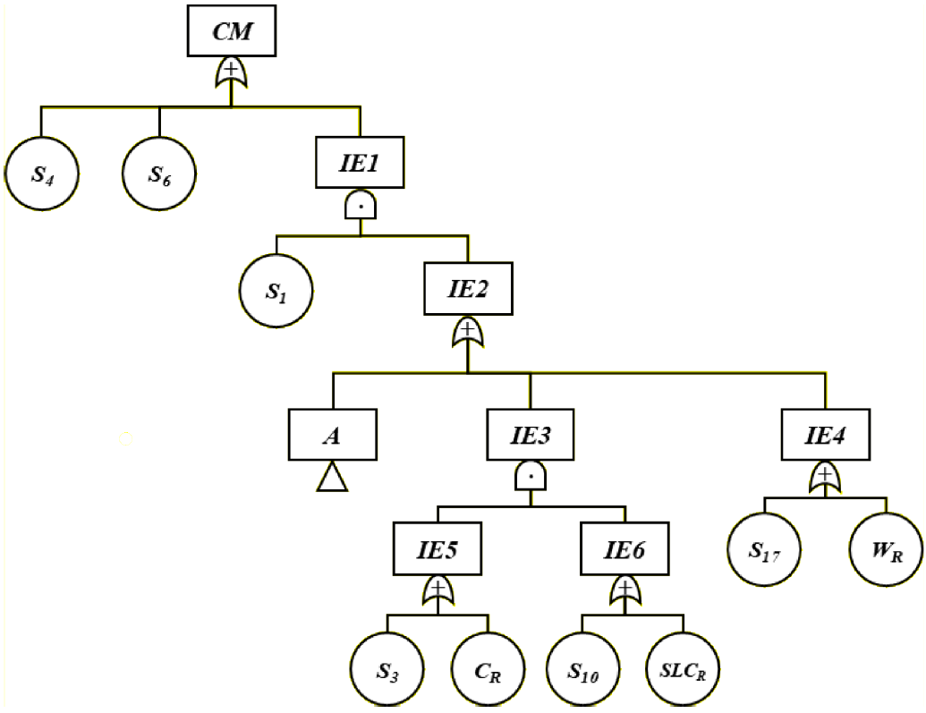
(1)

Expected Output
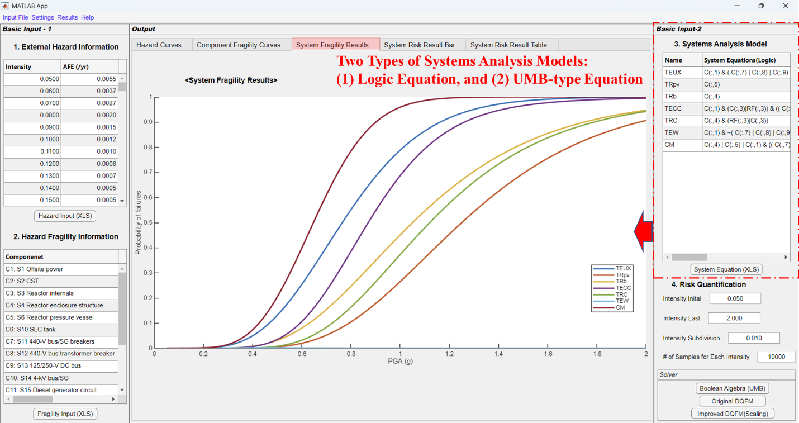
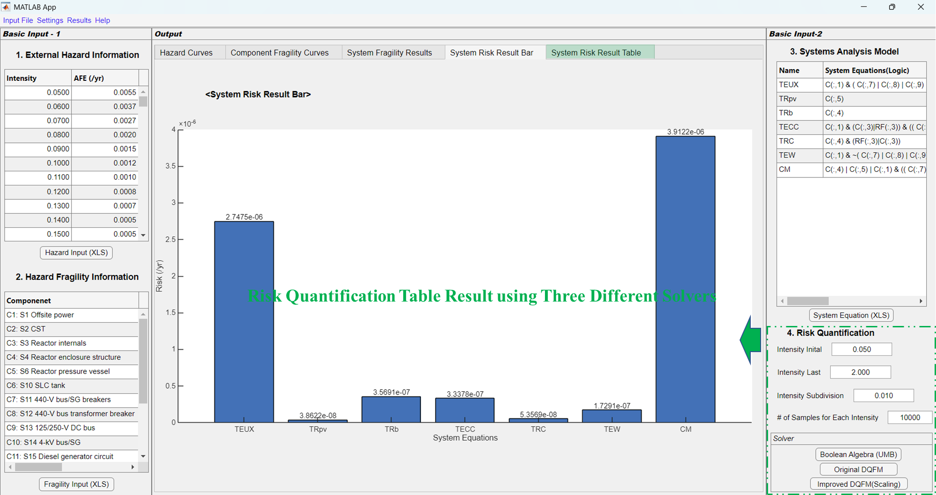
Expected Output Examples:
(1) Hazard Curve Input and Confirmation
(2) Component Seismic Fragility Curve Input and Confirmation
(3) System Fragility Results
(4) System Risk Result Bar
(5) System Risk Result Tables
(1)
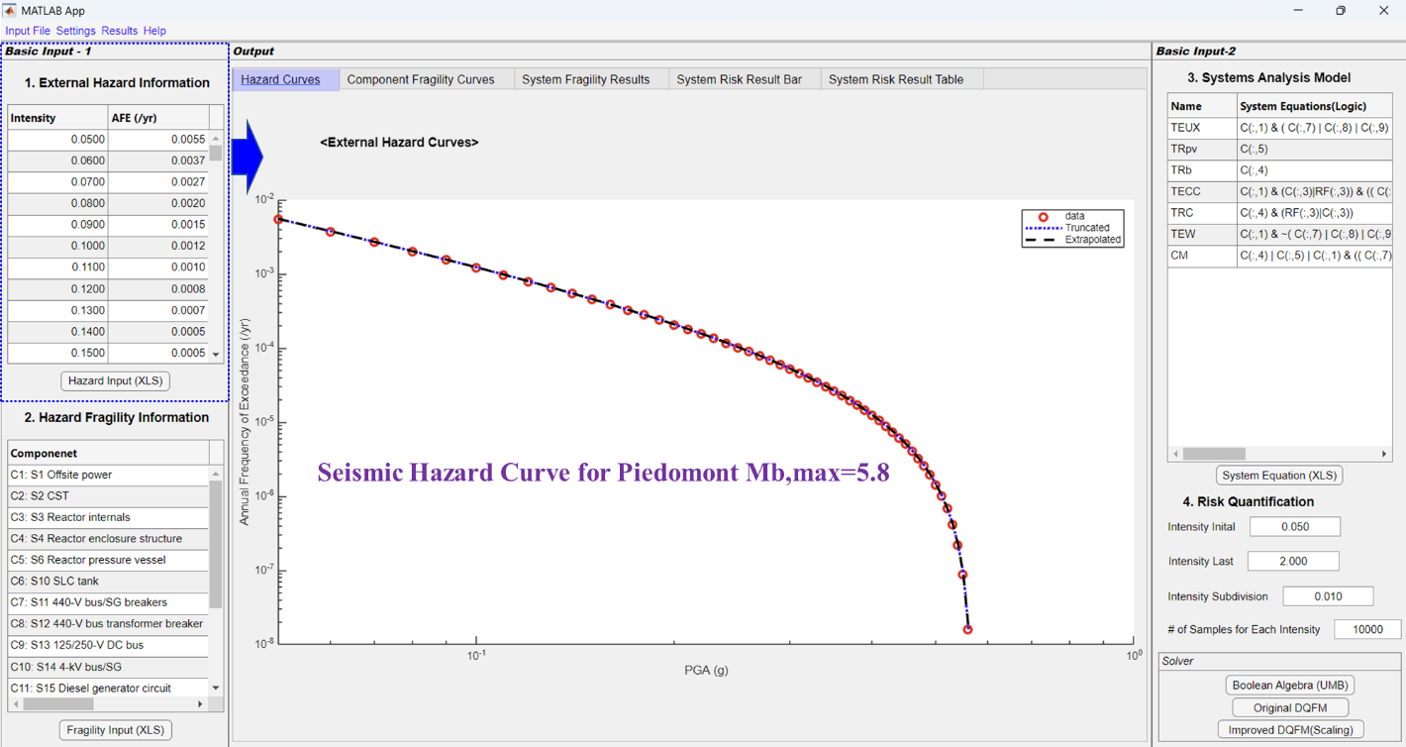
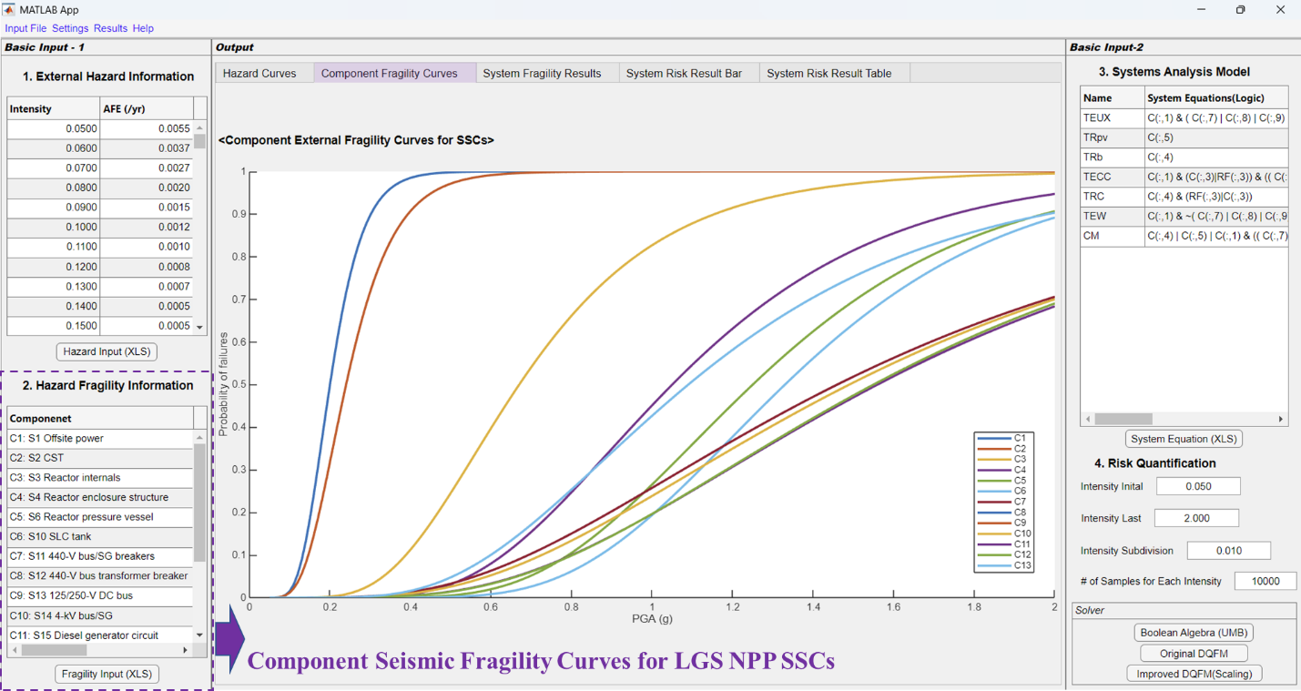
(2)

(3)
(4)
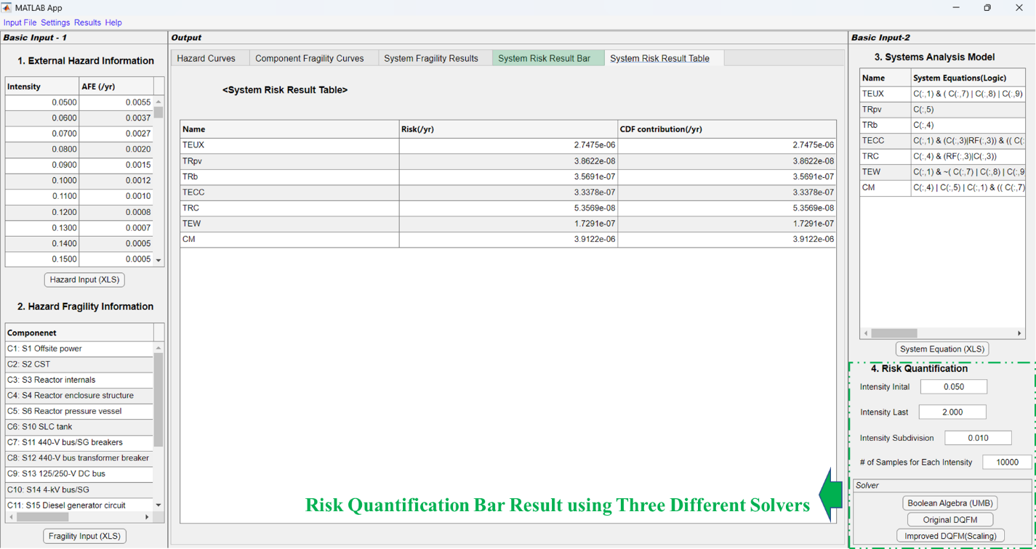
(5)

