計算表
不考慮RC4.9.3
Line | Location | FTopArea | FBotArea | VArea cm^2/cm | BarSize | BarArea | TopNumber | BotNumber | BName | AdjBname | VSize | VBarArea | VSpacing | maxspacingM | maxspacingLNR
B19 | Start | 90.914843604 | 4.651620402 | 0.070865545422 | 8 | 5.07 | 18 | 3 | FG1-91 | "B4FG1-91"( | #4 | 1.27 | 12 | 25 | 15 | 80 | 200 | 10 | 8 | 3 | 0
B19 | Middle | 132.51272961 | 0 | 0 | 8 | 5.07 | 27 | 3 | FG1-91 | "B4FG1-91"( | #4 | 1.27 | 12 | 25 | 15 | 80 | 200 | 10 | 17 | 3 | 0
B19 | End | 76.861628331 | 137.1200569 | 0.1689821831 | 8 | 5.07 | 16 | 28 | FG1-91 | "B4FG1-91"( | #4 | 1.27 | 12 | 25 | 15 | 80 | 200 | 10 | 6 | 10 | 18
B29 | Start | 73.039508425 | 3.0924967723 | 0.14218266588 | 8 | 5.07 | 15 | 3 | FG1-81 | "B4FG1-81"( | #4 | 1.27 | 12 | 25 | 15 | 80 | 200 | 10 | 5 | 3 | 0
B29 | Middle | 91.70750156 | 5.7037943043 | 0.23859024514 | 8 | 5.07 | 19 | 3 | FG1-81 | "B4FG1-81"( | #4 | 1.27 | 10 | 25 | 15 | 80 | 200 | 10 | 9 | 3 | 0
B29 | End | 29.730983078 | 135.15443541 | 0.38696916308 | 8 | 5.07 | 6 | 27 | FG1-81 | "B4FG1-81"( | 2#4 | 2.54 | 12 | 25 | 15 | 80 | 200 | 6 | 0 | 10 | 17
考慮RC4.9.3
B30 | Start | 0 | 110.86669751 | 0.35393887665 | 8 | 5.07 | 3 | 22 | FG1-82 | "B4FG1-82"( | 2#4 | 2.54 | 12 | 25 | 15 | 80 | 200 | 3 | 0 | 10 | 12
B30 | Middle | 65.904171206 | 43.772258796 | 0.36072160583 | 8 | 5.07 | 13 | 9 | FG1-82 | "B4FG1-82"( | 2#4 | 2.54 | 12 | 25 | 15 | 80 | 200 | 10 | 3 | 9 | 0
B30 | End | 121.16392143 | 97.467740998 | 0.21765539423 | 8 | 5.07 | 24 | 20 | FG1-82 | "B4FG1-82"( | #4 | 1.27 | 10 | 25 | 15 | 80 | 200 | 10 | 14 | 10 | 10
B36 | Start | 82.202125341 | 0 | 0.16853564885 | 8 | 5.07 | 17 | 3 | Fb1-71 | "B4Fb1-71"( | #4 | 1.27 | 15 | 25 | 15 | 60 | 200 | 7 | 10 | 3 | 0
B36 | Middle | 84.923580289 | 0 | 0.099890539423 | 8 | 5.07 | 17 | 3 | Fb1-71 | "B4Fb1-71"( | #4 | 1.27 | 15 | 25 | 15 | 60 | 200 | 7 | 10 | 3 | 0
B36 | End | 26.517503429 | 84.545537829 | 0.15093692346 | 8 | 5.07 | 6 | 17 | Fb1-71 | "B4Fb1-71"( | #4 | 1.27 | 15 | 25 | 15 | 60 | 200 | 6 | 0 | 7 | 10
B39 | Start | 0 | 85.067655891 | 0.11434782064 | 8 | 5.07 | 3 | 17 | Fb1-72 | "B4Fb1-72"( | #4 | 1.27 | 15 | 25 | 15 | 60 | 200 | 3 | 0 | 7 | 10
B39 | Middle | 15.905728796 | 23.918333463 | 0.10427047964 | 8 | 5.07 | 4 | 5 | Fb1-72 | "B4Fb1-72"( | #4 | 1.27 | 15 | 25 | 15 | 60 | 200 | 4 | 0 | 5 | 0
B39 | End | 20.399903879 | 61.038192362 | 0.053149159066 | 8 | 5.07 | 5 | 13 | Fb1-72 | "B4Fb1-72"( | #4 | 1.27 | 15 | 25 | 15 | 60 | 200 | 5 | 0 | 7 | 6
B50 | Start | 109.6123457 | 1.9851005345 | 0.22318963893 | 8 | 5.07 | 22 | 3 | FG1-71 | "B4FG1-71"( | #4 | 1.27 | 10 | 25 | 15 | 80 | 200 | 10 | 12 | 3 | 0
B50 | Middle | 118.9656835 | 0 | 0.35382409114 | 8 | 5.07 | 24 | 3 | FG1-71 | "B4FG1-71"( | 2#4 | 2.54 | 12 | 25 | 15 | 80 | 200 | 10 | 14 | 3 | 0
B50 | End | 42.769322172 | 171.70581967 | 0.51985220052 | 8 | 5.07 | 9 | 34 | FG1-71 | "B4FG1-71"( | 2#5 | 3.98 | 15 | 25 | 15 | 80 | 200 | 9 | 0 | 10 | 24
B51 | Start | 0 | 164.11909834 | 0.39991824888 | 8 | 5.07 | 3 | 33 | FG1-72 | "B4FG1-72"( | 2#4 | 2.54 | 12 | 25 | 15 | 80 | 200 | 3 | 0 | 10 | 23
B51 | Middle | 26.748091914 | 68.148686551 | 0.40670097806 | 8 | 5.07 | 6 | 14 | FG1-72 | "B4FG1-72"( | 2#4 | 2.54 | 12 | 25 | 15 | 80 | 200 | 6 | 0 | 10 | 4
B51 | End | 78.084273264 | 152.11204067 | 0.3576684976 | 8 | 5.07 | 16 | 31 | FG1-72 | "B4FG1-72"( | 2#4 | 2.54 | 12 | 25 | 15 | 80 | 200 | 10 | 6 | 10 | 21
B54 | Start | 171.83298245 | 36.70582315 | 0.080374313984 | 8 | 5.07 | 34 | 8 | FB1-E'2 | "B4FB1-E'2"( | #4 | 1.27 | 12 | 25 | 15 | 80 | 200 | 10 | 24 | 8 | 0
B54 | Middle | 178.70839685 | 0 | 0.15272728633 | 8 | 5.07 | 36 | 3 | FB1-E'2 | "B4FB1-E'2"( | #4 | 1.27 | 12 | 25 | 15 | 80 | 200 | 10 | 26 | 3 | 0
B54 | End | 60.693668202 | 19.79055116 | 0.2054102486 | 8 | 5.07 | 12 | 4 | FB1-E'2 | "B4FB1-E'2"( | #4 | 1.27 | 12 | 25 | 15 | 80 | 200 | 10 | 2 | 4 | 0
B57 | Start | 5.4602482123 | 72.597442195 | 0 | 8 | 5.07 | 3 | 15 | FG1-86 | "B4FG1-86"( | #4 | 1.27 | 12 | 25 | 15 | 80 | 200 | 3 | 0 | 10 | 5
B57 | Middle | 18.175566802 | 56.518451311 | 0 | 8 | 5.07 | 4 | 12 | FG1-86 | "B4FG1-86"( | #4 | 1.27 | 12 | 25 | 15 | 80 | 200 | 4 | 0 | 10 | 2
B57 | End | 7.6252094004 | 40.266080759 | 0 | 8 | 5.07 | 3 | 8 | FG1-86 | "B4FG1-86"( | #4 | 1.27 | 12 | 25 | 15 | 80 | 200 | 3 | 0 | 8 | 0
B63 | Start | 90.094609186 | 0 | 0.20091608167 | 8 | 5.07 | 18 | 3 | Fb1-61 | "B4Fb1-61"( | #4 | 1.27 | 12 | 25 | 15 | 60 | 200 | 7 | 11 | 3 | 0
B63 | Middle | 92.768603936 | 0 | 0.11181555456 | 8 | 5.07 | 19 | 3 | Fb1-61 | "B4Fb1-61"( | #4 | 1.27 | 15 | 25 | 15 | 60 | 200 | 7 | 12 | 3 | 0
B63 | End | 33.685031813 | 82.65228942 | 0.16187016154 | 8 | 5.07 | 7 | 17 | Fb1-61 | "B4Fb1-61"( | #4 | 1.27 | 15 | 25 | 15 | 60 | 200 | 7 | 0 | 7 | 10
B66 | Start | 0 | 84.349475801 | 0.093033327721 | 8 | 5.07 | 3 | 17 | Fb1-62 | "B4Fb1-62"( | #4 | 1.27 | 15 | 25 | 15 | 60 | 200 | 3 | 0 | 7 | 10
B66 | Middle | 16.713278601 | 34.431957174 | 0.063248100923 | 8 | 5.07 | 4 | 7 | Fb1-62 | "B4Fb1-62"( | #4 | 1.27 | 15 | 25 | 15 | 60 | 200 | 4 | 0 | 7 | 0
B66 | End | 7.1080483031 | 30.474318191 | 0.053149159066 | 8 | 5.07 | 3 | 7 | Fb1-62 | "B4Fb1-62"( | #4 | 1.27 | 15 | 25 | 15 | 60 | 200 | 3 | 0 | 7 | 0
B70 | Start | 121.46118097 | 178.82682383 | 0 | 8 | 5.07 | 24 | 36 | FB2-D'3 | "B4FB2-D'3"( | 2#4 | 2.54 | 15 | 25 | 15 | 120 | 280 | 16 | 8 | 16 | 20
B70 | Middle | 197.07150757 | 70.02685219 | 0 | 8 | 5.07 | 39 | 14 | FB2-D'3 | "B4FB2-D'3"( | 2#4 | 2.54 | 15 | 25 | 15 | 120 | 280 | 16 | 23 | 14 | 0
B70 | End | 185.54184586 | 3.8921850501 | 0 | 8 | 5.07 | 37 | 3 | FB2-D'3 | "B4FB2-D'3"( | 2#4 | 2.54 | 15 | 25 | 15 | 120 | 280 | 16 | 21 | 3 | 0
B75 | Start | 61.052539386 | 31.83758352 | 0.070865545422 | 8 | 5.07 | 13 | 7 | FG1-87 | "B4FG1-87"( | #4 | 1.27 | 12 | 25 | 15 | 80 | 200 | 10 | 3 | 7 | 0
B75 | Middle | 151.44678764 | 0 | 0.070865545422 | 8 | 5.07 | 30 | 3 | FG1-87 | "B4FG1-87"( | #4 | 1.27 | 12 | 25 | 15 | 80 | 200 | 10 | 20 | 3 | 0
B75 | End | 61.703566462 | 1.7943939019 | 0.070865545422 | 8 | 5.07 | 13 | 3 | FG1-87 | "B4FG1-87"( | #4 | 1.27 | 12 | 25 | 15 | 80 | 200 | 10 | 3 | 3 | 0
B82 | Start | 201.22330636 | 331.22785389 | 1.5347669832 | 8 | 5.07 | 40 | 66 | FB1-E'3 | "B4FB1-E'3"( | 2#7 | 號數過大 | 7.4799628382 | 25 | 15 | 80 | 200 | 10 | 30 | 10 | 56
B82 | Middle | 190.02810121 | 61.095906422 | 0.51352442242 | 8 | 5.07 | 38 | 13 | FB1-E'3 | "B4FB1-E'3"( | 2#5 | 3.98 | 15 | 25 | 15 | 80 | 200 | 10 | 28 | 10 | 3
B82 | End | 149.73741025 | 0 | 0.070865545422 | 8 | 5.07 | 30 | 3 | FB1-E'3 | "B4FB1-E'3"( | #4 | 1.27 | 12 | 25 | 15 | 80 | 200 | 10 | 20 | 3 | 0
B83 | Start | 117.5415609 | 1.8839102995 | 0.24363750126 | 8 | 5.07 | 24 | 3 | FG1-61 | "B4FG1-61"( | #4 | 1.27 | 10 | 25 | 15 | 80 | 200 | 10 | 14 | 3 | 0
B83 | Middle | 126.91987678 | 0 | 0.33105399925 | 8 | 5.07 | 26 | 3 | FG1-61 | "B4FG1-61"( | 2#4 | 2.54 | 15 | 25 | 15 | 80 | 200 | 10 | 16 | 3 | 0
B83 | End | 41.701998562 | 148.83967116 | 0.50333002582 | 8 | 5.07 | 9 | 30 | FG1-61 | "B4FG1-61"( | 2#4 | 2.54 | 10 | 25 | 15 | 80 | 200 | 9 | 0 | 10 | 20
B84 | Start | 0 | 143.80612411 | 0.32003112137 | 8 | 5.07 | 3 | 29 | FG1-62 | "B4FG1-62"( | 2#4 | 2.54 | 15 | 25 | 15 | 80 | 200 | 3 | 0 | 10 | 19
B84 | Middle | 17.019282095 | 64.010894857 | 0.32681385055 | 8 | 5.07 | 4 | 13 | FG1-62 | "B4FG1-62"( | 2#4 | 2.54 | 15 | 25 | 15 | 80 | 200 | 4 | 0 | 10 | 3
B84 | End | 53.608641028 | 143.08581129 | 0.34474055283 | 8 | 5.07 | 11 | 29 | FG1-62 | "B4FG1-62"( | 2#4 | 2.54 | 12 | 25 | 15 | 80 | 200 | 9 | 2 | 10 | 19
B90 | Start | 45.818141662 | 47.502196394 | 0.053149159066 | 8 | 5.07 | 10 | 10 | Fb1-77 | "B4Fb1-77"( | #4 | 1.27 | 15 | 25 | 15 | 60 | 200 | 7 | 3 | 7 | 3
B90 | Middle | 146.07903548 | 0 | 0.053149159066 | 8 | 5.07 | 29 | 3 | Fb1-77 | "B4Fb1-77"( | #4 | 1.27 | 15 | 25 | 15 | 60 | 200 | 7 | 22 | 3 | 0
B90 | End | 72.66162429 | 0 | 0.053149159066 | 8 | 5.07 | 15 | 3 | Fb1-77 | "B4Fb1-77"( | #4 | 1.27 | 15 | 25 | 15 | 60 | 200 | 7 | 8 | 3 | 0
B93 | Start | 68.912301213 | 178.15519124 | 0.20856987685 | 8 | 5.07 | 14 | 36 | FG1-6'4 | "B4FG1-6'4"( | #4 | 1.27 | 12 | 25 | 15 | 80 | 200 | 10 | 4 | 10 | 26
B93 | Middle | 72.123599239 | 137.93678023 | 0.40611480363 | 8 | 5.07 | 15 | 28 | FG1-6'4 | "B4FG1-6'4"( | 2#4 | 2.54 | 12 | 25 | 15 | 80 | 200 | 10 | 5 | 10 | 18
B93 | End | 86.8264772 | 132.37499632 | 0.6622415036 | 8 | 5.07 | 18 | 27 | FG1-6'4 | "B4FG1-6'4"( | 2#5 | 3.98 | 12 | 25 | 15 | 80 | 200 | 10 | 8 | 10 | 17
B112 | Start | 8.5533724632 | 108.93222876 | 0.10629831813 | 8 | 5.07 | 3 | 22 | FB2-D'4 | "B4FB2-D'4"( | 2#4 | 2.54 | 15 | 25 | 15 | 120 | 280 | 3 | 0 | 16 | 6
B112 | Middle | 84.026036784 | 66.548259929 | 0.13039746555 | 8 | 5.07 | 17 | 14 | FB2-D'4 | "B4FB2-D'4"( | 2#4 | 2.54 | 15 | 25 | 15 | 120 | 280 | 15 | 2 | 14 | 0
B112 | End | 69.504450075 | 194.19921562 | 0.16023567878 | 8 | 5.07 | 14 | 39 | FB2-D'4 | "B4FB2-D'4"( | 2#4 | 2.54 | 15 | 25 | 15 | 120 | 280 | 14 | 0 | 16 | 23
B114 | Start | 105.17704301 | 147.14588411 | 0.63066319562 | 8 | 5.07 | 21 | 30 | FG1-6'5 | "B4FG1-6'5"( | 2#5 | 3.98 | 12 | 25 | 15 | 80 | 200 | 10 | 11 | 10 | 20
B114 | Middle | 174.33833331 | 36.560522858 | 0.33721793443 | 8 | 5.07 | 35 | 8 | FG1-6'5 | "B4FG1-6'5"( | 2#4 | 2.54 | 15 | 25 | 15 | 80 | 200 | 10 | 25 | 8 | 0
B114 | End | 102.66624391 | 2.9685089248 | 0.16145702684 | 8 | 5.07 | 21 | 3 | FG1-6'5 | "B4FG1-6'5"( | #4 | 1.27 | 12 | 25 | 15 | 80 | 200 | 10 | 11 | 3 | 0
B121 | Start | 124.20047075 | 210.62407643 | 0.94729978591 | 8 | 5.07 | 25 | 42 | FB1-E'4 | "B4FB1-E'4"( | 2#6 | 5.74 | 12 | 25 | 15 | 80 | 200 | 10 | 15 | 10 | 32
B121 | Middle | 113.10065165 | 82.18483068 | 0.62683876604 | 8 | 5.07 | 23 | 17 | FB1-E'4 | "B4FB1-E'4"( | 2#5 | 3.98 | 12 | 25 | 15 | 80 | 200 | 10 | 13 | 10 | 7
B121 | End | 60.752565041 | 202.62066275 | 0.68643344566 | 8 | 5.07 | 12 | 40 | FB1-E'4 | "B4FB1-E'4"( | 2#5 | 3.98 | 10 | 25 | 15 | 80 | 200 | 10 | 2 | 10 | 30
B122 | Start | 122.78859504 | 2.0041770767 | 0.26579718105 | 8 | 5.07 | 25 | 3 | FG1-51 | "B4FG1-51"( | 2#4 | 2.54 | 15 | 25 | 15 | 80 | 200 | 10 | 15 | 3 | 0
B122 | Middle | 132.68167153 | 0 | 0.31157843769 | 8 | 5.07 | 27 | 3 | FG1-51 | "B4FG1-51"( | 2#4 | 2.54 | 15 | 25 | 15 | 80 | 200 | 10 | 17 | 3 | 0
B122 | End | 36.565077025 | 121.540986 | 0.48833563924 | 8 | 5.07 | 8 | 24 | FG1-51 | "B4FG1-51"( | 2#4 | 2.54 | 10 | 25 | 15 | 80 | 200 | 8 | 0 | 10 | 14
B123 | Start | 0 | 112.07931675 | 0.31273004133 | 8 | 5.07 | 3 | 23 | FG1-52 | "B4FG1-52"( | 2#4 | 2.54 | 15 | 25 | 15 | 80 | 200 | 3 | 0 | 10 | 13
B123 | Middle | 21.944842301 | 38.820621558 | 0.30788276345 | 8 | 5.07 | 5 | 8 | FG1-52 | "B4FG1-52"( | 2#4 | 2.54 | 15 | 25 | 15 | 80 | 200 | 5 | 0 | 8 | 0
B123 | End | 27.874305379 | 102.5506109 | 0.26031907182 | 8 | 5.07 | 6 | 21 | FG1-52 | "B4FG1-52"( | 2#4 | 2.54 | 15 | 25 | 15 | 80 | 200 | 6 | 0 | 10 | 11
B124 | Start | 61.97382696 | 85.592996329 | 0 | 8 | 5.07 | 13 | 17 | FG2-53 | "B4FG2-53"( | 2#4 | 2.54 | 15 | 25 | 15 | 120 | 280 | 13 | 0 | 15 | 2
B124 | Middle | 70.773377083 | 45.207506046 | 0 | 8 | 5.07 | 14 | 9 | FG2-53 | "B4FG2-53"( | 2#4 | 2.54 | 15 | 25 | 15 | 120 | 280 | 14 | 0 | 9 | 0
B124 | End | 70.529486984 | 16.7889148 | 0 | 8 | 5.07 | 14 | 4 | FG2-53 | "B4FG2-53"( | 2#4 | 2.54 | 15 | 25 | 15 | 120 | 280 | 14 | 0 | 4 | 0
B125 | Start | 105.86795397 | 10.66866098 | 0 | 8 | 5.07 | 21 | 3 | FG2-54 | "B4FG2-54"( | 2#4 | 2.54 | 15 | 25 | 15 | 120 | 280 | 16 | 5 | 3 | 0
B125 | Middle | 116.5600121 | 26.184211019 | 0 | 8 | 5.07 | 23 | 6 | FG2-54 | "B4FG2-54"( | 2#4 | 2.54 | 15 | 25 | 15 | 120 | 280 | 16 | 7 | 6 | 0
B125 | End | 64.962781034 | 127.54083611 | 0 | 8 | 5.07 | 13 | 26 | FG2-54 | "B4FG2-54"( | 2#4 | 2.54 | 15 | 25 | 15 | 120 | 280 | 13 | 0 | 16 | 10
B128 | Start | 35.579486284 | 127.86980718 | 0.22398210131 | 8 | 5.07 | 8 | 26 | FG1-5'4 | "B4FG1-5'4"( | #4 | 1.27 | 10 | 25 | 15 | 80 | 200 | 8 | 0 | 10 | 16
B128 | Middle | 56.171533652 | 103.80424559 | 0.37077190354 | 8 | 5.07 | 12 | 21 | FG1-5'4 | "B4FG1-5'4"( | 2#4 | 2.54 | 12 | 25 | 15 | 80 | 200 | 10 | 2 | 10 | 11
B128 | End | 0 | 118.51479299 | 0.364652602 | 8 | 5.07 | 3 | 24 | FG1-5'4 | "B4FG1-5'4"( | 2#4 | 2.54 | 12 | 25 | 15 | 80 | 200 | 3 | 0 | 10 | 14
B131 | Start | 99.698100239 | 0 | 0.23509657476 | 8 | 5.07 | 20 | 3 | Fb1-41 | "B4Fb1-41"( | #4 | 1.27 | 10 | 25 | 15 | 60 | 200 | 7 | 13 | 3 | 0
B131 | Middle | 102.40025818 | 0 | 0.10239101248 | 8 | 5.07 | 21 | 3 | Fb1-41 | "B4Fb1-41"( | #4 | 1.27 | 15 | 25 | 15 | 60 | 200 | 7 | 14 | 3 | 0
B131 | End | 29.266702477 | 58.00826475 | 0.15392791247 | 8 | 5.07 | 6 | 12 | Fb1-41 | "B4Fb1-41"( | #4 | 1.27 | 15 | 25 | 15 | 60 | 200 | 6 | 0 | 7 | 5
B134 | Start | 0 | 58.778058738 | 0.091861956753 | 8 | 5.07 | 3 | 12 | Fb1-42 | "B4Fb1-42"( | #4 | 1.27 | 15 | 25 | 15 | 60 | 200 | 3 | 0 | 7 | 5
B134 | Middle | 9.6139829839 | 13.307018671 | 0.053149159066 | 8 | 5.07 | 3 | 3 | Fb1-42 | "B4Fb1-42"( | #4 | 1.27 | 15 | 25 | 15 | 60 | 200 | 3 | 0 | 3 | 0
B134 | End | 5.4535223171 | 43.193087913 | 0.053149159066 | 8 | 5.07 | 3 | 9 | Fb1-42 | "B4Fb1-42"( | #4 | 1.27 | 15 | 25 | 15 | 60 | 200 | 3 | 0 | 7 | 2
B136 | Start | 12.07947731 | 42.665903457 | 0.053149159066 | 8 | 5.07 | 3 | 9 | Fb1-43 | "B4Fb1-43"( | #4 | 1.27 | 15 | 25 | 15 | 60 | 200 | 3 | 0 | 7 | 2
B136 | Middle | 23.990427144 | 5.1957502728 | 0.053149159066 | 8 | 5.07 | 5 | 3 | Fb1-43 | "B4Fb1-43"( | #4 | 1.27 | 15 | 25 | 15 | 60 | 200 | 5 | 0 | 3 | 0
B136 | End | 13.6096403 | 13.866825029 | 0.053149159066 | 8 | 5.07 | 3 | 3 | Fb1-43 | "B4Fb1-43"( | #4 | 1.27 | 15 | 25 | 15 | 60 | 200 | 3 | 0 | 3 | 0
B138 | Start | 0 | 85.254553705 | 0.13142863754 | 8 | 5.07 | 3 | 17 | FB1-D5 | "B4FB1-D5"( | #4 | 1.27 | 12 | 25 | 15 | 80 | 200 | 3 | 0 | 10 | 7
B138 | Middle | 46.065673232 | 34.321993589 | 0.10974348988 | 8 | 5.07 | 10 | 7 | FB1-D5 | "B4FB1-D5"( | #4 | 1.27 | 12 | 25 | 15 | 80 | 200 | 10 | 0 | 7 | 0
B138 | End | 0 | 52.24397406 | 0.12248216663 | 8 | 5.07 | 3 | 11 | FB1-D5 | "B4FB1-D5"( | #4 | 1.27 | 12 | 25 | 15 | 80 | 200 | 3 | 0 | 9 | 2
B139 | Start | 22.412312683 | 13.831891119 | 0.053149159066 | 8 | 5.07 | 5 | 3 | Fb1-44 | "B4Fb1-44"( | #4 | 1.27 | 15 | 25 | 15 | 60 | 200 | 5 | 0 | 3 | 0
B139 | Middle | 29.306318611 | 8.4226141917 | 0 | 8 | 5.07 | 6 | 3 | Fb1-44 | "B4Fb1-44"( | #4 | 1.27 | 15 | 25 | 15 | 60 | 200 | 6 | 0 | 3 | 0
B139 | End | 12.6709498 | 55.191330612 | 0.053149159066 | 8 | 5.07 | 3 | 11 | Fb1-44 | "B4Fb1-44"( | #4 | 1.27 | 15 | 25 | 15 | 60 | 200 | 3 | 0 | 7 | 4
B140 | Start | 7.5764901703 | 105.49646802 | 0 | 8 | 5.07 | 3 | 21 | FB1-D'5 | "B4FB1-D'5"( | #4 | 1.27 | 12 | 25 | 15 | 80 | 200 | 3 | 0 | 10 | 11
B140 | Middle | 90.205911547 | 58.782952838 | 0.070865545422 | 8 | 5.07 | 18 | 12 | FB1-D'5 | "B4FB1-D'5"( | #4 | 1.27 | 12 | 25 | 15 | 80 | 200 | 10 | 8 | 10 | 2
B140 | End | 0 | 135.12898237 | 0.070865545422 | 8 | 5.07 | 3 | 27 | FB1-D'5 | "B4FB1-D'5"( | #4 | 1.27 | 12 | 25 | 15 | 80 | 200 | 3 | 0 | 10 | 17
B142 | Start | 72.770016268 | 176.11691728 | 0.60275518335 | 8 | 5.07 | 15 | 35 | FG1-5'5 | "B4FG1-5'5"( | 2#5 | 3.98 | 12 | 25 | 15 | 80 | 200 | 10 | 5 | 10 | 25
B142 | Middle | 201.25877112 | 38.464702666 | 0.31166824047 | 8 | 5.07 | 40 | 8 | FG1-5'5 | "B4FG1-5'5"( | 2#4 | 2.54 | 15 | 25 | 15 | 80 | 200 | 10 | 30 | 8 | 0
B142 | End | 105.82722723 | 4.035923921 | 0.18750820309 | 8 | 5.07 | 21 | 3 | FG1-5'5 | "B4FG1-5'5"( | #4 | 1.27 | 12 | 25 | 15 | 80 | 200 | 10 | 11 | 3 | 0
B143 | Start | 5.83476678 | 55.11992611 | 0 | 8 | 5.07 | 3 | 11 | Fb1-45 | "B4Fb1-45"( | #4 | 1.27 | 15 | 25 | 15 | 60 | 200 | 3 | 0 | 7 | 4
B143 | Middle | 15.234765597 | 30.721768271 | 0 | 8 | 5.07 | 4 | 7 | Fb1-45 | "B4Fb1-45"( | #4 | 1.27 | 15 | 25 | 15 | 60 | 200 | 4 | 0 | 7 | 0
B143 | End | 0 | 66.623864695 | 0.053149159066 | 8 | 5.07 | 3 | 14 | Fb1-45 | "B4Fb1-45"( | #4 | 1.27 | 15 | 25 | 15 | 60 | 200 | 3 | 0 | 7 | 7
B144 | Start | 38.464702666 | 93.606198207 | 0.45060720295 | 8 | 5.07 | 8 | 19 | FB1-E'5 | "B4FB1-E'5"( | 2#4 | 2.54 | 10 | 25 | 15 | 80 | 200 | 8 | 0 | 10 | 9
B144 | Middle | 181.13549799 | 60.951961204 | 0.42439294048 | 8 | 5.07 | 36 | 13 | FB1-E'5 | "B4FB1-E'5"( | 2#4 | 2.54 | 10 | 25 | 15 | 80 | 200 | 10 | 26 | 10 | 3
B144 | End | 38.464702666 | 124.73449111 | 0.6397773046 | 8 | 5.07 | 8 | 25 | FB1-E'5 | "B4FB1-E'5"( | 2#5 | 3.98 | 12 | 25 | 15 | 80 | 200 | 8 | 0 | 10 | 15
B145 | Start | 126.43044814 | 2.0025270351 | 0.28766570613 | 8 | 5.07 | 25 | 3 | FG1-41 | "B4FG1-41"( | 2#4 | 2.54 | 15 | 25 | 15 | 80 | 200 | 10 | 15 | 3 | 0
B145 | Middle | 137.00989075 | 0 | 0.31961235218 | 8 | 5.07 | 28 | 3 | FG1-41 | "B4FG1-41"( | 2#4 | 2.54 | 15 | 25 | 15 | 80 | 200 | 10 | 18 | 3 | 0
B145 | End | 33.436284866 | 120.92891149 | 0.49887569621 | 8 | 5.07 | 7 | 24 | FG1-41 | "B4FG1-41"( | 2#4 | 2.54 | 10 | 25 | 15 | 80 | 200 | 7 | 0 | 10 | 14
B146 | Start | 0 | 104.06926274 | 0.3102054121 | 8 | 5.07 | 3 | 21 | FG1-42 | "B4FG1-42"( | 2#4 | 2.54 | 15 | 25 | 15 | 80 | 200 | 3 | 0 | 10 | 11
B146 | Middle | 18.576768925 | 18.173393328 | 0.30102361925 | 8 | 5.07 | 4 | 4 | FG1-42 | "B4FG1-42"( | 2#4 | 2.54 | 15 | 25 | 15 | 80 | 200 | 4 | 0 | 4 | 0
B146 | End | 13.612529729 | 67.58753676 | 0.15916401753 | 8 | 5.07 | 3 | 14 | FG1-42 | "B4FG1-42"( | #4 | 1.27 | 12 | 25 | 15 | 80 | 200 | 3 | 0 | 10 | 4
B147 | Start | 19.597420469 | 84.41307582 | 0.25797747076 | 8 | 5.07 | 4 | 17 | FG1-43 | "B4FG1-43"( | 2#4 | 2.54 | 15 | 25 | 15 | 80 | 200 | 4 | 0 | 10 | 7
B147 | Middle | 33.020244446 | 23.561699782 | 0.26435689069 | 8 | 5.07 | 7 | 5 | FG1-43 | "B4FG1-43"( | 2#4 | 2.54 | 18 | 25 | 15 | 80 | 200 | 7 | 0 | 5 | 0
B147 | End | 21.283852402 | 10.690096533 | 0.070865545422 | 8 | 5.07 | 5 | 3 | FG1-43 | "B4FG1-43"( | #4 | 1.27 | 12 | 25 | 15 | 80 | 200 | 5 | 0 | 3 | 0
B148 | Start | 20.323945209 | 2.0999212575 | 0 | 8 | 5.07 | 5 | 3 | FG1-44 | "B4FG1-44"( | #4 | 1.27 | 12 | 25 | 15 | 80 | 200 | 5 | 0 | 3 | 0
B148 | Middle | 27.191576082 | 33.681571949 | 0.070865545422 | 8 | 5.07 | 6 | 7 | FG1-44 | "B4FG1-44"( | #4 | 1.27 | 12 | 25 | 15 | 80 | 200 | 6 | 0 | 7 | 0
B148 | End | 18.666662509 | 125.63099153 | 0.070865545422 | 8 | 5.07 | 4 | 25 | FG1-44 | "B4FG1-44"( | #4 | 1.27 | 12 | 25 | 15 | 80 | 200 | 4 | 0 | 10 | 15
B149 | Start | 14.544273727 | 66.552902572 | 0.053149159066 | 8 | 5.07 | 3 | 14 | Fb1-46 | "B4Fb1-46"( | #4 | 1.27 | 15 | 25 | 15 | 60 | 200 | 3 | 0 | 7 | 7
B149 | Middle | 127.77642347 | 0 | 0.053149159066 | 8 | 5.07 | 26 | 3 | Fb1-46 | "B4Fb1-46"( | #4 | 1.27 | 15 | 25 | 15 | 60 | 200 | 7 | 19 | 3 | 0
B149 | End | 86.343251169 | 0 | 0.053149159066 | 8 | 5.07 | 18 | 3 | Fb1-46 | "B4Fb1-46"( | #4 | 1.27 | 15 | 25 | 15 | 60 | 200 | 7 | 11 | 3 | 0
B151 | Start | 19.446566002 | 61.188293621 | 0 | 8 | 5.07 | 4 | 13 | FG1-4'4 | "B4FG1-4'4"( | #4 | 1.27 | 12 | 25 | 15 | 80 | 200 | 4 | 0 | 10 | 3
B151 | Middle | 22.915748414 | 75.900824741 | 0.070865545422 | 8 | 5.07 | 5 | 15 | FG1-4'4 | "B4FG1-4'4"( | #4 | 1.27 | 12 | 25 | 15 | 80 | 200 | 5 | 0 | 10 | 5
B151 | End | 0 | 128.47510166 | 0.070865545422 | 8 | 5.07 | 3 | 26 | FG1-4'4 | "B4FG1-4'4"( | #4 | 1.27 | 12 | 25 | 15 | 80 | 200 | 3 | 0 | 10 | 16
B156 | Start | 103.04950178 | 0 | 0.2469391562 | 8 | 5.07 | 21 | 3 | Fb1-31 | "B4Fb1-31"( | #4 | 1.27 | 10 | 25 | 15 | 60 | 200 | 7 | 14 | 3 | 0
B156 | Middle | 105.82073592 | 0 | 0.10615251958 | 8 | 5.07 | 21 | 3 | Fb1-31 | "B4Fb1-31"( | #4 | 1.27 | 15 | 25 | 15 | 60 | 200 | 7 | 14 | 3 | 0
B156 | End | 27.846684679 | 58.443346061 | 0.16242081765 | 8 | 5.07 | 6 | 12 | Fb1-31 | "B4Fb1-31"( | #4 | 1.27 | 15 | 25 | 15 | 60 | 200 | 6 | 0 | 7 | 5
B159 | Start | 0 | 59.073758312 | 0.1071618055 | 8 | 5.07 | 3 | 12 | Fb1-32 | "B4Fb1-32"( | #4 | 1.27 | 15 | 25 | 15 | 60 | 200 | 3 | 0 | 7 | 5
B159 | Middle | 10.250743944 | 8.8021246484 | 0.055130134569 | 8 | 5.07 | 3 | 3 | Fb1-32 | "B4Fb1-32"( | #4 | 1.27 | 15 | 25 | 15 | 60 | 200 | 3 | 0 | 3 | 0
B159 | End | 3.9575868868 | 34.372028895 | 0.053149159066 | 8 | 5.07 | 3 | 7 | Fb1-32 | "B4Fb1-32"( | #4 | 1.27 | 15 | 25 | 15 | 60 | 200 | 3 | 0 | 7 | 0
B161 | Start | 5.1987532061 | 33.819130622 | 0.053149159066 | 8 | 5.07 | 3 | 7 | Fb1-33 | "B4Fb1-33"( | #4 | 1.27 | 15 | 25 | 15 | 60 | 200 | 3 | 0 | 7 | 0
B161 | Middle | 22.429439705 | 0.25082223146 | 0.053149159066 | 8 | 5.07 | 5 | 3 | Fb1-33 | "B4Fb1-33"( | #4 | 1.27 | 15 | 25 | 15 | 60 | 200 | 5 | 0 | 3 | 0
B161 | End | 8.0509367399 | 14.025165001 | 0.053149159066 | 8 | 5.07 | 3 | 3 | Fb1-33 | "B4Fb1-33"( | #4 | 1.27 | 15 | 25 | 15 | 60 | 200 | 3 | 0 | 3 | 0
B162 | Start | 0 | 51.830499433 | 0.15772065381 | 8 | 5.07 | 3 | 11 | FB1-D6 | "B4FB1-D6"( | #4 | 1.27 | 12 | 25 | 15 | 80 | 200 | 3 | 0 | 9 | 2
B162 | Middle | 50.290664658 | 7.868562825 | 0.29428408016 | 8 | 5.07 | 10 | 3 | FB1-D6 | "B4FB1-D6"( | 2#4 | 2.54 | 15 | 25 | 15 | 80 | 200 | 10 | 0 | 3 | 0
B162 | End | 0 | 91.36993438 | 0.37491403054 | 8 | 5.07 | 3 | 19 | FB1-D6 | "B4FB1-D6"( | 2#4 | 2.54 | 12 | 25 | 15 | 80 | 200 | 3 | 0 | 10 | 9
B163 | Start | 8.1933441106 | 14.236099087 | 0.053149159066 | 8 | 5.07 | 3 | 3 | Fb1-34 | "B4Fb1-34"( | #4 | 1.27 | 15 | 25 | 15 | 60 | 200 | 3 | 0 | 3 | 0
B163 | Middle | 13.981475495 | 0 | 0 | 8 | 5.07 | 3 | 3 | Fb1-34 | "B4Fb1-34"( | #4 | 1.27 | 15 | 25 | 15 | 60 | 200 | 3 | 0 | 3 | 0
B163 | End | 6.5444008214 | 5.5299844826 | 0 | 8 | 5.07 | 3 | 3 | Fb1-34 | "B4Fb1-34"( | #4 | 1.27 | 15 | 25 | 15 | 60 | 200 | 3 | 0 | 3 | 0
B164 | Start | 17.604025779 | 102.38642804 | 0.23966783192 | 8 | 5.07 | 4 | 21 | FB1-D'6 | "B4FB1-D'6"( | #4 | 1.27 | 10 | 25 | 15 | 80 | 200 | 4 | 0 | 10 | 11
B164 | Middle | 58.625075035 | 11.896160431 | 0.19059599144 | 8 | 5.07 | 12 | 3 | FB1-D'6 | "B4FB1-D'6"( | #4 | 1.27 | 12 | 25 | 15 | 80 | 200 | 10 | 2 | 3 | 0
B164 | End | 13.011913979 | 121.61864899 | 0.070865545422 | 8 | 5.07 | 3 | 24 | FB1-D'6 | "B4FB1-D'6"( | #4 | 1.27 | 12 | 25 | 15 | 80 | 200 | 3 | 0 | 10 | 14
B165 | Start | 32.540520187 | 153.45169231 | 0.24101783056 | 8 | 5.07 | 7 | 31 | FG1-4'5 | "B4FG1-4'5"( | #4 | 1.27 | 10 | 25 | 15 | 80 | 200 | 7 | 0 | 10 | 21
B165 | Middle | 167.89490357 | 0 | 0.24824023712 | 8 | 5.07 | 34 | 3 | FG1-4'5 | "B4FG1-4'5"( | #4 | 1.27 | 10 | 25 | 15 | 80 | 200 | 10 | 24 | 3 | 0
B165 | End | 111.86439544 | 3.9453292266 | 0.070865545422 | 8 | 5.07 | 23 | 3 | FG1-4'5 | "B4FG1-4'5"( | #4 | 1.27 | 12 | 25 | 15 | 80 | 200 | 10 | 13 | 3 | 0
B171 | Start | 0 | 85.11655964 | 0.46017519198 | 8 | 5.07 | 3 | 17 | FB1-E'6 | "B4FB1-E'6"( | 2#4 | 2.54 | 10 | 25 | 15 | 80 | 200 | 3 | 0 | 10 | 7
B171 | Middle | 149.53461476 | 92.568919063 | 0.36370668095 | 8 | 5.07 | 30 | 19 | FB1-E'6 | "B4FB1-E'6"( | 2#4 | 2.54 | 12 | 25 | 15 | 80 | 200 | 10 | 20 | 10 | 9
B171 | End | 0 | 92.459078878 | 0.39081433788 | 8 | 5.07 | 3 | 19 | FB1-E'6 | "B4FB1-E'6"( | 2#4 | 2.54 | 12 | 25 | 15 | 80 | 200 | 3 | 0 | 10 | 9
B173 | Start | 127.83069164 | 2.4327648862 | 0.32402966172 | 8 | 5.07 | 26 | 3 | FG1-31 | "B4FG1-31"( | 2#4 | 2.54 | 15 | 25 | 15 | 80 | 200 | 10 | 16 | 3 | 0
B173 | Middle | 141.11141674 | 0 | 0.34049293026 | 8 | 5.07 | 28 | 3 | FG1-31 | "B4FG1-31"( | 2#4 | 2.54 | 12 | 25 | 15 | 80 | 200 | 10 | 18 | 3 | 0
B173 | End | 28.491436969 | 124.16372076 | 0.53638853133 | 8 | 5.07 | 6 | 25 | FG1-31 | "B4FG1-31"( | 2#5 | 3.98 | 12 | 25 | 15 | 80 | 200 | 6 | 0 | 10 | 15
B174 | Start | 0 | 99.437823519 | 0.33762124367 | 8 | 5.07 | 3 | 20 | FG1-32 | "B4FG1-32"( | 2#4 | 2.54 | 15 | 25 | 15 | 80 | 200 | 3 | 0 | 10 | 10
B174 | Middle | 15.379226534 | 12.489994988 | 0.310153584 | 8 | 5.07 | 4 | 3 | FG1-32 | "B4FG1-32"( | 2#4 | 2.54 | 15 | 25 | 15 | 80 | 200 | 4 | 0 | 3 | 0
B174 | End | 0 | 41.312505491 | 0.11312607676 | 8 | 5.07 | 3 | 9 | FG1-32 | "B4FG1-32"( | #4 | 1.27 | 12 | 25 | 15 | 80 | 200 | 3 | 0 | 9 | 0
B175 | Start | 1.8999318127 | 50.896890461 | 0.20529842004 | 8 | 5.07 | 3 | 11 | FG1-33 | "B4FG1-33"( | #4 | 1.27 | 12 | 25 | 15 | 80 | 200 | 3 | 0 | 9 | 2
B175 | Middle | 45.203659683 | 0.80503989011 | 0.21259989589 | 8 | 5.07 | 9 | 3 | FG1-33 | "B4FG1-33"( | #4 | 1.27 | 10 | 25 | 15 | 80 | 200 | 9 | 0 | 3 | 0
B175 | End | 14.902621042 | 32.990453765 | 0.20117380191 | 8 | 5.07 | 3 | 7 | FG1-33 | "B4FG1-33"( | #4 | 1.27 | 12 | 25 | 15 | 80 | 200 | 3 | 0 | 7 | 0
B176 | Start | 0 | 35.287924111 | 0.070865545422 | 8 | 5.07 | 3 | 7 | FG1-34 | "B4FG1-34"( | #4 | 1.27 | 12 | 25 | 15 | 80 | 200 | 3 | 0 | 7 | 0
B176 | Middle | 12.355725048 | 29.231044464 | 0.070865545422 | 8 | 5.07 | 3 | 6 | FG1-34 | "B4FG1-34"( | #4 | 1.27 | 12 | 25 | 15 | 80 | 200 | 3 | 0 | 6 | 0
B176 | End | 0 | 30.402168632 | 0 | 8 | 5.07 | 3 | 6 | FG1-34 | "B4FG1-34"( | #4 | 1.27 | 12 | 25 | 15 | 80 | 200 | 3 | 0 | 6 | 0
B179 | Start | 8.6724327412 | 22.183598485 | 0 | 8 | 5.07 | 3 | 5 | FG1-3'4 | "B4FG1-3'4"( | #4 | 1.27 | 12 | 25 | 15 | 80 | 200 | 3 | 0 | 5 | 0
B179 | Middle | 6.6266040085 | 55.657704361 | 0 | 8 | 5.07 | 3 | 11 | FG1-3'4 | "B4FG1-3'4"( | #4 | 1.27 | 12 | 25 | 15 | 80 | 200 | 3 | 0 | 9 | 2
B179 | End | 0 | 101.10359639 | 0 | 8 | 5.07 | 3 | 20 | FG1-3'4 | "B4FG1-3'4"( | #4 | 1.27 | 12 | 25 | 15 | 80 | 200 | 3 | 0 | 10 | 10
B182 | Start | 66.234692931 | 111.70953512 | 0.53473752923 | 8 | 5.07 | 14 | 23 | FG1-3'5 | "B4FG1-3'5"( | 2#5 | 3.98 | 12 | 25 | 15 | 80 | 200 | 10 | 4 | 10 | 13
B182 | Middle | 177.50525847 | 38.165301085 | 0.25989781134 | 8 | 5.07 | 36 | 8 | FG1-3'5 | "B4FG1-3'5"( | 2#4 | 2.54 | 18 | 25 | 15 | 80 | 200 | 10 | 26 | 8 | 0
B182 | End | 109.60491374 | 3.2143303542 | 0.20539048128 | 8 | 5.07 | 22 | 3 | FG1-3'5 | "B4FG1-3'5"( | #4 | 1.27 | 12 | 25 | 15 | 80 | 200 | 10 | 12 | 3 | 0
B184 | Start | 105.11714965 | 0 | 0.053149159066 | 8 | 5.07 | 21 | 3 | Fb1-21 | "B4Fb1-21"( | #4 | 1.27 | 15 | 25 | 15 | 60 | 200 | 7 | 14 | 3 | 0
B184 | Middle | 109.11143385 | 0 | 0.077154685277 | 8 | 5.07 | 22 | 3 | Fb1-21 | "B4Fb1-21"( | #4 | 1.27 | 15 | 25 | 15 | 60 | 200 | 7 | 15 | 3 | 0
B184 | End | 34.732604399 | 12.086151401 | 0.11036233045 | 8 | 5.07 | 7 | 3 | Fb1-21 | "B4Fb1-21"( | #4 | 1.27 | 15 | 25 | 15 | 60 | 200 | 7 | 0 | 3 | 0
B189 | Start | 13.150731102 | 5.4048927268 | 0.053149159066 | 8 | 5.07 | 3 | 3 | Fb1-23 | "B4Fb1-23"( | #4 | 1.27 | 15 | 25 | 15 | 60 | 200 | 3 | 0 | 3 | 0
B189 | Middle | 36.702905782 | 0 | 0.053149159066 | 8 | 5.07 | 8 | 3 | Fb1-23 | "B4Fb1-23"( | #4 | 1.27 | 15 | 25 | 15 | 60 | 200 | 6 | 2 | 3 | 0
B189 | End | 16.569377622 | 20.11544304 | 0.053149159066 | 8 | 5.07 | 4 | 4 | Fb1-23 | "B4Fb1-23"( | #4 | 1.27 | 15 | 25 | 15 | 60 | 200 | 4 | 0 | 4 | 0
B192 | Start | 0.38106994907 | 20.997864194 | 0.053149159066 | 8 | 5.07 | 3 | 5 | Fb1-24 | "B4Fb1-24"( | #4 | 1.27 | 15 | 25 | 15 | 60 | 200 | 3 | 0 | 5 | 0
B192 | Middle | 10.624445276 | 6.6041591344 | 0.053149159066 | 8 | 5.07 | 3 | 3 | Fb1-24 | "B4Fb1-24"( | #4 | 1.27 | 15 | 25 | 15 | 60 | 200 | 3 | 0 | 3 | 0
B192 | End | 0 | 11.54539641 | 0 | 8 | 5.07 | 3 | 3 | Fb1-24 | "B4Fb1-24"( | #4 | 1.27 | 15 | 25 | 15 | 60 | 200 | 3 | 0 | 3 | 0
B200 | Start | 83.106774837 | 5.2283873083 | 0.21533980034 | 8 | 5.07 | 17 | 3 | FG1-21 | "B4FG1-21"( | #4 | 1.27 | 10 | 25 | 15 | 80 | 200 | 10 | 7 | 3 | 0
B200 | Middle | 115.31384662 | 0 | 0.31687139999 | 8 | 5.07 | 23 | 3 | FG1-21 | "B4FG1-21"( | 2#4 | 2.54 | 15 | 25 | 15 | 80 | 200 | 10 | 13 | 3 | 0
B200 | End | 43.665212579 | 116.40918441 | 0.53703826852 | 8 | 5.07 | 9 | 23 | FG1-21 | "B4FG1-21"( | 2#5 | 3.98 | 12 | 25 | 15 | 80 | 200 | 9 | 0 | 10 | 13
B201 | Start | 0 | 94.344010577 | 0.33360333182 | 8 | 5.07 | 3 | 19 | FG1-22 | "B4FG1-22"( | 2#4 | 2.54 | 15 | 25 | 15 | 80 | 200 | 3 | 0 | 10 | 9
B201 | Middle | 19.035782898 | 16.223216662 | 0.31156910118 | 8 | 5.07 | 4 | 4 | FG1-22 | "B4FG1-22"( | 2#4 | 2.54 | 15 | 25 | 15 | 80 | 200 | 4 | 0 | 4 | 0
B201 | End | 0.51883664128 | 49.111349508 | 0.13116527116 | 8 | 5.07 | 3 | 10 | FG1-22 | "B4FG1-22"( | #4 | 1.27 | 12 | 25 | 15 | 80 | 200 | 3 | 0 | 10 | 0
B202 | Start | 2.1096141427 | 56.268991902 | 0.24021698628 | 8 | 5.07 | 3 | 12 | FG1-23 | "B4FG1-23"( | #4 | 1.27 | 10 | 25 | 15 | 80 | 200 | 3 | 0 | 10 | 2
B202 | Middle | 50.959461369 | 1.6215775395 | 0.24751843885 | 8 | 5.07 | 11 | 3 | FG1-23 | "B4FG1-23"( | #4 | 1.27 | 10 | 25 | 15 | 80 | 200 | 9 | 2 | 3 | 0
B202 | End | 26.722520124 | 43.994416483 | 0.19367045024 | 8 | 5.07 | 6 | 9 | FG1-23 | "B4FG1-23"( | #4 | 1.27 | 12 | 25 | 15 | 80 | 200 | 6 | 0 | 9 | 0
B203 | Start | 0.9245887486 | 43.502487242 | 0.070865545422 | 8 | 5.07 | 3 | 9 | FG1-24 | "B4FG1-24"( | #4 | 1.27 | 12 | 25 | 15 | 80 | 200 | 3 | 0 | 9 | 0
B203 | Middle | 0 | 65.74225612 | 0.23585851304 | 8 | 5.07 | 3 | 13 | FG1-24 | "B4FG1-24"( | #4 | 1.27 | 10 | 25 | 15 | 80 | 200 | 3 | 0 | 10 | 3
B203 | End | 0 | 96.056861803 | 0.22756517865 | 8 | 5.07 | 3 | 19 | FG1-24 | "B4FG1-24"( | #4 | 1.27 | 10 | 25 | 15 | 80 | 200 | 3 | 0 | 10 | 9
B205 | Start | 60.524810106 | 146.54249884 | 0.56548598222 | 8 | 5.07 | 12 | 29 | FG1-2'5 | "B4FG1-2'5"( | 2#5 | 3.98 | 12 | 25 | 15 | 80 | 200 | 10 | 2 | 10 | 19
B205 | Middle | 140.0851924 | 38.464702666 | 0.28703254648 | 8 | 5.07 | 28 | 8 | FG1-2'5 | "B4FG1-2'5"( | 2#4 | 2.54 | 15 | 25 | 15 | 80 | 200 | 10 | 18 | 8 | 0
B205 | End | 112.70049959 | 9.0467528207 | 0.27799680829 | 8 | 5.07 | 23 | 3 | FG1-2'5 | "B4FG1-2'5"( | 2#4 | 2.54 | 15 | 25 | 15 | 80 | 200 | 10 | 13 | 3 | 0
B208 | Start | 73.460033163 | 0 | 0.12669538846 | 8 | 5.07 | 15 | 3 | Fb1-11 | "B4Fb1-11"( | #4 | 1.27 | 15 | 25 | 15 | 60 | 200 | 7 | 8 | 3 | 0
B208 | Middle | 92.843174934 | 0 | 0.092173478333 | 8 | 5.07 | 19 | 3 | Fb1-11 | "B4Fb1-11"( | #4 | 1.27 | 15 | 25 | 15 | 60 | 200 | 7 | 12 | 3 | 0
B208 | End | 40.212851018 | 38.688704371 | 0.1581892604 | 8 | 5.07 | 8 | 8 | Fb1-11 | "B4Fb1-11"( | #4 | 1.27 | 15 | 25 | 15 | 60 | 200 | 6 | 2 | 6 | 2
B211 | Start | 0 | 40.710093454 | 0.053149159066 | 8 | 5.07 | 3 | 9 | Fb1-12 | "B4Fb1-12"( | #4 | 1.27 | 15 | 25 | 15 | 60 | 200 | 3 | 0 | 7 | 2
B211 | Middle | 10.895231972 | 5.7198101422 | 0.053149159066 | 8 | 5.07 | 3 | 3 | Fb1-12 | "B4Fb1-12"( | #4 | 1.27 | 15 | 25 | 15 | 60 | 200 | 3 | 0 | 3 | 0
B211 | End | 1.1297946185 | 29.063511174 | 0.053149159066 | 8 | 5.07 | 3 | 6 | Fb1-12 | "B4Fb1-12"( | #4 | 1.27 | 15 | 25 | 15 | 60 | 200 | 3 | 0 | 6 | 0
B212 | Start | 11.838835198 | 118.08188632 | 0.5106607452 | 8 | 5.07 | 3 | 24 | FB1-C8 | "B4FB1-C8"( | 2#5 | 3.98 | 15 | 25 | 15 | 80 | 200 | 3 | 0 | 10 | 14
B212 | Middle | 142.98873954 | 0 | 0.35262287129 | 8 | 5.07 | 29 | 3 | FB1-C8 | "B4FB1-C8"( | 2#4 | 2.54 | 12 | 25 | 15 | 80 | 200 | 10 | 19 | 3 | 0
B212 | End | 119.05779131 | 8.333841688 | 0.43032201938 | 8 | 5.07 | 24 | 3 | FB1-C8 | "B4FB1-C8"( | 2#4 | 2.54 | 10 | 25 | 15 | 80 | 200 | 10 | 14 | 3 | 0
B213 | Start | 2.1562534675 | 28.308986221 | 0.053149159066 | 8 | 5.07 | 3 | 6 | Fb1-13 | "B4Fb1-13"( | #4 | 1.27 | 15 | 25 | 15 | 60 | 200 | 3 | 0 | 6 | 0
B213 | Middle | 24.934050161 | 0 | 0.053149159066 | 8 | 5.07 | 5 | 3 | Fb1-13 | "B4Fb1-13"( | #4 | 1.27 | 15 | 25 | 15 | 60 | 200 | 5 | 0 | 3 | 0
B213 | End | 4.6761962585 | 22.224322893 | 0.053149159066 | 8 | 5.07 | 3 | 5 | Fb1-13 | "B4Fb1-13"( | #4 | 1.27 | 15 | 25 | 15 | 60 | 200 | 3 | 0 | 5 | 0
B215 | Start | 10.022406932 | 119.20630001 | 0.50142556429 | 8 | 5.07 | 3 | 24 | FB1-D8 | "B4FB1-D8"( | 2#4 | 2.54 | 10 | 25 | 15 | 80 | 200 | 3 | 0 | 10 | 14
B215 | Middle | 134.19145718 | 0 | 0.33614847343 | 8 | 5.07 | 27 | 3 | FB1-D8 | "B4FB1-D8"( | 2#4 | 2.54 | 15 | 25 | 15 | 80 | 200 | 10 | 17 | 3 | 0
B215 | End | 113.48718777 | 6.0627993662 | 0.39700469933 | 8 | 5.07 | 23 | 3 | FB1-D8 | "B4FB1-D8"( | 2#4 | 2.54 | 12 | 25 | 15 | 80 | 200 | 10 | 13 | 3 | 0
B216 | Start | 0 | 23.732378613 | 0 | 8 | 5.07 | 3 | 5 | Fb1-14 | "B4Fb1-14"( | #4 | 1.27 | 15 | 25 | 15 | 60 | 200 | 3 | 0 | 5 | 0
B216 | Middle | 0 | 19.267713651 | 0.053149159066 | 8 | 5.07 | 3 | 4 | Fb1-14 | "B4Fb1-14"( | #4 | 1.27 | 15 | 25 | 15 | 60 | 200 | 3 | 0 | 4 | 0
B216 | End | 0 | 29.150368646 | 0.053149159066 | 8 | 5.07 | 3 | 6 | Fb1-14 | "B4Fb1-14"( | #4 | 1.27 | 15 | 25 | 15 | 60 | 200 | 3 | 0 | 6 | 0
B262 | Start | 75.152805075 | 29.350719415 | 0.10175452335 | 8 | 5.07 | 15 | 6 | Fb1-56 | "B4Fb1-56"( | #4 | 1.27 | 15 | 25 | 15 | 60 | 200 | 7 | 8 | 6 | 0
B262 | Middle | 128.03134508 | 29.350719415 | 0.10117797647 | 8 | 5.07 | 26 | 6 | Fb1-56 | "B4Fb1-56"( | #4 | 1.27 | 15 | 25 | 15 | 60 | 200 | 7 | 19 | 6 | 0
B262 | End | 79.4621557 | 0 | 0.19549813587 | 8 | 5.07 | 16 | 3 | Fb1-56 | "B4Fb1-56"( | #4 | 1.27 | 12 | 25 | 15 | 60 | 200 | 7 | 9 | 3 | 0
B403 | Start | 132.26383366 | 142.08070934 | 0 | 8 | 5.07 | 27 | 29 | FG2-73 | "B4FG2-73"( | 2#4 | 2.54 | 15 | 25 | 15 | 120 | 280 | 16 | 11 | 16 | 13
B403 | Middle | 137.38995418 | 23.176104296 | 0.10629831813 | 8 | 5.07 | 28 | 5 | FG2-73 | "B4FG2-73"( | 2#4 | 2.54 | 15 | 25 | 15 | 120 | 280 | 16 | 12 | 5 | 0
B403 | End | 102.55356319 | 46.638445929 | 0 | 8 | 5.07 | 21 | 10 | FG2-73 | "B4FG2-73"( | 2#4 | 2.54 | 15 | 25 | 15 | 120 | 280 | 16 | 5 | 10 | 0
B405 | Start | 109.46687311 | 44.593042694 | 0 | 8 | 5.07 | 22 | 9 | FG2-74 | "B4FG2-74"( | 2#4 | 2.54 | 15 | 25 | 15 | 120 | 280 | 16 | 6 | 9 | 0
B405 | Middle | 131.99639507 | 54.087014869 | 0 | 8 | 5.07 | 27 | 11 | FG2-74 | "B4FG2-74"( | 2#4 | 2.54 | 15 | 25 | 15 | 120 | 280 | 16 | 11 | 11 | 0
B405 | End | 92.759188265 | 163.78574073 | 0 | 8 | 5.07 | 19 | 33 | FG2-74 | "B4FG2-74"( | 2#4 | 2.54 | 15 | 25 | 15 | 120 | 280 | 16 | 3 | 16 | 17
B416 | Start | 10.902469512 | 65.159774385 | 0 | 8 | 5.07 | 3 | 13 | FB2-D4 | "B4FB2-D4"( | 2#4 | 2.54 | 15 | 25 | 15 | 120 | 280 | 3 | 0 | 13 | 0
B416 | Middle | 66.420161165 | 11.269552633 | 0 | 8 | 5.07 | 14 | 3 | FB2-D4 | "B4FB2-D4"( | 2#4 | 2.54 | 15 | 25 | 15 | 120 | 280 | 14 | 0 | 3 | 0
B416 | End | 63.994671218 | 80.572525039 | 0 | 8 | 5.07 | 13 | 16 | FB2-D4 | "B4FB2-D4"( | 2#4 | 2.54 | 15 | 25 | 15 | 120 | 280 | 13 | 0 | 16 | 0
B463 | Start | 6.7692279117 | 12.499165023 | 0 | 8 | 5.07 | 3 | 3 | Fb1-22 | "B4Fb1-22"( | #4 | 1.27 | 15 | 25 | 15 | 60 | 200 | 3 | 0 | 3 | 0
B463 | Middle | 23.270223755 | 2.7294657775 | 0 | 8 | 5.07 | 5 | 3 | Fb1-22 | "B4Fb1-22"( | #4 | 1.27 | 15 | 25 | 15 | 60 | 200 | 5 | 0 | 3 | 0
B463 | End | 13.800432207 | 6.7611283157 | 0 | 8 | 5.07 | 3 | 3 | Fb1-22 | "B4Fb1-22"( | #4 | 1.27 | 15 | 25 | 15 | 60 | 200 | 3 | 0 | 3 | 0
B477 | Start | 11.230754899 | 19.18706228 | 0.053149159066 | 8 | 5.07 | 3 | 4 | Fb1-35 | "B4Fb1-35"( | #4 | 1.27 | 15 | 25 | 15 | 60 | 200 | 3 | 0 | 4 | 0
B477 | Middle | 17.225752817 | 0 | 0.053149159066 | 8 | 5.07 | 4 | 3 | Fb1-35 | "B4Fb1-35"( | #4 | 1.27 | 15 | 25 | 15 | 60 | 200 | 4 | 0 | 3 | 0
B477 | End | 0.4839990288 | 12.644559611 | 0.053149159066 | 8 | 5.07 | 3 | 3 | Fb1-35 | "B4Fb1-35"( | #4 | 1.27 | 15 | 25 | 15 | 60 | 200 | 3 | 0 | 3 | 0
B648 | Start | 17.635156401 | 13.569795992 | 0.1074181404 | 8 | 5.07 | 4 | 3 | FB1-E'7 | "B4FB1-E'7"( | #4 | 1.27 | 12 | 25 | 15 | 80 | 200 | 4 | 0 | 3 | 0
B648 | Middle | 125.55367313 | 0 | 0.2898179926 | 8 | 5.07 | 25 | 3 | FB1-E'7 | "B4FB1-E'7"( | 2#4 | 2.54 | 15 | 25 | 15 | 80 | 200 | 10 | 15 | 3 | 0
B648 | End | 0 | 89.987572283 | 0.34542109352 | 8 | 5.07 | 3 | 18 | FB1-E'7 | "B4FB1-E'7"( | 2#4 | 2.54 | 12 | 25 | 15 | 80 | 200 | 3 | 0 | 10 | 8
B649 | Start | 56.183463894 | 6.0744426446 | 0.097211543471 | 8 | 5.07 | 12 | 3 | Fb1-26 | "B4Fb1-26"( | #4 | 1.27 | 15 | 25 | 15 | 60 | 200 | 7 | 5 | 3 | 0
B649 | Middle | 131.7494642 | 29.350719415 | 0.079467572505 | 8 | 5.07 | 26 | 6 | Fb1-26 | "B4Fb1-26"( | #4 | 1.27 | 15 | 25 | 15 | 60 | 200 | 7 | 19 | 6 | 0
B649 | End | 79.206833616 | 0 | 0.2260603942 | 8 | 5.07 | 16 | 3 | Fb1-26 | "B4Fb1-26"( | #4 | 1.27 | 10 | 25 | 15 | 60 | 200 | 7 | 9 | 3 | 0
B675 | Start | 0.58864665334 | 68.642986007 | 0.070865545422 | 8 | 5.07 | 3 | 14 | FB1-E7 | "B4FB1-E7"( | #4 | 1.27 | 12 | 25 | 15 | 80 | 200 | 3 | 0 | 10 | 4
B675 | Middle | 44.638286345 | 45.937155373 | 0.070865545422 | 8 | 5.07 | 9 | 10 | FB1-E7 | "B4FB1-E7"( | #4 | 1.27 | 12 | 25 | 15 | 80 | 200 | 9 | 0 | 10 | 0
B675 | End | 0 | 182.15741962 | 0.070865545422 | 8 | 5.07 | 3 | 36 | FB1-E7 | "B4FB1-E7"( | #4 | 1.27 | 12 | 25 | 15 | 80 | 200 | 3 | 0 | 10 | 26
B678 | Start | 119.27335523 | 0 | 0.070865545422 | 8 | 5.07 | 24 | 3 | FB1-B0 | "B4FB1-B0"( | #4 | 1.27 | 12 | 25 | 15 | 80 | 200 | 10 | 14 | 3 | 0
B678 | Middle | 168.07198524 | 0 | 0.34617211204 | 8 | 5.07 | 34 | 3 | FB1-B0 | "B4FB1-B0"( | 2#4 | 2.54 | 12 | 25 | 15 | 80 | 200 | 10 | 24 | 3 | 0
B678 | End | 142.40665361 | 133.38911347 | 0.48356507905 | 8 | 5.07 | 29 | 27 | FB1-B0 | "B4FB1-B0"( | 2#4 | 2.54 | 10 | 25 | 15 | 80 | 200 | 10 | 19 | 10 | 17
B680 | Start | 125.22622943 | 0 | 0 | 8 | 5.07 | 25 | 3 | FB1-C1 | "B4FB1-C1"( | #4 | 1.27 | 12 | 25 | 15 | 80 | 200 | 10 | 15 | 3 | 0
B680 | Middle | 142.00218022 | 19.940549973 | 0 | 8 | 5.07 | 29 | 4 | FB1-C1 | "B4FB1-C1"( | #4 | 1.27 | 12 | 25 | 15 | 80 | 200 | 10 | 19 | 4 | 0
B680 | End | 53.116381168 | 138.08399439 | 0.10317073902 | 8 | 5.07 | 11 | 28 | FB1-C1 | "B4FB1-C1"( | #4 | 1.27 | 12 | 25 | 15 | 80 | 200 | 9 | 2 | 10 | 18
B681 | Start | 15.728613362 | 142.22340658 | 0.20424237009 | 8 | 5.07 | 4 | 29 | FG1-92 | "B4FG1-92"( | #4 | 1.27 | 12 | 25 | 15 | 80 | 200 | 4 | 0 | 10 | 19
B681 | Middle | 56.647658348 | 56.245680898 | 0.070865545422 | 8 | 5.07 | 12 | 12 | FG1-92 | "B4FG1-92"( | #4 | 1.27 | 12 | 25 | 15 | 80 | 200 | 10 | 2 | 10 | 2
B681 | End | 65.563702956 | 5.9258961119 | 0 | 8 | 5.07 | 13 | 3 | FG1-92 | "B4FG1-92"( | #4 | 1.27 | 12 | 25 | 15 | 80 | 200 | 10 | 3 | 3 | 0
B682 | Start | 83.245998248 | 0 | 0 | 8 | 5.07 | 17 | 3 | FG1-102 | "B4FG1-102"( | #4 | 1.27 | 12 | 25 | 15 | 80 | 200 | 10 | 7 | 3 | 0
B682 | Middle | 66.808434203 | 17.666585045 | 0 | 8 | 5.07 | 14 | 4 | FG1-102 | "B4FG1-102"( | #4 | 1.27 | 12 | 25 | 15 | 80 | 200 | 10 | 4 | 4 | 0
B682 | End | 11.914622737 | 59.640672989 | 0.070865545422 | 8 | 5.07 | 3 | 12 | FG1-102 | "B4FG1-102"( | #4 | 1.27 | 12 | 25 | 15 | 80 | 200 | 3 | 0 | 10 | 2
B683 | Start | 72.378744371 | 0 | 0.16957886983 | 8 | 5.07 | 15 | 3 | FG1-101 | "B4FG1-101"( | #4 | 1.27 | 12 | 25 | 15 | 80 | 200 | 10 | 5 | 3 | 0
B683 | Middle | 123.68692085 | 0 | 0.070865545422 | 8 | 5.07 | 25 | 3 | FG1-101 | "B4FG1-101"( | #4 | 1.27 | 12 | 25 | 15 | 80 | 200 | 10 | 15 | 3 | 0
B683 | End | 116.30390771 | 0 | 0.070865545422 | 8 | 5.07 | 23 | 3 | FG1-101 | "B4FG1-101"( | #4 | 1.27 | 12 | 25 | 15 | 80 | 200 | 10 | 13 | 3 | 0
B685 | Start | 0 | 205.89893684 | 0.15778811648 | 8 | 5.07 | 3 | 41 | Fb1-A1 | "B4Fb1-A1"( | #4 | 1.27 | 15 | 25 | 15 | 60 | 200 | 3 | 0 | 7 | 34
B685 | Middle | 46.184407547 | 76.273549348 | 0.053149159066 | 8 | 5.07 | 10 | 16 | Fb1-A1 | "B4Fb1-A1"( | #4 | 1.27 | 15 | 25 | 15 | 60 | 200 | 7 | 3 | 7 | 9
B685 | End | 59.592700563 | 0 | 0 | 8 | 5.07 | 12 | 3 | Fb1-A1 | "B4Fb1-A1"( | #4 | 1.27 | 15 | 25 | 15 | 60 | 200 | 7 | 5 | 3 | 0
B702 | Start | 122.10748158 | 93.933613971 | 0 | 8 | 5.07 | 25 | 19 | FG2-83 | "B4FG2-83"( | 2#4 | 2.54 | 15 | 25 | 15 | 120 | 280 | 16 | 9 | 16 | 3
B702 | Middle | 120.99468149 | 42.197816074 | 0 | 8 | 5.07 | 24 | 9 | FG2-83 | "B4FG2-83"( | 2#4 | 2.54 | 15 | 25 | 15 | 120 | 280 | 16 | 8 | 9 | 0
B702 | End | 56.740287691 | 37.393989041 | 0 | 8 | 5.07 | 12 | 8 | FG2-83 | "B4FG2-83"( | 2#4 | 2.54 | 15 | 25 | 15 | 120 | 280 | 12 | 0 | 8 | 0
B708 | Start | 55.600148626 | 0 | 0 | 8 | 5.07 | 11 | 3 | Fb1-C1 | "B4Fb1-C1"( | #4 | 1.27 | 15 | 25 | 15 | 60 | 200 | 7 | 4 | 3 | 0
B708 | Middle | 76.745534316 | 0 | 0.053149159066 | 8 | 5.07 | 16 | 3 | Fb1-C1 | "B4Fb1-C1"( | #4 | 1.27 | 15 | 25 | 15 | 60 | 200 | 7 | 9 | 3 | 0
B708 | End | 53.300168365 | 22.929562256 | 0.053149159066 | 8 | 5.07 | 11 | 5 | Fb1-C1 | "B4Fb1-C1"( | #4 | 1.27 | 15 | 25 | 15 | 60 | 200 | 7 | 4 | 5 | 0
B711 | Start | 223.36259484 | 5.082890857 | 0 | 8 | 5.07 | 45 | 3 | FB1-D'2 | "B4FB1-D'2"( | #4 | 1.27 | 12 | 25 | 15 | 80 | 200 | 10 | 35 | 3 | 0
B711 | Middle | 204.03163508 | 0 | 0.070865545422 | 8 | 5.07 | 41 | 3 | FB1-D'2 | "B4FB1-D'2"( | #4 | 1.27 | 12 | 25 | 15 | 80 | 200 | 10 | 31 | 3 | 0
B711 | End | 100.13496503 | 0 | 0.070865545422 | 8 | 5.07 | 20 | 3 | FB1-D'2 | "B4FB1-D'2"( | #4 | 1.27 | 12 | 25 | 15 | 80 | 200 | 10 | 10 | 3 | 0
B795 | Start | 2.9989381437 | 104.33251038 | 0.52119656466 | 8 | 5.07 | 3 | 21 | FB1-B7 | "B4FB1-B7"( | 2#5 | 3.98 | 15 | 25 | 15 | 80 | 200 | 3 | 0 | 10 | 11
B795 | Middle | 66.363429651 | 24.083778262 | 0.32231446821 | 8 | 5.07 | 14 | 5 | FB1-B7 | "B4FB1-B7"( | 2#4 | 2.54 | 15 | 25 | 15 | 80 | 200 | 10 | 4 | 5 | 0
B795 | End | 0 | 138.9767509 | 0.35224708263 | 8 | 5.07 | 3 | 28 | FB1-B7 | "B4FB1-B7"( | 2#4 | 2.54 | 12 | 25 | 15 | 80 | 200 | 3 | 0 | 10 | 18
B796 | Start | 3.2429659041 | 82.671567798 | 0.37056424189 | 8 | 5.07 | 3 | 17 | FB1-C7 | "B4FB1-C7"( | 2#4 | 2.54 | 12 | 25 | 15 | 80 | 200 | 3 | 0 | 10 | 7
B796 | Middle | 51.013156772 | 0 | 0.29559212271 | 8 | 5.07 | 11 | 3 | FB1-C7 | "B4FB1-C7"( | 2#4 | 2.54 | 15 | 25 | 15 | 80 | 200 | 9 | 2 | 3 | 0
B796 | End | 0 | 113.35019022 | 0.46298238449 | 8 | 5.07 | 3 | 23 | FB1-C7 | "B4FB1-C7"( | 2#4 | 2.54 | 10 | 25 | 15 | 80 | 200 | 3 | 0 | 10 | 13
B807 | Start | 10.926191462 | 34.517797176 | 0.053149159066 | 8 | 5.07 | 3 | 7 | Fb1-55 | "B4Fb1-55"( | #4 | 1.27 | 15 | 25 | 15 | 60 | 200 | 3 | 0 | 7 | 0
B807 | Middle | 23.709123489 | 25.333173107 | 0.055509398226 | 8 | 5.07 | 5 | 5 | Fb1-55 | "B4Fb1-55"( | #4 | 1.27 | 15 | 25 | 15 | 60 | 200 | 5 | 0 | 5 | 0
B807 | End | 9.172410937 | 20.23129724 | 0.053149159066 | 8 | 5.07 | 3 | 4 | Fb1-55 | "B4Fb1-55"( | #4 | 1.27 | 15 | 25 | 15 | 60 | 200 | 3 | 0 | 4 | 0
B810 | Start | 0 | 93.703893945 | 0.41199913248 | 8 | 5.07 | 3 | 19 | FB1-B4 | "B4FB1-B4"( | 2#4 | 2.54 | 12 | 25 | 15 | 80 | 200 | 3 | 0 | 10 | 9
B810 | Middle | 76.54086221 | 5.6045857491 | 0.42568836361 | 8 | 5.07 | 16 | 3 | FB1-B4 | "B4FB1-B4"( | 2#4 | 2.54 | 10 | 25 | 15 | 80 | 200 | 10 | 6 | 3 | 0
B810 | End | 0 | 95.446137711 | 0.41794190183 | 8 | 5.07 | 3 | 19 | FB1-B4 | "B4FB1-B4"( | 2#4 | 2.54 | 12 | 25 | 15 | 80 | 200 | 3 | 0 | 10 | 9
B811 | Start | 4.5810322626 | 57.009225711 | 0.10629831813 | 8 | 5.07 | 3 | 12 | FB2-C4 | "B4FB2-C4"( | 2#4 | 2.54 | 15 | 25 | 15 | 120 | 280 | 3 | 0 | 12 | 0
B811 | Middle | 58.806287125 | 6.9041765528 | 0 | 8 | 5.07 | 12 | 3 | FB2-C4 | "B4FB2-C4"( | 2#4 | 2.54 | 15 | 25 | 15 | 120 | 280 | 12 | 0 | 3 | 0
B811 | End | 9.824866429 | 42.451666668 | 0 | 8 | 5.07 | 3 | 9 | FB2-C4 | "B4FB2-C4"( | 2#4 | 2.54 | 15 | 25 | 15 | 120 | 280 | 3 | 0 | 9 | 0
B814 | Start | 41.035311297 | 118.92431416 | 0.20022683311 | 8 | 5.07 | 9 | 24 | FB1-B1 | "B4FB1-B1"( | #4 | 1.27 | 12 | 25 | 15 | 80 | 200 | 9 | 0 | 10 | 14
B814 | Middle | 8.1416487228 | 108.67600329 | 0.31125142705 | 8 | 5.07 | 3 | 22 | FB1-B1 | "B4FB1-B1"( | 2#4 | 2.54 | 15 | 25 | 15 | 80 | 200 | 3 | 0 | 10 | 12
B814 | End | 0 | 139.13908973 | 0.27175426949 | 8 | 5.07 | 3 | 28 | FB1-B1 | "B4FB1-B1"( | 2#4 | 2.54 | 15 | 25 | 15 | 80 | 200 | 3 | 0 | 10 | 18
B815 | Start | 35.245651379 | 146.14971355 | 0.070865545422 | 8 | 5.07 | 7 | 29 | FB1-B2 | "B4FB1-B2"( | #4 | 1.27 | 12 | 25 | 15 | 80 | 200 | 7 | 0 | 10 | 19
B815 | Middle | 84.069147706 | 40.986891836 | 0.40236986242 | 8 | 5.07 | 17 | 9 | FB1-B2 | "B4FB1-B2"( | 2#4 | 2.54 | 12 | 25 | 15 | 80 | 200 | 10 | 7 | 9 | 0
B815 | End | 0 | 97.691118717 | 0.39737136103 | 8 | 5.07 | 3 | 20 | FB1-B2 | "B4FB1-B2"( | 2#4 | 2.54 | 12 | 25 | 15 | 80 | 200 | 3 | 0 | 10 | 10
B816 | Start | 0 | 96.31334804 | 0.40715653449 | 8 | 5.07 | 3 | 19 | FB1-B3 | "B4FB1-B3"( | 2#4 | 2.54 | 12 | 25 | 15 | 80 | 200 | 3 | 0 | 10 | 9
B816 | Middle | 72.811357677 | 19.913115539 | 0.41490821168 | 8 | 5.07 | 15 | 4 | FB1-B3 | "B4FB1-B3"( | 2#4 | 2.54 | 12 | 25 | 15 | 80 | 200 | 10 | 5 | 4 | 0
B816 | End | 0 | 92.314407229 | 0.39710034616 | 8 | 5.07 | 3 | 19 | FB1-B3 | "B4FB1-B3"( | 2#4 | 2.54 | 12 | 25 | 15 | 80 | 200 | 3 | 0 | 10 | 9
B817 | Start | 0 | 97.518321127 | 0.42933616787 | 8 | 5.07 | 3 | 20 | FB1-B5 | "B4FB1-B5"( | 2#4 | 2.54 | 10 | 25 | 15 | 80 | 200 | 3 | 0 | 10 | 10
B817 | Middle | 78.409723938 | 0 | 0.43710358441 | 8 | 5.07 | 16 | 3 | FB1-B5 | "B4FB1-B5"( | 2#4 | 2.54 | 10 | 25 | 15 | 80 | 200 | 10 | 6 | 3 | 0
...

Instructions
update | 2017.02.05
subject | 地梁VBA

 | NOTICE | 1.使用前請先詳閱此頁
 |  | 2.程式仍在發展中，可能會有BUG。


1

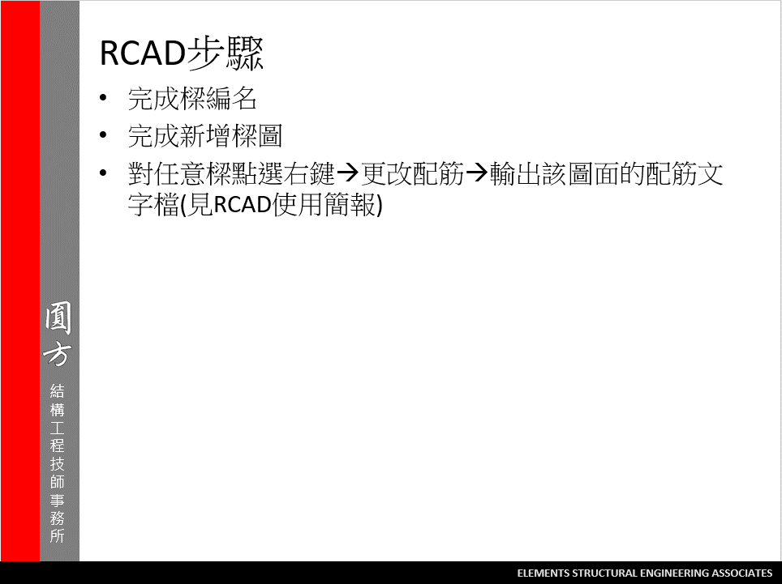
2

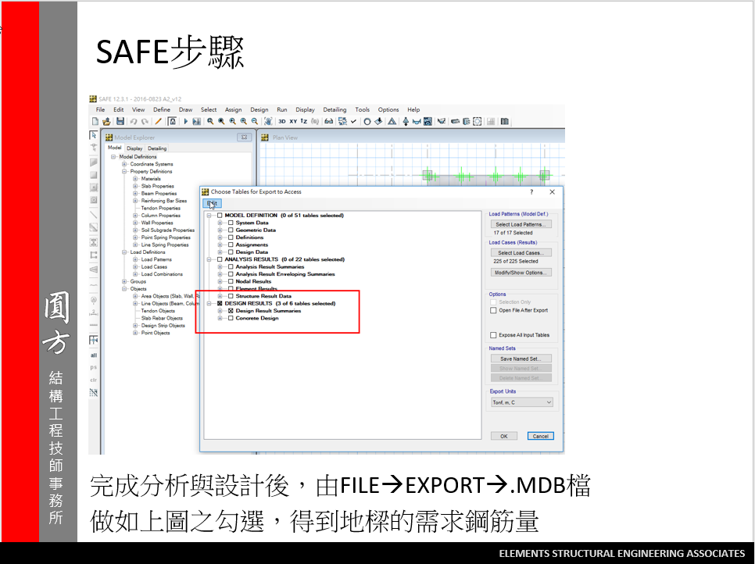
3
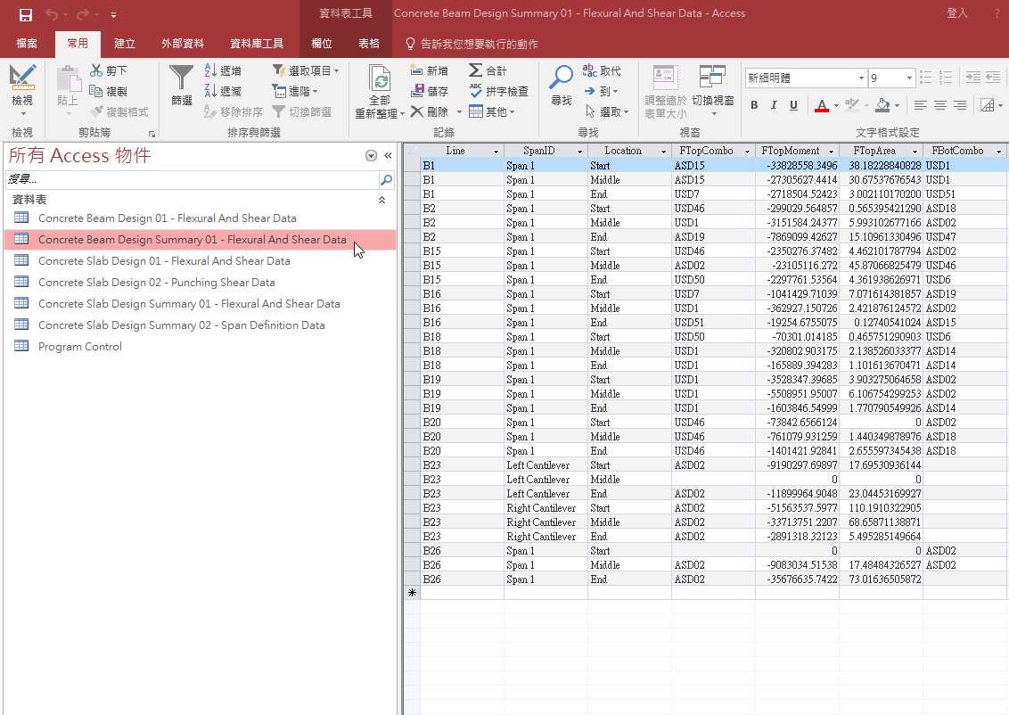

我們只會使用到游標選取的表格

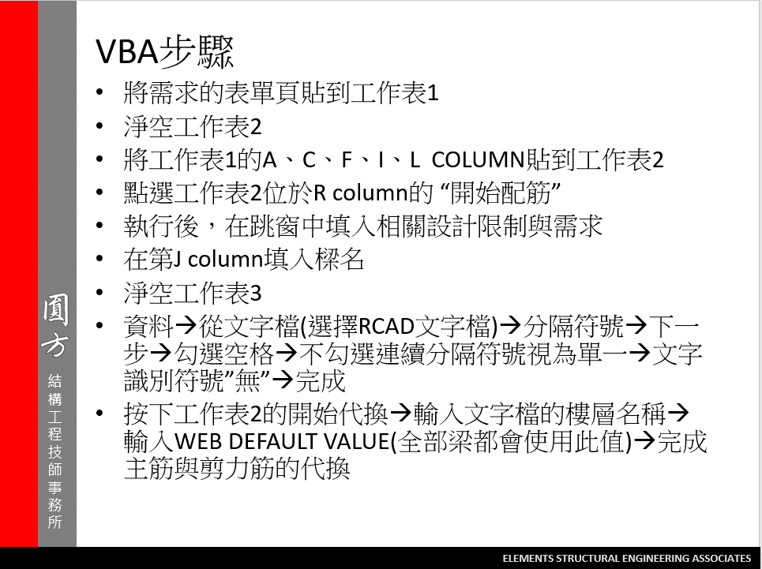
4

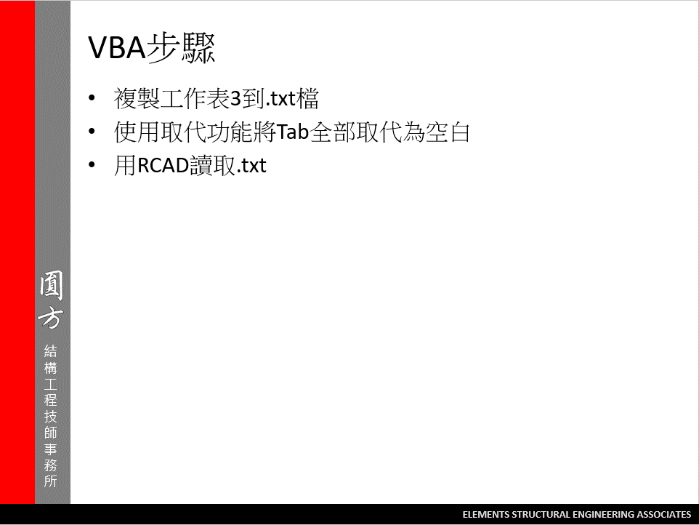
5

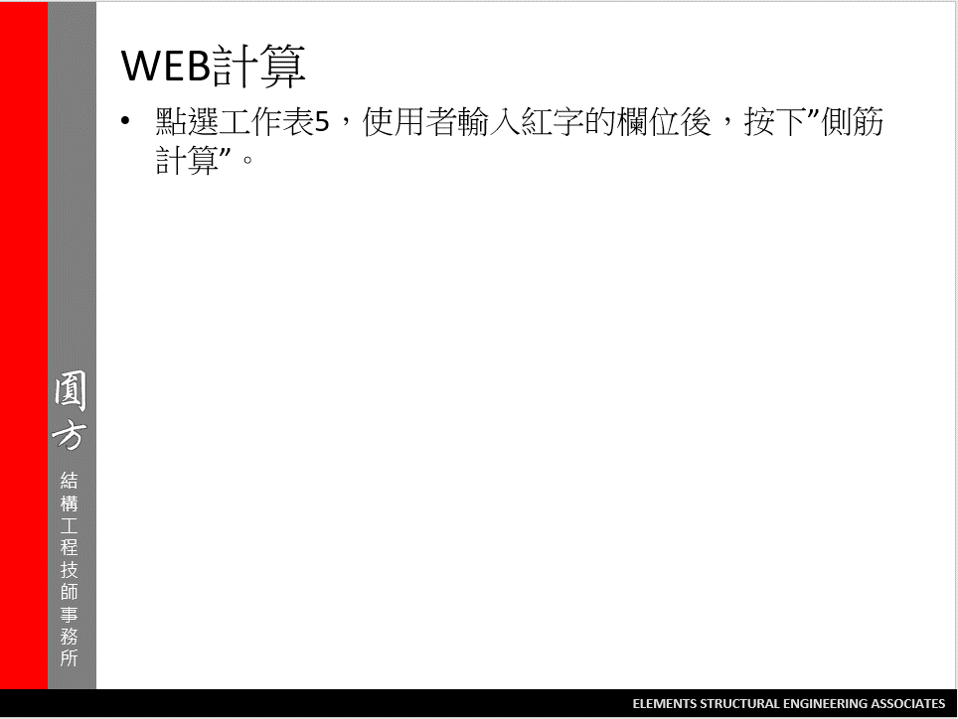

6

工作表5
WEB
側筋計算
 | 樑寬 = | 70
 | 樑深 = | 240
 | (BS+FS)厚度= | 78
 | 號數= | 4
 | 面積= | 1.27
 | S2= | 24.19047619
 | 單邊需要根數 | 7
 | 兩側總鋼筋量 | 17.78 | (cm^2)
 | 若改為 | 5 | 號筋 | 面積 | 1.99 | 兩側總鋼筋量 | 19.9
 |  | 3 |  | 面積 | 0.71 | 兩側總鋼筋量 | 17.04

 |  | 5 | 號的 | S | 37.904761905
 |  |  |  | 單邊根數 | 5
 |  | 3 | 號的 | S | 13.523809524
 |  |  |  | 單邊根數 | 12

 |  |  |  |  |  |  |  | 工作筋 | 2#4

