計算表
Line | Location | FTopArea | FBotArea | VArea cm^2/cm | BarSize | BarArea | TopNumber | BotNumber | BName | AdjBname | VSize | VBarArea | VSpacing | maxspacingM | maxspacingLNR
B31 | Start | 35.874738824 | 14.349032426 | 0 | 10 | 8.14 | 8 | 3 | FG5-7 | "B4FG5-7"( | #4 | 1.27 | 10 | 20 | 15 | 100 | 250 | 8 | 0 | 3 | 0
B31 | Middle | 34.554088488 | 13.115430484 | 0 | 10 | 8.14 | 7 | 3 | FG5-7 | "B4FG5-7"( | #4 | 1.27 | 10 | 20 | 15 | 100 | 250 | 7 | 0 | 3 | 0
B31 | End | 21.748410072 | 3.0843599234 | 0 | 10 | 8.14 | 5 | 3 | FG5-7 | "B4FG5-7"( | #4 | 1.27 | 10 | 20 | 15 | 100 | 250 | 5 | 0 | 3 | 0
B33 | Start | 27.488225605 | 26.642270386 | 0 | 10 | 8.14 | 6 | 4 | Fb10-7 | "B4Fb10-7"( | #4 | 1.27 | 15 | 20 | 15 | 60 | 250 | 6 | 0 | 4 | 0
B33 | Middle | 24.339249358 | 13.88811972 | 0 | 10 | 8.14 | 5 | 3 | Fb10-7 | "B4Fb10-7"( | #4 | 1.27 | 15 | 20 | 15 | 60 | 250 | 5 | 0 | 3 | 0
B33 | End | 15.171319246 | 0 | 0 | 10 | 8.14 | 3 | 3 | Fb10-7 | "B4Fb10-7"( | #4 | 1.27 | 15 | 20 | 15 | 60 | 250 | 3 | 0 | 3 | 0
B51 | Start | 63.481056131 | 145.68921179 | 0.43436605483 | 10 | 8.14 | 13 | 18 | FBC-4 | "B4FBC-4"( | 2#4 | 2.54 | 10 | 20 | 15 | 120 | 250 | 13 | 0 | 16 | 2
B51 | Middle | 53.323609754 | 83.322059363 | 0.44626980089 | 10 | 8.14 | 11 | 11 | FBC-4 | "B4FBC-4"( | 2#4 | 2.54 | 10 | 20 | 15 | 120 | 250 | 11 | 0 | 11 | 0
B51 | End | 22.585622501 | 0 | 0.10629831813 | 10 | 8.14 | 5 | 3 | FBC-4 | "B4FBC-4"( | 2#4 | 2.54 | 15 | 20 | 15 | 120 | 250 | 5 | 0 | 3 | 0
B52 | Start | 61.839595437 | 146.06980607 | 0.4498872906 | 10 | 8.14 | 13 | 18 | FBD-4 | "B4FBD-4"( | 2#4 | 2.54 | 10 | 20 | 15 | 120 | 250 | 13 | 0 | 16 | 2
B52 | Middle | 52.060154267 | 82.374755293 | 0.46179103665 | 10 | 8.14 | 11 | 11 | FBD-4 | "B4FBD-4"( | 2#4 | 2.54 | 10 | 20 | 15 | 120 | 250 | 11 | 0 | 11 | 0
RC 4.9.3
B52 | End | 23.465743288 | 8.22286529 | 0.10629831813 | 10 | 8.14 | 5 | 3 | FBD-4 | "B4FBD-4"( | 2#4 | 2.54 | 15 | 20 | 15 | 120 | 250 | 5 | 0 | 3 | 0
B53 | Start | 61.810086481 | 134.1462601 | 0.41063134558 | 10 | 8.14 | 13 | 17 | FBE-4 | "B4FBE-4"( | 2#4 | 2.54 | 12 | 20 | 15 | 120 | 250 | 13 | 0 | 15 | 2
B53 | Middle | 52.023744211 | 74.152769521 | 0.42253504507 | 10 | 8.14 | 11 | 10 | FBE-4 | "B4FBE-4"( | 2#4 | 2.54 | 12 | 20 | 15 | 120 | 250 | 11 | 0 | 10 | 0
B53 | End | 23.653642274 | 9.9715788383 | 0.10629831813 | 10 | 8.14 | 5 | 3 | FBE-4 | "B4FBE-4"( | 2#4 | 2.54 | 15 | 20 | 15 | 120 | 250 | 5 | 0 | 3 | 0
B54 | Start | 90.675158426 | 141.8066211 | 0.42626466602 | 10 | 8.14 | 18 | 18 | FBF-4 | "B4FBF-4"( | 2#4 | 2.54 | 10 | 20 | 15 | 120 | 250 | 18 | 0 | 16 | 2
B54 | Middle | 74.787051417 | 80.250715837 | 0.43816841207 | 10 | 8.14 | 15 | 10 | FBF-4 | "B4FBF-4"( | 2#4 | 2.54 | 10 | 20 | 15 | 120 | 250 | 15 | 0 | 10 | 0
B54 | End | 29.214187525 | 8.9638511417 | 0.10629831813 | 10 | 8.14 | 6 | 3 | FBF-4 | "B4FBF-4"( | 2#4 | 2.54 | 15 | 20 | 15 | 120 | 250 | 6 | 0 | 3 | 0
B55 | Start | 103.80669497 | 0 | 0.10629831813 | 10 | 8.14 | 21 | 3 | FBG-4 | "B4FBG-4"( | 2#4 | 2.54 | 15 | 20 | 15 | 120 | 250 | 19 | 2 | 3 | 0
B55 | Middle | 90.677402914 | 0 | 0.10629831813 | 10 | 8.14 | 18 | 3 | FBG-4 | "B4FBG-4"( | 2#4 | 2.54 | 15 | 20 | 15 | 120 | 250 | 18 | 0 | 3 | 0
B55 | End | 40.085026994 | 0 | 0.10629831813 | 10 | 8.14 | 8 | 3 | FBG-4 | "B4FBG-4"( | 2#4 | 2.54 | 15 | 20 | 15 | 120 | 250 | 8 | 0 | 3 | 0
B56 | Start | 50.604105927 | 0 | 0 | 10 | 8.14 | 10 | 3 | FBH-4 | "B4FBH-4"( | 2#4 | 2.54 | 15 | 20 | 15 | 120 | 250 | 10 | 0 | 3 | 0
B56 | Middle | 48.504252918 | 0 | 0.10629831813 | 10 | 8.14 | 10 | 3 | FBH-4 | "B4FBH-4"( | 2#4 | 2.54 | 15 | 20 | 15 | 120 | 250 | 10 | 0 | 3 | 0
B56 | End | 26.422056835 | 0 | 0.10629831813 | 10 | 8.14 | 6 | 3 | FBH-4 | "B4FBH-4"( | 2#4 | 2.54 | 15 | 20 | 15 | 120 | 250 | 6 | 0 | 3 | 0
B73 | Start | 29.594744556 | 119.59120631 | 0.35200400744 | 10 | 8.14 | 6 | 15 | FG2-7 | "B4FG2-7"( | 2#4 | 2.54 | 12 | 20 | 15 | 100 | 250 | 6 | 0 | 13 | 2
B73 | Middle | 28.387084603 | 71.492767893 | 0.3609233303 | 10 | 8.14 | 6 | 9 | FG2-7 | "B4FG2-7"( | 2#4 | 2.54 | 12 | 20 | 15 | 100 | 250 | 6 | 0 | 9 | 0
B73 | End | 20.645263139 | 4.9897778081 | 0.088581937598 | 10 | 8.14 | 5 | 3 | FG2-7 | "B4FG2-7"( | #4 | 1.27 | 10 | 20 | 15 | 100 | 250 | 5 | 0 | 3 | 0
B74 | Start | 15.917839482 | 115.90287089 | 0.2948086476 | 10 | 8.14 | 4 | 15 | FG3-7 | "B4FG3-7"( | 2#4 | 2.54 | 15 | 20 | 15 | 100 | 250 | 4 | 0 | 13 | 2
B74 | Middle | 17.597959377 | 59.059634805 | 0.30186269432 | 10 | 8.14 | 4 | 8 | FG3-7 | "B4FG3-7"( | 2#4 | 2.54 | 15 | 20 | 15 | 100 | 250 | 4 | 0 | 8 | 0
B74 | End | 20.487948786 | 9.7559246933 | 0.088581937598 | 10 | 8.14 | 5 | 3 | FG3-7 | "B4FG3-7"( | #4 | 1.27 | 10 | 20 | 15 | 100 | 250 | 5 | 0 | 3 | 0
B75 | Start | 31.195578631 | 156.15176409 | 0.41487533599 | 10 | 8.14 | 7 | 20 | FG4-7 | "B4FG4-7"( | 2#4 | 2.54 | 12 | 20 | 15 | 100 | 250 | 7 | 0 | 13 | 7
B75 | Middle | 70.425872691 | 98.495790735 | 0.42494772933 | 10 | 8.14 | 14 | 13 | FG4-7 | "B4FG4-7"( | 2#4 | 2.54 | 10 | 20 | 15 | 100 | 250 | 14 | 0 | 13 | 0
B75 | End | 118.07836592 | 100.54226033 | 0.088581937598 | 10 | 8.14 | 24 | 13 | FG4-7 | "B4FG4-7"( | #4 | 1.27 | 10 | 20 | 15 | 100 | 250 | 16 | 8 | 13 | 0
B77 | Start | 13.776844135 | 62.366398051 | 0 | 10 | 8.14 | 3 | 8 | Fb1-6 | "B4Fb1-6"( | #4 | 1.27 | 15 | 20 | 15 | 60 | 250 | 3 | 0 | 6 | 2
B77 | Middle | 24.382832926 | 36.262536887 | 0.053149159066 | 10 | 8.14 | 5 | 5 | Fb1-6 | "B4Fb1-6"( | #4 | 1.27 | 15 | 20 | 15 | 60 | 250 | 5 | 0 | 5 | 0
B77 | End | 18.785421271 | 4.2232396663 | 0.053149159066 | 10 | 8.14 | 4 | 3 | Fb1-6 | "B4Fb1-6"( | #4 | 1.27 | 15 | 20 | 15 | 60 | 250 | 4 | 0 | 3 | 0
B129 | Start | 39.028578904 | 5.3287571063 | 0.10629831813 | 10 | 8.14 | 8 | 3 | FBE-0 | "B4FBE-0"( | 2#4 | 2.54 | 15 | 20 | 15 | 120 | 250 | 8 | 0 | 3 | 0
B129 | Middle | 53.528924473 | 52.797035314 | 0.26436387561 | 10 | 8.14 | 11 | 7 | FBE-0 | "B4FBE-0"( | 2#4 | 2.54 | 15 | 20 | 15 | 120 | 250 | 11 | 0 | 7 | 0
B129 | End | 63.451160677 | 88.957203552 | 0.25291799102 | 10 | 8.14 | 13 | 11 | FBE-0 | "B4FBE-0"( | 2#4 | 2.54 | 15 | 20 | 15 | 120 | 250 | 13 | 0 | 11 | 0
B130 | Start | 31.87400056 | 9.4878283562 | 0.10629831813 | 10 | 8.14 | 7 | 3 | FBF-0 | "B4FBF-0"( | 2#4 | 2.54 | 15 | 20 | 15 | 120 | 250 | 7 | 0 | 3 | 0
B130 | Middle | 37.120508496 | 61.254771426 | 0.34718073439 | 10 | 8.14 | 8 | 8 | FBF-0 | "B4FBF-0"( | 2#4 | 2.54 | 12 | 20 | 15 | 120 | 250 | 8 | 0 | 8 | 0
B130 | End | 42.776912451 | 92.178061604 | 0.3357348498 | 10 | 8.14 | 9 | 12 | FBF-0 | "B4FBF-0"( | 2#4 | 2.54 | 15 | 20 | 15 | 120 | 250 | 9 | 0 | 12 | 0
B131 | Start | 27.050108183 | 16.434865538 | 0.10629831813 | 10 | 8.14 | 6 | 3 | FBG-0 | "B4FBG-0"( | 2#4 | 2.54 | 15 | 20 | 15 | 120 | 250 | 6 | 0 | 3 | 0
B131 | Middle | 44.838045724 | 70.436634123 | 0.32963186968 | 10 | 8.14 | 9 | 9 | FBG-0 | "B4FBG-0"( | 2#4 | 2.54 | 15 | 20 | 15 | 120 | 250 | 9 | 0 | 9 | 0
B131 | End | 52.572945133 | 97.578214481 | 0.31818598509 | 10 | 8.14 | 11 | 12 | FBG-0 | "B4FBG-0"( | 2#4 | 2.54 | 15 | 20 | 15 | 120 | 250 | 11 | 0 | 12 | 0
B132 | Start | 23.299711756 | 4.1212560609 | 0.10629831813 | 10 | 8.14 | 5 | 3 | FBH-0 | "B4FBH-0"( | 2#4 | 2.54 | 15 | 20 | 15 | 120 | 250 | 5 | 0 | 3 | 0
B132 | Middle | 57.005221024 | 77.256876975 | 0.37699642126 | 10 | 8.14 | 12 | 10 | FBH-0 | "B4FBH-0"( | 2#4 | 2.54 | 12 | 20 | 15 | 120 | 250 | 12 | 0 | 10 | 0
B132 | End | 67.783016711 | 125.26146136 | 0.364940078 | 10 | 8.14 | 14 | 16 | FBH-0 | "B4FBH-0"( | 2#4 | 2.54 | 12 | 20 | 15 | 120 | 250 | 14 | 0 | 16 | 0
B279 | Start | 43.575447053 | 12.926784111 | 0.10629831813 | 10 | 8.14 | 9 | 3 | FBC-2 | "B4FBC-2"( | 2#4 | 2.54 | 15 | 20 | 15 | 120 | 250 | 9 | 0 | 3 | 0
B279 | Middle | 42.644902132 | 126.66644529 | 0.29980626423 | 10 | 8.14 | 9 | 16 | FBC-2 | "B4FBC-2"( | 2#4 | 2.54 | 15 | 20 | 15 | 120 | 250 | 9 | 0 | 16 | 0
B279 | End | 0 | 156.384781 | 0.29024260584 | 10 | 8.14 | 3 | 20 | FBC-2 | "B4FBC-2"( | 2#4 | 2.54 | 15 | 20 | 15 | 120 | 250 | 3 | 0 | 16 | 4
B303 | Start | 18.522844184 | 193.74571741 | 0.69039235823 | 10 | 8.14 | 4 | 24 | FG2-3 | "B4FG2-3"( | 2#5 | 3.98 | 10 | 20 | 15 | 100 | 250 | 4 | 0 | 13 | 11
B303 | Middle | 92.297643423 | 11.206622003 | 0.44031827711 | 10 | 8.14 | 19 | 3 | FG2-3 | "B4FG2-3"( | 2#4 | 2.54 | 10 | 20 | 15 | 100 | 250 | 16 | 3 | 3 | 0
B303 | End | 0 | 151.44294128 | 0.57328892872 | 10 | 8.14 | 3 | 19 | FG2-3 | "B4FG2-3"( | 2#5 | 3.98 | 12 | 20 | 15 | 100 | 250 | 3 | 0 | 13 | 6
B304 | Start | 18.31163303 | 150.51760711 | 0.53792013787 | 10 | 8.14 | 4 | 19 | FG2-4 | "B4FG2-4"( | 2#5 | 3.98 | 12 | 20 | 15 | 100 | 250 | 4 | 0 | 13 | 6
B304 | Middle | 84.181576967 | 0 | 0.20332471468 | 10 | 8.14 | 17 | 3 | FG2-4 | "B4FG2-4"( | #4 | 1.27 | 10 | 20 | 15 | 100 | 250 | 15 | 2 | 3 | 0
B304 | End | 15.278600622 | 155.4506924 | 0.54560666904 | 10 | 8.14 | 4 | 20 | FG2-4 | "B4FG2-4"( | 2#5 | 3.98 | 12 | 20 | 15 | 100 | 250 | 4 | 0 | 13 | 7
B305 | Start | 0.51363065722 | 152.16432512 | 0.53576189093 | 10 | 8.14 | 3 | 19 | FG2-5 | "B4FG2-5"( | 2#5 | 3.98 | 12 | 20 | 15 | 100 | 250 | 3 | 0 | 13 | 6
B305 | Middle | 82.461228594 | 18.051475054 | 0.40938467719 | 10 | 8.14 | 17 | 3 | FG2-5 | "B4FG2-5"( | 2#4 | 2.54 | 12 | 20 | 15 | 100 | 250 | 15 | 2 | 3 | 0
B305 | End | 0 | 149.70269985 | 0.52420031279 | 10 | 8.14 | 3 | 19 | FG2-5 | "B4FG2-5"( | 2#5 | 3.98 | 15 | 20 | 15 | 100 | 250 | 3 | 0 | 13 | 6
B306 | Start | 13.666158775 | 147.86724932 | 0.50757415593 | 10 | 8.14 | 3 | 19 | FG2-6 | "B4FG2-6"( | 2#4 | 2.54 | 10 | 20 | 15 | 100 | 250 | 3 | 0 | 13 | 6
B306 | Middle | 80.499108881 | 6.0022412799 | 0.3529926762 | 10 | 8.14 | 16 | 3 | FG2-6 | "B4FG2-6"( | 2#4 | 2.54 | 12 | 20 | 15 | 100 | 250 | 16 | 0 | 3 | 0
B306 | End | 34.598554485 | 122.55403213 | 0.48275543377 | 10 | 8.14 | 7 | 16 | FG2-6 | "B4FG2-6"( | 2#4 | 2.54 | 10 | 20 | 15 | 100 | 250 | 7 | 0 | 13 | 3
B308 | Start | 64.261741936 | 79.772667959 | 0.088581937598 | 10 | 8.14 | 13 | 10 | FG3-2 | "B4FG3-2"( | #4 | 1.27 | 10 | 20 | 15 | 100 | 250 | 13 | 0 | 10 | 0
B308 | Middle | 107.97180235 | 26.305788197 | 0.54957279935 | 10 | 8.14 | 22 | 4 | FG3-2 | "B4FG3-2"( | 2#5 | 3.98 | 12 | 20 | 15 | 100 | 250 | 16 | 6 | 4 | 0
B308 | End | 0 | 170.89860514 | 0.68048145622 | 10 | 8.14 | 3 | 21 | FG3-2 | "B4FG3-2"( | 2#5 | 3.98 | 10 | 20 | 15 | 100 | 250 | 3 | 0 | 13 | 8
B309 | Start | 5.9908337425 | 154.55333516 | 0.66542974673 | 10 | 8.14 | 3 | 19 | FG3-3 | "B4FG3-3"( | 2#5 | 3.98 | 10 | 20 | 15 | 100 | 250 | 3 | 0 | 13 | 6
B309 | Middle | 80.696158111 | 0 | 0.38296917919 | 10 | 8.14 | 16 | 3 | FG3-3 | "B4FG3-3"( | 2#4 | 2.54 | 12 | 20 | 15 | 100 | 250 | 16 | 0 | 3 | 0
B309 | End | 0 | 174.58695918 | 0.66946875304 | 10 | 8.14 | 3 | 22 | FG3-3 | "B4FG3-3"( | 2#5 | 3.98 | 10 | 20 | 15 | 100 | 250 | 3 | 0 | 13 | 9
B310 | Start | 5.2636989858 | 171.49806023 | 0.6867651362 | 10 | 8.14 | 3 | 22 | FG3-4 | "B4FG3-4"( | 2#5 | 3.98 | 10 | 20 | 15 | 100 | 250 | 3 | 0 | 13 | 9
B310 | Middle | 88.469935581 | 0 | 0.25551447179 | 10 | 8.14 | 18 | 3 | FG3-4 | "B4FG3-4"( | 2#4 | 2.54 | 18 | 20 | 15 | 100 | 250 | 16 | 2 | 3 | 0
B310 | End | 19.188346341 | 156.46794811 | 0.56140460074 | 10 | 8.14 | 4 | 20 | FG3-4 | "B4FG3-4"( | 2#5 | 3.98 | 12 | 20 | 15 | 100 | 250 | 4 | 0 | 13 | 7
B311 | Start | 7.7754206723 | 160.12785956 | 0.55226599798 | 10 | 8.14 | 3 | 20 | FG3-5 | "B4FG3-5"( | 2#5 | 3.98 | 12 | 20 | 15 | 100 | 250 | 3 | 0 | 13 | 7
B311 | Middle | 76.707261615 | 10.421079351 | 0.3940937575 | 10 | 8.14 | 16 | 3 | FG3-5 | "B4FG3-5"( | 2#4 | 2.54 | 12 | 20 | 15 | 100 | 250 | 16 | 0 | 3 | 0
B311 | End | 0 | 142.74861664 | 0.52872658707 | 10 | 8.14 | 3 | 18 | FG3-5 | "B4FG3-5"( | 2#5 | 3.98 | 15 | 20 | 15 | 100 | 250 | 3 | 0 | 13 | 5
B312 | Start | 10.603399714 | 148.44777063 | 0.51530422643 | 10 | 8.14 | 3 | 19 | FG3-6 | "B4FG3-6"( | 2#5 | 3.98 | 15 | 20 | 15 | 100 | 250 | 3 | 0 | 13 | 6
B312 | Middle | 77.879815362 | 19.212341867 | 0.24537818972 | 10 | 8.14 | 16 | 3 | FG3-6 | "B4FG3-6"( | #4 | 1.27 | 10 | 20 | 15 | 100 | 250 | 16 | 0 | 3 | 0
B312 | End | 23.987300228 | 113.52862231 | 0.37972689606 | 10 | 8.14 | 5 | 14 | FG3-6 | "B4FG3-6"( | 2#4 | 2.54 | 12 | 20 | 15 | 100 | 250 | 5 | 0 | 12 | 2
B314 | Start | 26.700270828 | 105.14846072 | 0.39685023949 | 10 | 8.14 | 6 | 13 | FG4-2 | "B4FG4-2"( | 2#4 | 2.54 | 12 | 20 | 15 | 100 | 250 | 6 | 0 | 13 | 0
B314 | Middle | 76.861376874 | 3.1907024095 | 0.27086832561 | 10 | 8.14 | 16 | 3 | FG4-2 | "B4FG4-2"( | 2#4 | 2.54 | 18 | 20 | 15 | 100 | 250 | 16 | 0 | 3 | 0
B314 | End | 0 | 151.63862146 | 0.501537323 | 10 | 8.14 | 3 | 19 | FG4-2 | "B4FG4-2"( | 2#4 | 2.54 | 10 | 20 | 15 | 100 | 250 | 3 | 0 | 13 | 6
B315 | Start | 6.7135615973 | 143.33959669 | 0.55928826332 | 10 | 8.14 | 3 | 18 | FG4-3 | "B4FG4-3"( | 2#5 | 3.98 | 12 | 20 | 15 | 100 | 250 | 3 | 0 | 13 | 5
B315 | Middle | 79.855248332 | 0 | 0.36515307147 | 10 | 8.14 | 16 | 3 | FG4-3 | "B4FG4-3"( | 2#4 | 2.54 | 12 | 20 | 15 | 100 | 250 | 16 | 0 | 3 | 0
B315 | End | 0 | 167.01893881 | 0.63851419836 | 10 | 8.14 | 3 | 21 | FG4-3 | "B4FG4-3"( | 2#5 | 3.98 | 12 | 20 | 15 | 100 | 250 | 3 | 0 | 13 | 8
B316 | Start | 5.2179582417 | 173.08192328 | 0.68198498338 | 10 | 8.14 | 3 | 22 | FG4-4 | "B4FG4-4"( | 2#5 | 3.98 | 10 | 20 | 15 | 100 | 250 | 3 | 0 | 13 | 9
B316 | Middle | 87.535921484 | 4.4949250878 | 0.25653457269 | 10 | 8.14 | 18 | 3 | FG4-4 | "B4FG4-4"( | 2#4 | 2.54 | 18 | 20 | 15 | 100 | 250 | 16 | 2 | 3 | 0
B316 | End | 22.214334458 | 152.32752077 | 0.58426461183 | 10 | 8.14 | 5 | 19 | FG4-4 | "B4FG4-4"( | 2#5 | 3.98 | 12 | 20 | 15 | 100 | 250 | 5 | 0 | 13 | 6
B317 | Start | 0 | 152.21715905 | 0.56187123992 | 10 | 8.14 | 3 | 19 | FG4-5 | "B4FG4-5"( | 2#5 | 3.98 | 12 | 20 | 15 | 100 | 250 | 3 | 0 | 13 | 6
B317 | Middle | 85.263326764 | 22.43329538 | 0.44395439327 | 10 | 8.14 | 17 | 3 | FG4-5 | "B4FG4-5"( | 2#4 | 2.54 | 10 | 20 | 15 | 100 | 250 | 15 | 2 | 3 | 0
B317 | End | 0 | 163.44698146 | 0.57970047928 | 10 | 8.14 | 3 | 21 | FG4-5 | "B4FG4-5"( | 2#5 | 3.98 | 12 | 20 | 15 | 100 | 250 | 3 | 0 | 13 | 8
B318 | Start | 27.492393274 | 168.79437491 | 0.58350628242 | 10 | 8.14 | 6 | 21 | FG4-6 | "B4FG4-6"( | 2#5 | 3.98 | 12 | 20 | 15 | 100 | 250 | 6 | 0 | 13 | 8
B318 | Middle | 85.171088576 | 8.0181955127 | 0.24537127465 | 10 | 8.14 | 17 | 3 | FG4-6 | "B4FG4-6"( | #4 | 1.27 | 10 | 20 | 15 | 100 | 250 | 15 | 2 | 3 | 0
B318 | End | 61.724991538 | 145.95950954 | 0.49445093609 | 10 | 8.14 | 13 | 18 | FG4-6 | "B4FG4-6"( | 2#4 | 2.54 | 10 | 20 | 15 | 100 | 250 | 13 | 0 | 13 | 5
B321 | Start | 14.743981883 | 152.78209932 | 0.53576980717 | 10 | 8.14 | 3 | 19 | FG5-2 | "B4FG5-2"( | 2#5 | 3.98 | 12 | 20 | 15 | 100 | 250 | 3 | 0 | 13 | 6
B321 | Middle | 83.63285102 | 0 | 0.19924959633 | 10 | 8.14 | 17 | 3 | FG5-2 | "B4FG5-2"( | #4 | 1.27 | 10 | 20 | 15 | 100 | 250 | 15 | 2 | 3 | 0
B321 | End | 17.159541603 | 152.90459618 | 0.54064695723 | 10 | 8.14 | 4 | 19 | FG5-2 | "B4FG5-2"( | 2#5 | 3.98 | 12 | 20 | 15 | 100 | 250 | 4 | 0 | 13 | 6
B322 | Start | 14.069789322 | 155.08481301 | 0.54540364072 | 10 | 8.14 | 3 | 20 | FG5-3 | "B4FG5-3"( | 2#5 | 3.98 | 12 | 20 | 15 | 100 | 250 | 3 | 0 | 13 | 7
B322 | Middle | 83.909323439 | 8.4718415746 | 0.40392167866 | 10 | 8.14 | 17 | 3 | FG5-3 | "B4FG5-3"( | 2#4 | 2.54 | 12 | 20 | 15 | 100 | 250 | 15 | 2 | 3 | 0
B322 | End | 0 | 147.86837623 | 0.52492087707 | 10 | 8.14 | 3 | 19 | FG5-3 | "B4FG5-3"( | 2#5 | 3.98 | 15 | 20 | 15 | 100 | 250 | 3 | 0 | 13 | 6
B323 | Start | 14.924753923 | 149.10677448 | 0.525795063 | 10 | 8.14 | 3 | 19 | FG5-4 | "B4FG5-4"( | 2#5 | 3.98 | 15 | 20 | 15 | 100 | 250 | 3 | 0 | 13 | 6
B323 | Middle | 82.718906924 | 0 | 0.20118399989 | 10 | 8.14 | 17 | 3 | FG5-4 | "B4FG5-4"( | #4 | 1.27 | 10 | 20 | 15 | 100 | 250 | 15 | 2 | 3 | 0
B323 | End | 12.351054465 | 155.30624427 | 0.54061412811 | 10 | 8.14 | 3 | 20 | FG5-4 | "B4FG5-4"( | 2#5 | 3.98 | 12 | 20 | 15 | 100 | 250 | 3 | 0 | 13 | 7
B324 | Start | 0 | 168.96981746 | 0.48906700686 | 10 | 8.14 | 3 | 21 | FG5-5 | "B4FG5-5"( | 2#4 | 2.54 | 10 | 20 | 15 | 100 | 250 | 3 | 0 | 13 | 8
B324 | Middle | 52.906228229 | 26.353625581 | 0.36618125159 | 10 | 8.14 | 11 | 4 | FG5-5 | "B4FG5-5"( | 2#4 | 2.54 | 12 | 20 | 15 | 100 | 250 | 11 | 0 | 4 | 0
B324 | End | 2.8298710822 | 45.456346124 | 0.088581937598 | 10 | 8.14 | 3 | 6 | FG5-5 | "B4FG5-5"( | #4 | 1.27 | 10 | 20 | 15 | 100 | 250 | 3 | 0 | 6 | 0
B325 | Start | 30.028345063 | 49.40958228 | 0.11939285323 | 10 | 8.14 | 6 | 7 | FG5-6 | "B4FG5-6"( | #4 | 1.27 | 10 | 20 | 15 | 100 | 250 | 6 | 0 | 7 | 0
B325 | Middle | 73.637128808 | 0 | 0.088581937598 | 10 | 8.14 | 15 | 3 | FG5-6 | "B4FG5-6"( | #4 | 1.27 | 10 | 20 | 15 | 100 | 250 | 15 | 0 | 3 | 0
B325 | End | 60.780281201 | 14.322247589 | 0.088581937598 | 10 | 8.14 | 12 | 3 | FG5-6 | "B4FG5-6"( | #4 | 1.27 | 10 | 20 | 15 | 100 | 250 | 12 | 0 | 3 | 0
B327 | Start | 0 | 151.1180494 | 0.45810365118 | 10 | 8.14 | 3 | 19 | FBC-3 | "B4FBC-3"( | 2#4 | 2.54 | 10 | 20 | 15 | 120 | 250 | 3 | 0 | 16 | 3
B327 | Middle | 113.76906186 | 38.250719663 | 0.48225787468 | 10 | 8.14 | 23 | 5 | FBC-3 | "B4FBC-3"( | 2#4 | 2.54 | 10 | 20 | 15 | 120 | 250 | 20 | 3 | 5 | 0
B327 | End | 42.051346973 | 131.2348526 | 0.52515938878 | 10 | 8.14 | 9 | 17 | FBC-3 | "B4FBC-3"( | 2#5 | 3.98 | 12 | 20 | 15 | 120 | 250 | 9 | 0 | 15 | 2
B329 | Start | 137.51363382 | 226.15347058 | 0.90122604743 | 10 | 8.14 | 28 | 28 | FBD-1 | "B4FBD-1"( | 2#5 | 7.96 | 15 | 20 | 15 | 120 | 250 | 20 | 8 | 16 | 12
B329 | Middle | 137.03665696 | 12.177249882 | 0.88141942397 | 10 | 8.14 | 28 | 3 | FBD-1 | "B4FBD-1"( | 2#5 | 7.96 | 18 | 20 | 15 | 120 | 250 | 20 | 8 | 3 | 0
B329 | End | 30.245042872 | 132.21486472 | 0.59288740158 | 10 | 8.14 | 6 | 17 | FBD-1 | "B4FBD-1"( | 2#5 | 3.98 | 12 | 20 | 15 | 120 | 250 | 6 | 0 | 15 | 2
B330 | Start | 0 | 102.81096213 | 0.22583501413 | 10 | 8.14 | 3 | 13 | FBD-2 | "B4FBD-2"( | 2#4 | 2.54 | 15 | 20 | 15 | 120 | 250 | 3 | 0 | 13 | 0
B330 | Middle | 0 | 98.298219964 | 0.21782063413 | 10 | 8.14 | 3 | 13 | FBD-2 | "B4FBD-2"( | 2#4 | 2.54 | 15 | 20 | 15 | 120 | 250 | 3 | 0 | 13 | 0
B330 | End | 0 | 142.35885814 | 0.20764651708 | 10 | 8.14 | 3 | 18 | FBD-2 | "B4FBD-2"( | 2#4 | 2.54 | 15 | 20 | 15 | 120 | 250 | 3 | 0 | 16 | 2
B331 | Start | 21.052276716 | 134.76273976 | 0.51467278972 | 10 | 8.14 | 5 | 17 | FBD-3 | "B4FBD-3"( | 2#5 | 3.98 | 12 | 20 | 15 | 120 | 250 | 5 | 0 | 15 | 2
B331 | Middle | 115.07338844 | 14.369190903 | 0.49153948203 | 10 | 8.14 | 23 | 3 | FBD-3 | "B4FBD-3"( | 2#4 | 2.54 | 10 | 20 | 15 | 120 | 250 | 20 | 3 | 3 | 0
B331 | End | 39.170933887 | 118.61530133 | 0.54331640713 | 10 | 8.14 | 8 | 15 | FBD-3 | "B4FBD-3"( | 2#5 | 3.98 | 12 | 20 | 15 | 120 | 250 | 8 | 0 | 15 | 0
B334 | Start | 52.301282994 | 78.892204911 | 0.39529544301 | 10 | 8.14 | 11 | 10 | FBE-1 | "B4FBE-1"( | 2#4 | 2.54 | 12 | 20 | 15 | 120 | 250 | 11 | 0 | 10 | 0
B334 | Middle | 127.87925079 | 51.955869421 | 0.64725577831 | 10 | 8.14 | 26 | 7 | FBE-1 | "B4FBE-1"( | 2#5 | 3.98 | 12 | 20 | 15 | 120 | 250 | 20 | 6 | 7 | 0
B334 | End | 0 | 257.06354529 | 0.85622286424 | 10 | 8.14 | 3 | 32 | FBE-1 | "B4FBE-1"( | 2#5 | 7.96 | 15 | 20 | 15 | 120 | 250 | 3 | 0 | 16 | 16
B335 | Start | 0 | 4.1649964987 | 0 | 10 | 8.14 | 3 | 3 | FBE-2 | "B4FBE-2"( | 2#4 | 2.54 | 15 | 20 | 15 | 120 | 250 | 3 | 0 | 3 | 0
B335 | Middle | 1.4203618048 | 3.2856169855 | 0 | 10 | 8.14 | 3 | 3 | FBE-2 | "B4FBE-2"( | 2#4 | 2.54 | 15 | 20 | 15 | 120 | 250 | 3 | 0 | 3 | 0
B335 | End | 0 | 3.9179169107 | 0 | 10 | 8.14 | 3 | 3 | FBE-2 | "B4FBE-2"( | 2#4 | 2.54 | 15 | 20 | 15 | 120 | 250 | 3 | 0 | 3 | 0
B336 | Start | 0 | 233.01992565 | 0.78462027013 | 10 | 8.14 | 3 | 29 | FBE-3 | "B4FBE-3"( | 2#5 | 3.98 | 10 | 20 | 15 | 120 | 250 | 3 | 0 | 16 | 13
B336 | Middle | 119.77478862 | 45.85955292 | 0.58017433621 | 10 | 8.14 | 24 | 6 | FBE-3 | "B4FBE-3"( | 2#5 | 3.98 | 12 | 20 | 15 | 120 | 250 | 20 | 4 | 6 | 0
B336 | End | 28.866007924 | 99.788624793 | 0.50402325578 | 10 | 8.14 | 6 | 13 | FBE-3 | "B4FBE-3"( | 2#4 | 2.54 | 10 | 20 | 15 | 120 | 250 | 6 | 0 | 13 | 0
B339 | Start | 30.276547186 | 87.863206863 | 0.44817007147 | 10 | 8.14 | 6 | 11 | FBF-1 | "B4FBF-1"( | 2#4 | 2.54 | 10 | 20 | 15 | 120 | 250 | 6 | 0 | 11 | 0
B339 | Middle | 128.43002565 | 20.431296434 | 0.60797720216 | 10 | 8.14 | 26 | 3 | FBF-1 | "B4FBF-1"( | 2#5 | 3.98 | 12 | 20 | 15 | 120 | 250 | 20 | 6 | 3 | 0
B339 | End | 10.600804817 | 174.64624718 | 0.62594301999 | 10 | 8.14 | 3 | 22 | FBF-1 | "B4FBF-1"( | 2#5 | 3.98 | 12 | 20 | 15 | 120 | 250 | 3 | 0 | 16 | 6
B340 | Start | 0 | 200.3307268 | 0.13097972842 | 10 | 8.14 | 3 | 25 | FBF-2 | "B4FBF-2"( | 2#4 | 2.54 | 15 | 20 | 15 | 120 | 250 | 3 | 0 | 16 | 9
B340 | Middle | 2.0156792016 | 177.00750381 | 0.12100908207 | 10 | 8.14 | 3 | 22 | FBF-2 | "B4FBF-2"( | 2#4 | 2.54 | 15 | 20 | 15 | 120 | 250 | 3 | 0 | 16 | 6
B340 | End | 0 | 3.3024870208 | 0 | 10 | 8.14 | 3 | 3 | FBF-2 | "B4FBF-2"( | 2#4 | 2.54 | 15 | 20 | 15 | 120 | 250 | 3 | 0 | 3 | 0
B341 | Start | 0 | 184.41338092 | 0.70269475691 | 10 | 8.14 | 3 | 23 | FBF-3 | "B4FBF-3"( | 2#5 | 3.98 | 10 | 20 | 15 | 120 | 250 | 3 | 0 | 16 | 7
B341 | Middle | 108.31926949 | 28.751944192 | 0.63986233436 | 10 | 8.14 | 22 | 4 | FBF-3 | "B4FBF-3"( | 2#5 | 3.98 | 12 | 20 | 15 | 120 | 250 | 20 | 2 | 4 | 0
B341 | End | 67.06382148 | 118.01452376 | 0.50389296375 | 10 | 8.14 | 14 | 15 | FBF-3 | "B4FBF-3"( | 2#4 | 2.54 | 10 | 20 | 15 | 120 | 250 | 14 | 0 | 15 | 0
B344 | Start | 37.609515712 | 87.841842324 | 0.40862532333 | 10 | 8.14 | 8 | 11 | FBG-1 | "B4FBG-1"( | 2#4 | 2.54 | 12 | 20 | 15 | 120 | 250 | 8 | 0 | 11 | 0
B344 | Middle | 97.482474521 | 95.34759447 | 0.51370272413 | 10 | 8.14 | 20 | 12 | FBG-1 | "B4FBG-1"( | 2#5 | 3.98 | 12 | 20 | 15 | 120 | 250 | 20 | 0 | 12 | 0
B344 | End | 0 | 336.23307943 | 0.73498594575 | 10 | 8.14 | 3 | 42 | FBG-1 | "B4FBG-1"( | 2#5 | 3.98 | 10 | 20 | 15 | 120 | 250 | 3 | 0 | 16 | 26
B345 | Start | 0.775876033 | 5.1680131583 | 0 | 10 | 8.14 | 3 | 3 | FBG-2 | "B4FBG-2"( | 2#4 | 2.54 | 15 | 20 | 15 | 120 | 250 | 3 | 0 | 3 | 0
B345 | Middle | 2.1353623015 | 5.3317268612 | 0 | 10 | 8.14 | 3 | 3 | FBG-2 | "B4FBG-2"( | 2#4 | 2.54 | 15 | 20 | 15 | 120 | 250 | 3 | 0 | 3 | 0
B345 | End | 2.2062122298 | 4.5405211858 | 0 | 10 | 8.14 | 3 | 3 | FBG-2 | "B4FBG-2"( | 2#4 | 2.54 | 15 | 20 | 15 | 120 | 250 | 3 | 0 | 3 | 0
B346 | Start | 25.319261476 | 295.95060274 | 0.97958883271 | 10 | 8.14 | 5 | 37 | FBG-3 | "B4FBG-3"( | 2#5 | 7.96 | 15 | 20 | 15 | 120 | 250 | 5 | 0 | 16 | 21
B346 | Middle | 123.09473939 | 78.626880422 | 0.78320596367 | 10 | 8.14 | 25 | 10 | FBG-3 | "B4FBG-3"( | 2#5 | 3.98 | 10 | 20 | 15 | 120 | 250 | 20 | 5 | 10 | 0
B346 | End | 119.5302885 | 0 | 0.10629831813 | 10 | 8.14 | 24 | 3 | FBG-3 | "B4FBG-3"( | 2#4 | 2.54 | 15 | 20 | 15 | 120 | 250 | 20 | 4 | 3 | 0
B349 | Start | 64.424942248 | 122.71305546 | 0.49599846825 | 10 | 8.14 | 13 | 16 | FBH-1 | "B4FBH-1"( | 2#4 | 2.54 | 10 | 20 | 15 | 120 | 250 | 13 | 0 | 16 | 0
B349 | Middle | 104.72345166 | 72.161816061 | 0.4266129341 | 10 | 8.14 | 21 | 9 | FBH-1 | "B4FBH-1"( | 2#4 | 2.54 | 10 | 20 | 15 | 120 | 250 | 19 | 2 | 9 | 0
B349 | End | 0 | 169.47757453 | 0.41521713138 | 10 | 8.14 | 3 | 21 | FBH-1 | "B4FBH-1"( | 2#4 | 2.54 | 12 | 20 | 15 | 120 | 250 | 3 | 0 | 16 | 5
B350 | Start | 0 | 156.40577301 | 0.25066218805 | 10 | 8.14 | 3 | 20 | FBH-2 | "B4FBH-2"( | 2#4 | 2.54 | 15 | 20 | 15 | 120 | 250 | 3 | 0 | 16 | 4
B350 | Middle | 4.0484440979 | 84.000471979 | 0.28165378608 | 10 | 8.14 | 3 | 11 | FBH-2 | "B4FBH-2"( | 2#4 | 2.54 | 15 | 20 | 15 | 120 | 250 | 3 | 0 | 11 | 0
B350 | End | 59.099378996 | 133.03012587 | 0.27168313973 | 10 | 8.14 | 12 | 17 | FBH-2 | "B4FBH-2"( | 2#4 | 2.54 | 15 | 20 | 15 | 120 | 250 | 12 | 0 | 15 | 2
B351 | Start | 111.52967811 | 163.32985833 | 0.50480426289 | 10 | 8.14 | 22 | 21 | FBH-3 | "B4FBH-3"( | 2#4 | 2.54 | 10 | 20 | 15 | 120 | 250 | 20 | 2 | 16 | 5
B351 | Middle | 111.08952574 | 23.290477693 | 0.48352470621 | 10 | 8.14 | 22 | 3 | FBH-3 | "B4FBH-3"( | 2#4 | 2.54 | 10 | 20 | 15 | 120 | 250 | 20 | 2 | 3 | 0
B351 | End | 78.541180119 | 0 | 0.10629831813 | 10 | 8.14 | 16 | 3 | FBH-3 | "B4FBH-3"( | 2#4 | 2.54 | 15 | 20 | 15 | 120 | 250 | 16 | 0 | 3 | 0
B352 | Start | 63.135302626 | 0 | 0 | 10 | 8.14 | 13 | 3 | Fb10-1 | "B4Fb10-1"( | #4 | 1.27 | 15 | 20 | 15 | 60 | 250 | 8 | 5 | 3 | 0
B352 | Middle | 70.995171554 | 0 | 0.053149159066 | 10 | 8.14 | 15 | 3 | Fb10-1 | "B4Fb10-1"( | #4 | 1.27 | 15 | 20 | 15 | 60 | 250 | 8 | 7 | 3 | 0
B352 | End | 18.448298797 | 61.947978102 | 0.053149159066 | 10 | 8.14 | 4 | 8 | Fb10-1 | "B4Fb10-1"( | #4 | 1.27 | 15 | 20 | 15 | 60 | 250 | 4 | 0 | 6 | 2
B353 | Start | 88.155819103 | 0 | 0.088581937598 | 10 | 8.14 | 18 | 3 | FG5-1 | "B4FG5-1"( | #4 | 1.27 | 10 | 20 | 15 | 100 | 250 | 16 | 2 | 3 | 0
B353 | Middle | 100.39044544 | 5.538619007 | 0.38844628725 | 10 | 8.14 | 20 | 3 | FG5-1 | "B4FG5-1"( | 2#4 | 2.54 | 12 | 20 | 15 | 100 | 250 | 16 | 4 | 3 | 0
B353 | End | 9.5595495077 | 154.71190214 | 0.54984637536 | 10 | 8.14 | 3 | 20 | FG5-1 | "B4FG5-1"( | 2#5 | 3.98 | 12 | 20 | 15 | 100 | 250 | 3 | 0 | 13 | 7
B354 | Start | 22.576355841 | 82.287108526 | 0.053149159066 | 10 | 8.14 | 5 | 11 | Fb1-2 | "B4Fb1-2"( | #4 | 1.27 | 15 | 20 | 15 | 60 | 250 | 5 | 0 | 7 | 4
B354 | Middle | 46.630636789 | 7.4133183807 | 0.053149159066 | 10 | 8.14 | 10 | 3 | Fb1-2 | "B4Fb1-2"( | #4 | 1.27 | 15 | 20 | 15 | 60 | 250 | 8 | 2 | 3 | 0
B354 | End | 16.431263648 | 80.50583303 | 0.053149159066 | 10 | 8.14 | 4 | 10 | Fb1-2 | "B4Fb1-2"( | #4 | 1.27 | 15 | 20 | 15 | 60 | 250 | 4 | 0 | 7 | 3
B355 | Start | 14.708590461 | 80.611892045 | 0.053149159066 | 10 | 8.14 | 3 | 10 | Fb1-3 | "B4Fb1-3"( | #4 | 1.27 | 15 | 20 | 15 | 60 | 250 | 3 | 0 | 7 | 3
B355 | Middle | 41.44102335 | 0 | 0.053149159066 | 10 | 8.14 | 9 | 3 | Fb1-3 | "B4Fb1-3"( | #4 | 1.27 | 15 | 20 | 15 | 60 | 250 | 7 | 2 | 3 | 0
B355 | End | 17.059966922 | 74.88289848 | 0.053149159066 | 10 | 8.14 | 4 | 10 | Fb1-3 | "B4Fb1-3"( | #4 | 1.27 | 15 | 20 | 15 | 60 | 250 | 4 | 0 | 7 | 3
B356 | Start | 8.3273951896 | 74.929315597 | 0 | 10 | 8.14 | 3 | 10 | Fb1-4 | "B4Fb1-4"( | #4 | 1.27 | 15 | 20 | 15 | 60 | 250 | 3 | 0 | 7 | 3
B356 | Middle | 39.139115252 | 6.8549008574 | 0.083061866462 | 10 | 8.14 | 8 | 3 | Fb1-4 | "B4Fb1-4"( | #4 | 1.27 | 15 | 20 | 15 | 60 | 250 | 8 | 0 | 3 | 0
B356 | End | 0 | 69.140261039 | 0.14610921498 | 10 | 8.14 | 3 | 9 | Fb1-4 | "B4Fb1-4"( | #4 | 1.27 | 15 | 20 | 15 | 60 | 250 | 3 | 0 | 7 | 2
B357 | Start | 12.112220284 | 69.072670303 | 0.14127570903 | 10 | 8.14 | 3 | 9 | Fb1-5 | "B4Fb1-5"( | #4 | 1.27 | 15 | 20 | 15 | 60 | 250 | 3 | 0 | 7 | 2
B357 | Middle | 37.064815406 | 4.1574810166 | 0.053149159066 | 10 | 8.14 | 8 | 3 | Fb1-5 | "B4Fb1-5"( | #4 | 1.27 | 15 | 20 | 15 | 60 | 250 | 8 | 0 | 3 | 0
B357 | End | 21.377659868 | 60.292785056 | 0 | 10 | 8.14 | 5 | 8 | Fb1-5 | "B4Fb1-5"( | #4 | 1.27 | 15 | 20 | 15 | 60 | 250 | 5 | 0 | 6 | 2
B366 | Start | 12.686467962 | 64.511131495 | 0.11832636083 | 10 | 8.14 | 3 | 8 | Fb10-2 | "B4Fb10-2"( | #4 | 1.27 | 15 | 20 | 15 | 60 | 250 | 3 | 0 | 6 | 2
B366 | Middle | 36.122535821 | 0 | 0.053149159066 | 10 | 8.14 | 8 | 3 | Fb10-2 | "B4Fb10-2"( | #4 | 1.27 | 15 | 20 | 15 | 60 | 250 | 8 | 0 | 3 | 0
B366 | End | 12.04838627 | 70.173693821 | 0.14469196321 | 10 | 8.14 | 3 | 9 | Fb10-2 | "B4Fb10-2"( | #4 | 1.27 | 15 | 20 | 15 | 60 | 250 | 3 | 0 | 7 | 2
B367 | Start | 15.400234843 | 69.980085827 | 0.15457131667 | 10 | 8.14 | 4 | 9 | Fb10-3 | "B4Fb10-3"( | #4 | 1.27 | 15 | 20 | 15 | 60 | 250 | 4 | 0 | 7 | 2
B367 | Middle | 42.145298794 | 4.3502132758 | 0.053149159066 | 10 | 8.14 | 9 | 3 | Fb10-3 | "B4Fb10-3"( | #4 | 1.27 | 15 | 20 | 15 | 60 | 250 | 7 | 2 | 3 | 0
B367 | End | 14.31293902 | 83.024483174 | 0.053149159066 | 10 | 8.14 | 3 | 11 | Fb10-3 | "B4Fb10-3"( | #4 | 1.27 | 15 | 20 | 15 | 60 | 250 | 3 | 0 | 7 | 4
B368 | Start | 15.257473569 | 82.91314356 | 0.053149159066 | 10 | 8.14 | 4 | 11 | Fb10-4 | "B4Fb10-4"( | #4 | 1.27 | 15 | 20 | 15 | 60 | 250 | 4 | 0 | 7 | 4
B368 | Middle | 43.201139197 | 0.7786120841 | 0.053149159066 | 10 | 8.14 | 9 | 3 | Fb10-4 | "B4Fb10-4"( | #4 | 1.27 | 15 | 20 | 15 | 60 | 250 | 7 | 2 | 3 | 0
B368 | End | 15.799578978 | 75.529497117 | 0.16499250196 | 10 | 8.14 | 4 | 10 | Fb10-4 | "B4Fb10-4"( | #4 | 1.27 | 15 | 20 | 15 | 60 | 250 | 4 | 0 | 7 | 3
B369 | Start | 0 | 75.824595988 | 0.15036772238 | 10 | 8.14 | 3 | 10 | Fb10-5 | "B4Fb10-5"( | #4 | 1.27 | 15 | 20 | 15 | 60 | 250 | 3 | 0 | 7 | 3
B369 | Middle | 34.250982571 | 9.0467679547 | 0.081860064529 | 10 | 8.14 | 7 | 3 | Fb10-5 | "B4Fb10-5"( | #4 | 1.27 | 15 | 20 | 15 | 60 | 250 | 7 | 0 | 3 | 0
B369 | End | 1.0787407518 | 53.0195795 | 0.078884110553 | 10 | 8.14 | 3 | 7 | Fb10-5 | "B4Fb10-5"( | #4 | 1.27 | 15 | 20 | 15 | 60 | 250 | 3 | 0 | 7 | 0
B370 | Start | 24.092977401 | 53.067323752 | 0.079876370728 | 10 | 8.14 | 5 | 7 | Fb10-6 | "B4Fb10-6"( | #4 | 1.27 | 15 | 20 | 15 | 60 | 250 | 5 | 0 | 7 | 0
B370 | Middle | 49.786064774 | 0 | 0.053149159066 | 10 | 8.14 | 10 | 3 | Fb10-6 | "B4Fb10-6"( | #4 | 1.27 | 15 | 20 | 15 | 60 | 250 | 8 | 2 | 3 | 0
B370 | End | 46.950182877 | 26.240388397 | 0 | 10 | 8.14 | 10 | 4 | Fb10-6 | "B4Fb10-6"( | #4 | 1.27 | 15 | 20 | 15 | 60 | 250 | 8 | 2 | 4 | 0
B373 | Start | 14.680398162 | 10.079431813 | 0 | 10 | 8.14 | 3 | 3 | Fb3 | "B4Fb3"( | #4 | 1.27 | 15 | 20 | 15 | 60 | 250 | 3 | 0 | 3 | 0
B373 | Middle | 28.657095972 | 15.307859285 | 0 | 10 | 8.14 | 6 | 3 | Fb3 | "B4Fb3"( | #4 | 1.27 | 15 | 20 | 15 | 60 | 250 | 6 | 0 | 3 | 0
B373 | End | 13.489575358 | 18.967869692 | 0 | 10 | 8.14 | 3 | 3 | Fb3 | "B4Fb3"( | #4 | 1.27 | 15 | 20 | 15 | 60 | 250 | 3 | 0 | 3 | 0
B383 | Start | 3.1299199327 | 10.174195049 | 0.053149159066 | 10 | 8.14 | 3 | 3 | Fb6 | "B4Fb6"( | #4 | 1.27 | 15 | 20 | 15 | 60 | 250 | 3 | 0 | 3 | 0
B383 | Middle | 22.656538058 | 2.5263146381 | 0.053149159066 | 10 | 8.14 | 5 | 3 | Fb6 | "B4Fb6"( | #4 | 1.27 | 15 | 20 | 15 | 60 | 250 | 5 | 0 | 3 | 0
B383 | End | 13.68487021 | 9.6240418497 | 0.053149159066 | 10 | 8.14 | 3 | 3 | Fb6 | "B4Fb6"( | #4 | 1.27 | 15 | 20 | 15 | 60 | 250 | 3 | 0 | 3 | 0
B391 | Start | 15.599285252 | 12.20444683 | 0 | 10 | 8.14 | 4 | 3 | Fb4 | "B4Fb4"( | #4 | 1.27 | 15 | 20 | 15 | 60 | 250 | 4 | 0 | 3 | 0
B391 | Middle | 29.94050039 | 9.1360538499 | 0 | 10 | 8.14 | 6 | 3 | Fb4 | "B4Fb4"( | #4 | 1.27 | 15 | 20 | 15 | 60 | 250 | 6 | 0 | 3 | 0
B391 | End | 19.928726833 | 14.0490802 | 0 | 10 | 8.14 | 4 | 3 | Fb4 | "B4Fb4"( | #4 | 1.27 | 15 | 20 | 15 | 60 | 250 | 4 | 0 | 3 | 0
B393 | Start | 18.880598946 | 22.285226732 | 0 | 10 | 8.14 | 4 | 3 | Fb9 | "B4Fb9"( | #4 | 1.27 | 15 | 20 | 15 | 60 | 250 | 4 | 0 | 3 | 0
B393 | Middle | 26.978887618 | 10.820702882 | 0 | 10 | 8.14 | 6 | 3 | Fb9 | "B4Fb9"( | #4 | 1.27 | 15 | 20 | 15 | 60 | 250 | 6 | 0 | 3 | 0
B393 | End | 17.109519104 | 10.68546786 | 0 | 10 | 8.14 | 4 | 3 | Fb9 | "B4Fb9"( | #4 | 1.27 | 15 | 20 | 15 | 60 | 250 | 4 | 0 | 3 | 0
B395 | Start | 20.773224533 | 12.301484821 | 0.053149159066 | 10 | 8.14 | 5 | 3 | Fb5 | "B4Fb5"( | #4 | 1.27 | 15 | 20 | 15 | 60 | 250 | 5 | 0 | 3 | 0
B395 | Middle | 32.631738577 | 0 | 0.053149159066 | 10 | 8.14 | 7 | 3 | Fb5 | "B4Fb5"( | #4 | 1.27 | 15 | 20 | 15 | 60 | 250 | 7 | 0 | 3 | 0
B395 | End | 21.00561047 | 11.829616269 | 0.053149159066 | 10 | 8.14 | 5 | 3 | Fb5 | "B4Fb5"( | #4 | 1.27 | 15 | 20 | 15 | 60 | 250 | 5 | 0 | 3 | 0
B397 | Start | 8.6885655764 | 14.343104558 | 0 | 10 | 8.14 | 3 | 3 | Fb6 | "B4Fb6"( | #4 | 1.27 | 15 | 20 | 15 | 60 | 250 | 3 | 0 | 3 | 0
B397 | Middle | 25.212182663 | 7.9749070574 | 0 | 10 | 8.14 | 5 | 3 | Fb6 | "B4Fb6"( | #4 | 1.27 | 15 | 20 | 15 | 60 | 250 | 5 | 0 | 3 | 0
B397 | End | 14.770996058 | 10.192309273 | 0.053149159066 | 10 | 8.14 | 3 | 3 | Fb6 | "B4Fb6"( | #4 | 1.27 | 15 | 20 | 15 | 60 | 250 | 3 | 0 | 3 | 0
B398 | Start | 11.8153519 | 21.143716294 | 0 | 10 | 8.14 | 3 | 3 | Fb7 | "B4Fb7"( | #4 | 1.27 | 15 | 20 | 15 | 60 | 250 | 3 | 0 | 3 | 0
B398 | Middle | 29.011194129 | 16.126026167 | 0.053149159066 | 10 | 8.14 | 6 | 3 | Fb7 | "B4Fb7"( | #4 | 1.27 | 15 | 20 | 15 | 60 | 250 | 6 | 0 | 3 | 0
B398 | End | 16.686014133 | 9.6795067657 | 0.053149159066 | 10 | 8.14 | 4 | 3 | Fb7 | "B4Fb7"( | #4 | 1.27 | 15 | 20 | 15 | 60 | 250 | 4 | 0 | 3 | 0
B399 | Start | 17.310304102 | 15.19079553 | 0.053149159066 | 10 | 8.14 | 4 | 3 | Fb8 | "B4Fb8"( | #4 | 1.27 | 15 | 20 | 15 | 60 | 250 | 4 | 0 | 3 | 0
B399 | Middle | 26.562311687 | 5.849081208 | 0.053149159066 | 10 | 8.14 | 6 | 3 | Fb8 | "B4Fb8"( | #4 | 1.27 | 15 | 20 | 15 | 60 | 250 | 6 | 0 | 3 | 0
B399 | End | 16.790820519 | 8.6676276987 | 0.053149159066 | 10 | 8.14 | 4 | 3 | Fb8 | "B4Fb8"( | #4 | 1.27 | 15 | 20 | 15 | 60 | 250 | 4 | 0 | 3 | 0
B424 | Start | 11.92569267 | 11.745609809 | 0 | 10 | 8.14 | 3 | 3 | Fb6 | "B4Fb6"( | #4 | 1.27 | 15 | 20 | 15 | 60 | 250 | 3 | 0 | 3 | 0
B424 | Middle | 28.653712943 | 0 | 0.053149159066 | 10 | 8.14 | 6 | 3 | Fb6 | "B4Fb6"( | #4 | 1.27 | 15 | 20 | 15 | 60 | 250 | 6 | 0 | 3 | 0
B424 | End | 18.212465802 | 11.336734751 | 0.053149159066 | 10 | 8.14 | 4 | 3 | Fb6 | "B4Fb6"( | #4 | 1.27 | 15 | 20 | 15 | 60 | 250 | 4 | 0 | 3 | 0
B437 | Start | 0 | 11.057807133 | 0.1709255157 | 10 | 8.14 | 3 | 3 | FG3-1 | "B4FG3-1"( | #4 | 1.27 | 10 | 20 | 15 | 100 | 250 | 3 | 0 | 3 | 0
B437 | Middle | 0 | 41.46523308 | 0.16476011369 | 10 | 8.14 | 3 | 6 | FG3-1 | "B4FG3-1"( | #4 | 1.27 | 10 | 20 | 15 | 100 | 250 | 3 | 0 | 6 | 0
B437 | End | 0 | 0 | 0 | 10 | 8.14 | 3 | 3 | FG3-1 | "B4FG3-1"( | #4 | 1.27 | 10 | 20 | 15 | 100 | 250 | 3 | 0 | 3 | 0
B438 | Start | 23.878351785 | 0 | 0.10629831813 | 10 | 8.14 | 5 | 3 | FBC-1 | "B4FBC-1"( | 2#4 | 2.54 | 15 | 20 | 15 | 120 | 250 | 5 | 0 | 3 | 0
B438 | Middle | 32.330197282 | 0 | 0.10629831813 | 10 | 8.14 | 7 | 3 | FBC-1 | "B4FBC-1"( | 2#4 | 2.54 | 15 | 20 | 15 | 120 | 250 | 7 | 0 | 3 | 0
B438 | End | 0 | 0 | 0 | 10 | 8.14 | 3 | 3 | FBC-1 | "B4FBC-1"( | 2#4 | 2.54 | 15 | 20 | 15 | 120 | 250 | 3 | 0 | 3 | 0
B439 | Start | 67.477570847 | 0 | 0 | 10 | 8.14 | 14 | 3 | FG4-1 | "B4FG4-1"( | #4 | 1.27 | 10 | 20 | 15 | 100 | 250 | 14 | 0 | 3 | 0
B439 | Middle | 76.42548997 | 36.241761409 | 0 | 10 | 8.14 | 16 | 5 | FG4-1 | "B4FG4-1"( | #4 | 1.27 | 10 | 20 | 15 | 100 | 250 | 16 | 0 | 5 | 0
B439 | End | 6.8734196248 | 100.52436963 | 0.088581937598 | 10 | 8.14 | 3 | 13 | FG4-1 | "B4FG4-1"( | #4 | 1.27 | 10 | 20 | 15 | 100 | 250 | 3 | 0 | 13 | 0
B445 | Start | 20.01240151 | 2.0827603294 | 0 | 10 | 8.14 | 4 | 3 | Fb2 | "B4Fb2"( | #4 | 1.27 | 15 | 20 | 15 | 60 | 250 | 4 | 0 | 3 | 0
B445 | Middle | 21.830496844 | 7.1568443673 | 0 | 10 | 8.14 | 5 | 3 | Fb2 | "B4Fb2"( | #4 | 1.27 | 15 | 20 | 15 | 60 | 250 | 5 | 0 | 3 | 0
B445 | End | 8.4795622388 | 7.8908185242 | 0 | 10 | 8.14 | 3 | 3 | Fb2 | "B4Fb2"( | #4 | 1.27 | 15 | 20 | 15 | 60 | 250 | 3 | 0 | 3 | 0
B446 | Start | 66.206515767 | 3.6924384767 | 0.053149159066 | 10 | 8.14 | 14 | 3 | Fb1-1 | "B4Fb1-1"( | #4 | 1.27 | 15 | 20 | 15 | 60 | 250 | 8 | 6 | 3 | 0
B446 | Middle | 87.333880365 | 0 | 0.053149159066 | 10 | 8.14 | 18 | 3 | Fb1-1 | "B4Fb1-1"( | #4 | 1.27 | 15 | 20 | 15 | 60 | 250 | 8 | 10 | 3 | 0
B446 | End | 28.166845441 | 78.917238861 | 0.053149159066 | 10 | 8.14 | 6 | 10 | Fb1-1 | "B4Fb1-1"( | #4 | 1.27 | 15 | 20 | 15 | 60 | 250 | 6 | 0 | 7 | 3
 |  |  |  |  | 7 | 3.87 | 5 | 7 | #N/A | "B4FB1-E7"( | #4 | 1.27 | 15 | 25 | 15 | 80 | 200 | 5 | 0 | 7 | 0
 |  |  |  |  | 7 | 3.87 | 13 | 3 | #N/A | "B4FB1-E7"( | #4 | 1.27 | 25 | 25 | 15 | 80 | 200 | 10 | 3 | 3 | 0
 |  |  |  |  | 7 | 3.87 | 3 | 21 | #N/A | "B4FB1-E7"( | #4 | 1.27 | 15 | 25 | 15 | 80 | 200 | 3 | 0 | 11 | 10
 |  |  |  |  | 7 | 3.87 | 10 | 3 | #N/A | "B4FB1-B0"( | #4 | 1.27 | 15 | 25 | 15 | 80 | 200 | 10 | 0 | 3 | 0
 |  |  |  |  | 7 | 3.87 | 20 | 3 | #N/A | "B4FB1-B0"( | #4 | 1.27 | 25 | 25 | 15 | 80 | 200 | 10 | 10 | 3 | 0
 |  |  |  |  | 7 | 3.87 | 19 | 3 | #N/A | "B4FB1-B0"( | #4 | 1.27 | 15 | 25 | 15 | 80 | 200 | 10 | 9 | 3 | 0
 |  |  |  |  | 7 | 3.87 | 3 | 23 | #N/A | "B4FB1-C1"( | #4 | 1.27 | 15 | 25 | 15 | 80 | 200 | 3 | 0 | 11 | 12
 |  |  |  |  | 7 | 3.87 | 9 | 6 | #N/A | "B4FB1-C1"( | #4 | 1.27 | 25 | 25 | 15 | 80 | 200 | 9 | 0 | 6 | 0
 |  |  |  |  | 7 | 3.87 | 3 | 38 | #N/A | "B4FB1-C1"( | #4 | 1.27 | 15 | 25 | 15 | 80 | 200 | 3 | 0 | 11 | 27
 |  |  |  |  | 7 | 3.87 | 20 | 3 | #N/A | "B4FG1-92"( | #4 | 1.27 | 15 | 25 | 15 | 80 | 200 | 10 | 10 | 3 | 0
 |  |  |  |  | 7 | 3.87 | 32 | 3 | #N/A | "B4FG1-92"( | #4 | 1.27 | 25 | 25 | 15 | 80 | 200 | 10 | 22 | 3 | 0
 |  |  |  |  | 7 | 3.87 | 29 | 33 | #N/A | "B4FG1-92"( | #4 | 1.27 | 15 | 25 | 15 | 80 | 200 | 10 | 19 | 11 | 22
 |  |  |  |  | 7 | 3.87 | 23 | 3 | #N/A | "B4FG1-102"( | #4 | 1.27 | 15 | 25 | 15 | 80 | 200 | 10 | 13 | 3 | 0
 |  |  |  |  | 7 | 3.87 | 27 | 3 | #N/A | "B4FG1-102"( | #4 | 1.27 | 12 | 25 | 15 | 80 | 200 | 10 | 17 | 3 | 0
 |  |  |  |  | 7 | 3.87 | 10 | 33 | #N/A | "B4FG1-102"( | #4 | 1.27 | 15 | 25 | 15 | 80 | 200 | 10 | 0 | 11 | 22
 |  |  |  |  | 7 | 3.87 | 3 | 35 | #N/A | "B4FG1-101"( | #4 | 1.27 | 15 | 25 | 15 | 80 | 200 | 3 | 0 | 11 | 24
 |  |  |  |  | 7 | 3.87 | 8 | 8 | #N/A | "B4FG1-101"( | #4 | 1.27 | 20 | 25 | 15 | 80 | 200 | 8 | 0 | 8 | 0
 |  |  |  |  | 7 | 3.87 | 13 | 3 | #N/A | "B4FG1-101"( | #4 | 1.27 | 15 | 25 | 15 | 80 | 200 | 10 | 3 | 3 | 0
 |  |  |  |  | 7 | 3.87 | 16 | 3 | #N/A | "B4Fb1-A1"( | #4 | 1.27 | 15 | 25 | 15 | 60 | 200 | 7 | 9 | 3 | 0
 |  |  |  |  | 7 | 3.87 | 13 | 3 | #N/A | "B4Fb1-A1"( | #4 | 1.27 | 25 | 25 | 15 | 60 | 200 | 7 | 6 | 3 | 0
 |  |  |  |  | 7 | 3.87 | 4 | 13 | #N/A | "B4Fb1-A1"( | #4 | 1.27 | 15 | 25 | 15 | 60 | 200 | 4 | 0 | 8 | 5
 |  |  |  |  | 7 | 3.87 | 14 | 3 | #N/A | "B4FG2-83"( | #4 | 1.27 | 15 | 25 | 15 | 120 | 280 | 14 | 0 | 3 | 0
 |  |  |  |  | 7 | 3.87 | 23 | 3 | #N/A | "B4FG2-83"( | #4 | 1.27 | 25 | 25 | 15 | 120 | 280 | 16 | 7 | 3 | 0
 |  |  |  |  | 7 | 3.87 | 21 | 3 | #N/A | "B4FG2-83"( | #4 | 1.27 | 15 | 25 | 15 | 120 | 280 | 16 | 5 | 3 | 0
 |  |  |  |  | 7 | 3.87 | 3 | 45 | #N/A | "B4Fb1-C1"( | #4 | 1.27 | 15 | 25 | 15 | 60 | 200 | 3 | 0 | 8 | 37
 |  |  |  |  | 7 | 3.87 | 7 | 20 | #N/A | "B4Fb1-C1"( | #4 | 1.27 | 25 | 25 | 15 | 60 | 200 | 7 | 0 | 8 | 12
 |  |  |  |  | 7 | 3.87 | 11 | 3 | #N/A | "B4Fb1-C1"( | #4 | 1.27 | 15 | 25 | 15 | 60 | 200 | 7 | 4 | 3 | 0
 |  |  |  |  | 7 | 3.87 | 24 | 21 | #N/A | "B4FB1-D'2"( | #4 | 1.27 | 15 | 25 | 15 | 80 | 200 | 10 | 14 | 11 | 10
 |  |  |  |  | 7 | 3.87 | 24 | 6 | #N/A | "B4FB1-D'2"( | #4 | 1.27 | 20 | 25 | 15 | 80 | 200 | 10 | 14 | 6 | 0
 |  |  |  |  | 7 | 3.87 | 13 | 9 | #N/A | "B4FB1-D'2"( | #4 | 1.27 | 15 | 25 | 15 | 80 | 200 | 10 | 3 | 9 | 0
 |  |  |  |  | 7 | 3.87 | 11 | 3 | #N/A | "B4FB1-B7"( | #4 | 1.27 | 15 | 25 | 15 | 80 | 200 | 9 | 2 | 3 | 0
 |  |  |  |  | 7 | 3.87 | 16 | 3 | #N/A | "B4FB1-B7"( | #4 | 1.27 | 25 | 25 | 15 | 80 | 200 | 10 | 6 | 3 | 0
 |  |  |  |  | 7 | 3.87 | 7 | 6 | #N/A | "B4FB1-B7"( | #4 | 1.27 | 15 | 25 | 15 | 80 | 200 | 7 | 0 | 6 | 0
 |  |  |  |  | 7 | 3.87 | 43 | 3 | #N/A | "B4FB1-C7"( | #4 | 1.27 | 15 | 25 | 15 | 80 | 200 | 10 | 33 | 3 | 0
 |  |  |  |  | 7 | 3.87 | 39 | 3 | #N/A | "B4FB1-C7"( | #4 | 1.27 | 25 | 25 | 15 | 80 | 200 | 10 | 29 | 3 | 0
 |  |  |  |  | 7 | 3.87 | 20 | 3 | #N/A | "B4FB1-C7"( | #4 | 1.27 | 15 | 25 | 15 | 80 | 200 | 10 | 10 | 3 | 0
 |  |  |  |  | 7 | 3.87 | 3 | 26 | #N/A | "B4Fb1-55"( | #4 | 1.27 | 15 | 25 | 15 | 60 | 200 | 3 | 0 | 8 | 18
 |  |  |  |  | 7 | 3.87 | 22 | 12 | #N/A | "B4Fb1-55"( | #4 | 1.27 | 15 | 25 | 15 | 60 | 200 | 7 | 15 | 8 | 4
 |  |  |  |  | 7 | 3.87 | 3 | 36 | #N/A | "B4Fb1-55"( | #4 | 1.27 | 15 | 25 | 15 | 60 | 200 | 3 | 0 | 8 | 28
 |  |  |  |  | 7 | 3.87 | 3 | 21 | #N/A | "B4FB1-B4"( | #4 | 1.27 | 15 | 25 | 15 | 80 | 200 | 3 | 0 | 11 | 10
 |  |  |  |  | 7 | 3.87 | 11 | 3 | #N/A | "B4FB1-B4"( | #4 | 1.27 | 18 | 25 | 15 | 80 | 200 | 9 | 2 | 3 | 0
 |  |  |  |  | 7 | 3.87 | 3 | 29 | #N/A | "B4FB1-B4"( | #4 | 1.27 | 15 | 25 | 15 | 80 | 200 | 3 | 0 | 11 | 18
 |  |  |  |  | 7 | 3.87 | 3 | 3 | #N/A | "B4FB2-C4"( | #4 | 1.27 | 15 | 25 | 15 | 120 | 280 | 3 | 0 | 3 | 0
 |  |  |  |  | 7 | 3.87 | 3 | 5 | #N/A | "B4FB2-C4"( | #4 | 1.27 | 25 | 25 | 15 | 120 | 280 | 3 | 0 | 5 | 0
 |  |  |  |  | 7 | 3.87 | 3 | 7 | #N/A | "B4FB2-C4"( | #4 | 1.27 | 15 | 25 | 15 | 120 | 280 | 3 | 0 | 7 | 0
 |  |  |  |  | 7 | 3.87 | 3 | 3 | #N/A | "B4FB1-B1"( | #4 | 1.27 | 15 | 25 | 15 | 80 | 200 | 3 | 0 | 3 | 0
 |  |  |  |  | 7 | 3.87 | 3 | 5 | #N/A | "B4FB1-B1"( | #4 | 1.27 | 25 | 25 | 15 | 80 | 200 | 3 | 0 | 5 | 0
 |  |  |  |  | 7 | 3.87 | 3 | 8 | #N/A | "B4FB1-B1"( | #4 | 1.27 | 15 | 25 | 15 | 80 | 200 | 3 | 0 | 8 | 0
 |  |  |  |  | 7 | 3.87 | 3 | 23 | #N/A | "B4FB1-B2"( | #4 | 1.27 | 15 | 25 | 15 | 80 | 200 | 3 | 0 | 11 | 12
 |  |  |  |  | 7 | 3.87 | 16 | 3 | #N/A | "B4FB1-B2"( | #4 | 1.27 | 20 | 25 | 15 | 80 | 200 | 10 | 6 | 3 | 0
 |  |  |  |  | 7 | 3.87 | 3 | 24 | #N/A | "B4FB1-B2"( | #4 | 1.27 | 15 | 25 | 15 | 80 | 200 | 3 | 0 | 11 | 13
 |  |  |  |  | 7 | 3.87 | 4 | 17 | #N/A | "B4FB1-B3"( | #4 | 1.27 | 15 | 25 | 15 | 80 | 200 | 4 | 0 | 11 | 6
 |  |  |  |  | 7 | 3.87 | 13 | 3 | #N/A | "B4FB1-B3"( | #4 | 1.27 | 25 | 25 | 15 | 80 | 200 | 10 | 3 | 3 | 0
 |  |  |  |  | 7 | 3.87 | 5 | 9 | #N/A | "B4FB1-B3"( | #4 | 1.27 | 15 | 25 | 15 | 80 | 200 | 5 | 0 | 9 | 0
 |  |  |  |  | 7 | 3.87 | 7 | 29 | #N/A | "B4FB1-B5"( | #4 | 1.27 | 15 | 25 | 15 | 80 | 200 | 7 | 0 | 11 | 18
 |  |  |  |  | 7 | 3.87 | 3 | 27 | #N/A | "B4FB1-B5"( | #4 | 1.27 | 25 | 25 | 15 | 80 | 200 | 3 | 0 | 11 | 16
 |  |  |  |  | 7 | 3.87 | 3 | 33 | #N/A | "B4FB1-B5"( | #4 | 1.27 | 15 | 25 | 15 | 80 | 200 | 3 | 0 | 11 | 22
 |  |  |  |  | 7 | 3.87 | 3 | 35 | #N/A | "B4FB1-B6"( | #4 | 1.27 | 15 | 25 | 15 | 80 | 200 | 3 | 0 | 11 | 24
 |  |  |  |  | 7 | 3.87 | 17 | 6 | #N/A | "B4FB1-B6"( | #4 | 1.27 | 20 | 25 | 15 | 80 | 200 | 10 | 7 | 6 | 0
 |  |  |  |  | 7 | 3.87 | 3 | 25 | #N/A | "B4FB1-B6"( | #4 | 1.27 | 15 | 25 | 15 | 80 | 200 | 3 | 0 | 11 | 14
 |  |  |  |  | 7 | 3.87 | 3 | 24 | #N/A | "B4FB1-B8"( | #4 | 1.27 | 15 | 25 | 15 | 80 | 200 | 3 | 0 | 11 | 13
 |  |  |  |  | 7 | 3.87 | 15 | 3 | #N/A | "B4FB1-B8"( | #4 | 1.27 | 20 | 25 | 15 | 80 | 200 | 10 | 5 | 3 | 0
 |  |  |  |  | 7 | 3.87 | 3 | 23 | #N/A | "B4FB1-B8"( | #4 | 1.27 | 15 | 25 | 15 | 80 | 200 | 3 | 0 | 11 | 12
 |  |  |  |  | 7 | 3.87 | 3 | 24 | #N/A | "B4FB2-C2"( | #4 | 1.27 | 15 | 25 | 15 | 120 | 280 | 3 | 0 | 19 | 5
 |  |  |  |  | 7 | 3.87 | 16 | 3 | #N/A | "B4FB2-C2"( | #4 | 1.27 | 20 | 25 | 15 | 120 | 280 | 16 | 0 | 3 | 0
 |  |  |  |  | 7 | 3.87 | 3 | 24 | #N/A | "B4FB2-C2"( | #4 | 1.27 | 15 | 25 | 15 | 120 | 280 | 3 | 0 | 19 | 5
 |  |  |  |  | 7 | 3.87 | 3 | 24 | #N/A | "B4FB2-C3"( | #4 | 1.27 | 15 | 25 | 15 | 120 | 280 | 3 | 0 | 19 | 5
 |  |  |  |  | 7 | 3.87 | 18 | 3 | #N/A | "B4FB2-C3"( | #4 | 1.27 | 18 | 25 | 15 | 120 | 280 | 16 | 2 | 3 | 0
 |  |  |  |  | 7 | 3.87 | 3 | 26 | #N/A | "B4FB2-C3"( | #4 | 1.27 | 15 | 25 | 15 | 120 | 280 | 3 | 0 | 19 | 7
 |  |  |  |  | 7 | 3.87 | 8 | 36 | #N/A | "B4FB1-C5"( | #4 | 1.27 | 12 | 25 | 15 | 80 | 200 | 8 | 0 | 11 | 25
 |  |  |  |  | 7 | 3.87 | 31 | 3 | #N/A | "B4FB1-C5"( | #4 | 1.27 | 20 | 25 | 15 | 80 | 200 | 10 | 21 | 3 | 0
 |  |  |  |  | 7 | 3.87 | 10 | 5 | #N/A | "B4FB1-C5"( | #4 | 1.27 | 15 | 25 | 15 | 80 | 200 | 10 | 0 | 5 | 0
 |  |  |  |  | 7 | 3.87 | 4 | 22 | #N/A | "B4FB1-C6"( | #4 | 1.27 | 12 | 25 | 15 | 80 | 200 | 4 | 0 | 11 | 11
 |  |  |  |  | 7 | 3.87 | 26 | 26 | #N/A | "B4FB1-C6"( | #4 | 1.27 | 12 | 25 | 15 | 80 | 200 | 10 | 16 | 11 | 15
 |  |  |  |  | 7 | 3.87 | 5 | 26 | #N/A | "B4FB1-C6"( | #4 | 1.27 | 15 | 25 | 15 | 80 | 200 | 5 | 0 | 11 | 15
 |  |  |  |  | 7 | 3.87 | 3 | 19 | #N/A | "B4FB1-D7"( | #4 | 1.27 | 15 | 25 | 15 | 80 | 200 | 3 | 0 | 11 | 8
 |  |  |  |  | 7 | 3.87 | 12 | 9 | #N/A | "B4FB1-D7"( | #4 | 1.27 | 25 | 25 | 15 | 80 | 200 | 10 | 2 | 9 | 0
 |  |  |  |  | 7 | 3.87 | 3 | 20 | #N/A | "B4FB1-D7"( | #4 | 1.27 | 15 | 25 | 15 | 80 | 200 | 3 | 0 | 11 | 9
 |  |  |  |  | 7 | 3.87 | 3 | 25 | #N/A | "B4FB1-E8"( | #4 | 1.27 | 15 | 25 | 15 | 80 | 200 | 3 | 0 | 11 | 14
 |  |  |  |  | 7 | 3.87 | 13 | 3 | #N/A | "B4FB1-E8"( | #4 | 1.27 | 20 | 25 | 15 | 80 | 200 | 10 | 3 | 3 | 0
 |  |  |  |  | 7 | 3.87 | 3 | 20 | #N/A | "B4FB1-E8"( | #4 | 1.27 | 15 | 25 | 15 | 80 | 200 | 3 | 0 | 11 | 9
 |  |  |  |  | 7 | 3.87 | 3 | 21 | #N/A | "B4FB2-C'2"( | #4 | 1.27 | 15 | 25 | 15 | 120 | 280 | 3 | 0 | 19 | 2
...

側筋計算
WEB
側筋計算
 | 樑寬 = | 70
 | 樑深 = | 240
 | (BS+FS)厚度= | 78
 | 號數= | 4
 | 面積= | 1.27
 | S2= | 24.19047619
 | 單邊需要根數 | 7
 | 兩側總鋼筋量 | 17.78 | (cm^2)
 | 若改為 | 5 | 號筋 | 面積 | 1.99 | 兩側總鋼筋量 | 19.9
 |  | 3 |  | 面積 | 0.71 | 兩側總鋼筋量 | 17.04

 |  | 5 | 號的 | S | 37.904761905
 |  |  |  | 單邊根數 | 5
 |  | 3 | 號的 | S | 13.523809524
 |  |  |  | 單邊根數 | 12

 |  |  |  |  |  |  |  | 工作筋 | 2#4

Instructions
update | 2017.02.05
subject | 地梁VBA

 | NOTICE | 1.使用前請先詳閱此頁
 |  | 2.程式仍在發展中，可能會有BUG。


1

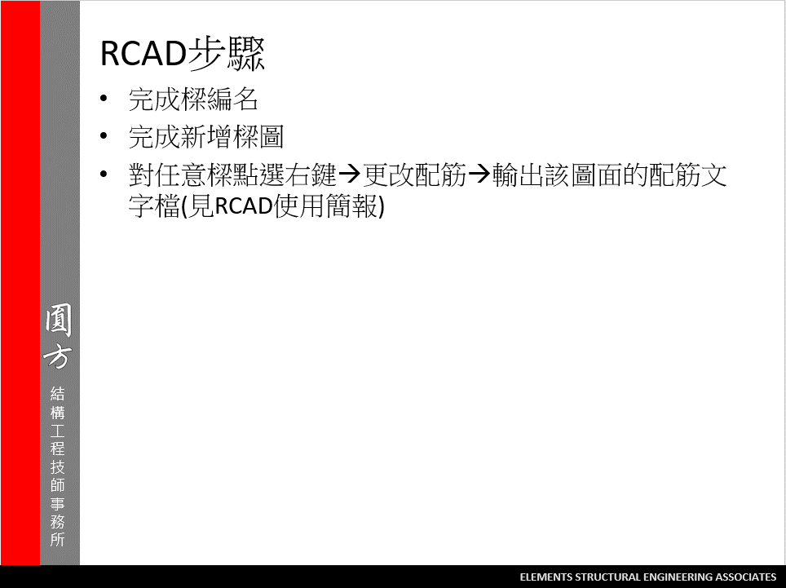
2

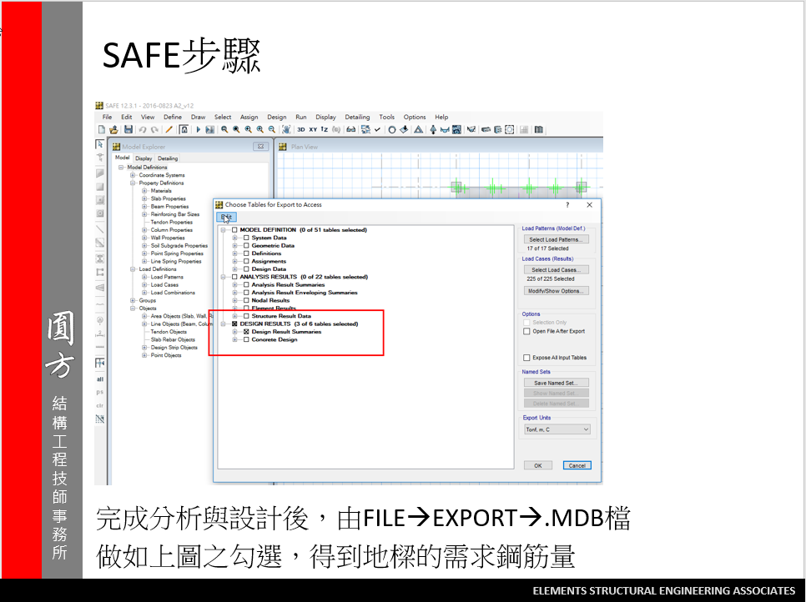
3
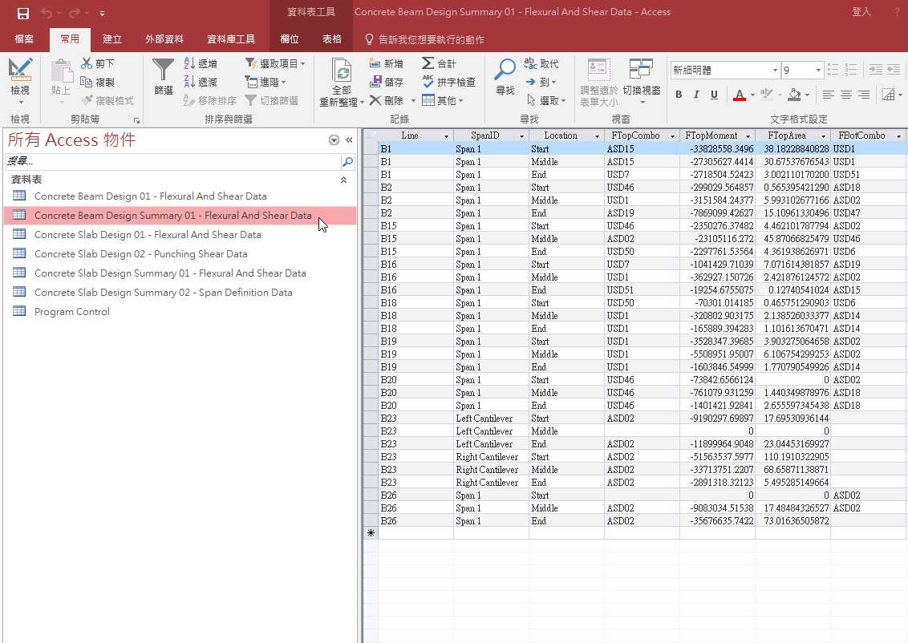

我們只會使用到游標選取的表格

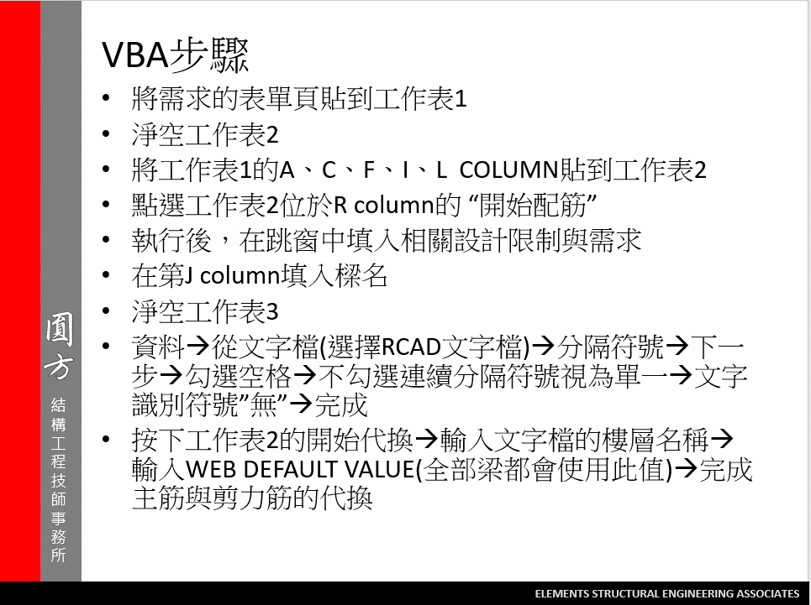
4

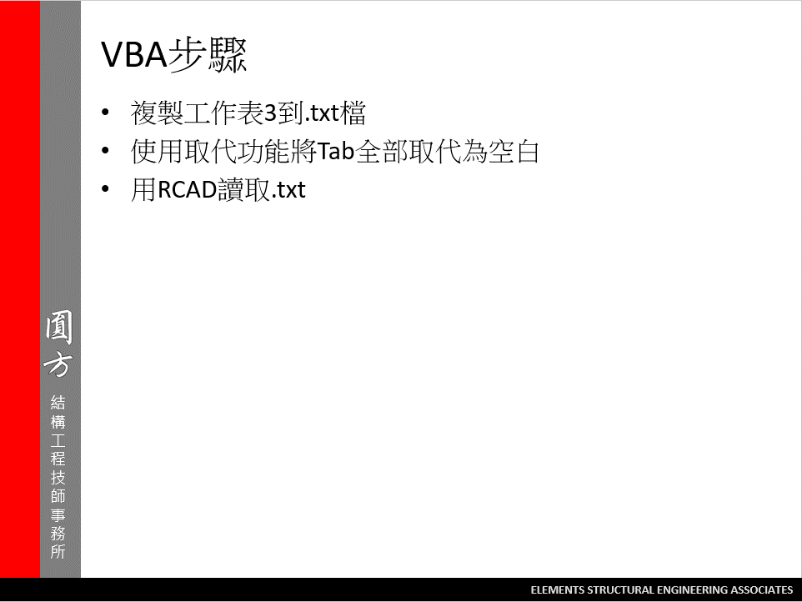
5

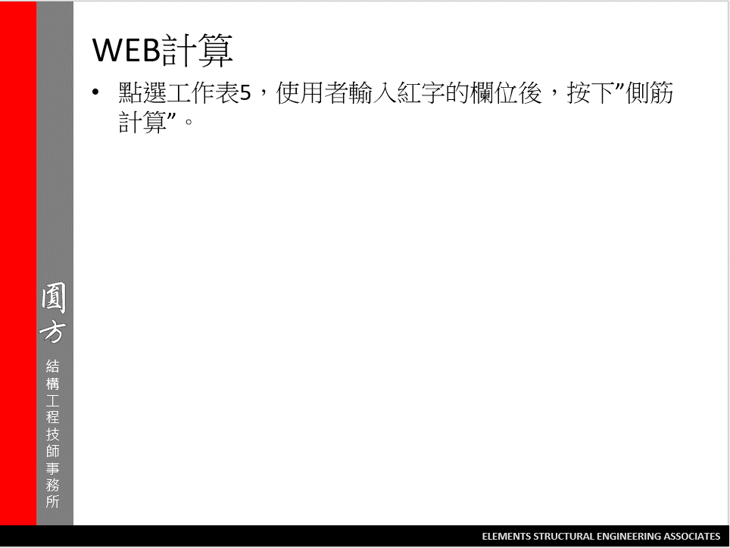

6

