計算表
不考慮RC4.9.3
Line | Location | FTopArea | FBotArea | VArea cm^2/cm | BarSize | BarArea | TopNumber | BotNumber | BName | AdjBname | VSize | VBarArea | VSpacing | maxspacingM | maxspacingLNR
B19 | Start | 94.488142058 | 4.387483059 | 0.06695901393 | 8 | 5.07 | 19 | 3 | FG1-91 | "B4FG1-91"( | #4 | 1.27 | 12 | 25 | 15 | 80 | 200 | 10 | 9 | 3 | 0
B19 | Middle | 161.15074977 | 33.477053512 | 0.06695901393 | 8 | 5.07 | 32 | 7 | FG1-91 | "B4FG1-91"( | #4 | 1.27 | 12 | 25 | 15 | 80 | 200 | 10 | 22 | 7 | 0
B19 | End | 78.129321337 | 127.05223635 | 0.16902073985 | 8 | 5.07 | 16 | 26 | FG1-91 | "B4FG1-91"( | #4 | 1.27 | 12 | 25 | 15 | 80 | 200 | 10 | 6 | 10 | 16
B29 | Start | 56.378636509 | 1.9348910428 | 0.10175922653 | 8 | 5.07 | 12 | 3 | FG1-81 | "B4FG1-81"( | #4 | 1.27 | 12 | 25 | 15 | 80 | 200 | 10 | 2 | 3 | 0
B29 | Middle | 99.376421422 | 0.001 | 0.22486499511 | 8 | 5.07 | 20 | 3 | FG1-81 | "B4FG1-81"( | #4 | 1.27 | 10 | 25 | 15 | 80 | 200 | 10 | 10 | 3 | 0
B29 | End | 36.574471742 | 138.0208414 | 0.38863082882 | 8 | 5.07 | 8 | 28 | FG1-81 | "B4FG1-81"( | 2#4 | 2.54 | 12 | 25 | 15 | 80 | 200 | 8 | 0 | 10 | 18
考慮RC4.9.3
B30 | Start | 0.001 | 115.30063115 | 0.35398870241 | 8 | 5.07 | 3 | 23 | FG1-82 | "B4FG1-82"( | 2#4 | 2.54 | 12 | 25 | 15 | 80 | 200 | 3 | 0 | 10 | 13
B30 | Middle | 55.103199556 | 34.789165948 | 0.36374116316 | 8 | 5.07 | 11 | 7 | FG1-82 | "B4FG1-82"( | 2#4 | 2.54 | 12 | 25 | 15 | 80 | 200 | 9 | 2 | 7 | 0
B30 | End | 118.15913953 | 87.218191475 | 0.16942394432 | 8 | 5.07 | 24 | 18 | FG1-82 | "B4FG1-82"( | #4 | 1.27 | 12 | 25 | 15 | 80 | 200 | 10 | 14 | 10 | 8
B36 | Start | 63.848691061 | 0.001 | 0.25442703627 | 8 | 5.07 | 13 | 3 | Fb1-71 | "B4Fb1-71"( | 2#4 | 2.54 | 15 | 25 | 15 | 60 | 200 | 7 | 6 | 3 | 0
B36 | Middle | 89.34575133 | 0.001 | 0.11683740886 | 8 | 5.07 | 18 | 3 | Fb1-71 | "B4Fb1-71"( | #4 | 1.27 | 15 | 25 | 15 | 60 | 200 | 7 | 11 | 3 | 0
RC 4.9.3
B36 | End | 34.190851729 | 83.477366716 | 0.16485597007 | 8 | 5.07 | 7 | 17 | Fb1-71 | "B4Fb1-71"( | #4 | 1.27 | 15 | 25 | 15 | 60 | 200 | 7 | 0 | 7 | 10
B39 | Start | 0 | 83.737922832 | 0.11568135815 | 8 | 5.07 | 3 | 17 | Fb1-72 | "B4Fb1-72"( | #4 | 1.27 | 15 | 25 | 15 | 60 | 200 | 3 | 0 | 7 | 10
B39 | Middle | 14.246330829 | 20.705331117 | 0.11791897705 | 8 | 5.07 | 3 | 5 | Fb1-72 | "B4Fb1-72"( | #4 | 1.27 | 15 | 25 | 15 | 60 | 200 | 3 | 0 | 5 | 0
B39 | End | 21.169565152 | 42.105689645 | 0.070758757647 | 8 | 5.07 | 5 | 9 | Fb1-72 | "B4Fb1-72"( | #4 | 1.27 | 15 | 25 | 15 | 60 | 200 | 5 | 0 | 7 | 2
B50 | Start | 87.567456067 | 0.98636191979 | 0.17048177542 | 8 | 5.07 | 18 | 3 | FG1-71 | "B4FG1-71"( | #4 | 1.27 | 12 | 25 | 15 | 80 | 200 | 10 | 8 | 3 | 0
B50 | Middle | 128.20582837 | 0.001 | 0.30085365288 | 8 | 5.07 | 26 | 3 | FG1-71 | "B4FG1-71"( | 2#4 | 2.54 | 15 | 25 | 15 | 80 | 200 | 10 | 16 | 3 | 0
B50 | End | 51.864148118 | 164.83385116 | 0.49603004009 | 8 | 5.07 | 11 | 33 | FG1-71 | "B4FG1-71"( | 2#4 | 2.54 | 10 | 25 | 15 | 80 | 200 | 9 | 2 | 10 | 23
B51 | Start | 0.001 | 160.35415232 | 0.37300947588 | 8 | 5.07 | 3 | 32 | FG1-72 | "B4FG1-72"( | 2#4 | 2.54 | 12 | 25 | 15 | 80 | 200 | 3 | 0 | 10 | 22
B51 | Middle | 18.022892764 | 59.037813917 | 0.38276193663 | 8 | 5.07 | 4 | 12 | FG1-72 | "B4FG1-72"( | 2#4 | 2.54 | 12 | 25 | 15 | 80 | 200 | 4 | 0 | 10 | 2
B51 | End | 73.680835776 | 137.16247864 | 0.27737319469 | 8 | 5.07 | 15 | 28 | FG1-72 | "B4FG1-72"( | 2#4 | 2.54 | 15 | 25 | 15 | 80 | 200 | 10 | 5 | 10 | 18
B54 | Start | 125.97503141 | 0.001 | 0 | 8 | 5.07 | 25 | 3 | FB1-E'2 | "B4FB1-E'2"( | #4 | 1.27 | 12 | 25 | 15 | 80 | 200 | 10 | 15 | 3 | 0
B54 | Middle | 120.77678926 | 0.001 | 0.22655555513 | 8 | 5.07 | 24 | 3 | FB1-E'2 | "B4FB1-E'2"( | #4 | 1.27 | 10 | 25 | 15 | 80 | 200 | 10 | 14 | 3 | 0
B54 | End | 24.047286715 | 7.962625823 | 0.21265922114 | 8 | 5.07 | 5 | 3 | FB1-E'2 | "B4FB1-E'2"( | #4 | 1.27 | 10 | 25 | 15 | 80 | 200 | 5 | 0 | 3 | 0
B57 | Start | 14.125943417 | 55.72041031 | 0 | 8 | 5.07 | 3 | 11 | FG1-86 | "B4FG1-86"( | #4 | 1.27 | 12 | 25 | 15 | 80 | 200 | 3 | 0 | 9 | 2
B57 | Middle | 20.724998321 | 40.436130948 | 0 | 8 | 5.07 | 5 | 8 | FG1-86 | "B4FG1-86"( | #4 | 1.27 | 12 | 25 | 15 | 80 | 200 | 5 | 0 | 8 | 0
B57 | End | 8.9522311464 | 33.875433728 | 0 | 8 | 5.07 | 3 | 7 | FG1-86 | "B4FG1-86"( | #4 | 1.27 | 12 | 25 | 15 | 80 | 200 | 3 | 0 | 7 | 0
B63 | Start | 70.395260118 | 0.001 | 0.28219411615 | 8 | 5.07 | 14 | 3 | Fb1-61 | "B4Fb1-61"( | 2#4 | 2.54 | 15 | 25 | 15 | 60 | 200 | 7 | 7 | 3 | 0
B63 | Middle | 96.686221659 | 0.001 | 0.12455129763 | 8 | 5.07 | 20 | 3 | Fb1-61 | "B4Fb1-61"( | #4 | 1.27 | 15 | 25 | 15 | 60 | 200 | 7 | 13 | 3 | 0
B63 | End | 39.456551895 | 82.997055724 | 0.18000046257 | 8 | 5.07 | 8 | 17 | Fb1-61 | "B4Fb1-61"( | #4 | 1.27 | 12 | 25 | 15 | 60 | 200 | 6 | 2 | 7 | 10
B66 | Start | 0.001 | 84.831640124 | 0.1148878946 | 8 | 5.07 | 3 | 17 | Fb1-62 | "B4Fb1-62"( | #4 | 1.27 | 15 | 25 | 15 | 60 | 200 | 3 | 0 | 7 | 10
B66 | Middle | 15.93287685 | 30.130792875 | 0.086605193792 | 8 | 5.07 | 4 | 6 | Fb1-62 | "B4Fb1-62"( | #4 | 1.27 | 15 | 25 | 15 | 60 | 200 | 4 | 0 | 6 | 0
B66 | End | 4.4968145085 | 39.148172364 | 0.082759629004 | 8 | 5.07 | 3 | 8 | Fb1-62 | "B4Fb1-62"( | #4 | 1.27 | 15 | 25 | 15 | 60 | 200 | 3 | 0 | 6 | 2
B70 | Start | 121.46932073 | 137.81632297 | 0.21621768828 | 8 | 5.07 | 24 | 28 | FB2-D'3 | "B4FB2-D'3"( | 2#4 | 2.54 | 15 | 25 | 15 | 120 | 280 | 16 | 8 | 16 | 12
B70 | Middle | 185.30849367 | 34.41668814 | 0.10043851798 | 8 | 5.07 | 37 | 7 | FB2-D'3 | "B4FB2-D'3"( | 2#4 | 2.54 | 15 | 25 | 15 | 120 | 280 | 16 | 21 | 7 | 0
B70 | End | 179.06585708 | 0.001 | 0 | 8 | 5.07 | 36 | 3 | FB2-D'3 | "B4FB2-D'3"( | 2#4 | 2.54 | 15 | 25 | 15 | 120 | 280 | 16 | 20 | 3 | 0
B75 | Start | 63.670733944 | 25.161560625 | 0.10253059445 | 8 | 5.07 | 13 | 5 | FG1-87 | "B4FG1-87"( | #4 | 1.27 | 12 | 25 | 15 | 80 | 200 | 10 | 3 | 5 | 0
B75 | Middle | 92.76220575 | 0.001 | 0 | 8 | 5.07 | 19 | 3 | FG1-87 | "B4FG1-87"( | #4 | 1.27 | 12 | 25 | 15 | 80 | 200 | 10 | 9 | 3 | 0
B75 | End | 80.036427826 | 2.8354133246 | 0 | 8 | 5.07 | 16 | 3 | FG1-87 | "B4FG1-87"( | #4 | 1.27 | 12 | 25 | 15 | 80 | 200 | 10 | 6 | 3 | 0
B82 | Start | 28.518771287 | 175.59446394 | 0.1733326586 | 8 | 5.07 | 6 | 35 | FB1-E'3 | "B4FB1-E'3"( | #4 | 1.27 | 12 | 25 | 15 | 80 | 200 | 6 | 0 | 10 | 25
B82 | Middle | 139.48046602 | 46.830913052 | 0.06695901393 | 8 | 5.07 | 28 | 10 | FB1-E'3 | "B4FB1-E'3"( | #4 | 1.27 | 12 | 25 | 15 | 80 | 200 | 10 | 18 | 10 | 0
B82 | End | 139.46021907 | 0.001 | 0 | 8 | 5.07 | 28 | 3 | FB1-E'3 | "B4FB1-E'3"( | #4 | 1.27 | 12 | 25 | 15 | 80 | 200 | 10 | 18 | 3 | 0
B83 | Start | 92.737339437 | 0.73327268183 | 0.18612744752 | 8 | 5.07 | 19 | 3 | FG1-61 | "B4FG1-61"( | #4 | 1.27 | 12 | 25 | 15 | 80 | 200 | 10 | 9 | 3 | 0
B83 | Middle | 134.3420241 | 0.001 | 0.27960862499 | 8 | 5.07 | 27 | 3 | FG1-61 | "B4FG1-61"( | 2#4 | 2.54 | 18 | 25 | 15 | 80 | 200 | 10 | 17 | 3 | 0
B83 | End | 49.771582708 | 143.94775964 | 0.48143337481 | 8 | 5.07 | 10 | 29 | FG1-61 | "B4FG1-61"( | 2#4 | 2.54 | 10 | 25 | 15 | 80 | 200 | 10 | 0 | 10 | 19
B84 | Start | 0.001 | 140.88854194 | 0.3004295053 | 8 | 5.07 | 3 | 28 | FG1-62 | "B4FG1-62"( | 2#4 | 2.54 | 15 | 25 | 15 | 80 | 200 | 3 | 0 | 10 | 18
B84 | Middle | 12.160465121 | 56.688571349 | 0.31018198933 | 8 | 5.07 | 3 | 12 | FG1-62 | "B4FG1-62"( | 2#4 | 2.54 | 15 | 25 | 15 | 80 | 200 | 3 | 0 | 10 | 2
B84 | End | 51.11375358 | 130.0270576 | 0.26466555428 | 8 | 5.07 | 11 | 26 | FG1-62 | "B4FG1-62"( | 2#4 | 2.54 | 15 | 25 | 15 | 80 | 200 | 9 | 2 | 10 | 16
B90 | Start | 44.352682307 | 39.341724478 | 0.050219258992 | 8 | 5.07 | 9 | 8 | Fb1-77 | "B4Fb1-77"( | #4 | 1.27 | 15 | 25 | 15 | 60 | 200 | 7 | 2 | 6 | 2
B90 | Middle | 83.467699587 | 0.001 | 0.050219258992 | 8 | 5.07 | 17 | 3 | Fb1-77 | "B4Fb1-77"( | #4 | 1.27 | 15 | 25 | 15 | 60 | 200 | 7 | 10 | 3 | 0
B90 | End | 77.180946246 | 0.001 | 0.050219258992 | 8 | 5.07 | 16 | 3 | Fb1-77 | "B4Fb1-77"( | #4 | 1.27 | 15 | 25 | 15 | 60 | 200 | 7 | 9 | 3 | 0
B93 | Start | 61.481180601 | 242.9947257 | 0 | 8 | 5.07 | 13 | 48 | FG2-6'4 | "B4FG2-6'4"( | #4 | 1.27 | 12 | 25 | 15 | 80 | 200 | 10 | 3 | 10 | 38
B93 | Middle | 51.14949774 | 154.02205288 | 0 | 8 | 5.07 | 11 | 31 | FG2-6'4 | "B4FG2-6'4"( | #4 | 1.27 | 12 | 25 | 15 | 80 | 200 | 9 | 2 | 10 | 21
B93 | End | 0.001 | 125.55482797 | 0 | 8 | 5.07 | 3 | 25 | FG2-6'4 | "B4FG2-6'4"( | #4 | 1.27 | 12 | 25 | 15 | 80 | 200 | 3 | 0 | 10 | 15
B112 | Start | 72.736237198 | 152.53368765 | 0.10043851798 | 8 | 5.07 | 15 | 31 | FB2-D'4 | "B4FB2-D'4"( | 2#4 | 2.54 | 15 | 25 | 15 | 120 | 280 | 15 | 0 | 16 | 15
B112 | Middle | 73.421071284 | 122.96235189 | 0.10043851798 | 8 | 5.07 | 15 | 25 | FB2-D'4 | "B4FB2-D'4"( | 2#4 | 2.54 | 15 | 25 | 15 | 120 | 280 | 15 | 0 | 16 | 9
B112 | End | 64.637805335 | 110.11093855 | 0.10043851798 | 8 | 5.07 | 13 | 22 | FB2-D'4 | "B4FB2-D'4"( | 2#4 | 2.54 | 15 | 25 | 15 | 120 | 280 | 13 | 0 | 16 | 6
B114 | Start | 66.218576394 | 150.43566935 | 0.06695901393 | 8 | 5.07 | 14 | 30 | FG2-6'5 | "B4FG2-6'5"( | #4 | 1.27 | 12 | 25 | 15 | 80 | 200 | 10 | 4 | 10 | 20
B114 | Middle | 125.22730976 | 16.930572456 | 0.06695901393 | 8 | 5.07 | 25 | 4 | FG2-6'5 | "B4FG2-6'5"( | #4 | 1.27 | 12 | 25 | 15 | 80 | 200 | 10 | 15 | 4 | 0
B114 | End | 118.85782704 | 3.3832088229 | 0 | 8 | 5.07 | 24 | 3 | FG2-6'5 | "B4FG2-6'5"( | #4 | 1.27 | 12 | 25 | 15 | 80 | 200 | 10 | 14 | 3 | 0
B121 | Start | 0.001 | 112.43766174 | 0.06695901393 | 8 | 5.07 | 3 | 23 | FB1-E'4 | "B4FB1-E'4"( | #4 | 1.27 | 12 | 25 | 15 | 80 | 200 | 3 | 0 | 10 | 13
B121 | Middle | 121.47030793 | 53.738863207 | 0.30100923032 | 8 | 5.07 | 24 | 11 | FB1-E'4 | "B4FB1-E'4"( | 2#4 | 2.54 | 15 | 25 | 15 | 80 | 200 | 10 | 14 | 9 | 2
B121 | End | 24.779145606 | 158.67553651 | 0.06695901393 | 8 | 5.07 | 5 | 32 | FB1-E'4 | "B4FB1-E'4"( | #4 | 1.27 | 12 | 25 | 15 | 80 | 200 | 5 | 0 | 10 | 22
B122 | Start | 95.773413777 | 0.82406237198 | 0.20126744639 | 8 | 5.07 | 19 | 3 | FG1-51 | "B4FG1-51"( | #4 | 1.27 | 12 | 25 | 15 | 80 | 200 | 10 | 9 | 3 | 0
B122 | Middle | 139.52514157 | 0.001 | 0.26084834244 | 8 | 5.07 | 28 | 3 | FG1-51 | "B4FG1-51"( | 2#4 | 2.54 | 18 | 25 | 15 | 80 | 200 | 10 | 18 | 3 | 0
B122 | End | 45.433910564 | 117.08337814 | 0.46554231085 | 8 | 5.07 | 9 | 24 | FG1-51 | "B4FG1-51"( | 2#4 | 2.54 | 10 | 25 | 15 | 80 | 200 | 9 | 0 | 10 | 14
B123 | Start | 0.001 | 108.91128331 | 0.27515538968 | 8 | 5.07 | 3 | 22 | FG1-52 | "B4FG1-52"( | 2#4 | 2.54 | 15 | 25 | 15 | 80 | 200 | 3 | 0 | 10 | 12
B123 | Middle | 21.140198223 | 30.40522337 | 0.28630108573 | 8 | 5.07 | 5 | 6 | FG1-52 | "B4FG1-52"( | 2#4 | 2.54 | 15 | 25 | 15 | 80 | 200 | 5 | 0 | 6 | 0
B123 | End | 27.424707077 | 93.213561922 | 0.18958158325 | 8 | 5.07 | 6 | 19 | FG1-52 | "B4FG1-52"( | #4 | 1.27 | 12 | 25 | 15 | 80 | 200 | 6 | 0 | 10 | 9
B124 | Start | 65.186270513 | 82.083772868 | 0 | 8 | 5.07 | 13 | 17 | FG2-53 | "B4FG2-53"( | 2#4 | 2.54 | 15 | 25 | 15 | 120 | 280 | 13 | 0 | 15 | 2
B124 | Middle | 72.334664874 | 28.118595947 | 0 | 8 | 5.07 | 15 | 6 | FG2-53 | "B4FG2-53"( | 2#4 | 2.54 | 15 | 25 | 15 | 120 | 280 | 15 | 0 | 6 | 0
B124 | End | 65.820724703 | 14.437879436 | 0 | 8 | 5.07 | 13 | 3 | FG2-53 | "B4FG2-53"( | 2#4 | 2.54 | 15 | 25 | 15 | 120 | 280 | 13 | 0 | 3 | 0
B125 | Start | 99.525488913 | 10.804079939 | 0 | 8 | 5.07 | 20 | 3 | FG2-54 | "B4FG2-54"( | 2#4 | 2.54 | 15 | 25 | 15 | 120 | 280 | 16 | 4 | 3 | 0
B125 | Middle | 119.68810111 | 20.105668809 | 0 | 8 | 5.07 | 24 | 4 | FG2-54 | "B4FG2-54"( | 2#4 | 2.54 | 15 | 25 | 15 | 120 | 280 | 16 | 8 | 4 | 0
B125 | End | 59.428624809 | 143.08474027 | 0.10043851798 | 8 | 5.07 | 12 | 29 | FG2-54 | "B4FG2-54"( | 2#4 | 2.54 | 15 | 25 | 15 | 120 | 280 | 12 | 0 | 16 | 13
B128 | Start | 22.831284441 | 157.82155097 | 0 | 8 | 5.07 | 5 | 32 | FG1-5'4 | "B4FG1-5'4"( | #4 | 1.27 | 12 | 25 | 15 | 80 | 200 | 5 | 0 | 10 | 22
B128 | Middle | 24.083463941 | 82.073463127 | 0 | 8 | 5.07 | 5 | 17 | FG1-5'4 | "B4FG1-5'4"( | #4 | 1.27 | 12 | 25 | 15 | 80 | 200 | 5 | 0 | 10 | 7
B128 | End | 0.001 | 112.35598475 | 0 | 8 | 5.07 | 3 | 23 | FG1-5'4 | "B4FG1-5'4"( | #4 | 1.27 | 12 | 25 | 15 | 80 | 200 | 3 | 0 | 10 | 13
B131 | Start | 76.57376118 | 0.001 | 0.3151347395 | 8 | 5.07 | 16 | 3 | Fb1-41 | "B4Fb1-41"( | 2#4 | 2.54 | 15 | 25 | 15 | 60 | 200 | 7 | 9 | 3 | 0
B131 | Middle | 105.07524014 | 0.001 | 0.11364327511 | 8 | 5.07 | 21 | 3 | Fb1-41 | "B4Fb1-41"( | #4 | 1.27 | 15 | 25 | 15 | 60 | 200 | 7 | 14 | 3 | 0
B131 | End | 35.474088509 | 57.340436615 | 0.16870760592 | 8 | 5.07 | 7 | 12 | Fb1-41 | "B4Fb1-41"( | #4 | 1.27 | 15 | 25 | 15 | 60 | 200 | 7 | 0 | 7 | 5
B134 | Start | 0.001 | 57.992707007 | 0.11200464796 | 8 | 5.07 | 3 | 12 | Fb1-42 | "B4Fb1-42"( | #4 | 1.27 | 15 | 25 | 15 | 60 | 200 | 3 | 0 | 7 | 5
B134 | Middle | 10.208773892 | 10.374373524 | 0.062558049103 | 8 | 5.07 | 3 | 3 | Fb1-42 | "B4Fb1-42"( | #4 | 1.27 | 15 | 25 | 15 | 60 | 200 | 3 | 0 | 3 | 0
B134 | End | 4.196826776 | 41.583725251 | 0.064623419894 | 8 | 5.07 | 3 | 9 | Fb1-42 | "B4Fb1-42"( | #4 | 1.27 | 15 | 25 | 15 | 60 | 200 | 3 | 0 | 7 | 2
B136 | Start | 10.891840793 | 40.764007717 | 0.076442706631 | 8 | 5.07 | 3 | 9 | Fb1-43 | "B4Fb1-43"( | #4 | 1.27 | 15 | 25 | 15 | 60 | 200 | 3 | 0 | 7 | 2
B136 | Middle | 23.968063761 | 0.001 | 0.050219258992 | 8 | 5.07 | 5 | 3 | Fb1-43 | "B4Fb1-43"( | #4 | 1.27 | 15 | 25 | 15 | 60 | 200 | 5 | 0 | 3 | 0
B136 | End | 11.176633416 | 14.981302666 | 0.050219258992 | 8 | 5.07 | 3 | 3 | Fb1-43 | "B4Fb1-43"( | #4 | 1.27 | 15 | 25 | 15 | 60 | 200 | 3 | 0 | 3 | 0
B138 | Start | 0.001 | 80.179553479 | 0.093441951321 | 8 | 5.07 | 3 | 16 | FB1-D5 | "B4FB1-D5"( | #4 | 1.27 | 12 | 25 | 15 | 80 | 200 | 3 | 0 | 10 | 6
B138 | Middle | 52.599147893 | 22.993376479 | 0.11152683292 | 8 | 5.07 | 11 | 5 | FB1-D5 | "B4FB1-D5"( | #4 | 1.27 | 12 | 25 | 15 | 80 | 200 | 9 | 2 | 5 | 0
B138 | End | 0.001 | 51.492555067 | 0.10416248115 | 8 | 5.07 | 3 | 11 | FB1-D5 | "B4FB1-D5"( | #4 | 1.27 | 12 | 25 | 15 | 80 | 200 | 3 | 0 | 9 | 2
B139 | Start | 21.062872838 | 23.177815601 | 0 | 8 | 5.07 | 5 | 5 | Fb1-44 | "B4Fb1-44"( | #4 | 1.27 | 15 | 25 | 15 | 60 | 200 | 5 | 0 | 5 | 0
B139 | Middle | 26.763668284 | 9.2462345492 | 0.050219258992 | 8 | 5.07 | 6 | 3 | Fb1-44 | "B4Fb1-44"( | #4 | 1.27 | 15 | 25 | 15 | 60 | 200 | 6 | 0 | 3 | 0
B139 | End | 18.51147972 | 59.07934159 | 0.20318466704 | 8 | 5.07 | 4 | 12 | Fb1-44 | "B4Fb1-44"( | #4 | 1.27 | 12 | 25 | 15 | 60 | 200 | 4 | 0 | 7 | 5
B140 | Start | 17.436138587 | 78.415339813 | 0.06695901393 | 8 | 5.07 | 4 | 16 | FB1-D'5 | "B4FB1-D'5"( | #4 | 1.27 | 12 | 25 | 15 | 80 | 200 | 4 | 0 | 10 | 6
B140 | Middle | 90.721976012 | 47.118715011 | 0.06695901393 | 8 | 5.07 | 18 | 10 | FB1-D'5 | "B4FB1-D'5"( | #4 | 1.27 | 12 | 25 | 15 | 80 | 200 | 10 | 8 | 10 | 0
B140 | End | 65.9425091 | 163.4241268 | 0.50295558758 | 8 | 5.07 | 14 | 33 | FB1-D'5 | "B4FB1-D'5"( | 2#4 | 2.54 | 10 | 25 | 15 | 80 | 200 | 10 | 4 | 10 | 23
B142 | Start | 38.400117774 | 127.89999135 | 0.06695901393 | 8 | 5.07 | 8 | 26 | FG1-5'5 | "B4FG1-5'5"( | #4 | 1.27 | 12 | 25 | 15 | 80 | 200 | 8 | 0 | 10 | 16
B142 | Middle | 129.77199629 | 8.4432138829 | 0.06695901393 | 8 | 5.07 | 26 | 3 | FG1-5'5 | "B4FG1-5'5"( | #4 | 1.27 | 12 | 25 | 15 | 80 | 200 | 10 | 16 | 3 | 0
B142 | End | 124.21675026 | 4.9118802417 | 0 | 8 | 5.07 | 25 | 3 | FG1-5'5 | "B4FG1-5'5"( | #4 | 1.27 | 12 | 25 | 15 | 80 | 200 | 10 | 15 | 3 | 0
B143 | Start | 4.7667010222 | 56.283669546 | 0.050219258992 | 8 | 5.07 | 3 | 12 | Fb1-45 | "B4Fb1-45"( | #4 | 1.27 | 15 | 25 | 15 | 60 | 200 | 3 | 0 | 7 | 5
B143 | Middle | 14.169740025 | 16.079036286 | 0.05394507898 | 8 | 5.07 | 3 | 4 | Fb1-45 | "B4Fb1-45"( | #4 | 1.27 | 15 | 25 | 15 | 60 | 200 | 3 | 0 | 4 | 0
B143 | End | 0.001 | 63.679898158 | 0.11386021506 | 8 | 5.07 | 3 | 13 | Fb1-45 | "B4Fb1-45"( | #4 | 1.27 | 15 | 25 | 15 | 60 | 200 | 3 | 0 | 7 | 6
B144 | Start | 12.092445977 | 99.095758051 | 0.10488536209 | 8 | 5.07 | 3 | 20 | FB1-E'5 | "B4FB1-E'5"( | #4 | 1.27 | 12 | 25 | 15 | 80 | 200 | 3 | 0 | 10 | 10
B144 | Middle | 92.832846567 | 41.571035981 | 0.06695901393 | 8 | 5.07 | 19 | 9 | FB1-E'5 | "B4FB1-E'5"( | #4 | 1.27 | 12 | 25 | 15 | 80 | 200 | 10 | 9 | 9 | 0
B144 | End | 1.4431033924 | 107.36203752 | 0.06695901393 | 8 | 5.07 | 3 | 22 | FB1-E'5 | "B4FB1-E'5"( | #4 | 1.27 | 12 | 25 | 15 | 80 | 200 | 3 | 0 | 10 | 12
B145 | Start | 97.785228863 | 0.81571371993 | 0.21786342841 | 8 | 5.07 | 20 | 3 | FG1-41 | "B4FG1-41"( | #4 | 1.27 | 10 | 25 | 15 | 80 | 200 | 10 | 10 | 3 | 0
B145 | Middle | 144.13798228 | 0 | 0.26736990549 | 8 | 5.07 | 29 | 3 | FG1-41 | "B4FG1-41"( | 2#4 | 2.54 | 18 | 25 | 15 | 80 | 200 | 10 | 19 | 3 | 0
B145 | End | 43.127513491 | 115.23578316 | 0.47443523072 | 8 | 5.07 | 9 | 23 | FG1-41 | "B4FG1-41"( | 2#4 | 2.54 | 10 | 25 | 15 | 80 | 200 | 9 | 0 | 10 | 13
B146 | Start | 0 | 98.632890731 | 0.26967776939 | 8 | 5.07 | 3 | 20 | FG1-42 | "B4FG1-42"( | 2#4 | 2.54 | 15 | 25 | 15 | 80 | 200 | 3 | 0 | 10 | 10
B146 | Middle | 19.515230088 | 9.564224747 | 0.28082346544 | 8 | 5.07 | 4 | 3 | FG1-42 | "B4FG1-42"( | 2#4 | 2.54 | 18 | 25 | 15 | 80 | 200 | 4 | 0 | 3 | 0
B146 | End | 13.115549227 | 62.072640285 | 0.10753044626 | 8 | 5.07 | 3 | 13 | FG1-42 | "B4FG1-42"( | #4 | 1.27 | 12 | 25 | 15 | 80 | 200 | 3 | 0 | 10 | 3
B147 | Start | 17.915347125 | 79.437773675 | 0.24230442941 | 8 | 5.07 | 4 | 16 | FG1-43 | "B4FG1-43"( | #4 | 1.27 | 10 | 25 | 15 | 80 | 200 | 4 | 0 | 10 | 6
B147 | Middle | 32.558429521 | 10.953929741 | 0.25234671775 | 8 | 5.07 | 7 | 3 | FG1-43 | "B4FG1-43"( | #4 | 1.27 | 10 | 25 | 15 | 80 | 200 | 7 | 0 | 3 | 0
B147 | End | 20.396027248 | 10.821357137 | 0.06695901393 | 8 | 5.07 | 5 | 3 | FG1-43 | "B4FG1-43"( | #4 | 1.27 | 12 | 25 | 15 | 80 | 200 | 5 | 0 | 3 | 0
B148 | Start | 16.179835657 | 2.433530899 | 0.06695901393 | 8 | 5.07 | 4 | 3 | FG1-44 | "B4FG1-44"( | #4 | 1.27 | 12 | 25 | 15 | 80 | 200 | 4 | 0 | 3 | 0
B148 | Middle | 24.007707834 | 29.810578562 | 0.06695901393 | 8 | 5.07 | 5 | 6 | FG1-44 | "B4FG1-44"( | #4 | 1.27 | 12 | 25 | 15 | 80 | 200 | 5 | 0 | 6 | 0
B148 | End | 16.065164236 | 103.39138098 | 0.06695901393 | 8 | 5.07 | 4 | 21 | FG1-44 | "B4FG1-44"( | #4 | 1.27 | 12 | 25 | 15 | 80 | 200 | 4 | 0 | 10 | 11
B149 | Start | 32.541975379 | 58.269225992 | 0.050219258992 | 8 | 5.07 | 7 | 12 | Fb1-46 | "B4Fb1-46"( | #4 | 1.27 | 15 | 25 | 15 | 60 | 200 | 7 | 0 | 7 | 5
B149 | Middle | 95.81964463 | 0.001 | 0 | 8 | 5.07 | 19 | 3 | Fb1-46 | "B4Fb1-46"( | #4 | 1.27 | 15 | 25 | 15 | 60 | 200 | 7 | 12 | 3 | 0
B149 | End | 88.99724111 | 0.001 | 0.050219258992 | 8 | 5.07 | 18 | 3 | Fb1-46 | "B4Fb1-46"( | #4 | 1.27 | 15 | 25 | 15 | 60 | 200 | 7 | 11 | 3 | 0
B151 | Start | 21.13833325 | 51.905713044 | 0 | 8 | 5.07 | 5 | 11 | FG1-4'4 | "B4FG1-4'4"( | #4 | 1.27 | 12 | 25 | 15 | 80 | 200 | 5 | 0 | 9 | 2
B151 | Middle | 23.464714177 | 55.468985811 | 0.06695901393 | 8 | 5.07 | 5 | 11 | FG1-4'4 | "B4FG1-4'4"( | #4 | 1.27 | 12 | 25 | 15 | 80 | 200 | 5 | 0 | 9 | 2
B151 | End | 0.001 | 109.27355848 | 0 | 8 | 5.07 | 3 | 22 | FG1-4'4 | "B4FG1-4'4"( | #4 | 1.27 | 12 | 25 | 15 | 80 | 200 | 3 | 0 | 10 | 12
B156 | Start | 79.04779166 | 0.001 | 0.33067411277 | 8 | 5.07 | 16 | 3 | Fb1-31 | "B4Fb1-31"( | 2#4 | 2.54 | 15 | 25 | 15 | 60 | 200 | 7 | 9 | 3 | 0
B156 | Middle | 108.66881348 | 0.001 | 0.11713468703 | 8 | 5.07 | 22 | 3 | Fb1-31 | "B4Fb1-31"( | #4 | 1.27 | 15 | 25 | 15 | 60 | 200 | 7 | 15 | 3 | 0
B156 | End | 34.824023023 | 57.500014082 | 0.17281606561 | 8 | 5.07 | 7 | 12 | Fb1-31 | "B4Fb1-31"( | #4 | 1.27 | 12 | 25 | 15 | 60 | 200 | 7 | 0 | 7 | 5
B159 | Start | 0.001 | 58.007580228 | 0.12789379107 | 8 | 5.07 | 3 | 12 | Fb1-32 | "B4Fb1-32"( | #4 | 1.27 | 15 | 25 | 15 | 60 | 200 | 3 | 0 | 7 | 5
B159 | Middle | 10.72414103 | 6.379186525 | 0.071205856511 | 8 | 5.07 | 3 | 3 | Fb1-32 | "B4Fb1-32"( | #4 | 1.27 | 15 | 25 | 15 | 60 | 200 | 3 | 0 | 3 | 0
B159 | End | 2.6322744088 | 33.500848804 | 0.052065815544 | 8 | 5.07 | 3 | 7 | Fb1-32 | "B4Fb1-32"( | #4 | 1.27 | 15 | 25 | 15 | 60 | 200 | 3 | 0 | 7 | 0
B161 | Start | 3.5336872679 | 32.734873239 | 0.057302432833 | 8 | 5.07 | 3 | 7 | Fb1-33 | "B4Fb1-33"( | #4 | 1.27 | 15 | 25 | 15 | 60 | 200 | 3 | 0 | 7 | 0
B161 | Middle | 21.595840808 | 0.001 | 0.050219258992 | 8 | 5.07 | 5 | 3 | Fb1-33 | "B4Fb1-33"( | #4 | 1.27 | 15 | 25 | 15 | 60 | 200 | 5 | 0 | 3 | 0
B161 | End | 6.3743384089 | 14.102129498 | 0.050219258992 | 8 | 5.07 | 3 | 3 | Fb1-33 | "B4Fb1-33"( | #4 | 1.27 | 15 | 25 | 15 | 60 | 200 | 3 | 0 | 3 | 0
B162 | Start | 0.001 | 48.575019464 | 0.13535079779 | 8 | 5.07 | 3 | 10 | FB1-D6 | "B4FB1-D6"( | #4 | 1.27 | 12 | 25 | 15 | 80 | 200 | 3 | 0 | 10 | 0
B162 | Middle | 51.105269231 | 0.001 | 0.26897964999 | 8 | 5.07 | 11 | 3 | FB1-D6 | "B4FB1-D6"( | 2#4 | 2.54 | 18 | 25 | 15 | 80 | 200 | 9 | 2 | 3 | 0
B162 | End | 0.001 | 85.448008031 | 0.32367249951 | 8 | 5.07 | 3 | 17 | FB1-D6 | "B4FB1-D6"( | 2#4 | 2.54 | 15 | 25 | 15 | 80 | 200 | 3 | 0 | 10 | 7
B163 | Start | 6.0174119426 | 12.13671756 | 0 | 8 | 5.07 | 3 | 3 | Fb1-34 | "B4Fb1-34"( | #4 | 1.27 | 15 | 25 | 15 | 60 | 200 | 3 | 0 | 3 | 0
B163 | Middle | 14.104130678 | 0.001 | 0 | 8 | 5.07 | 3 | 3 | Fb1-34 | "B4Fb1-34"( | #4 | 1.27 | 15 | 25 | 15 | 60 | 200 | 3 | 0 | 3 | 0
B163 | End | 7.1974954335 | 9.0409308905 | 0 | 8 | 5.07 | 3 | 3 | Fb1-34 | "B4Fb1-34"( | #4 | 1.27 | 15 | 25 | 15 | 60 | 200 | 3 | 0 | 3 | 0
B164 | Start | 16.116021434 | 65.262881108 | 0.06695901393 | 8 | 5.07 | 4 | 13 | FB1-D'6 | "B4FB1-D'6"( | #4 | 1.27 | 12 | 25 | 15 | 80 | 200 | 4 | 0 | 10 | 3
B164 | Middle | 58.846110478 | 22.335476242 | 0.06695901393 | 8 | 5.07 | 12 | 5 | FB1-D'6 | "B4FB1-D'6"( | #4 | 1.27 | 12 | 25 | 15 | 80 | 200 | 10 | 2 | 5 | 0
B164 | End | 0.001 | 90.382779017 | 0.06695901393 | 8 | 5.07 | 3 | 18 | FB1-D'6 | "B4FB1-D'6"( | #4 | 1.27 | 12 | 25 | 15 | 80 | 200 | 3 | 0 | 10 | 8
B165 | Start | 19.685078878 | 125.46831742 | 0.06695901393 | 8 | 5.07 | 4 | 25 | FG1-4'5 | "B4FG1-4'5"( | #4 | 1.27 | 12 | 25 | 15 | 80 | 200 | 4 | 0 | 10 | 15
B165 | Middle | 132.24456459 | 7.8010233119 | 0.06695901393 | 8 | 5.07 | 27 | 3 | FG1-4'5 | "B4FG1-4'5"( | #4 | 1.27 | 12 | 25 | 15 | 80 | 200 | 10 | 17 | 3 | 0
B165 | End | 126.73366815 | 4.1935185436 | 0 | 8 | 5.07 | 25 | 3 | FG1-4'5 | "B4FG1-4'5"( | #4 | 1.27 | 12 | 25 | 15 | 80 | 200 | 10 | 15 | 3 | 0
B171 | Start | 16.157397768 | 130.12608513 | 0.16912686406 | 8 | 5.07 | 4 | 26 | FB1-E'6 | "B4FB1-E'6"( | #4 | 1.27 | 12 | 25 | 15 | 80 | 200 | 4 | 0 | 10 | 16
B171 | Middle | 100.98067112 | 33.477053512 | 0.06695901393 | 8 | 5.07 | 20 | 7 | FB1-E'6 | "B4FB1-E'6"( | #4 | 1.27 | 12 | 25 | 15 | 80 | 200 | 10 | 10 | 7 | 0
B171 | End | 0.001 | 99.718421698 | 0.06695901393 | 8 | 5.07 | 3 | 20 | FB1-E'6 | "B4FB1-E'6"( | #4 | 1.27 | 12 | 25 | 15 | 80 | 200 | 3 | 0 | 10 | 10
B173 | Start | 95.743443817 | 1.1368936975 | 0.24884073064 | 8 | 5.07 | 19 | 3 | FG1-31 | "B4FG1-31"( | #4 | 1.27 | 10 | 25 | 15 | 80 | 200 | 10 | 9 | 3 | 0
B173 | Middle | 149.9069389 | 0.001 | 0.2817010507 | 8 | 5.07 | 30 | 3 | FG1-31 | "B4FG1-31"( | 2#4 | 2.54 | 18 | 25 | 15 | 80 | 200 | 10 | 20 | 3 | 0
B173 | End | 37.977420725 | 118.32676828 | 0.50919307396 | 8 | 5.07 | 8 | 24 | FG1-31 | "B4FG1-31"( | 2#5 | 3.98 | 15 | 25 | 15 | 80 | 200 | 8 | 0 | 10 | 14
B174 | Start | 0.001 | 93.718096614 | 0.28330415953 | 8 | 5.07 | 3 | 19 | FG1-32 | "B4FG1-32"( | 2#4 | 2.54 | 15 | 25 | 15 | 80 | 200 | 3 | 0 | 10 | 9
B174 | Middle | 19.609576557 | 7.2181405267 | 0.29444983229 | 8 | 5.07 | 4 | 3 | FG1-32 | "B4FG1-32"( | 2#4 | 2.54 | 15 | 25 | 15 | 80 | 200 | 4 | 0 | 3 | 0
B174 | End | 0.001 | 37.735279184 | 0.06695901393 | 8 | 5.07 | 3 | 8 | FG1-32 | "B4FG1-32"( | #4 | 1.27 | 12 | 25 | 15 | 80 | 200 | 3 | 0 | 8 | 0
B175 | Start | 0.001 | 48.041911796 | 0.19479581388 | 8 | 5.07 | 3 | 10 | FG1-33 | "B4FG1-33"( | #4 | 1.27 | 12 | 25 | 15 | 80 | 200 | 3 | 0 | 10 | 0
B175 | Middle | 45.424439013 | 0.001 | 0.20628951024 | 8 | 5.07 | 9 | 3 | FG1-33 | "B4FG1-33"( | #4 | 1.27 | 12 | 25 | 15 | 80 | 200 | 9 | 0 | 3 | 0
B175 | End | 12.053890387 | 32.185441814 | 0.14987986069 | 8 | 5.07 | 3 | 7 | FG1-33 | "B4FG1-33"( | #4 | 1.27 | 12 | 25 | 15 | 80 | 200 | 3 | 0 | 7 | 0
B176 | Start | 5.2397092804 | 33.057546243 | 0 | 8 | 5.07 | 3 | 7 | FG1-34 | "B4FG1-34"( | #4 | 1.27 | 12 | 25 | 15 | 80 | 200 | 3 | 0 | 7 | 0
B176 | Middle | 10.188107844 | 26.252667885 | 0 | 8 | 5.07 | 3 | 6 | FG1-34 | "B4FG1-34"( | #4 | 1.27 | 12 | 25 | 15 | 80 | 200 | 3 | 0 | 6 | 0
B176 | End | 0.001 | 27.001830749 | 0 | 8 | 5.07 | 3 | 6 | FG1-34 | "B4FG1-34"( | #4 | 1.27 | 12 | 25 | 15 | 80 | 200 | 3 | 0 | 6 | 0
B179 | Start | 5.8676308254 | 18.238803605 | 0 | 8 | 5.07 | 3 | 4 | FG1-3'4 | "B4FG1-3'4"( | #4 | 1.27 | 12 | 25 | 15 | 80 | 200 | 3 | 0 | 4 | 0
B179 | Middle | 8.2745210966 | 57.687475346 | 0.06695901393 | 8 | 5.07 | 3 | 12 | FG1-3'4 | "B4FG1-3'4"( | #4 | 1.27 | 12 | 25 | 15 | 80 | 200 | 3 | 0 | 10 | 2
B179 | End | 0.001 | 100.76561011 | 0 | 8 | 5.07 | 3 | 20 | FG1-3'4 | "B4FG1-3'4"( | #4 | 1.27 | 12 | 25 | 15 | 80 | 200 | 3 | 0 | 10 | 10
B182 | Start | 43.330714107 | 108.4646862 | 0.06695901393 | 8 | 5.07 | 9 | 22 | FG1-3'5 | "B4FG1-3'5"( | #4 | 1.27 | 12 | 25 | 15 | 80 | 200 | 9 | 0 | 10 | 12
B182 | Middle | 130.2674599 | 0.001 | 0.06695901393 | 8 | 5.07 | 26 | 3 | FG1-3'5 | "B4FG1-3'5"( | #4 | 1.27 | 12 | 25 | 15 | 80 | 200 | 10 | 16 | 3 | 0
B182 | End | 129.44945134 | 4.3456139974 | 0 | 8 | 5.07 | 26 | 3 | FG1-3'5 | "B4FG1-3'5"( | #4 | 1.27 | 12 | 25 | 15 | 80 | 200 | 10 | 16 | 3 | 0
B184 | Start | 73.105110787 | 0.001 | 0.34039937891 | 8 | 5.07 | 15 | 3 | Fb1-21 | "B4Fb1-21"( | 2#4 | 2.54 | 12 | 25 | 15 | 60 | 200 | 7 | 8 | 3 | 0
B184 | Middle | 105.62106967 | 0.001 | 0.10104371468 | 8 | 5.07 | 21 | 3 | Fb1-21 | "B4Fb1-21"( | #4 | 1.27 | 15 | 25 | 15 | 60 | 200 | 7 | 14 | 3 | 0
B184 | End | 41.193938814 | 15.740352683 | 0.12942549074 | 8 | 5.07 | 9 | 4 | Fb1-21 | "B4Fb1-21"( | #4 | 1.27 | 15 | 25 | 15 | 60 | 200 | 7 | 2 | 4 | 0
B189 | Start | 10.725380853 | 6.9129368057 | 0.050219258992 | 8 | 5.07 | 3 | 3 | Fb1-23 | "B4Fb1-23"( | #4 | 1.27 | 15 | 25 | 15 | 60 | 200 | 3 | 0 | 3 | 0
B189 | Middle | 34.91997486 | 0.001 | 0.050219258992 | 8 | 5.07 | 7 | 3 | Fb1-23 | "B4Fb1-23"( | #4 | 1.27 | 15 | 25 | 15 | 60 | 200 | 7 | 0 | 3 | 0
B189 | End | 13.32324231 | 20.743664354 | 0.082497711992 | 8 | 5.07 | 3 | 5 | Fb1-23 | "B4Fb1-23"( | #4 | 1.27 | 15 | 25 | 15 | 60 | 200 | 3 | 0 | 5 | 0
B192 | Start | 9.6979842056 | 19.048323156 | 0 | 8 | 5.07 | 3 | 4 | Fb1-24 | "B4Fb1-24"( | #4 | 1.27 | 15 | 25 | 15 | 60 | 200 | 3 | 0 | 4 | 0
B192 | Middle | 9.8221108783 | 4.6616862528 | 0 | 8 | 5.07 | 3 | 3 | Fb1-24 | "B4Fb1-24"( | #4 | 1.27 | 15 | 25 | 15 | 60 | 200 | 3 | 0 | 3 | 0
B192 | End | 0.001 | 9.3007361284 | 0 | 8 | 5.07 | 3 | 3 | Fb1-24 | "B4Fb1-24"( | #4 | 1.27 | 15 | 25 | 15 | 60 | 200 | 3 | 0 | 3 | 0
B200 | Start | 49.104145728 | 4.6079370077 | 0.17891795142 | 8 | 5.07 | 10 | 3 | FG1-21 | "B4FG1-21"( | #4 | 1.27 | 12 | 25 | 15 | 80 | 200 | 10 | 0 | 3 | 0
B200 | Middle | 119.12681162 | 0.001 | 0.25720109697 | 8 | 5.07 | 24 | 3 | FG1-21 | "B4FG1-21"( | 2#4 | 2.54 | 18 | 25 | 15 | 80 | 200 | 10 | 14 | 3 | 0
B200 | End | 50.010541454 | 109.15760882 | 0.52590882406 | 8 | 5.07 | 10 | 22 | FG1-21 | "B4FG1-21"( | 2#5 | 3.98 | 15 | 25 | 15 | 80 | 200 | 10 | 0 | 10 | 12
B201 | Start | 0.001 | 87.471157312 | 0.27990774252 | 8 | 5.07 | 3 | 18 | FG1-22 | "B4FG1-22"( | 2#4 | 2.54 | 15 | 25 | 15 | 80 | 200 | 3 | 0 | 10 | 8
B201 | Middle | 22.949420381 | 10.572612518 | 0.29105341528 | 8 | 5.07 | 5 | 3 | FG1-22 | "B4FG1-22"( | 2#4 | 2.54 | 15 | 25 | 15 | 80 | 200 | 5 | 0 | 3 | 0
B201 | End | 0.001 | 43.284874409 | 0.082453514915 | 8 | 5.07 | 3 | 9 | FG1-22 | "B4FG1-22"( | #4 | 1.27 | 12 | 25 | 15 | 80 | 200 | 3 | 0 | 9 | 0
B202 | Start | 0.001 | 50.827912055 | 0.2309065545 | 8 | 5.07 | 3 | 11 | FG1-23 | "B4FG1-23"( | #4 | 1.27 | 10 | 25 | 15 | 80 | 200 | 3 | 0 | 9 | 2
B202 | Middle | 51.651657559 | 0.001 | 0.2424002625 | 8 | 5.07 | 11 | 3 | FG1-23 | "B4FG1-23"( | #4 | 1.27 | 10 | 25 | 15 | 80 | 200 | 9 | 2 | 3 | 0
B202 | End | 25.242688134 | 39.490065537 | 0.18028117483 | 8 | 5.07 | 5 | 8 | FG1-23 | "B4FG1-23"( | #4 | 1.27 | 12 | 25 | 15 | 80 | 200 | 5 | 0 | 8 | 0
B203 | Start | 1.2503174366 | 40.169437416 | 0.06695901393 | 8 | 5.07 | 3 | 8 | FG1-24 | "B4FG1-24"( | #4 | 1.27 | 12 | 25 | 15 | 80 | 200 | 3 | 0 | 8 | 0
B203 | Middle | 0.001 | 67.752371542 | 0.2163013909 | 8 | 5.07 | 3 | 14 | FG1-24 | "B4FG1-24"( | #4 | 1.27 | 10 | 25 | 15 | 80 | 200 | 3 | 0 | 10 | 4
B203 | End | 0.001 | 98.917679861 | 0.20889886655 | 8 | 5.07 | 3 | 20 | FG1-24 | "B4FG1-24"( | #4 | 1.27 | 12 | 25 | 15 | 80 | 200 | 3 | 0 | 10 | 10
B205 | Start | 38.055542391 | 187.18799576 | 0.28546696994 | 8 | 5.07 | 8 | 37 | FG1-2'5 | "B4FG1-2'5"( | 2#4 | 2.54 | 15 | 25 | 15 | 80 | 200 | 8 | 0 | 10 | 27
B205 | Middle | 123.96927923 | 0.001 | 0.06695901393 | 8 | 5.07 | 25 | 3 | FG1-2'5 | "B4FG1-2'5"( | #4 | 1.27 | 12 | 25 | 15 | 80 | 200 | 10 | 15 | 3 | 0
B205 | End | 119.43059973 | 11.289898539 | 0.06695901393 | 8 | 5.07 | 24 | 3 | FG1-2'5 | "B4FG1-2'5"( | #4 | 1.27 | 12 | 25 | 15 | 80 | 200 | 10 | 14 | 3 | 0
B208 | Start | 33.328458667 | 4.35434049 | 0.15179732582 | 8 | 5.07 | 7 | 3 | Fb1-11 | "B4Fb1-11"( | #4 | 1.27 | 15 | 25 | 15 | 60 | 200 | 7 | 0 | 3 | 0
B208 | Middle | 83.787282929 | 0.001 | 0.10663352441 | 8 | 5.07 | 17 | 3 | Fb1-11 | "B4Fb1-11"( | #4 | 1.27 | 15 | 25 | 15 | 60 | 200 | 7 | 10 | 3 | 0
B208 | End | 42.531578802 | 34.886721987 | 0.15847854083 | 8 | 5.07 | 9 | 7 | Fb1-11 | "B4Fb1-11"( | #4 | 1.27 | 15 | 25 | 15 | 60 | 200 | 7 | 2 | 7 | 0
B211 | Start | 0.001 | 36.433236673 | 0.059992627939 | 8 | 5.07 | 3 | 8 | Fb1-12 | "B4Fb1-12"( | #4 | 1.27 | 15 | 25 | 15 | 60 | 200 | 3 | 0 | 6 | 2
B211 | Middle | 11.574964738 | 0.55688578868 | 0.050219258992 | 8 | 5.07 | 3 | 3 | Fb1-12 | "B4Fb1-12"( | #4 | 1.27 | 15 | 25 | 15 | 60 | 200 | 3 | 0 | 3 | 0
B211 | End | 0.23731994588 | 26.163810398 | 0.050219258992 | 8 | 5.07 | 3 | 6 | Fb1-12 | "B4Fb1-12"( | #4 | 1.27 | 15 | 25 | 15 | 60 | 200 | 3 | 0 | 6 | 0
B212 | Start | 26.755188592 | 111.2937741 | 0.49619195051 | 8 | 5.07 | 6 | 22 | FB1-C8 | "B4FB1-C8"( | 2#4 | 2.54 | 10 | 25 | 15 | 80 | 200 | 6 | 0 | 10 | 12
B212 | Middle | 151.70529485 | 0.001 | 0.31664029229 | 8 | 5.07 | 30 | 3 | FB1-C8 | "B4FB1-C8"( | 2#4 | 2.54 | 15 | 25 | 15 | 80 | 200 | 10 | 20 | 3 | 0
B212 | End | 75.60858503 | 7.788289804 | 0.31783452723 | 8 | 5.07 | 15 | 3 | FB1-C8 | "B4FB1-C8"( | 2#4 | 2.54 | 15 | 25 | 15 | 80 | 200 | 10 | 5 | 3 | 0
B213 | Start | 0.91843692644 | 25.276804809 | 0.050219258992 | 8 | 5.07 | 3 | 5 | Fb1-13 | "B4Fb1-13"( | #4 | 1.27 | 15 | 25 | 15 | 60 | 200 | 3 | 0 | 5 | 0
B213 | Middle | 24.776728824 | 0.001 | 0.050219258992 | 8 | 5.07 | 5 | 3 | Fb1-13 | "B4Fb1-13"( | #4 | 1.27 | 15 | 25 | 15 | 60 | 200 | 5 | 0 | 3 | 0
B213 | End | 2.7022711583 | 21.024302114 | 0.052068429068 | 8 | 5.07 | 3 | 5 | Fb1-13 | "B4Fb1-13"( | #4 | 1.27 | 15 | 25 | 15 | 60 | 200 | 3 | 0 | 5 | 0
B215 | Start | 24.247807451 | 114.85166848 | 0.48845731653 | 8 | 5.07 | 5 | 23 | FB1-D8 | "B4FB1-D8"( | 2#4 | 2.54 | 10 | 25 | 15 | 80 | 200 | 5 | 0 | 10 | 13
B215 | Middle | 142.73003675 | 0.001 | 0.29412764125 | 8 | 5.07 | 29 | 3 | FB1-D8 | "B4FB1-D8"( | 2#4 | 2.54 | 15 | 25 | 15 | 80 | 200 | 10 | 19 | 3 | 0
B215 | End | 72.834575549 | 5.069875624 | 0.2957606921 | 8 | 5.07 | 15 | 3 | FB1-D8 | "B4FB1-D8"( | 2#4 | 2.54 | 15 | 25 | 15 | 80 | 200 | 10 | 5 | 3 | 0
B216 | Start | 0.001 | 22.640132811 | 0 | 8 | 5.07 | 3 | 5 | Fb1-14 | "B4Fb1-14"( | #4 | 1.27 | 15 | 25 | 15 | 60 | 200 | 3 | 0 | 5 | 0
B216 | Middle | 0.001 | 15.988240484 | 0.050219258992 | 8 | 5.07 | 3 | 4 | Fb1-14 | "B4Fb1-14"( | #4 | 1.27 | 15 | 25 | 15 | 60 | 200 | 3 | 0 | 4 | 0
B216 | End | 0.001 | 24.957195856 | 0.050219258992 | 8 | 5.07 | 3 | 5 | Fb1-14 | "B4Fb1-14"( | #4 | 1.27 | 15 | 25 | 15 | 60 | 200 | 3 | 0 | 5 | 0
B262 | Start | 54.586189799 | 25.487234816 | 0.050219258992 | 8 | 5.07 | 11 | 6 | Fb1-56 | "B4Fb1-56"( | #4 | 1.27 | 15 | 25 | 15 | 60 | 200 | 7 | 4 | 6 | 0
B262 | Middle | 94.780996442 | 0.001 | 0.050219258992 | 8 | 5.07 | 19 | 3 | Fb1-56 | "B4Fb1-56"( | #4 | 1.27 | 15 | 25 | 15 | 60 | 200 | 7 | 12 | 3 | 0
B262 | End | 88.806282729 | 0.001 | 0.050219258992 | 8 | 5.07 | 18 | 3 | Fb1-56 | "B4Fb1-56"( | #4 | 1.27 | 15 | 25 | 15 | 60 | 200 | 7 | 11 | 3 | 0
B403 | Start | 122.63262644 | 135.24729759 | 0.18657246837 | 8 | 5.07 | 25 | 27 | FG2-73 | "B4FG2-73"( | 2#4 | 2.54 | 15 | 25 | 15 | 120 | 280 | 16 | 9 | 16 | 11
B403 | Middle | 132.74627738 | 16.841364559 | 0.10043851798 | 8 | 5.07 | 27 | 4 | FG2-73 | "B4FG2-73"( | 2#4 | 2.54 | 15 | 25 | 15 | 120 | 280 | 16 | 11 | 4 | 0
B403 | End | 105.40403426 | 40.663736872 | 0 | 8 | 5.07 | 21 | 9 | FG2-73 | "B4FG2-73"( | 2#4 | 2.54 | 15 | 25 | 15 | 120 | 280 | 16 | 5 | 9 | 0
B405 | Start | 99.597098306 | 42.98012238 | 0 | 8 | 5.07 | 20 | 9 | FG2-74 | "B4FG2-74"( | 2#4 | 2.54 | 15 | 25 | 15 | 120 | 280 | 16 | 4 | 9 | 0
B405 | Middle | 125.24696067 | 71.405484341 | 0.10043851798 | 8 | 5.07 | 25 | 15 | FG2-74 | "B4FG2-74"( | 2#4 | 2.54 | 15 | 25 | 15 | 120 | 280 | 16 | 9 | 15 | 0
B405 | End | 77.506797388 | 181.54392019 | 0.10043851798 | 8 | 5.07 | 16 | 36 | FG2-74 | "B4FG2-74"( | 2#4 | 2.54 | 15 | 25 | 15 | 120 | 280 | 16 | 0 | 16 | 20
B416 | Start | 14.334672596 | 59.41670388 | 0 | 8 | 5.07 | 3 | 12 | FB2-D4 | "B4FB2-D4"( | 2#4 | 2.54 | 15 | 25 | 15 | 120 | 280 | 3 | 0 | 12 | 0
B416 | Middle | 61.0721251 | 17.176619731 | 0.10043851798 | 8 | 5.07 | 13 | 4 | FB2-D4 | "B4FB2-D4"( | 2#4 | 2.54 | 15 | 25 | 15 | 120 | 280 | 13 | 0 | 4 | 0
B416 | End | 54.686423391 | 63.911965117 | 0.10043851798 | 8 | 5.07 | 11 | 13 | FB2-D4 | "B4FB2-D4"( | 2#4 | 2.54 | 15 | 25 | 15 | 120 | 280 | 11 | 0 | 13 | 0
B463 | Start | 3.7394309766 | 18.354882486 | 0.050219258992 | 8 | 5.07 | 3 | 4 | Fb1-22 | "B4Fb1-22"( | #4 | 1.27 | 15 | 25 | 15 | 60 | 200 | 3 | 0 | 4 | 0
B463 | Middle | 23.502169643 | 0.001 | 0.050219258992 | 8 | 5.07 | 5 | 3 | Fb1-22 | "B4Fb1-22"( | #4 | 1.27 | 15 | 25 | 15 | 60 | 200 | 5 | 0 | 3 | 0
B463 | End | 10.570976883 | 8.9386099717 | 0.050219258992 | 8 | 5.07 | 3 | 3 | Fb1-22 | "B4Fb1-22"( | #4 | 1.27 | 15 | 25 | 15 | 60 | 200 | 3 | 0 | 3 | 0
B477 | Start | 2.0662738825 | 15.500064474 | 0.050219258992 | 8 | 5.07 | 3 | 4 | Fb1-35 | "B4Fb1-35"( | #4 | 1.27 | 15 | 25 | 15 | 60 | 200 | 3 | 0 | 4 | 0
B477 | Middle | 21.138582379 | 0.001 | 0.050219258992 | 8 | 5.07 | 5 | 3 | Fb1-35 | "B4Fb1-35"( | #4 | 1.27 | 15 | 25 | 15 | 60 | 200 | 5 | 0 | 3 | 0
B477 | End | 9.3097845092 | 8.5191673134 | 0.050219258992 | 8 | 5.07 | 3 | 3 | Fb1-35 | "B4Fb1-35"( | #4 | 1.27 | 15 | 25 | 15 | 60 | 200 | 3 | 0 | 3 | 0
B648 | Start | 7.155808853 | 10.847072117 | 0 | 8 | 5.07 | 3 | 3 | FB1-E'7 | "B4FB1-E'7"( | #4 | 1.27 | 12 | 25 | 15 | 80 | 200 | 3 | 0 | 3 | 0
B648 | Middle | 14.101836132 | 4.6302084229 | 0 | 8 | 5.07 | 3 | 3 | FB1-E'7 | "B4FB1-E'7"( | #4 | 1.27 | 12 | 25 | 15 | 80 | 200 | 3 | 0 | 3 | 0
B648 | End | 1.2803194113 | 15.574890422 | 0 | 8 | 5.07 | 3 | 4 | FB1-E'7 | "B4FB1-E'7"( | #4 | 1.27 | 12 | 25 | 15 | 80 | 200 | 3 | 0 | 4 | 0
B649 | Start | 10.988253634 | 9.0453017037 | 0 | 8 | 5.07 | 3 | 3 | Fb1-26 | "B4Fb1-26"( | #4 | 1.27 | 15 | 25 | 15 | 60 | 200 | 3 | 0 | 3 | 0
B649 | Middle | 16.993364552 | 3.4307606984 | 0 | 8 | 5.07 | 4 | 3 | Fb1-26 | "B4Fb1-26"( | #4 | 1.27 | 15 | 25 | 15 | 60 | 200 | 4 | 0 | 3 | 0
B649 | End | 2.7988286456 | 19.551285077 | 0 | 8 | 5.07 | 3 | 4 | Fb1-26 | "B4Fb1-26"( | #4 | 1.27 | 15 | 25 | 15 | 60 | 200 | 3 | 0 | 4 | 0
B675 | Start | 23.50128023 | 26.178967673 | 0 | 8 | 5.07 | 5 | 6 | FB1-E7 | "B4FB1-E7"( | #4 | 1.27 | 12 | 25 | 15 | 80 | 200 | 5 | 0 | 6 | 0
B675 | Middle | 64.234081656 | 10.035480373 | 0.06695901393 | 8 | 5.07 | 13 | 3 | FB1-E7 | "B4FB1-E7"( | #4 | 1.27 | 12 | 25 | 15 | 80 | 200 | 10 | 3 | 3 | 0
B675 | End | 3.7566965329 | 79.701105133 | 0 | 8 | 5.07 | 3 | 16 | FB1-E7 | "B4FB1-E7"( | #4 | 1.27 | 12 | 25 | 15 | 80 | 200 | 3 | 0 | 10 | 6
B678 | Start | 48.320335336 | 5.1732885186 | 0.050219258992 | 8 | 5.07 | 10 | 3 | FB1-B0 | "B4FB1-B0"( | #4 | 1.27 | 12 | 25 | 15 | 80 | 200 | 10 | 0 | 3 | 0
B678 | Middle | 98.670041189 | 0.001 | 0 | 8 | 5.07 | 20 | 3 | FB1-B0 | "B4FB1-B0"( | #4 | 1.27 | 12 | 25 | 15 | 80 | 200 | 10 | 10 | 3 | 0
B678 | End | 93.653835356 | 0.001 | 0.050219258992 | 8 | 5.07 | 19 | 3 | FB1-B0 | "B4FB1-B0"( | #4 | 1.27 | 12 | 25 | 15 | 80 | 200 | 10 | 9 | 3 | 0
B680 | Start | 2.2820310551 | 85.416082293 | 0.06695901393 | 8 | 5.07 | 3 | 17 | FB1-C1 | "B4FB1-C1"( | #4 | 1.27 | 12 | 25 | 15 | 80 | 200 | 3 | 0 | 10 | 7
B680 | Middle | 43.360036798 | 20.2054088 | 0.06695901393 | 8 | 5.07 | 9 | 4 | FB1-C1 | "B4FB1-C1"( | #4 | 1.27 | 12 | 25 | 15 | 80 | 200 | 9 | 0 | 4 | 0
B680 | End | 0.001 | 145.49049549 | 0.06695901393 | 8 | 5.07 | 3 | 29 | FB1-C1 | "B4FB1-C1"( | #4 | 1.27 | 12 | 25 | 15 | 80 | 200 | 3 | 0 | 10 | 19
B681 | Start | 99.705029279 | 8.6276821094 | 0.06695901393 | 8 | 5.07 | 20 | 3 | FG1-92 | "B4FG1-92"( | #4 | 1.27 | 12 | 25 | 15 | 80 | 200 | 10 | 10 | 3 | 0
B681 | Middle | 161.12484038 | 0.001 | 0.27346063871 | 8 | 5.07 | 32 | 3 | FG1-92 | "B4FG1-92"( | 2#4 | 2.54 | 18 | 25 | 15 | 80 | 200 | 10 | 22 | 3 | 0
B681 | End | 145.18861659 | 125.68641454 | 0.46163746156 | 8 | 5.07 | 29 | 25 | FG1-92 | "B4FG1-92"( | 2#4 | 2.54 | 10 | 25 | 15 | 80 | 200 | 10 | 19 | 10 | 15
B682 | Start | 112.93765157 | 0.001 | 0.06695901393 | 8 | 5.07 | 23 | 3 | FG1-102 | "B4FG1-102"( | #4 | 1.27 | 12 | 25 | 15 | 80 | 200 | 10 | 13 | 3 | 0
B682 | Middle | 132.97165744 | 0.001 | 0.20108812023 | 8 | 5.07 | 27 | 3 | FG1-102 | "B4FG1-102"( | #4 | 1.27 | 12 | 25 | 15 | 80 | 200 | 10 | 17 | 3 | 0
B682 | End | 49.044084735 | 125.76632202 | 0.32804824878 | 8 | 5.07 | 10 | 25 | FG1-102 | "B4FG1-102"( | 2#4 | 2.54 | 15 | 25 | 15 | 80 | 200 | 10 | 0 | 10 | 15
B683 | Start | 5.9368013171 | 133.29696842 | 0.36094544921 | 8 | 5.07 | 3 | 27 | FG1-101 | "B4FG1-101"( | 2#4 | 2.54 | 12 | 25 | 15 | 80 | 200 | 3 | 0 | 10 | 17
B683 | Middle | 39.821811952 | 30.115628615 | 0.37209112197 | 8 | 5.07 | 8 | 6 | FG1-101 | "B4FG1-101"( | 2#4 | 2.54 | 12 | 25 | 15 | 80 | 200 | 8 | 0 | 6 | 0
B683 | End | 65.502510406 | 1.3403473713 | 0.06695901393 | 8 | 5.07 | 13 | 3 | FG1-101 | "B4FG1-101"( | #4 | 1.27 | 12 | 25 | 15 | 80 | 200 | 10 | 3 | 3 | 0
B685 | Start | 76.242340729 | 0.001 | 0 | 8 | 5.07 | 16 | 3 | Fb1-A1 | "B4Fb1-A1"( | #4 | 1.27 | 15 | 25 | 15 | 60 | 200 | 7 | 9 | 3 | 0
B685 | Middle | 62.5388138 | 6.4002274303 | 0 | 8 | 5.07 | 13 | 3 | Fb1-A1 | "B4Fb1-A1"( | #4 | 1.27 | 15 | 25 | 15 | 60 | 200 | 7 | 6 | 3 | 0
B685 | End | 17.219351139 | 46.473369002 | 0 | 8 | 5.07 | 4 | 10 | Fb1-A1 | "B4Fb1-A1"( | #4 | 1.27 | 15 | 25 | 15 | 60 | 200 | 4 | 0 | 7 | 3
B702 | Start | 70.287114941 | 2.3577526736 | 0.13652086491 | 8 | 5.07 | 14 | 3 | FG2-83 | "B4FG2-83"( | 2#4 | 2.54 | 15 | 25 | 15 | 120 | 280 | 14 | 0 | 3 | 0
B702 | Middle | 115.96734636 | 0.001 | 0.06695901393 | 8 | 5.07 | 23 | 3 | FG2-83 | "B4FG2-83"( | 2#4 | 2.54 | 15 | 25 | 15 | 120 | 280 | 16 | 7 | 3 | 0
B702 | End | 103.94959711 | 0.001 | 0.0813439372 | 8 | 5.07 | 21 | 3 | FG2-83 | "B4FG2-83"( | 2#4 | 2.54 | 15 | 25 | 15 | 120 | 280 | 16 | 5 | 3 | 0
B708 | Start | 0.001 | 171.41077667 | 0.050219258992 | 8 | 5.07 | 3 | 34 | Fb1-C1 | "B4Fb1-C1"( | #4 | 1.27 | 15 | 25 | 15 | 60 | 200 | 3 | 0 | 7 | 27
B708 | Middle | 32.756247092 | 74.389777146 | 0.050219258992 | 8 | 5.07 | 7 | 15 | Fb1-C1 | "B4Fb1-C1"( | #4 | 1.27 | 15 | 25 | 15 | 60 | 200 | 7 | 0 | 7 | 8
B708 | End | 52.378037944 | 0.001 | 0 | 8 | 5.07 | 11 | 3 | Fb1-C1 | "B4Fb1-C1"( | #4 | 1.27 | 15 | 25 | 15 | 60 | 200 | 7 | 4 | 3 | 0
B711 | Start | 119.7278779 | 80.909701064 | 0.1148713869 | 8 | 5.07 | 24 | 16 | FB1-D'2 | "B4FB1-D'2"( | #4 | 1.27 | 12 | 25 | 15 | 80 | 200 | 10 | 14 | 10 | 6
B711 | Middle | 119.50338259 | 21.633135621 | 0.1302634133 | 8 | 5.07 | 24 | 5 | FB1-D'2 | "B4FB1-D'2"( | #4 | 1.27 | 12 | 25 | 15 | 80 | 200 | 10 | 14 | 5 | 0
B711 | End | 64.962040633 | 34.763757139 | 0 | 8 | 5.07 | 13 | 7 | FB1-D'2 | "B4FB1-D'2"( | #4 | 1.27 | 12 | 25 | 15 | 80 | 200 | 10 | 3 | 7 | 0
B795 | Start | 55.364724249 | 0.001 | 0.050219258992 | 8 | 5.07 | 11 | 3 | FB1-B7 | "B4FB1-B7"( | #4 | 1.27 | 12 | 25 | 15 | 80 | 200 | 9 | 2 | 3 | 0
B795 | Middle | 77.584008686 | 0.001 | 0.065132434247 | 8 | 5.07 | 16 | 3 | FB1-B7 | "B4FB1-B7"( | #4 | 1.27 | 12 | 25 | 15 | 80 | 200 | 10 | 6 | 3 | 0
B795 | End | 33.433556091 | 21.352057811 | 0.087205629097 | 8 | 5.07 | 7 | 5 | FB1-B7 | "B4FB1-B7"( | #4 | 1.27 | 12 | 25 | 15 | 80 | 200 | 7 | 0 | 5 | 0
B796 | Start | 213.57599646 | 0.001 | 0.06695901393 | 8 | 5.07 | 43 | 3 | FB1-C7 | "B4FB1-C7"( | #4 | 1.27 | 12 | 25 | 15 | 80 | 200 | 10 | 33 | 3 | 0
B796 | Middle | 195.67640498 | 0.001 | 0.06695901393 | 8 | 5.07 | 39 | 3 | FB1-C7 | "B4FB1-C7"( | #4 | 1.27 | 12 | 25 | 15 | 80 | 200 | 10 | 29 | 3 | 0
B796 | End | 99.351415411 | 0.001 | 0.06695901393 | 8 | 5.07 | 20 | 3 | FB1-C7 | "B4FB1-C7"( | #4 | 1.27 | 12 | 25 | 15 | 80 | 200 | 10 | 10 | 3 | 0
B807 | Start | 0.001 | 97.797885537 | 0.46997172758 | 8 | 5.07 | 3 | 20 | Fb1-55 | "B4Fb1-55"( | 2#4 | 2.54 | 10 | 25 | 15 | 60 | 200 | 3 | 0 | 7 | 13
B807 | Middle | 106.57445528 | 45.642424375 | 0.48156436533 | 8 | 5.07 | 22 | 10 | Fb1-55 | "B4Fb1-55"( | 2#4 | 2.54 | 10 | 25 | 15 | 60 | 200 | 7 | 15 | 7 | 3
B807 | End | 0.001 | 137.92850077 | 0.06695901393 | 8 | 5.07 | 3 | 28 | Fb1-55 | "B4Fb1-55"( | #4 | 1.27 | 15 | 25 | 15 | 60 | 200 | 3 | 0 | 7 | 21
B810 | Start | 0.001 | 78.278556466 | 0.32989238389 | 8 | 5.07 | 3 | 16 | FB1-B4 | "B4FB1-B4"( | 2#4 | 2.54 | 15 | 25 | 15 | 80 | 200 | 3 | 0 | 10 | 6
B810 | Middle | 52.888118662 | 0.001 | 0.43395236135 | 8 | 5.07 | 11 | 3 | FB1-B4 | "B4FB1-B4"( | 2#4 | 2.54 | 10 | 25 | 15 | 80 | 200 | 9 | 2 | 3 | 0
B810 | End | 0.001 | 108.52879845 | 0.42068422772 | 8 | 5.07 | 3 | 22 | FB1-B4 | "B4FB1-B4"( | 2#4 | 2.54 | 12 | 25 | 15 | 80 | 200 | 3 | 0 | 10 | 12
B811 | Start | 4.2016318184 | 1.4331009879 | 0 | 8 | 5.07 | 3 | 3 | FB2-C4 | "B4FB2-C4"( | 2#4 | 2.54 | 15 | 25 | 15 | 120 | 280 | 3 | 0 | 3 | 0
B811 | Middle | 9.4127655029 | 18.270132132 | 0 | 8 | 5.07 | 3 | 4 | FB2-C4 | "B4FB2-C4"( | 2#4 | 2.54 | 15 | 25 | 15 | 120 | 280 | 3 | 0 | 4 | 0
B811 | End | 0.001 | 24.513823446 | 0 | 8 | 5.07 | 3 | 5 | FB2-C4 | "B4FB2-C4"( | 2#4 | 2.54 | 15 | 25 | 15 | 120 | 280 | 3 | 0 | 5 | 0
B814 | Start | 3.4168935963 | 4.0781116695 | 0 | 8 | 5.07 | 3 | 3 | FB1-B1 | "B4FB1-B1"( | #4 | 1.27 | 12 | 25 | 15 | 80 | 200 | 3 | 0 | 3 | 0
B814 | Middle | 5.9778866125 | 16.640216345 | 0 | 8 | 5.07 | 3 | 4 | FB1-B1 | "B4FB1-B1"( | #4 | 1.27 | 12 | 25 | 15 | 80 | 200 | 3 | 0 | 4 | 0
B814 | End | 0.001 | 27.478274424 | 0 | 8 | 5.07 | 3 | 6 | FB1-B1 | "B4FB1-B1"( | #4 | 1.27 | 12 | 25 | 15 | 80 | 200 | 3 | 0 | 6 | 0
B815 | Start | 0.001 | 88.721215725 | 0.37940943148 | 8 | 5.07 | 3 | 18 | FB1-B2 | "B4FB1-B2"( | 2#4 | 2.54 | 12 | 25 | 15 | 80 | 200 | 3 | 0 | 10 | 8
B815 | Middle | 78.342696652 | 0.001 | 0.39611402899 | 8 | 5.07 | 16 | 3 | FB1-B2 | "B4FB1-B2"( | 2#4 | 2.54 | 12 | 25 | 15 | 80 | 200 | 10 | 6 | 3 | 0
B815 | End | 0.001 | 90.309297666 | 0.38424904924 | 8 | 5.07 | 3 | 18 | FB1-B2 | "B4FB1-B2"( | 2#4 | 2.54 | 12 | 25 | 15 | 80 | 200 | 3 | 0 | 10 | 8
B816 | Start | 16.948636621 | 62.05260288 | 0 | 8 | 5.07 | 4 | 13 | FB1-B3 | "B4FB1-B3"( | #4 | 1.27 | 12 | 25 | 15 | 80 | 200 | 4 | 0 | 10 | 3
B816 | Middle | 61.617055908 | 0.001 | 0 | 8 | 5.07 | 13 | 3 | FB1-B3 | "B4FB1-B3"( | #4 | 1.27 | 12 | 25 | 15 | 80 | 200 | 10 | 3 | 3 | 0
B816 | End | 21.636618767 | 32.558329403 | 0 | 8 | 5.07 | 5 | 7 | FB1-B3 | "B4FB1-B3"( | #4 | 1.27 | 12 | 25 | 15 | 80 | 200 | 5 | 0 | 7 | 0
B817 | Start | 34.790781792 | 109.76532474 | 0.13100489741 | 8 | 5.07 | 7 | 22 | FB1-B5 | "B4FB1-B5"( | #4 | 1.27 | 12 | 25 | 15 | 80 | 200 | 7 | 0 | 10 | 12
B817 | Middle | 13.975269394 | 102.9249467 | 0.2910339972 | 8 | 5.07 | 3 | 21 | FB1-B5 | "B4FB1-B5"( | 2#4 | 2.54 | 15 | 25 | 15 | 80 | 200 | 3 | 0 | 10 | 11
B817 | End | 0.001 | 124.8612348 | 0.16480378108 | 8 | 5.07 | 3 | 25 | FB1-B5 | "B4FB1-B5"( | #4 | 1.27 | 12 | 25 | 15 | 80 | 200 | 3 | 0 | 10 | 15
B818 | Start | 5.289290566 | 133.03166255 | 0.35706772469 | 8 | 5.07 | 3 | 27 | FB1-B6 | "B4FB1-B6"( | 2#4 | 2.54 | 12 | 25 | 15 | 80 | 200 | 3 | 0 | 10 | 17
B818 | Middle | 81.5177802 | 21.196943708 | 0.36949838977 | 8 | 5.07 | 17 | 5 | FB1-B6 | "B4FB1-B6"( | 2#4 | 2.54 | 12 | 25 | 15 | 80 | 200 | 10 | 7 | 5 | 0
B818 | End | 0.001 | 93.589099124 | 0.35056502093 | 8 | 5.07 | 3 | 19 | FB1-B6 | "B4FB1-B6"( | 2#4 | 2.54 | 12 | 25 | 15 | 80 | 200 | 3 | 0 | 10 | 9
B819 | Start | 0.001 | 92.234499753 | 0.37774641532 | 8 | 5.07 | 3 | 19 | FB1-B8 | "B4FB1-B8"( | 2#4 | 2.54 | 12 | 25 | 15 | 80 | 200 | 3 | 0 | 10 | 9
B819 | Middle | 74.605173431 | 0.001 | 0.38961838 | 8 | 5.07 | 15 | 3 | FB1-B8 | "B4FB1-B8"( | 2#4 | 2.54 | 12 | 25 | 15 | 80 | 200 | 10 | 5 | 3 | 0
B819 | End | 0.001 | 87.313614786 | 0.36478426773 | 8 | 5.07 | 3 | 18 | FB1-B8 | "B4FB1-B8"( | 2#4 | 2.54 | 12 | 25 | 15 | 80 | 200 | 3 | 0 | 10 | 8
B820 | Start | 0.001 | 92.368442565 | 0.39480803534 | 8 | 5.07 | 3 | 19 | FB2-C2 | "B4FB2-C2"( | 2#4 | 2.54 | 12 | 25 | 15 | 120 | 280 | 3 | 0 | 16 | 3
...

Instructions
update | 2017.02.05
subject | 地梁VBA

 | NOTICE | 1.使用前請先詳閱此頁
 |  | 2.程式仍在發展中，可能會有BUG。


1

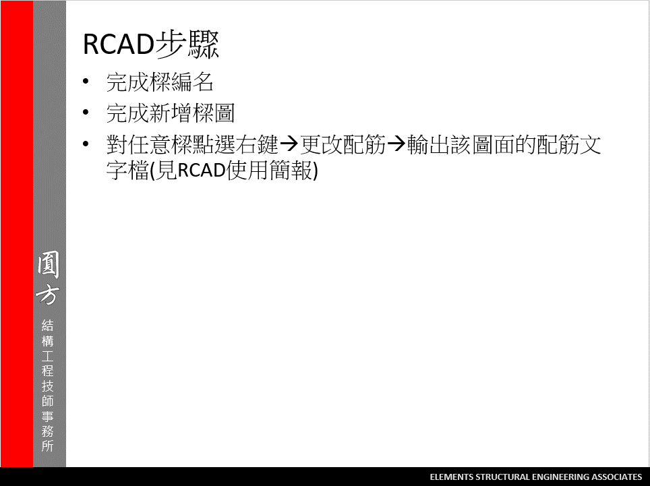
2

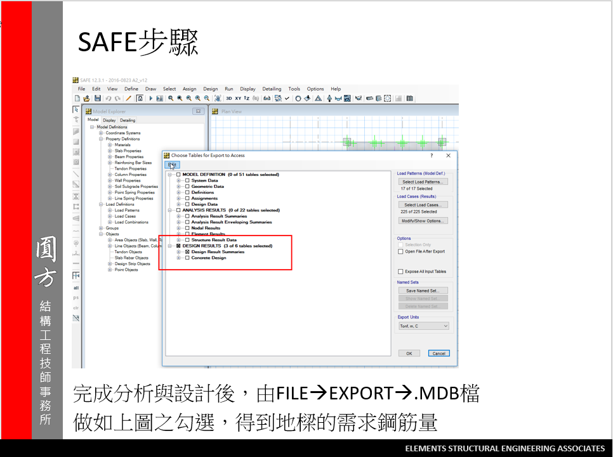
3
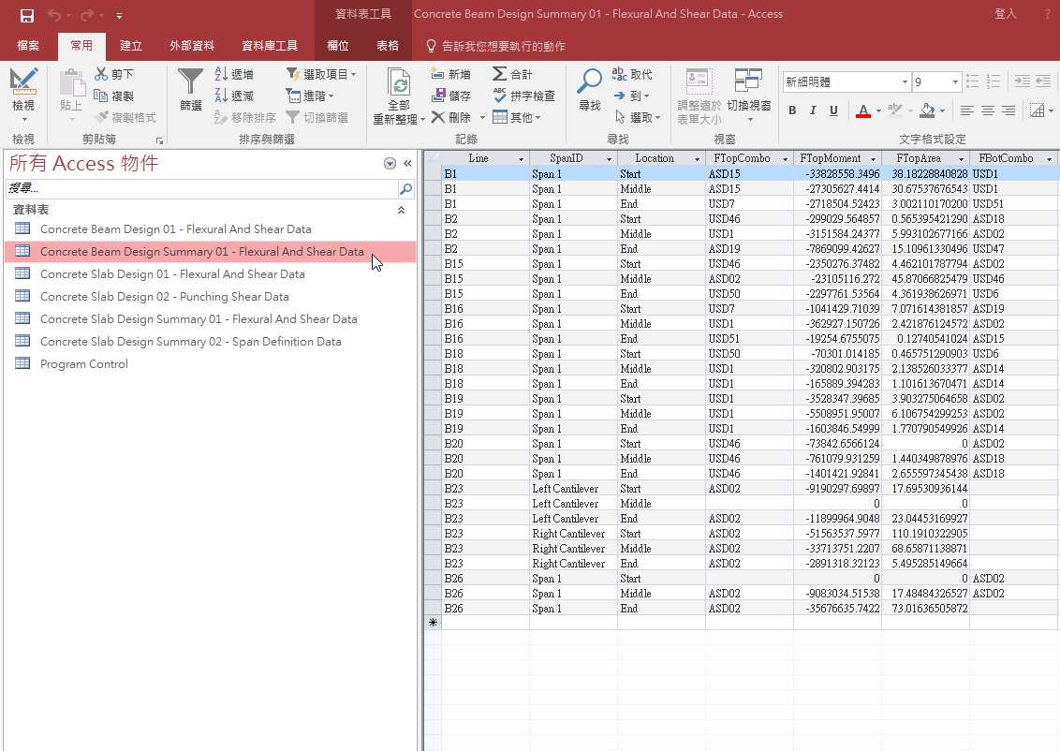

我們只會使用到游標選取的表格

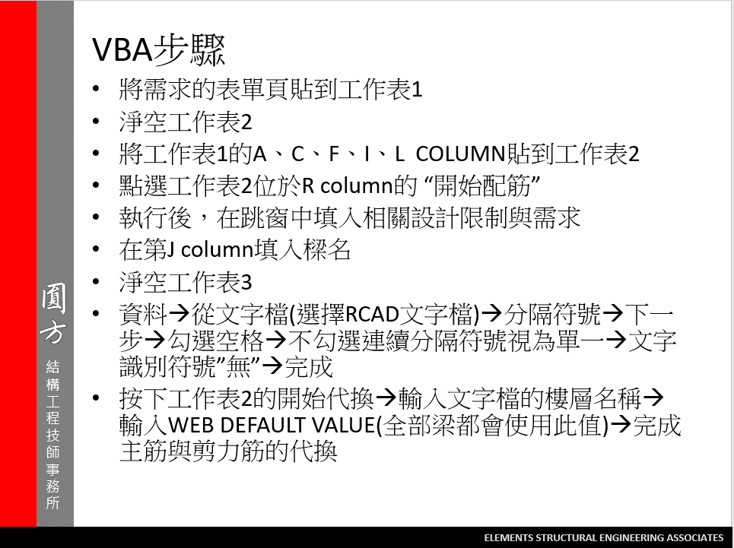
4

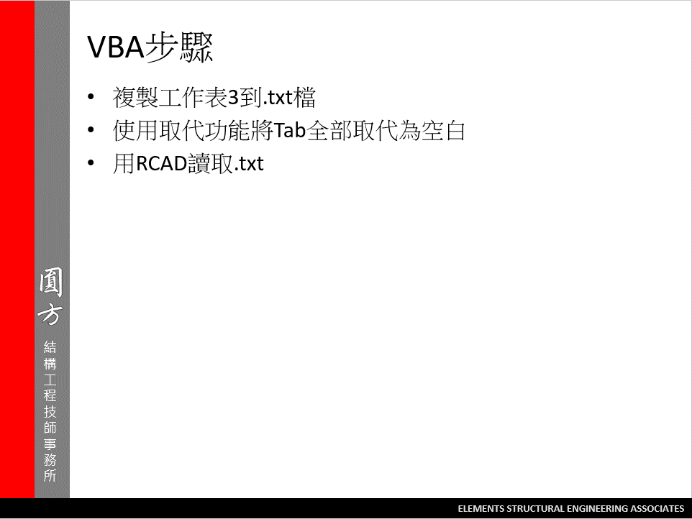
5

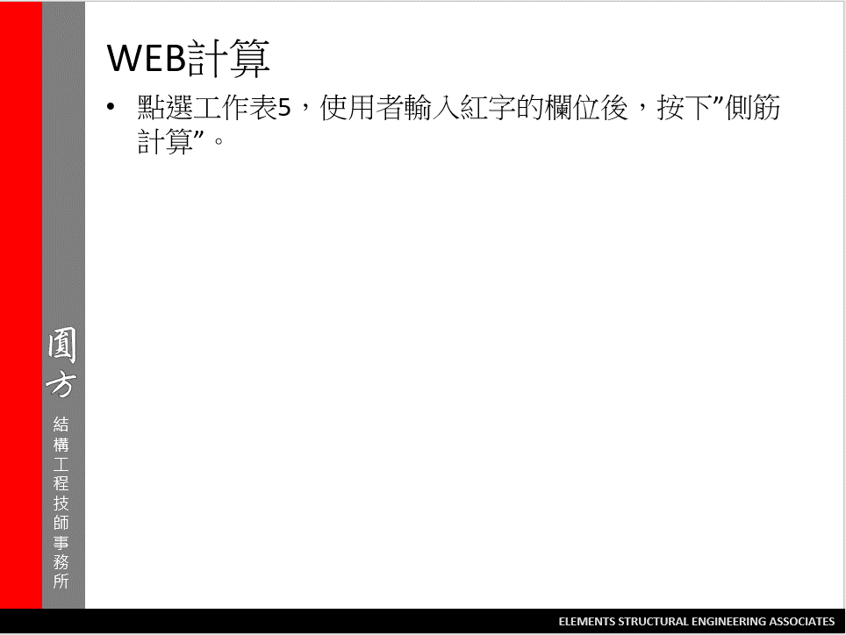

6

工作表5
WEB
側筋計算
 | 樑寬 = | 70
 | 樑深 = | 240
 | (BS+FS)厚度= | 78
 | 號數= | 4
 | 面積= | 1.27
 | S2= | 24.19047619
 | 單邊需要根數 | 7
 | 兩側總鋼筋量 | 17.78 | (cm^2)
 | 若改為 | 5 | 號筋 | 面積 | 1.99 | 兩側總鋼筋量 | 19.9
 |  | 3 |  | 面積 | 0.71 | 兩側總鋼筋量 | 17.04

 |  | 5 | 號的 | S | 37.904761905
 |  |  |  | 單邊根數 | 5
 |  | 3 | 號的 | S | 13.523809524
 |  |  |  | 單邊根數 | 12

 |  |  |  |  |  |  |  | 工作筋 | 2#4

