計算表
Line | Location | FTopArea | FBotArea | VArea cm^2/cm | BarSize | BarArea | TopNumber | BotNumber | BName | AdjBname | VSize | VBarArea | VSpacing | maxspacingM | maxspacingLNR
B57 | Start | 1.244845771 | 88.614877313 | 0.06695901393 | 7 | 3.87 | 3 | 23 | FG4-3 | "B4FG4-3"( | #4 | 1.27 | 10 | 25 | 15 | 100 | 250 | 3 | 0 | 15 | 8
B57 | Middle | 81.950742751 | 47.595249489 | 0.06695901393 | 7 | 3.87 | 17 | 13 | FG4-3 | "B4FG4-3"( | #4 | 1.27 | 10 | 25 | 15 | 100 | 250 | 13 | 4 | 13 | 0
B57 | End | 108.31993073 | 70.454175584 | 0.16902073985 | 7 | 3.87 | 22 | 19 | FG4-3 | "B4FG4-3"( | #4 | 1.27 | 10 | 25 | 15 | 100 | 250 | 13 | 9 | 15 | 4
B60 | Start | 17.05223578 | 111.97854765 | 0.10175922653 | 7 | 3.87 | 4 | 29 | FG3-3 | "B4FG3-3"( | #4 | 1.27 | 10 | 25 | 15 | 100 | 250 | 4 | 0 | 15 | 14
B60 | Middle | 18.655435415 | 77.009494416 | 0.22486499511 | 7 | 3.87 | 4 | 20 | FG3-3 | "B4FG3-3"( | #4 | 1.27 | 10 | 25 | 15 | 100 | 250 | 4 | 0 | 15 | 5
B60 | End | 0 | 42.655146681 | 0.38863082882 | 7 | 3.87 | 3 | 12 | FG3-3 | "B4FG3-3"( | 2#4 | 2.54 | 12 | 25 | 15 | 100 | 250 | 3 | 0 | 12 | 0
B61 | Start | 0 | 43.263956904 | 0.35398870241 | 7 | 3.87 | 3 | 12 | FG3-4 | "B4FG3-4"( | 2#4 | 2.54 | 12 | 25 | 15 | 100 | 250 | 3 | 0 | 12 | 0
B61 | Middle | 30.825852882 | 114.90116827 | 0.36374116316 | 7 | 3.87 | 7 | 30 | FG3-4 | "B4FG3-4"( | 2#4 | 2.54 | 12 | 25 | 15 | 100 | 250 | 7 | 0 | 15 | 15
B61 | End | 34.469128586 | 171.15511 | 0.16942394432 | 7 | 3.87 | 7 | 45 | FG3-4 | "B4FG3-4"( | #4 | 1.27 | 10 | 25 | 15 | 100 | 250 | 7 | 0 | 15 | 30
B63 | Start | 26.344577782 | 107.23541491 | 0.25442703627 | 7 | 3.87 | 6 | 28 | FG2-3 | "B4FG2-3"( | 2#4 | 2.54 | 15 | 25 | 15 | 100 | 250 | 6 | 0 | 15 | 13
B63 | Middle | 26.344766375 | 59.80453454 | 0.11683740886 | 7 | 3.87 | 6 | 16 | FG2-3 | "B4FG2-3"( | #4 | 1.27 | 10 | 25 | 15 | 100 | 250 | 6 | 0 | 14 | 2
RC 4.9.3
B63 | End | 0 | 61.81337405 | 0.16485597007 | 7 | 3.87 | 3 | 16 | FG2-3 | "B4FG2-3"( | #4 | 1.27 | 10 | 25 | 15 | 100 | 250 | 3 | 0 | 14 | 2
B64 | Start | 0 | 61.325514689 | 0.11568135815 | 7 | 3.87 | 3 | 16 | FG2-4 | "B4FG2-4"( | #4 | 1.27 | 10 | 25 | 15 | 100 | 250 | 3 | 0 | 14 | 2
B64 | Middle | 33.204266801 | 163.65993768 | 0.11791897705 | 7 | 3.87 | 7 | 43 | FG2-4 | "B4FG2-4"( | #4 | 1.27 | 10 | 25 | 15 | 100 | 250 | 7 | 0 | 15 | 28
B64 | End | 35.76166695 | 196.05463371 | 0.070758757647 | 7 | 3.87 | 8 | 51 | FG2-4 | "B4FG2-4"( | #4 | 1.27 | 10 | 25 | 15 | 100 | 250 | 8 | 0 | 15 | 36
B66 | Start | 10.91315411 | 85.021257401 | 0.17048177542 | 7 | 3.87 | 3 | 22 | FG1-3 | "B4FG1-3"( | #4 | 1.27 | 10 | 25 | 15 | 100 | 250 | 3 | 0 | 15 | 7
B66 | Middle | 11.208016658 | 59.744534083 | 0.30085365288 | 7 | 3.87 | 3 | 16 | FG1-3 | "B4FG1-3"( | 2#4 | 2.54 | 15 | 25 | 15 | 100 | 250 | 3 | 0 | 14 | 2
B66 | End | 0 | 59.718466364 | 0.49603004009 | 7 | 3.87 | 3 | 16 | FG1-3 | "B4FG1-3"( | 2#4 | 2.54 | 10 | 25 | 15 | 100 | 250 | 3 | 0 | 14 | 2
B67 | Start | 8.870724705 | 60.908887535 | 0.37300947588 | 7 | 3.87 | 3 | 16 | FG1-4 | "B4FG1-4"( | 2#4 | 2.54 | 12 | 25 | 15 | 100 | 250 | 3 | 0 | 14 | 2
B67 | Middle | 31.766337343 | 43.785776943 | 0.38276193663 | 7 | 3.87 | 7 | 12 | FG1-4 | "B4FG1-4"( | 2#4 | 2.54 | 12 | 25 | 15 | 100 | 250 | 7 | 0 | 12 | 0
B67 | End | 43.05308219 | 107.69729502 | 0.27737319469 | 7 | 3.87 | 9 | 28 | FG1-4 | "B4FG1-4"( | 2#4 | 2.54 | 15 | 25 | 15 | 100 | 250 | 9 | 0 | 15 | 13
B71 | Start | 62.470654957 | 8.0410315422 | 0 | 7 | 3.87 | 13 | 3 | FBC-2 | "B4FBC-2"( | #4 | 1.27 | 10 | 25 | 15 | 100 | 250 | 13 | 0 | 3 | 0
B71 | Middle | 85.21143347 | 28.97585975 | 0.22655555513 | 7 | 3.87 | 17 | 8 | FBC-2 | "B4FBC-2"( | #4 | 1.27 | 10 | 25 | 15 | 100 | 250 | 13 | 4 | 8 | 0
B71 | End | 14.340609778 | 158.62001106 | 0.21265922114 | 7 | 3.87 | 3 | 41 | FBC-2 | "B4FBC-2"( | #4 | 1.27 | 10 | 25 | 15 | 100 | 250 | 3 | 0 | 15 | 26
B72 | Start | 0 | 156.75300732 | 0 | 7 | 3.87 | 3 | 41 | FBC-3 | "B4FBC-3"( | #4 | 1.27 | 10 | 25 | 15 | 100 | 250 | 3 | 0 | 15 | 26
B72 | Middle | 0 | 90.116113424 | 0 | 7 | 3.87 | 3 | 24 | FBC-3 | "B4FBC-3"( | #4 | 1.27 | 10 | 25 | 15 | 100 | 250 | 3 | 0 | 15 | 9
B72 | End | 0 | 110.68979278 | 0 | 7 | 3.87 | 3 | 29 | FBC-3 | "B4FBC-3"( | #4 | 1.27 | 10 | 25 | 15 | 100 | 250 | 3 | 0 | 15 | 14
B73 | Start | 0.52716750361 | 104.13403623 | 0.28219411615 | 7 | 3.87 | 3 | 27 | FBC-4 | "B4FBC-4"( | 2#4 | 2.54 | 15 | 25 | 15 | 100 | 250 | 3 | 0 | 15 | 12
B73 | Middle | 67.737181671 | 32.753506675 | 0.12455129763 | 7 | 3.87 | 14 | 9 | FBC-4 | "B4FBC-4"( | #4 | 1.27 | 10 | 25 | 15 | 100 | 250 | 12 | 2 | 9 | 0
B73 | End | 43.258070946 | 157.08053485 | 0.18000046257 | 7 | 3.87 | 9 | 41 | FBC-4 | "B4FBC-4"( | #4 | 1.27 | 10 | 25 | 15 | 100 | 250 | 9 | 0 | 15 | 26
B128 | Start | 34.352929797 | 15.084374463 | 0.1148878946 | 7 | 3.87 | 7 | 4 | Fb3-1 | "B4Fb3-1"( | #4 | 1.27 | 15 | 25 | 15 | 60 | 250 | 7 | 0 | 4 | 0
B128 | Middle | 51.195248961 | 0 | 0.086605193792 | 7 | 3.87 | 11 | 3 | Fb3-1 | "B4Fb3-1"( | #4 | 1.27 | 15 | 25 | 15 | 60 | 250 | 7 | 4 | 3 | 0
B128 | End | 18.108127406 | 56.564952247 | 0.082759629004 | 7 | 3.87 | 4 | 15 | Fb3-1 | "B4Fb3-1"( | #4 | 1.27 | 15 | 25 | 15 | 60 | 250 | 4 | 0 | 8 | 7
B164 | Start | 8.2116696285 | 4.193453351 | 0.21621768828 | 7 | 3.87 | 3 | 3 | FG4-1 | "B4FG4-1"( | #4 | 1.27 | 10 | 25 | 15 | 100 | 250 | 3 | 0 | 3 | 0
B164 | Middle | 14.114032965 | 59.341029264 | 0.10043851798 | 7 | 3.87 | 3 | 16 | FG4-1 | "B4FG4-1"( | #4 | 1.27 | 10 | 25 | 15 | 100 | 250 | 3 | 0 | 14 | 2
B164 | End | 13.411571272 | 92.27104485 | 0 | 7 | 3.87 | 3 | 24 | FG4-1 | "B4FG4-1"( | #4 | 1.27 | 10 | 25 | 15 | 100 | 250 | 3 | 0 | 15 | 9
B165 | Start | 19.441012992 | 86.260391399 | 0.10253059445 | 7 | 3.87 | 4 | 23 | FG4-2 | "B4FG4-2"( | #4 | 1.27 | 10 | 25 | 15 | 100 | 250 | 4 | 0 | 15 | 8
B165 | Middle | 39.808056317 | 2.9005424585 | 0 | 7 | 3.87 | 8 | 3 | FG4-2 | "B4FG4-2"( | #4 | 1.27 | 10 | 25 | 15 | 100 | 250 | 8 | 0 | 3 | 0
B165 | End | 17.986145103 | 101.02626868 | 0 | 7 | 3.87 | 4 | 27 | FG4-2 | "B4FG4-2"( | #4 | 1.27 | 10 | 25 | 15 | 100 | 250 | 4 | 0 | 15 | 12
B166 | Start | 13.318361016 | 23.620508146 | 0.1733326586 | 7 | 3.87 | 3 | 7 | FG3-1 | "B4FG3-1"( | #4 | 1.27 | 10 | 25 | 15 | 100 | 250 | 3 | 0 | 7 | 0
B166 | Middle | 26.078342926 | 128.03304009 | 0.06695901393 | 7 | 3.87 | 6 | 34 | FG3-1 | "B4FG3-1"( | #4 | 1.27 | 10 | 25 | 15 | 100 | 250 | 6 | 0 | 15 | 19
B166 | End | 27.348087169 | 148.3448036 | 0 | 7 | 3.87 | 6 | 39 | FG3-1 | "B4FG3-1"( | #4 | 1.27 | 10 | 25 | 15 | 100 | 250 | 6 | 0 | 15 | 24
B167 | Start | 31.757433899 | 128.30302119 | 0.18612744752 | 7 | 3.87 | 7 | 34 | FG3-2 | "B4FG3-2"( | #4 | 1.27 | 10 | 25 | 15 | 100 | 250 | 7 | 0 | 15 | 19
B167 | Middle | 70.198574103 | 0 | 0.27960862499 | 7 | 3.87 | 14 | 3 | FG3-2 | "B4FG3-2"( | 2#4 | 2.54 | 18 | 25 | 15 | 100 | 250 | 12 | 2 | 3 | 0
B167 | End | 31.407121569 | 115.7473959 | 0.48143337481 | 7 | 3.87 | 7 | 30 | FG3-2 | "B4FG3-2"( | 2#4 | 2.54 | 10 | 25 | 15 | 100 | 250 | 7 | 0 | 15 | 15
B168 | Start | 11.059389217 | 16.890143743 | 0.3004295053 | 7 | 3.87 | 3 | 5 | FG2-1 | "B4FG2-1"( | 2#4 | 2.54 | 15 | 25 | 15 | 100 | 250 | 3 | 0 | 5 | 0
B168 | Middle | 22.171866149 | 98.967952654 | 0.31018198933 | 7 | 3.87 | 5 | 26 | FG2-1 | "B4FG2-1"( | 2#4 | 2.54 | 15 | 25 | 15 | 100 | 250 | 5 | 0 | 15 | 11
B168 | End | 25.12908075 | 147.82657847 | 0.26466555428 | 7 | 3.87 | 5 | 39 | FG2-1 | "B4FG2-1"( | 2#4 | 2.54 | 15 | 25 | 15 | 100 | 250 | 5 | 0 | 15 | 24
B169 | Start | 31.268456951 | 123.07546102 | 0.050219258992 | 7 | 3.87 | 7 | 32 | FG2-2 | "B4FG2-2"( | #4 | 1.27 | 10 | 25 | 15 | 100 | 250 | 7 | 0 | 15 | 17
B169 | Middle | 71.692508645 | 0 | 0.050219258992 | 7 | 3.87 | 15 | 3 | FG2-2 | "B4FG2-2"( | #4 | 1.27 | 10 | 25 | 15 | 100 | 250 | 13 | 2 | 3 | 0
B169 | End | 35.162994172 | 113.42988349 | 0.050219258992 | 7 | 3.87 | 7 | 30 | FG2-2 | "B4FG2-2"( | #4 | 1.27 | 10 | 25 | 15 | 100 | 250 | 7 | 0 | 15 | 15
B170 | Start | 7.746956544 | 8.1186305033 | 0 | 7 | 3.87 | 3 | 3 | FG1-1 | "B4FG1-1"( | #4 | 1.27 | 10 | 25 | 15 | 100 | 250 | 3 | 0 | 3 | 0
B170 | Middle | 14.84864857 | 73.249898851 | 0 | 7 | 3.87 | 3 | 19 | FG1-1 | "B4FG1-1"( | #4 | 1.27 | 10 | 25 | 15 | 100 | 250 | 3 | 0 | 15 | 4
B170 | End | 15.734665794 | 111.2477202 | 0 | 7 | 3.87 | 4 | 29 | FG1-1 | "B4FG1-1"( | #4 | 1.27 | 10 | 25 | 15 | 100 | 250 | 4 | 0 | 15 | 14
B171 | Start | 21.8525948 | 98.817283288 | 0.10043851798 | 7 | 3.87 | 5 | 26 | FG1-2 | "B4FG1-2"( | #4 | 1.27 | 10 | 25 | 15 | 100 | 250 | 5 | 0 | 15 | 11
B171 | Middle | 59.451996349 | 0 | 0.10043851798 | 7 | 3.87 | 12 | 3 | FG1-2 | "B4FG1-2"( | #4 | 1.27 | 10 | 25 | 15 | 100 | 250 | 12 | 0 | 3 | 0
B171 | End | 25.207684375 | 85.701579228 | 0.10043851798 | 7 | 3.87 | 5 | 23 | FG1-2 | "B4FG1-2"( | #4 | 1.27 | 10 | 25 | 15 | 100 | 250 | 5 | 0 | 15 | 8
B193 | Start | 15.153278364 | 67.039537244 | 0.06695901393 | 7 | 3.87 | 3 | 18 | Fb1-4 | "B4Fb1-4"( | #4 | 1.27 | 15 | 25 | 15 | 60 | 250 | 3 | 0 | 8 | 10
B193 | Middle | 46.272026375 | 7.4668537127 | 0.06695901393 | 7 | 3.87 | 10 | 3 | Fb1-4 | "B4Fb1-4"( | #4 | 1.27 | 15 | 25 | 15 | 60 | 250 | 7 | 3 | 3 | 0
B193 | End | 39.244266227 | 9.2538591707 | 0 | 7 | 3.87 | 8 | 3 | Fb1-4 | "B4Fb1-4"( | #4 | 1.27 | 15 | 25 | 15 | 60 | 250 | 6 | 2 | 3 | 0
B197 | Start | 11.037221411 | 1.539861405 | 0.06695901393 | 7 | 3.87 | 3 | 3 | Fb6-3 | "B4Fb6-3"( | #4 | 1.27 | 15 | 25 | 15 | 60 | 250 | 3 | 0 | 3 | 0
B197 | Middle | 12.816480594 | 0.71536094765 | 0.30100923032 | 7 | 3.87 | 3 | 3 | Fb6-3 | "B4Fb6-3"( | 2#4 | 2.54 | 15 | 25 | 15 | 60 | 250 | 3 | 0 | 3 | 0
B197 | End | 9.1039563995 | 7.079418283 | 0.06695901393 | 7 | 3.87 | 3 | 3 | Fb6-3 | "B4Fb6-3"( | #4 | 1.27 | 15 | 25 | 15 | 60 | 250 | 3 | 0 | 3 | 0
B198 | Start | 8.6827139603 | 6.6451617749 | 0.20126744639 | 7 | 3.87 | 3 | 3 | Fb6-2 | "B4Fb6-2"( | #4 | 1.27 | 12 | 25 | 15 | 60 | 250 | 3 | 0 | 3 | 0
B198 | Middle | 18.491104711 | 0 | 0.26084834244 | 7 | 3.87 | 4 | 3 | Fb6-2 | "B4Fb6-2"( | 2#4 | 2.54 | 18 | 25 | 15 | 60 | 250 | 4 | 0 | 3 | 0
B198 | End | 16.219880199 | 1.5756682842 | 0.46554231085 | 7 | 3.87 | 4 | 3 | Fb6-2 | "B4Fb6-2"( | 2#4 | 2.54 | 10 | 25 | 15 | 60 | 250 | 4 | 0 | 3 | 0
B202 | Start | 37.583594676 | 13.497453183 | 0.27515538968 | 7 | 3.87 | 8 | 4 | Fb1-1 | "B4Fb1-1"( | 2#4 | 2.54 | 15 | 25 | 15 | 60 | 250 | 6 | 2 | 4 | 0
B202 | Middle | 56.657772511 | 0 | 0.28630108573 | 7 | 3.87 | 12 | 3 | Fb1-1 | "B4Fb1-1"( | 2#4 | 2.54 | 15 | 25 | 15 | 60 | 250 | 7 | 5 | 3 | 0
B202 | End | 26.347856037 | 65.866135992 | 0.18958158325 | 7 | 3.87 | 6 | 18 | Fb1-1 | "B4Fb1-1"( | #4 | 1.27 | 12 | 25 | 15 | 60 | 250 | 6 | 0 | 8 | 10
B214 | Start | 10.66521625 | 41.933017783 | 0 | 7 | 3.87 | 3 | 11 | Fb3-4 | "B4Fb3-4"( | #4 | 1.27 | 15 | 25 | 15 | 60 | 250 | 3 | 0 | 8 | 3
B214 | Middle | 26.278141886 | 4.160325625 | 0 | 7 | 3.87 | 6 | 3 | Fb3-4 | "B4Fb3-4"( | #4 | 1.27 | 15 | 25 | 15 | 60 | 250 | 6 | 0 | 3 | 0
B214 | End | 24.734521285 | 3.5125249997 | 0 | 7 | 3.87 | 5 | 3 | Fb3-4 | "B4Fb3-4"( | #4 | 1.27 | 15 | 25 | 15 | 60 | 250 | 5 | 0 | 3 | 0
B215 | Start | 5.7010480668 | 8.505480364 | 0 | 7 | 3.87 | 3 | 3 | Fb6-1 | "B4Fb6-1"( | #4 | 1.27 | 15 | 25 | 15 | 60 | 250 | 3 | 0 | 3 | 0
B215 | Middle | 6.9652270759 | 0 | 0 | 7 | 3.87 | 3 | 3 | Fb6-1 | "B4Fb6-1"( | #4 | 1.27 | 15 | 25 | 15 | 60 | 250 | 3 | 0 | 3 | 0
B215 | End | 5.8019132121 | 6.2204606365 | 0.10043851798 | 7 | 3.87 | 3 | 3 | Fb6-1 | "B4Fb6-1"( | #4 | 1.27 | 15 | 25 | 15 | 60 | 250 | 3 | 0 | 3 | 0
B346 | Start | 12.607891113 | 190.90246409 | 0 | 7 | 3.87 | 3 | 50 | FBD-4 | "B4FBD-4"( | #4 | 1.27 | 10 | 25 | 15 | 100 | 250 | 3 | 0 | 15 | 35
B346 | Middle | 96.130715683 | 22.051439155 | 0 | 7 | 3.87 | 19 | 6 | FBD-4 | "B4FBD-4"( | #4 | 1.27 | 10 | 25 | 15 | 100 | 250 | 13 | 6 | 6 | 0
B346 | End | 20.549942274 | 79.383617267 | 0 | 7 | 3.87 | 5 | 21 | FBD-4 | "B4FBD-4"( | #4 | 1.27 | 10 | 25 | 15 | 100 | 250 | 5 | 0 | 15 | 6
B347 | Start | 2.4309792207 | 133.0486685 | 0.3151347395 | 7 | 3.87 | 3 | 35 | FBD-3 | "B4FBD-3"( | 2#4 | 2.54 | 15 | 25 | 15 | 100 | 250 | 3 | 0 | 15 | 20
B347 | Middle | 54.553882219 | 114.96707797 | 0.11364327511 | 7 | 3.87 | 11 | 30 | FBD-3 | "B4FBD-3"( | #4 | 1.27 | 10 | 25 | 15 | 100 | 250 | 11 | 0 | 15 | 15
B347 | End | 0 | 171.08654603 | 0.16870760592 | 7 | 3.87 | 3 | 45 | FBD-3 | "B4FBD-3"( | #4 | 1.27 | 10 | 25 | 15 | 100 | 250 | 3 | 0 | 15 | 30
B348 | Start | 65.015186556 | 0 | 0.11200464796 | 7 | 3.87 | 13 | 3 | FBD-2 | "B4FBD-2"( | #4 | 1.27 | 10 | 25 | 15 | 100 | 250 | 13 | 0 | 3 | 0
B348 | Middle | 100.42160749 | 13.862922788 | 0.062558049103 | 7 | 3.87 | 20 | 4 | FBD-2 | "B4FBD-2"( | #4 | 1.27 | 10 | 25 | 15 | 100 | 250 | 13 | 7 | 4 | 0
B348 | End | 11.552800424 | 136.60794124 | 0.064623419894 | 7 | 3.87 | 3 | 36 | FBD-2 | "B4FBD-2"( | #4 | 1.27 | 10 | 25 | 15 | 100 | 250 | 3 | 0 | 15 | 21
B349 | Start | 22.483838256 | 69.454433396 | 0.076442706631 | 7 | 3.87 | 5 | 18 | FBA-4 | "B4FBA-4"( | #4 | 1.27 | 10 | 25 | 15 | 100 | 250 | 5 | 0 | 15 | 3
B349 | Middle | 59.307329357 | 15.340001555 | 0.050219258992 | 7 | 3.87 | 12 | 4 | FBA-4 | "B4FBA-4"( | #4 | 1.27 | 10 | 25 | 15 | 100 | 250 | 12 | 0 | 4 | 0
B349 | End | 32.940048259 | 103.01521048 | 0.050219258992 | 7 | 3.87 | 7 | 27 | FBA-4 | "B4FBA-4"( | #4 | 1.27 | 10 | 25 | 15 | 100 | 250 | 7 | 0 | 15 | 12
B350 | Start | 0 | 68.594580516 | 0.093441951321 | 7 | 3.87 | 3 | 18 | FBA-3 | "B4FBA-3"( | #4 | 1.27 | 10 | 25 | 15 | 100 | 250 | 3 | 0 | 15 | 3
B350 | Middle | 0 | 41.545587592 | 0.11152683292 | 7 | 3.87 | 3 | 11 | FBA-3 | "B4FBA-3"( | #4 | 1.27 | 10 | 25 | 15 | 100 | 250 | 3 | 0 | 11 | 0
B350 | End | 0 | 72.496663779 | 0.10416248115 | 7 | 3.87 | 3 | 19 | FBA-3 | "B4FBA-3"( | #4 | 1.27 | 10 | 25 | 15 | 100 | 250 | 3 | 0 | 15 | 4
B351 | Start | 29.83013168 | 105.18740863 | 0 | 7 | 3.87 | 6 | 28 | FBA-2 | "B4FBA-2"( | #4 | 1.27 | 10 | 25 | 15 | 100 | 250 | 6 | 0 | 15 | 13
B351 | Middle | 57.847127318 | 14.651163947 | 0.050219258992 | 7 | 3.87 | 12 | 4 | FBA-2 | "B4FBA-2"( | #4 | 1.27 | 10 | 25 | 15 | 100 | 250 | 12 | 0 | 4 | 0
B351 | End | 25.312653743 | 64.310627058 | 0.20318466704 | 7 | 3.87 | 5 | 17 | FBA-2 | "B4FBA-2"( | #4 | 1.27 | 10 | 25 | 15 | 100 | 250 | 5 | 0 | 15 | 2
B352 | Start | 2.5622497196 | 106.56577535 | 0.06695901393 | 7 | 3.87 | 3 | 28 | FBB-4 | "B4FBB-4"( | #4 | 1.27 | 10 | 25 | 15 | 100 | 250 | 3 | 0 | 15 | 13
B352 | Middle | 85.356160998 | 30.761878006 | 0.06695901393 | 7 | 3.87 | 17 | 8 | FBB-4 | "B4FBB-4"( | #4 | 1.27 | 10 | 25 | 15 | 100 | 250 | 13 | 4 | 8 | 0
B352 | End | 51.661515608 | 164.9601385 | 0.50295558758 | 7 | 3.87 | 11 | 43 | FBB-4 | "B4FBB-4"( | 2#4 | 2.54 | 10 | 25 | 15 | 100 | 250 | 11 | 0 | 15 | 28
B353 | Start | 0 | 100.02685711 | 0.06695901393 | 7 | 3.87 | 3 | 26 | FBB-3 | "B4FBB-3"( | #4 | 1.27 | 10 | 25 | 15 | 100 | 250 | 3 | 0 | 15 | 11
B353 | Middle | 0 | 70.242364891 | 0.06695901393 | 7 | 3.87 | 3 | 19 | FBB-3 | "B4FBB-3"( | #4 | 1.27 | 10 | 25 | 15 | 100 | 250 | 3 | 0 | 15 | 4
B353 | End | 0 | 110.90761982 | 0 | 7 | 3.87 | 3 | 29 | FBB-3 | "B4FBB-3"( | #4 | 1.27 | 10 | 25 | 15 | 100 | 250 | 3 | 0 | 15 | 14
B354 | Start | 36.959713325 | 101.85428895 | 0.050219258992 | 7 | 3.87 | 8 | 27 | FBB-2 | "B4FBB-2"( | #4 | 1.27 | 10 | 25 | 15 | 100 | 250 | 8 | 0 | 15 | 12
B354 | Middle | 84.312185645 | 13.299521524 | 0.05394507898 | 7 | 3.87 | 17 | 4 | FBB-2 | "B4FBB-2"( | #4 | 1.27 | 10 | 25 | 15 | 100 | 250 | 13 | 4 | 4 | 0
B354 | End | 3.2231138903 | 90.486491099 | 0.11386021506 | 7 | 3.87 | 3 | 24 | FBB-2 | "B4FBB-2"( | #4 | 1.27 | 10 | 25 | 15 | 100 | 250 | 3 | 0 | 15 | 9
B356 | Start | 35.497392528 | 92.54344739 | 0.10488536209 | 7 | 3.87 | 8 | 24 | FG1-5 | "B4FG1-5"( | #4 | 1.27 | 10 | 25 | 15 | 100 | 250 | 8 | 0 | 15 | 9
B356 | Middle | 81.112589687 | 37.007236388 | 0.06695901393 | 7 | 3.87 | 16 | 10 | FG1-5 | "B4FG1-5"( | #4 | 1.27 | 10 | 25 | 15 | 100 | 250 | 13 | 3 | 10 | 0
B356 | End | 206.61002025 | 53.244149312 | 0.06695901393 | 7 | 3.87 | 41 | 14 | FG1-5 | "B4FG1-5"( | #4 | 1.27 | 10 | 25 | 15 | 100 | 250 | 13 | 28 | 14 | 0
B358 | Start | 10.473221773 | 110.75709946 | 0.21786342841 | 7 | 3.87 | 3 | 29 | FBD-5 | "B4FBD-5"( | #4 | 1.27 | 10 | 25 | 15 | 100 | 250 | 3 | 0 | 15 | 14
B358 | Middle | 11.712919222 | 72.783646174 | 0.26736990549 | 7 | 3.87 | 3 | 19 | FBD-5 | "B4FBD-5"( | 2#4 | 2.54 | 18 | 25 | 15 | 100 | 250 | 3 | 0 | 15 | 4
B358 | End | 8.469800232 | 6.4625160303 | 0.47443523072 | 7 | 3.87 | 3 | 3 | FBD-5 | "B4FBD-5"( | 2#4 | 2.54 | 10 | 25 | 15 | 100 | 250 | 3 | 0 | 3 | 0
B359 | Start | 41.013834998 | 194.54305992 | 0.26967776939 | 7 | 3.87 | 9 | 51 | FBC-5 | "B4FBC-5"( | 2#4 | 2.54 | 15 | 25 | 15 | 100 | 250 | 9 | 0 | 15 | 36
B359 | Middle | 34.913190175 | 133.19638558 | 0.28082346544 | 7 | 3.87 | 7 | 35 | FBC-5 | "B4FBC-5"( | 2#4 | 2.54 | 18 | 25 | 15 | 100 | 250 | 7 | 0 | 15 | 20
B359 | End | 15.189131955 | 21.917193662 | 0.10753044626 | 7 | 3.87 | 3 | 6 | FBC-5 | "B4FBC-5"( | #4 | 1.27 | 10 | 25 | 15 | 100 | 250 | 3 | 0 | 6 | 0
B360 | Start | 50.618373789 | 195.11239603 | 0.24230442941 | 7 | 3.87 | 10 | 51 | FBB-5 | "B4FBB-5"( | #4 | 1.27 | 10 | 25 | 15 | 100 | 250 | 10 | 0 | 15 | 36
B360 | Middle | 42.019672692 | 134.17721726 | 0.25234671775 | 7 | 3.87 | 9 | 35 | FBB-5 | "B4FBB-5"( | #4 | 1.27 | 10 | 25 | 15 | 100 | 250 | 9 | 0 | 15 | 20
B360 | End | 17.679417506 | 22.807409987 | 0.06695901393 | 7 | 3.87 | 4 | 6 | FBB-5 | "B4FBB-5"( | #4 | 1.27 | 10 | 25 | 15 | 100 | 250 | 4 | 0 | 6 | 0
B361 | Start | 35.29364476 | 165.50920904 | 0.06695901393 | 7 | 3.87 | 7 | 43 | FBA-5 | "B4FBA-5"( | #4 | 1.27 | 10 | 25 | 15 | 100 | 250 | 7 | 0 | 15 | 28
B361 | Middle | 27.082958259 | 85.855294019 | 0.06695901393 | 7 | 3.87 | 6 | 23 | FBA-5 | "B4FBA-5"( | #4 | 1.27 | 10 | 25 | 15 | 100 | 250 | 6 | 0 | 15 | 8
B361 | End | 11.691355612 | 8.7584758876 | 0.06695901393 | 7 | 3.87 | 3 | 3 | FBA-5 | "B4FBA-5"( | #4 | 1.27 | 10 | 25 | 15 | 100 | 250 | 3 | 0 | 3 | 0
B362 | Start | 2.9235080001 | 0 | 0.050219258992 | 7 | 3.87 | 3 | 3 | FBA-1 | "B4FBA-1"( | #4 | 1.27 | 10 | 25 | 15 | 100 | 250 | 3 | 0 | 3 | 0
B362 | Middle | 16.682542628 | 76.290932484 | 0 | 7 | 3.87 | 4 | 20 | FBA-1 | "B4FBA-1"( | #4 | 1.27 | 10 | 25 | 15 | 100 | 250 | 4 | 0 | 15 | 5
B362 | End | 21.913971286 | 121.64847925 | 0.050219258992 | 7 | 3.87 | 5 | 32 | FBA-1 | "B4FBA-1"( | #4 | 1.27 | 10 | 25 | 15 | 100 | 250 | 5 | 0 | 15 | 17
B363 | Start | 4.5252597192 | 0 | 0 | 7 | 3.87 | 3 | 3 | FBB-1 | "B4FBB-1"( | #4 | 1.27 | 10 | 25 | 15 | 100 | 250 | 3 | 0 | 3 | 0
B363 | Middle | 22.330689244 | 86.721358821 | 0.06695901393 | 7 | 3.87 | 5 | 23 | FBB-1 | "B4FBB-1"( | #4 | 1.27 | 10 | 25 | 15 | 100 | 250 | 5 | 0 | 15 | 8
B363 | End | 24.232687429 | 108.18374343 | 0 | 7 | 3.87 | 5 | 28 | FBB-1 | "B4FBB-1"( | #4 | 1.27 | 10 | 25 | 15 | 100 | 250 | 5 | 0 | 15 | 13
B366 | Start | 3.4086478991 | 2.7792263427 | 0.33067411277 | 7 | 3.87 | 3 | 3 | FWB1 | "B4FWB1 "( | #4 | 1.27 | 15 | 25 | 15 | 60 | 200 | 3 | 0 | 3 | 0
B366 | Middle | 3.4836374107 | 2.7891783975 | 0.11713468703 | 7 | 3.87 | 3 | 3 | FWB1 | "B4FWB1 "( | #4 | 1.27 | 20 | 25 | 15 | 60 | 200 | 3 | 0 | 3 | 0
B366 | End | 3.2661762089 | 4.3217063649 | 0.17281606561 | 7 | 3.87 | 3 | 3 | FWB1 | "B4FWB1 "( | #4 | 1.27 | 15 | 25 | 15 | 60 | 200 | 3 | 0 | 3 | 0
B380 | Start | 33.19325624 | 189.2589964 | 0.12789379107 | 7 | 3.87 | 7 | 49 | FG3-5 | "B4FG3-5"( | #4 | 1.27 | 10 | 25 | 15 | 100 | 250 | 7 | 0 | 15 | 34
B380 | Middle | 98.148202524 | 22.581161465 | 0.071205856511 | 7 | 3.87 | 20 | 6 | FG3-5 | "B4FG3-5"( | #4 | 1.27 | 10 | 25 | 15 | 100 | 250 | 13 | 7 | 6 | 0
B380 | End | 111.45908386 | 2.8777166153 | 0.052065815544 | 7 | 3.87 | 22 | 3 | FG3-5 | "B4FG3-5"( | #4 | 1.27 | 10 | 25 | 15 | 100 | 250 | 13 | 9 | 3 | 0
B381 | Start | 34.494386055 | 231.92621768 | 0.057302432833 | 7 | 3.87 | 7 | 60 | FG2-5 | "B4FG2-5"( | #4 | 1.27 | 10 | 25 | 15 | 100 | 250 | 7 | 0 | 15 | 45
B381 | Middle | 100.68020783 | 15.592455165 | 0.050219258992 | 7 | 3.87 | 20 | 5 | FG2-5 | "B4FG2-5"( | #4 | 1.27 | 10 | 25 | 15 | 100 | 250 | 13 | 7 | 5 | 0
B381 | End | 85.297217593 | 1.2342707487 | 0.050219258992 | 7 | 3.87 | 17 | 3 | FG2-5 | "B4FG2-5"( | #4 | 1.27 | 10 | 25 | 15 | 100 | 250 | 13 | 4 | 3 | 0
B392 | Start | 2.2184674162 | 13.879521284 | 0.13535079779 | 7 | 3.87 | 3 | 4 | Fb4 | "B4Fb4"( | #4 | 1.27 | 15 | 25 | 15 | 60 | 250 | 3 | 0 | 4 | 0
B392 | Middle | 16.700223787 | 2.4086341728 | 0.26897964999 | 7 | 3.87 | 4 | 3 | Fb4 | "B4Fb4"( | 2#4 | 2.54 | 18 | 25 | 15 | 60 | 250 | 4 | 0 | 3 | 0
B392 | End | 2.0028090512 | 13.334490359 | 0.32367249951 | 7 | 3.87 | 3 | 4 | Fb4 | "B4Fb4"( | 2#4 | 2.54 | 15 | 25 | 15 | 60 | 250 | 3 | 0 | 4 | 0
B398 | Start | 9.7808788996 | 67.374343053 | 0 | 7 | 3.87 | 3 | 18 | Fb1-2 | "B4Fb1-2"( | #4 | 1.27 | 15 | 25 | 15 | 60 | 250 | 3 | 0 | 8 | 10
B398 | Middle | 11.187505443 | 25.713434443 | 0 | 7 | 3.87 | 3 | 7 | Fb1-2 | "B4Fb1-2"( | #4 | 1.27 | 15 | 25 | 15 | 60 | 250 | 3 | 0 | 7 | 0
B398 | End | 0 | 51.915240474 | 0 | 7 | 3.87 | 3 | 14 | Fb1-2 | "B4Fb1-2"( | #4 | 1.27 | 15 | 25 | 15 | 60 | 250 | 3 | 0 | 8 | 6
B399 | Start | 3.3738819184 | 52.010803483 | 0.06695901393 | 7 | 3.87 | 3 | 14 | Fb1-3 | "B4Fb1-3"( | #4 | 1.27 | 15 | 25 | 15 | 60 | 250 | 3 | 0 | 8 | 6
B399 | Middle | 19.093801966 | 31.470025424 | 0.06695901393 | 7 | 3.87 | 4 | 9 | Fb1-3 | "B4Fb1-3"( | #4 | 1.27 | 15 | 25 | 15 | 60 | 250 | 4 | 0 | 7 | 2
B399 | End | 17.139097909 | 68.627935834 | 0.06695901393 | 7 | 3.87 | 4 | 18 | Fb1-3 | "B4Fb1-3"( | #4 | 1.27 | 15 | 25 | 15 | 60 | 250 | 4 | 0 | 8 | 10
B404 | Start | 0 | 14.54849029 | 0.06695901393 | 7 | 3.87 | 3 | 4 | Fb2 | "B4Fb2"( | #4 | 1.27 | 15 | 25 | 15 | 60 | 250 | 3 | 0 | 4 | 0
B404 | Middle | 14.467184665 | 8.0831849482 | 0.06695901393 | 7 | 3.87 | 3 | 3 | Fb2 | "B4Fb2"( | #4 | 1.27 | 15 | 25 | 15 | 60 | 250 | 3 | 0 | 3 | 0
B404 | End | 5.5572803831 | 20.098749083 | 0 | 7 | 3.87 | 3 | 6 | Fb2 | "B4Fb2"( | #4 | 1.27 | 15 | 25 | 15 | 60 | 250 | 3 | 0 | 6 | 0
B405 | Start | 4.0018494474 | 30.868044123 | 0.16912686406 | 7 | 3.87 | 3 | 8 | Fb3-3 | "B4Fb3-3"( | #4 | 1.27 | 15 | 25 | 15 | 60 | 250 | 3 | 0 | 8 | 0
B405 | Middle | 15.967151849 | 11.591216316 | 0.06695901393 | 7 | 3.87 | 4 | 3 | Fb3-3 | "B4Fb3-3"( | #4 | 1.27 | 15 | 25 | 15 | 60 | 250 | 4 | 0 | 3 | 0
B405 | End | 11.516805971 | 41.870307177 | 0.06695901393 | 7 | 3.87 | 3 | 11 | Fb3-3 | "B4Fb3-3"( | #4 | 1.27 | 15 | 25 | 15 | 60 | 250 | 3 | 0 | 8 | 3
B407 | Start | 5.7119806297 | 58.046379127 | 0.24884073064 | 7 | 3.87 | 3 | 15 | Fb3-2 | "B4Fb3-2"( | #4 | 1.27 | 10 | 25 | 15 | 60 | 250 | 3 | 0 | 8 | 7
B407 | Middle | 5.7122675935 | 19.876984879 | 0.2817010507 | 7 | 3.87 | 3 | 6 | Fb3-2 | "B4Fb3-2"( | 2#4 | 2.54 | 18 | 25 | 15 | 60 | 250 | 3 | 0 | 6 | 0
B407 | End | 0 | 31.064609066 | 0.50919307396 | 7 | 3.87 | 3 | 9 | Fb3-2 | "B4Fb3-2"( | 2#5 | 3.98 | 15 | 25 | 15 | 60 | 250 | 3 | 0 | 7 | 2
B420 | Start | 16.210243339 | 36.205232609 | 0.28330415953 | 7 | 3.87 | 4 | 10 | Fb5-3 | "B4Fb5-3"( | 2#4 | 2.54 | 15 | 25 | 15 | 60 | 250 | 4 | 0 | 8 | 2
B420 | Middle | 22.074764129 | 7.8396050958 | 0.29444983229 | 7 | 3.87 | 5 | 3 | Fb5-3 | "B4Fb5-3"( | 2#4 | 2.54 | 15 | 25 | 15 | 60 | 250 | 5 | 0 | 3 | 0
B420 | End | 16.663606511 | 26.202586014 | 0.06695901393 | 7 | 3.87 | 4 | 7 | Fb5-3 | "B4Fb5-3"( | #4 | 1.27 | 15 | 25 | 15 | 60 | 250 | 4 | 0 | 7 | 0
B421 | Start | 5.0666637253 | 57.960222475 | 0.19479581388 | 7 | 3.87 | 3 | 15 | Fb5-2 | "B4Fb5-2"( | #4 | 1.27 | 12 | 25 | 15 | 60 | 250 | 3 | 0 | 8 | 7
B421 | Middle | 9.4068044564 | 26.784176007 | 0.20628951024 | 7 | 3.87 | 3 | 7 | Fb5-2 | "B4Fb5-2"( | #4 | 1.27 | 12 | 25 | 15 | 60 | 250 | 3 | 0 | 7 | 0
B421 | End | 8.5959734861 | 37.027541548 | 0.14987986069 | 7 | 3.87 | 3 | 10 | Fb5-2 | "B4Fb5-2"( | #4 | 1.27 | 15 | 25 | 15 | 60 | 250 | 3 | 0 | 8 | 2
B422 | Start | 11.533338111 | 36.325515248 | 0 | 7 | 3.87 | 3 | 10 | Fb5-1 | "B4Fb5-1"( | #4 | 1.27 | 15 | 25 | 15 | 60 | 250 | 3 | 0 | 8 | 2
B422 | Middle | 32.250564545 | 7.8639498679 | 0 | 7 | 3.87 | 7 | 3 | Fb5-1 | "B4Fb5-1"( | #4 | 1.27 | 15 | 25 | 15 | 60 | 250 | 7 | 0 | 3 | 0
B422 | End | 4.4176678057 | 56.797624566 | 0 | 7 | 3.87 | 3 | 15 | Fb5-1 | "B4Fb5-1"( | #4 | 1.27 | 15 | 25 | 15 | 60 | 250 | 3 | 0 | 8 | 7
 |  |  |  | 0 | 7 | 3.87 | 3 | 5 | #N/A | "B4FG1-3'4"( | #4 | 1.27 | 15 | 25 | 15 | 80 | 200 | 3 | 0 | 5 | 0
 |  |  |  | 0.06695901393 | 7 | 3.87 | 3 | 15 | #N/A | "B4FG1-3'4"( | #4 | 1.27 | 25 | 25 | 15 | 80 | 200 | 3 | 0 | 11 | 4
 |  |  |  | 0 | 7 | 3.87 | 3 | 27 | #N/A | "B4FG1-3'4"( | #4 | 1.27 | 15 | 25 | 15 | 80 | 200 | 3 | 0 | 11 | 16
 |  |  |  | 0.06695901393 | 7 | 3.87 | 9 | 29 | #N/A | "B4FG1-3'5"( | #4 | 1.27 | 15 | 25 | 15 | 80 | 200 | 9 | 0 | 11 | 18
 |  |  |  | 0.06695901393 | 7 | 3.87 | 26 | 3 | #N/A | "B4FG1-3'5"( | #4 | 1.27 | 25 | 25 | 15 | 80 | 200 | 10 | 16 | 3 | 0
 |  |  |  | 0 | 7 | 3.87 | 26 | 3 | #N/A | "B4FG1-3'5"( | #4 | 1.27 | 15 | 25 | 15 | 80 | 200 | 10 | 16 | 3 | 0
 |  |  |  | 0.34039937891 | 7 | 3.87 | 15 | 3 | #N/A | "B4Fb1-21"( | #4 | 1.27 | 15 | 25 | 15 | 60 | 200 | 7 | 8 | 3 | 0
 |  |  |  | 0.10104371468 | 7 | 3.87 | 21 | 3 | #N/A | "B4Fb1-21"( | #4 | 1.27 | 25 | 25 | 15 | 60 | 200 | 7 | 14 | 3 | 0
 |  |  |  | 0.12942549074 | 7 | 3.87 | 9 | 5 | #N/A | "B4Fb1-21"( | #4 | 1.27 | 15 | 25 | 15 | 60 | 200 | 7 | 2 | 5 | 0
 |  |  |  | 0.050219258992 | 7 | 3.87 | 3 | 3 | #N/A | "B4Fb1-23"( | #4 | 1.27 | 15 | 25 | 15 | 60 | 200 | 3 | 0 | 3 | 0
 |  |  |  | 0.050219258992 | 7 | 3.87 | 7 | 3 | #N/A | "B4Fb1-23"( | #4 | 1.27 | 25 | 25 | 15 | 60 | 200 | 7 | 0 | 3 | 0
 |  |  |  | 0.082497711992 | 7 | 3.87 | 3 | 6 | #N/A | "B4Fb1-23"( | #4 | 1.27 | 15 | 25 | 15 | 60 | 200 | 3 | 0 | 6 | 0
 |  |  |  | 0 | 7 | 3.87 | 3 | 5 | #N/A | "B4Fb1-24"( | #4 | 1.27 | 15 | 25 | 15 | 60 | 200 | 3 | 0 | 5 | 0
 |  |  |  | 0 | 7 | 3.87 | 3 | 3 | #N/A | "B4Fb1-24"( | #4 | 1.27 | 25 | 25 | 15 | 60 | 200 | 3 | 0 | 3 | 0
 |  |  |  | 0 | 7 | 3.87 | 3 | 3 | #N/A | "B4Fb1-24"( | #4 | 1.27 | 15 | 25 | 15 | 60 | 200 | 3 | 0 | 3 | 0
 |  |  |  | 0.17891795142 | 7 | 3.87 | 10 | 3 | #N/A | "B4FG1-21"( | #4 | 1.27 | 15 | 25 | 15 | 80 | 200 | 10 | 0 | 3 | 0
 |  |  |  | 0.25720109697 | 7 | 3.87 | 24 | 3 | #N/A | "B4FG1-21"( | #4 | 1.27 | 25 | 25 | 15 | 80 | 200 | 10 | 14 | 3 | 0
 |  |  |  | 0.52590882406 | 7 | 3.87 | 10 | 29 | #N/A | "B4FG1-21"( | #4 | 1.27 | 15 | 25 | 15 | 80 | 200 | 10 | 0 | 11 | 18
 |  |  |  | 0.27990774252 | 7 | 3.87 | 3 | 23 | #N/A | "B4FG1-22"( | #4 | 1.27 | 15 | 25 | 15 | 80 | 200 | 3 | 0 | 11 | 12
 |  |  |  | 0.29105341528 | 7 | 3.87 | 5 | 3 | #N/A | "B4FG1-22"( | #4 | 1.27 | 25 | 25 | 15 | 80 | 200 | 5 | 0 | 3 | 0
 |  |  |  | 0.082453514915 | 7 | 3.87 | 3 | 12 | #N/A | "B4FG1-22"( | #4 | 1.27 | 15 | 25 | 15 | 80 | 200 | 3 | 0 | 10 | 2
 |  |  |  | 0.2309065545 | 7 | 3.87 | 3 | 14 | #N/A | "B4FG1-23"( | #4 | 1.27 | 12 | 25 | 15 | 80 | 200 | 3 | 0 | 11 | 3
 |  |  |  | 0.2424002625 | 7 | 3.87 | 11 | 3 | #N/A | "B4FG1-23"( | #4 | 1.27 | 10 | 25 | 15 | 80 | 200 | 9 | 2 | 3 | 0
 |  |  |  | 0.18028117483 | 7 | 3.87 | 5 | 11 | #N/A | "B4FG1-23"( | #4 | 1.27 | 15 | 25 | 15 | 80 | 200 | 5 | 0 | 11 | 0
 |  |  |  | 0.06695901393 | 7 | 3.87 | 3 | 11 | #N/A | "B4FG1-24"( | #4 | 1.27 | 15 | 25 | 15 | 80 | 200 | 3 | 0 | 11 | 0
 |  |  |  | 0.2163013909 | 7 | 3.87 | 3 | 18 | #N/A | "B4FG1-24"( | #4 | 1.27 | 12 | 25 | 15 | 80 | 200 | 3 | 0 | 11 | 7
 |  |  |  | 0.20889886655 | 7 | 3.87 | 3 | 26 | #N/A | "B4FG1-24"( | #4 | 1.27 | 12 | 25 | 15 | 80 | 200 | 3 | 0 | 11 | 15
 |  |  |  | 0.28546696994 | 7 | 3.87 | 8 | 49 | #N/A | "B4FG1-2'5"( | #4 | 1.27 | 15 | 25 | 15 | 80 | 200 | 8 | 0 | 11 | 38
 |  |  |  | 0.06695901393 | 7 | 3.87 | 25 | 3 | #N/A | "B4FG1-2'5"( | #4 | 1.27 | 25 | 25 | 15 | 80 | 200 | 10 | 15 | 3 | 0
 |  |  |  | 0.06695901393 | 7 | 3.87 | 24 | 3 | #N/A | "B4FG1-2'5"( | #4 | 1.27 | 15 | 25 | 15 | 80 | 200 | 10 | 14 | 3 | 0
 |  |  |  | 0.15179732582 | 7 | 3.87 | 7 | 3 | #N/A | "B4Fb1-11"( | #4 | 1.27 | 15 | 25 | 15 | 60 | 200 | 7 | 0 | 3 | 0
 |  |  |  | 0.10663352441 | 7 | 3.87 | 17 | 3 | #N/A | "B4Fb1-11"( | #4 | 1.27 | 20 | 25 | 15 | 60 | 200 | 7 | 10 | 3 | 0
 |  |  |  | 0.15847854083 | 7 | 3.87 | 9 | 10 | #N/A | "B4Fb1-11"( | #4 | 1.27 | 15 | 25 | 15 | 60 | 200 | 7 | 2 | 8 | 2
 |  |  |  | 0.059992627939 | 7 | 3.87 | 3 | 10 | #N/A | "B4Fb1-12"( | #4 | 1.27 | 15 | 25 | 15 | 60 | 200 | 3 | 0 | 8 | 2
 |  |  |  | 0.050219258992 | 7 | 3.87 | 3 | 3 | #N/A | "B4Fb1-12"( | #4 | 1.27 | 25 | 25 | 15 | 60 | 200 | 3 | 0 | 3 | 0
 |  |  |  | 0.050219258992 | 7 | 3.87 | 3 | 7 | #N/A | "B4Fb1-12"( | #4 | 1.27 | 15 | 25 | 15 | 60 | 200 | 3 | 0 | 7 | 0
 |  |  |  | 0.49619195051 | 7 | 3.87 | 6 | 29 | #N/A | "B4FB1-C8"( | #4 | 1.27 | 15 | 25 | 15 | 80 | 200 | 6 | 0 | 11 | 18
 |  |  |  | 0.31664029229 | 7 | 3.87 | 30 | 3 | #N/A | "B4FB1-C8"( | #4 | 1.27 | 25 | 25 | 15 | 80 | 200 | 10 | 20 | 3 | 0
 |  |  |  | 0.31783452723 | 7 | 3.87 | 15 | 3 | #N/A | "B4FB1-C8"( | #4 | 1.27 | 15 | 25 | 15 | 80 | 200 | 10 | 5 | 3 | 0
 |  |  |  | 0.050219258992 | 7 | 3.87 | 3 | 7 | #N/A | "B4Fb1-13"( | #4 | 1.27 | 15 | 25 | 15 | 60 | 200 | 3 | 0 | 7 | 0
 |  |  |  | 0.050219258992 | 7 | 3.87 | 5 | 3 | #N/A | "B4Fb1-13"( | #4 | 1.27 | 25 | 25 | 15 | 60 | 200 | 5 | 0 | 3 | 0
 |  |  |  | 0.052068429068 | 7 | 3.87 | 3 | 6 | #N/A | "B4Fb1-13"( | #4 | 1.27 | 15 | 25 | 15 | 60 | 200 | 3 | 0 | 6 | 0
 |  |  |  | 0.48845731653 | 7 | 3.87 | 5 | 30 | #N/A | "B4FB1-D8"( | #4 | 1.27 | 15 | 25 | 15 | 80 | 200 | 5 | 0 | 11 | 19
 |  |  |  | 0.29412764125 | 7 | 3.87 | 29 | 3 | #N/A | "B4FB1-D8"( | #4 | 1.27 | 25 | 25 | 15 | 80 | 200 | 10 | 19 | 3 | 0
 |  |  |  | 0.2957606921 | 7 | 3.87 | 15 | 3 | #N/A | "B4FB1-D8"( | #4 | 1.27 | 15 | 25 | 15 | 80 | 200 | 10 | 5 | 3 | 0
 |  |  |  | 0 | 7 | 3.87 | 3 | 6 | #N/A | "B4Fb1-14"( | #4 | 1.27 | 15 | 25 | 15 | 60 | 200 | 3 | 0 | 6 | 0
 |  |  |  | 0.050219258992 | 7 | 3.87 | 3 | 5 | #N/A | "B4Fb1-14"( | #4 | 1.27 | 25 | 25 | 15 | 60 | 200 | 3 | 0 | 5 | 0
 |  |  |  | 0.050219258992 | 7 | 3.87 | 3 | 7 | #N/A | "B4Fb1-14"( | #4 | 1.27 | 15 | 25 | 15 | 60 | 200 | 3 | 0 | 7 | 0
 |  |  |  | 0.050219258992 | 7 | 3.87 | 11 | 7 | #N/A | "B4Fb1-56"( | #4 | 1.27 | 15 | 25 | 15 | 60 | 200 | 7 | 4 | 7 | 0
 |  |  |  | 0.050219258992 | 7 | 3.87 | 19 | 3 | #N/A | "B4Fb1-56"( | #4 | 1.27 | 25 | 25 | 15 | 60 | 200 | 7 | 12 | 3 | 0
 |  |  |  | 0.050219258992 | 7 | 3.87 | 18 | 3 | #N/A | "B4Fb1-56"( | #4 | 1.27 | 15 | 25 | 15 | 60 | 200 | 7 | 11 | 3 | 0
 |  |  |  | 0.18657246837 | 7 | 3.87 | 25 | 35 | #N/A | "B4FG2-73"( | #4 | 1.27 | 12 | 25 | 15 | 120 | 280 | 16 | 9 | 19 | 16
 |  |  |  | 0.10043851798 | 7 | 3.87 | 27 | 5 | #N/A | "B4FG2-73"( | #4 | 1.27 | 25 | 25 | 15 | 120 | 280 | 16 | 11 | 5 | 0
 |  |  |  | 0 | 7 | 3.87 | 21 | 11 | #N/A | "B4FG2-73"( | #4 | 1.27 | 15 | 25 | 15 | 120 | 280 | 16 | 5 | 11 | 0
 |  |  |  | 0 | 7 | 3.87 | 20 | 12 | #N/A | "B4FG2-74"( | #4 | 1.27 | 15 | 25 | 15 | 120 | 280 | 16 | 4 | 12 | 0
 |  |  |  | 0.10043851798 | 7 | 3.87 | 25 | 19 | #N/A | "B4FG2-74"( | #4 | 1.27 | 25 | 25 | 15 | 120 | 280 | 16 | 9 | 19 | 0
 |  |  |  | 0.10043851798 | 7 | 3.87 | 16 | 47 | #N/A | "B4FG2-74"( | #4 | 1.27 | 15 | 25 | 15 | 120 | 280 | 16 | 0 | 19 | 28
 |  |  |  | 0 | 7 | 3.87 | 3 | 16 | #N/A | "B4FB2-D4"( | #4 | 1.27 | 15 | 25 | 15 | 120 | 280 | 3 | 0 | 16 | 0
 |  |  |  | 0.10043851798 | 7 | 3.87 | 13 | 5 | #N/A | "B4FB2-D4"( | #4 | 1.27 | 25 | 25 | 15 | 120 | 280 | 13 | 0 | 5 | 0
 |  |  |  | 0.10043851798 | 7 | 3.87 | 11 | 17 | #N/A | "B4FB2-D4"( | #4 | 1.27 | 15 | 25 | 15 | 120 | 280 | 11 | 0 | 17 | 0
 |  |  |  | 0.050219258992 | 7 | 3.87 | 3 | 5 | #N/A | "B4Fb1-22"( | #4 | 1.27 | 15 | 25 | 15 | 60 | 200 | 3 | 0 | 5 | 0
 |  |  |  | 0.050219258992 | 7 | 3.87 | 5 | 3 | #N/A | "B4Fb1-22"( | #4 | 1.27 | 25 | 25 | 15 | 60 | 200 | 5 | 0 | 3 | 0
 |  |  |  | 0.050219258992 | 7 | 3.87 | 3 | 3 | #N/A | "B4Fb1-22"( | #4 | 1.27 | 15 | 25 | 15 | 60 | 200 | 3 | 0 | 3 | 0
 |  |  |  | 0.050219258992 | 7 | 3.87 | 3 | 5 | #N/A | "B4Fb1-35"( | #4 | 1.27 | 15 | 25 | 15 | 60 | 200 | 3 | 0 | 5 | 0
 |  |  |  | 0.050219258992 | 7 | 3.87 | 5 | 3 | #N/A | "B4Fb1-35"( | #4 | 1.27 | 25 | 25 | 15 | 60 | 200 | 5 | 0 | 3 | 0
 |  |  |  | 0.050219258992 | 7 | 3.87 | 3 | 3 | #N/A | "B4Fb1-35"( | #4 | 1.27 | 15 | 25 | 15 | 60 | 200 | 3 | 0 | 3 | 0
 |  |  |  | 0 | 7 | 3.87 | 3 | 3 | #N/A | "B4FB1-E'7"( | #4 | 1.27 | 15 | 25 | 15 | 80 | 200 | 3 | 0 | 3 | 0
 |  |  |  | 0 | 7 | 3.87 | 3 | 3 | #N/A | "B4FB1-E'7"( | #4 | 1.27 | 25 | 25 | 15 | 80 | 200 | 3 | 0 | 3 | 0
 |  |  |  | 0 | 7 | 3.87 | 3 | 5 | #N/A | "B4FB1-E'7"( | #4 | 1.27 | 15 | 25 | 15 | 80 | 200 | 3 | 0 | 5 | 0
 |  |  |  | 0 | 7 | 3.87 | 3 | 3 | #N/A | "B4Fb1-26"( | #4 | 1.27 | 15 | 25 | 15 | 60 | 200 | 3 | 0 | 3 | 0
 |  |  |  | 0 | 7 | 3.87 | 4 | 3 | #N/A | "B4Fb1-26"( | #4 | 1.27 | 25 | 25 | 15 | 60 | 200 | 4 | 0 | 3 | 0
 |  |  |  | 0 | 7 | 3.87 | 3 | 6 | #N/A | "B4Fb1-26"( | #4 | 1.27 | 15 | 25 | 15 | 60 | 200 | 3 | 0 | 6 | 0
 |  |  |  | 0 | 7 | 3.87 | 5 | 7 | #N/A | "B4FB1-E7"( | #4 | 1.27 | 15 | 25 | 15 | 80 | 200 | 5 | 0 | 7 | 0
 |  |  |  | 0.06695901393 | 7 | 3.87 | 13 | 3 | #N/A | "B4FB1-E7"( | #4 | 1.27 | 25 | 25 | 15 | 80 | 200 | 10 | 3 | 3 | 0
 |  |  |  | 0 | 7 | 3.87 | 3 | 21 | #N/A | "B4FB1-E7"( | #4 | 1.27 | 15 | 25 | 15 | 80 | 200 | 3 | 0 | 11 | 10
 |  |  |  | 0.050219258992 | 7 | 3.87 | 10 | 3 | #N/A | "B4FB1-B0"( | #4 | 1.27 | 15 | 25 | 15 | 80 | 200 | 10 | 0 | 3 | 0
 |  |  |  | 0 | 7 | 3.87 | 20 | 3 | #N/A | "B4FB1-B0"( | #4 | 1.27 | 25 | 25 | 15 | 80 | 200 | 10 | 10 | 3 | 0
 |  |  |  | 0.050219258992 | 7 | 3.87 | 19 | 3 | #N/A | "B4FB1-B0"( | #4 | 1.27 | 15 | 25 | 15 | 80 | 200 | 10 | 9 | 3 | 0
 |  |  |  | 0.06695901393 | 7 | 3.87 | 3 | 23 | #N/A | "B4FB1-C1"( | #4 | 1.27 | 15 | 25 | 15 | 80 | 200 | 3 | 0 | 11 | 12
 |  |  |  | 0.06695901393 | 7 | 3.87 | 9 | 6 | #N/A | "B4FB1-C1"( | #4 | 1.27 | 25 | 25 | 15 | 80 | 200 | 9 | 0 | 6 | 0
 |  |  |  | 0.06695901393 | 7 | 3.87 | 3 | 38 | #N/A | "B4FB1-C1"( | #4 | 1.27 | 15 | 25 | 15 | 80 | 200 | 3 | 0 | 11 | 27
 |  |  |  | 0.06695901393 | 7 | 3.87 | 20 | 3 | #N/A | "B4FG1-92"( | #4 | 1.27 | 15 | 25 | 15 | 80 | 200 | 10 | 10 | 3 | 0
 |  |  |  | 0.27346063871 | 7 | 3.87 | 32 | 3 | #N/A | "B4FG1-92"( | #4 | 1.27 | 25 | 25 | 15 | 80 | 200 | 10 | 22 | 3 | 0
 |  |  |  | 0.46163746156 | 7 | 3.87 | 29 | 33 | #N/A | "B4FG1-92"( | #4 | 1.27 | 15 | 25 | 15 | 80 | 200 | 10 | 19 | 11 | 22
 |  |  |  | 0.06695901393 | 7 | 3.87 | 23 | 3 | #N/A | "B4FG1-102"( | #4 | 1.27 | 15 | 25 | 15 | 80 | 200 | 10 | 13 | 3 | 0
 |  |  |  | 0.20108812023 | 7 | 3.87 | 27 | 3 | #N/A | "B4FG1-102"( | #4 | 1.27 | 12 | 25 | 15 | 80 | 200 | 10 | 17 | 3 | 0
 |  |  |  | 0.32804824878 | 7 | 3.87 | 10 | 33 | #N/A | "B4FG1-102"( | #4 | 1.27 | 15 | 25 | 15 | 80 | 200 | 10 | 0 | 11 | 22
 |  |  |  | 0.36094544921 | 7 | 3.87 | 3 | 35 | #N/A | "B4FG1-101"( | #4 | 1.27 | 15 | 25 | 15 | 80 | 200 | 3 | 0 | 11 | 24
 |  |  |  | 0.37209112197 | 7 | 3.87 | 8 | 8 | #N/A | "B4FG1-101"( | #4 | 1.27 | 20 | 25 | 15 | 80 | 200 | 8 | 0 | 8 | 0
 |  |  |  | 0.06695901393 | 7 | 3.87 | 13 | 3 | #N/A | "B4FG1-101"( | #4 | 1.27 | 15 | 25 | 15 | 80 | 200 | 10 | 3 | 3 | 0
 |  |  |  | 0 | 7 | 3.87 | 16 | 3 | #N/A | "B4Fb1-A1"( | #4 | 1.27 | 15 | 25 | 15 | 60 | 200 | 7 | 9 | 3 | 0
 |  |  |  | 0 | 7 | 3.87 | 13 | 3 | #N/A | "B4Fb1-A1"( | #4 | 1.27 | 25 | 25 | 15 | 60 | 200 | 7 | 6 | 3 | 0
 |  |  |  | 0 | 7 | 3.87 | 4 | 13 | #N/A | "B4Fb1-A1"( | #4 | 1.27 | 15 | 25 | 15 | 60 | 200 | 4 | 0 | 8 | 5
 |  |  |  | 0.13652086491 | 7 | 3.87 | 14 | 3 | #N/A | "B4FG2-83"( | #4 | 1.27 | 15 | 25 | 15 | 120 | 280 | 14 | 0 | 3 | 0
 |  |  |  | 0.06695901393 | 7 | 3.87 | 23 | 3 | #N/A | "B4FG2-83"( | #4 | 1.27 | 25 | 25 | 15 | 120 | 280 | 16 | 7 | 3 | 0
 |  |  |  | 0.0813439372 | 7 | 3.87 | 21 | 3 | #N/A | "B4FG2-83"( | #4 | 1.27 | 15 | 25 | 15 | 120 | 280 | 16 | 5 | 3 | 0
 |  |  |  | 0.050219258992 | 7 | 3.87 | 3 | 45 | #N/A | "B4Fb1-C1"( | #4 | 1.27 | 15 | 25 | 15 | 60 | 200 | 3 | 0 | 8 | 37
 |  |  |  | 0.050219258992 | 7 | 3.87 | 7 | 20 | #N/A | "B4Fb1-C1"( | #4 | 1.27 | 25 | 25 | 15 | 60 | 200 | 7 | 0 | 8 | 12
 |  |  |  | 0 | 7 | 3.87 | 11 | 3 | #N/A | "B4Fb1-C1"( | #4 | 1.27 | 15 | 25 | 15 | 60 | 200 | 7 | 4 | 3 | 0
 |  |  |  | 0.1148713869 | 7 | 3.87 | 24 | 21 | #N/A | "B4FB1-D'2"( | #4 | 1.27 | 15 | 25 | 15 | 80 | 200 | 10 | 14 | 11 | 10
 |  |  |  | 0.1302634133 | 7 | 3.87 | 24 | 6 | #N/A | "B4FB1-D'2"( | #4 | 1.27 | 20 | 25 | 15 | 80 | 200 | 10 | 14 | 6 | 0
 |  |  |  | 0 | 7 | 3.87 | 13 | 9 | #N/A | "B4FB1-D'2"( | #4 | 1.27 | 15 | 25 | 15 | 80 | 200 | 10 | 3 | 9 | 0
 |  |  |  | 0.050219258992 | 7 | 3.87 | 11 | 3 | #N/A | "B4FB1-B7"( | #4 | 1.27 | 15 | 25 | 15 | 80 | 200 | 9 | 2 | 3 | 0
 |  |  |  | 0.065132434247 | 7 | 3.87 | 16 | 3 | #N/A | "B4FB1-B7"( | #4 | 1.27 | 25 | 25 | 15 | 80 | 200 | 10 | 6 | 3 | 0
 |  |  |  | 0.087205629097 | 7 | 3.87 | 7 | 6 | #N/A | "B4FB1-B7"( | #4 | 1.27 | 15 | 25 | 15 | 80 | 200 | 7 | 0 | 6 | 0
 |  |  |  | 0.06695901393 | 7 | 3.87 | 43 | 3 | #N/A | "B4FB1-C7"( | #4 | 1.27 | 15 | 25 | 15 | 80 | 200 | 10 | 33 | 3 | 0
 |  |  |  | 0.06695901393 | 7 | 3.87 | 39 | 3 | #N/A | "B4FB1-C7"( | #4 | 1.27 | 25 | 25 | 15 | 80 | 200 | 10 | 29 | 3 | 0
 |  |  |  | 0.06695901393 | 7 | 3.87 | 20 | 3 | #N/A | "B4FB1-C7"( | #4 | 1.27 | 15 | 25 | 15 | 80 | 200 | 10 | 10 | 3 | 0
 |  |  |  | 0.46997172758 | 7 | 3.87 | 3 | 26 | #N/A | "B4Fb1-55"( | #4 | 1.27 | 15 | 25 | 15 | 60 | 200 | 3 | 0 | 8 | 18
 |  |  |  | 0.48156436533 | 7 | 3.87 | 22 | 12 | #N/A | "B4Fb1-55"( | #4 | 1.27 | 15 | 25 | 15 | 60 | 200 | 7 | 15 | 8 | 4
 |  |  |  | 0.06695901393 | 7 | 3.87 | 3 | 36 | #N/A | "B4Fb1-55"( | #4 | 1.27 | 15 | 25 | 15 | 60 | 200 | 3 | 0 | 8 | 28
 |  |  |  | 0.32989238389 | 7 | 3.87 | 3 | 21 | #N/A | "B4FB1-B4"( | #4 | 1.27 | 15 | 25 | 15 | 80 | 200 | 3 | 0 | 11 | 10
 |  |  |  | 0.43395236135 | 7 | 3.87 | 11 | 3 | #N/A | "B4FB1-B4"( | #4 | 1.27 | 18 | 25 | 15 | 80 | 200 | 9 | 2 | 3 | 0
 |  |  |  | 0.42068422772 | 7 | 3.87 | 3 | 29 | #N/A | "B4FB1-B4"( | #4 | 1.27 | 15 | 25 | 15 | 80 | 200 | 3 | 0 | 11 | 18
 |  |  |  | 0 | 7 | 3.87 | 3 | 3 | #N/A | "B4FB2-C4"( | #4 | 1.27 | 15 | 25 | 15 | 120 | 280 | 3 | 0 | 3 | 0
 |  |  |  | 0 | 7 | 3.87 | 3 | 5 | #N/A | "B4FB2-C4"( | #4 | 1.27 | 25 | 25 | 15 | 120 | 280 | 3 | 0 | 5 | 0
 |  |  |  | 0 | 7 | 3.87 | 3 | 7 | #N/A | "B4FB2-C4"( | #4 | 1.27 | 15 | 25 | 15 | 120 | 280 | 3 | 0 | 7 | 0
 |  |  |  | 0 | 7 | 3.87 | 3 | 3 | #N/A | "B4FB1-B1"( | #4 | 1.27 | 15 | 25 | 15 | 80 | 200 | 3 | 0 | 3 | 0
 |  |  |  | 0 | 7 | 3.87 | 3 | 5 | #N/A | "B4FB1-B1"( | #4 | 1.27 | 25 | 25 | 15 | 80 | 200 | 3 | 0 | 5 | 0
 |  |  |  | 0 | 7 | 3.87 | 3 | 8 | #N/A | "B4FB1-B1"( | #4 | 1.27 | 15 | 25 | 15 | 80 | 200 | 3 | 0 | 8 | 0
 |  |  |  | 0.37940943148 | 7 | 3.87 | 3 | 23 | #N/A | "B4FB1-B2"( | #4 | 1.27 | 15 | 25 | 15 | 80 | 200 | 3 | 0 | 11 | 12
 |  |  |  | 0.39611402899 | 7 | 3.87 | 16 | 3 | #N/A | "B4FB1-B2"( | #4 | 1.27 | 20 | 25 | 15 | 80 | 200 | 10 | 6 | 3 | 0
 |  |  |  | 0.38424904924 | 7 | 3.87 | 3 | 24 | #N/A | "B4FB1-B2"( | #4 | 1.27 | 15 | 25 | 15 | 80 | 200 | 3 | 0 | 11 | 13
 |  |  |  | 0 | 7 | 3.87 | 4 | 17 | #N/A | "B4FB1-B3"( | #4 | 1.27 | 15 | 25 | 15 | 80 | 200 | 4 | 0 | 11 | 6
 |  |  |  | 0 | 7 | 3.87 | 13 | 3 | #N/A | "B4FB1-B3"( | #4 | 1.27 | 25 | 25 | 15 | 80 | 200 | 10 | 3 | 3 | 0
 |  |  |  | 0 | 7 | 3.87 | 5 | 9 | #N/A | "B4FB1-B3"( | #4 | 1.27 | 15 | 25 | 15 | 80 | 200 | 5 | 0 | 9 | 0
 |  |  |  | 0.13100489741 | 7 | 3.87 | 7 | 29 | #N/A | "B4FB1-B5"( | #4 | 1.27 | 15 | 25 | 15 | 80 | 200 | 7 | 0 | 11 | 18
 |  |  |  | 0.2910339972 | 7 | 3.87 | 3 | 27 | #N/A | "B4FB1-B5"( | #4 | 1.27 | 25 | 25 | 15 | 80 | 200 | 3 | 0 | 11 | 16
 |  |  |  | 0.16480378108 | 7 | 3.87 | 3 | 33 | #N/A | "B4FB1-B5"( | #4 | 1.27 | 15 | 25 | 15 | 80 | 200 | 3 | 0 | 11 | 22
 |  |  |  | 0.35706772469 | 7 | 3.87 | 3 | 35 | #N/A | "B4FB1-B6"( | #4 | 1.27 | 15 | 25 | 15 | 80 | 200 | 3 | 0 | 11 | 24
 |  |  |  | 0.36949838977 | 7 | 3.87 | 17 | 6 | #N/A | "B4FB1-B6"( | #4 | 1.27 | 20 | 25 | 15 | 80 | 200 | 10 | 7 | 6 | 0
 |  |  |  | 0.35056502093 | 7 | 3.87 | 3 | 25 | #N/A | "B4FB1-B6"( | #4 | 1.27 | 15 | 25 | 15 | 80 | 200 | 3 | 0 | 11 | 14
 |  |  |  | 0.37774641532 | 7 | 3.87 | 3 | 24 | #N/A | "B4FB1-B8"( | #4 | 1.27 | 15 | 25 | 15 | 80 | 200 | 3 | 0 | 11 | 13
 |  |  |  | 0.38961838 | 7 | 3.87 | 15 | 3 | #N/A | "B4FB1-B8"( | #4 | 1.27 | 20 | 25 | 15 | 80 | 200 | 10 | 5 | 3 | 0
 |  |  |  | 0.36478426773 | 7 | 3.87 | 3 | 23 | #N/A | "B4FB1-B8"( | #4 | 1.27 | 15 | 25 | 15 | 80 | 200 | 3 | 0 | 11 | 12
 |  |  |  | 0.39480803534 | 7 | 3.87 | 3 | 24 | #N/A | "B4FB2-C2"( | #4 | 1.27 | 15 | 25 | 15 | 120 | 280 | 3 | 0 | 19 | 5
 |  |  |  | 0.40670097806 | 7 | 3.87 | 16 | 3 | #N/A | "B4FB2-C2"( | #4 | 1.27 | 20 | 25 | 15 | 120 | 280 | 16 | 0 | 3 | 0
 |  |  |  | 0.39468328469 | 7 | 3.87 | 3 | 24 | #N/A | "B4FB2-C2"( | #4 | 1.27 | 15 | 25 | 15 | 120 | 280 | 3 | 0 | 19 | 5
 |  |  |  | 0.41575552896 | 7 | 3.87 | 3 | 24 | #N/A | "B4FB2-C3"( | #4 | 1.27 | 15 | 25 | 15 | 120 | 280 | 3 | 0 | 19 | 5
 |  |  |  | 0.4451493267 | 7 | 3.87 | 18 | 3 | #N/A | "B4FB2-C3"( | #4 | 1.27 | 18 | 25 | 15 | 120 | 280 | 16 | 2 | 3 | 0
 |  |  |  | 0.43326341547 | 7 | 3.87 | 3 | 26 | #N/A | "B4FB2-C3"( | #4 | 1.27 | 15 | 25 | 15 | 120 | 280 | 3 | 0 | 19 | 7
 |  |  |  | 0.60030249879 | 7 | 3.87 | 8 | 36 | #N/A | "B4FB1-C5"( | #4 | 1.27 | 12 | 25 | 15 | 80 | 200 | 8 | 0 | 11 | 25
 |  |  |  | 0.36544220056 | 7 | 3.87 | 31 | 3 | #N/A | "B4FB1-C5"( | #4 | 1.27 | 20 | 25 | 15 | 80 | 200 | 10 | 21 | 3 | 0
 |  |  |  | 0.32680674922 | 7 | 3.87 | 10 | 5 | #N/A | "B4FB1-C5"( | #4 | 1.27 | 15 | 25 | 15 | 80 | 200 | 10 | 0 | 5 | 0
 |  |  |  | 0.21557782311 | 7 | 3.87 | 4 | 22 | #N/A | "B4FB1-C6"( | #4 | 1.27 | 12 | 25 | 15 | 80 | 200 | 4 | 0 | 11 | 11
 |  |  |  | 0.22048153915 | 7 | 3.87 | 26 | 26 | #N/A | "B4FB1-C6"( | #4 | 1.27 | 12 | 25 | 15 | 80 | 200 | 10 | 16 | 11 | 15
 |  |  |  | 0.10043851798 | 7 | 3.87 | 5 | 26 | #N/A | "B4FB1-C6"( | #4 | 1.27 | 15 | 25 | 15 | 80 | 200 | 5 | 0 | 11 | 15
 |  |  |  | 0.10043851798 | 7 | 3.87 | 3 | 19 | #N/A | "B4FB1-D7"( | #4 | 1.27 | 15 | 25 | 15 | 80 | 200 | 3 | 0 | 11 | 8
 |  |  |  | 0.10043851798 | 7 | 3.87 | 12 | 9 | #N/A | "B4FB1-D7"( | #4 | 1.27 | 25 | 25 | 15 | 80 | 200 | 10 | 2 | 9 | 0
 |  |  |  | 0.10043851798 | 7 | 3.87 | 3 | 20 | #N/A | "B4FB1-D7"( | #4 | 1.27 | 15 | 25 | 15 | 80 | 200 | 3 | 0 | 11 | 9
 |  |  |  | 0.38542721886 | 7 | 3.87 | 3 | 25 | #N/A | "B4FB1-E8"( | #4 | 1.27 | 15 | 25 | 15 | 80 | 200 | 3 | 0 | 11 | 14
 |  |  |  | 0.34997868352 | 7 | 3.87 | 13 | 3 | #N/A | "B4FB1-E8"( | #4 | 1.27 | 20 | 25 | 15 | 80 | 200 | 10 | 3 | 3 | 0
 |  |  |  | 0.29973238707 | 7 | 3.87 | 3 | 20 | #N/A | "B4FB1-E8"( | #4 | 1.27 | 15 | 25 | 15 | 80 | 200 | 3 | 0 | 11 | 9
 |  |  |  | 0.28985147364 | 7 | 3.87 | 3 | 21 | #N/A | "B4FB2-C'2"( | #4 | 1.27 | 15 | 25 | 15 | 120 | 280 | 3 | 0 | 19 | 2
 |  |  |  | 0.30173740815 | 7 | 3.87 | 13 | 3 | #N/A | "B4FB2-C'2"( | #4 | 1.27 | 25 | 25 | 15 | 120 | 280 | 13 | 0 | 3 | 0
 |  |  |  | 0.28419278096 | 7 | 3.87 | 3 | 21 | #N/A | "B4FB2-C'2"( | #4 | 1.27 | 15 | 25 | 15 | 120 | 280 | 3 | 0 | 19 | 2
 |  |  |  | 0.34299178515 | 7 | 3.87 | 3 | 20 | #N/A | "B4Fb1-A2"( | #4 | 1.27 | 15 | 25 | 15 | 60 | 200 | 3 | 0 | 8 | 12
 |  |  |  | 0.38729009684 | 7 | 3.87 | 12 | 3 | #N/A | "B4Fb1-A2"( | #4 | 1.27 | 20 | 25 | 15 | 60 | 200 | 7 | 5 | 3 | 0
 |  |  |  | 0.37402196322 | 7 | 3.87 | 3 | 29 | #N/A | "B4Fb1-A2"( | #4 | 1.27 | 15 | 25 | 15 | 60 | 200 | 3 | 0 | 8 | 21
 |  |  |  | 0.18883283483 | 7 | 3.87 | 9 | 43 | #N/A | "B4Fb1-51"( | #4 | 1.27 | 12 | 25 | 15 | 60 | 200 | 7 | 2 | 8 | 35
 |  |  |  | 0.28409087099 | 7 | 3.87 | 30 | 3 | #N/A | "B4Fb1-51"( | #4 | 1.27 | 25 | 25 | 15 | 60 | 200 | 7 | 23 | 3 | 0
 |  |  |  | 0.30532705132 | 7 | 3.87 | 14 | 3 | #N/A | "B4Fb1-51"( | #4 | 1.27 | 15 | 25 | 15 | 60 | 200 | 7 | 7 | 3 | 0
 |  |  |  | 0 | 7 | 3.87 | 14 | 3 | #N/A | "B4Fb1-52"( | #4 | 1.27 | 15 | 25 | 15 | 60 | 200 | 7 | 7 | 3 | 0
 |  |  |  | 0 | 7 | 3.87 | 22 | 3 | #N/A | "B4Fb1-52"( | #4 | 1.27 | 25 | 25 | 15 | 60 | 200 | 7 | 15 | 3 | 0
 |  |  |  | 0 | 7 | 3.87 | 21 | 4 | #N/A | "B4Fb1-52"( | #4 | 1.27 | 15 | 25 | 15 | 60 | 200 | 7 | 14 | 4 | 0
 |  |  |  | 0.050219258992 | 7 | 3.87 | 15 | 3 | #N/A | "B4Fb1-15"( | #4 | 1.27 | 15 | 25 | 15 | 60 | 200 | 7 | 8 | 3 | 0
...

側筋計算
WEB
側筋計算
 | 樑寬 = | 70
 | 樑深 = | 240
 | (BS+FS)厚度= | 78
 | 號數= | 4
 | 面積= | 1.27
 | S2= | 24.19047619
 | 單邊需要根數 | 7
 | 兩側總鋼筋量 | 17.78 | (cm^2)
 | 若改為 | 5 | 號筋 | 面積 | 1.99 | 兩側總鋼筋量 | 19.9
 |  | 3 |  | 面積 | 0.71 | 兩側總鋼筋量 | 17.04

 |  | 5 | 號的 | S | 37.904761905
 |  |  |  | 單邊根數 | 5
 |  | 3 | 號的 | S | 13.523809524
 |  |  |  | 單邊根數 | 12

 |  |  |  |  |  |  |  | 工作筋 | 2#4

Instructions
update | 2017.02.05
subject | 地梁VBA

 | NOTICE | 1.使用前請先詳閱此頁
 |  | 2.程式仍在發展中，可能會有BUG。


1

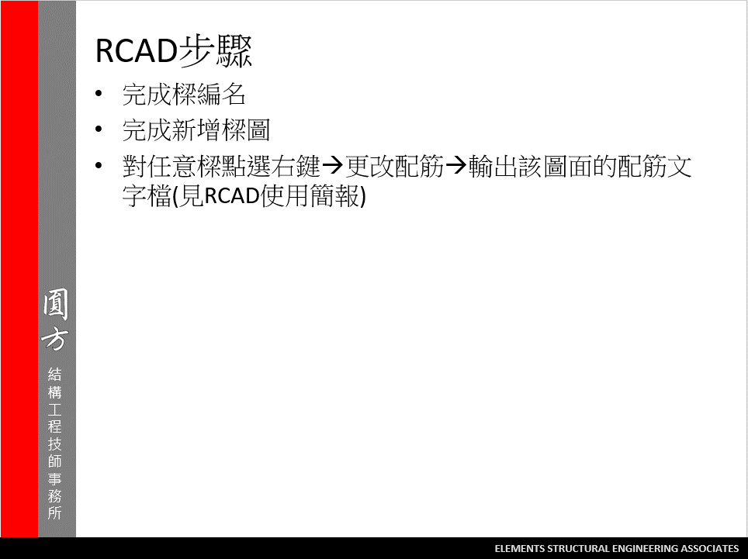
2

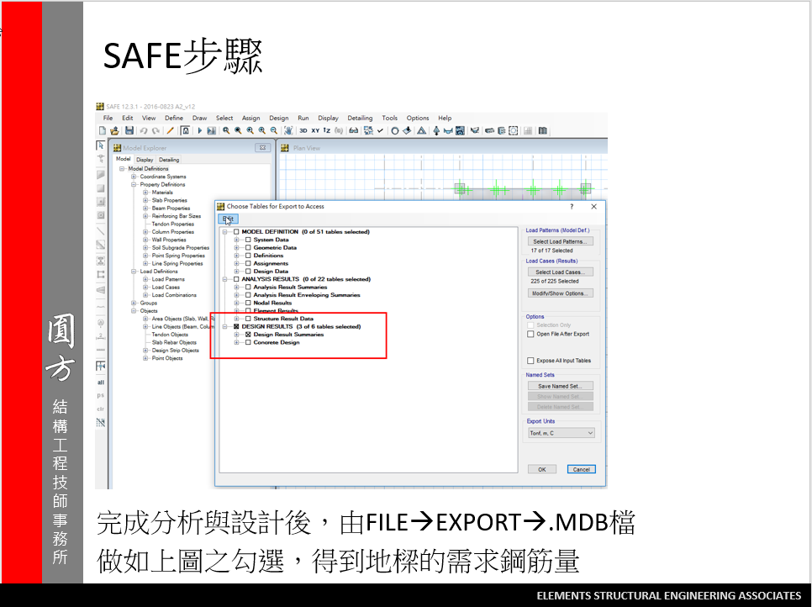
3
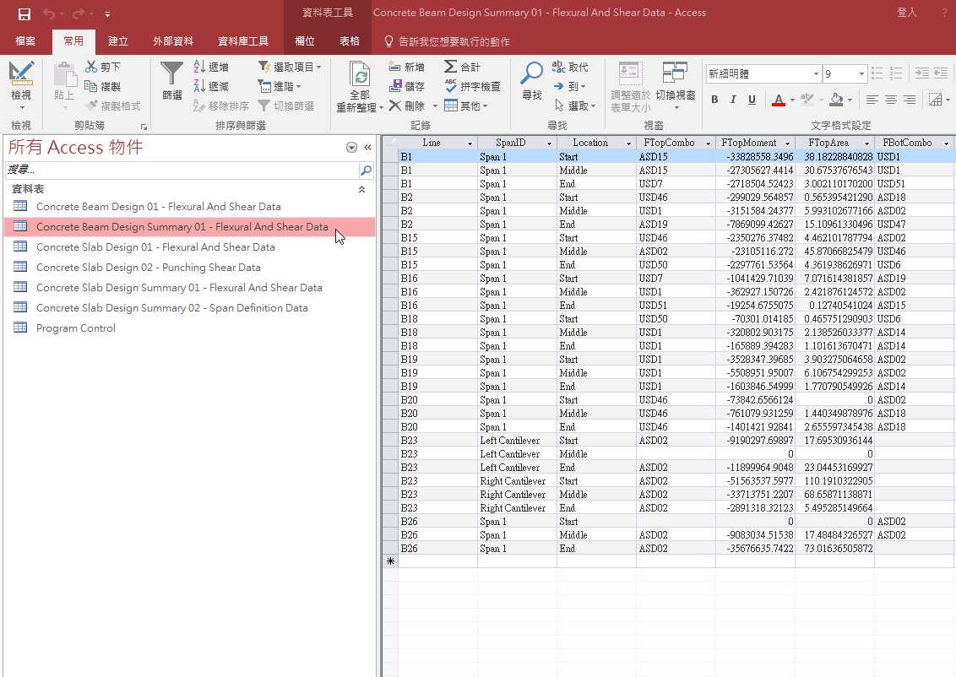

我們只會使用到游標選取的表格

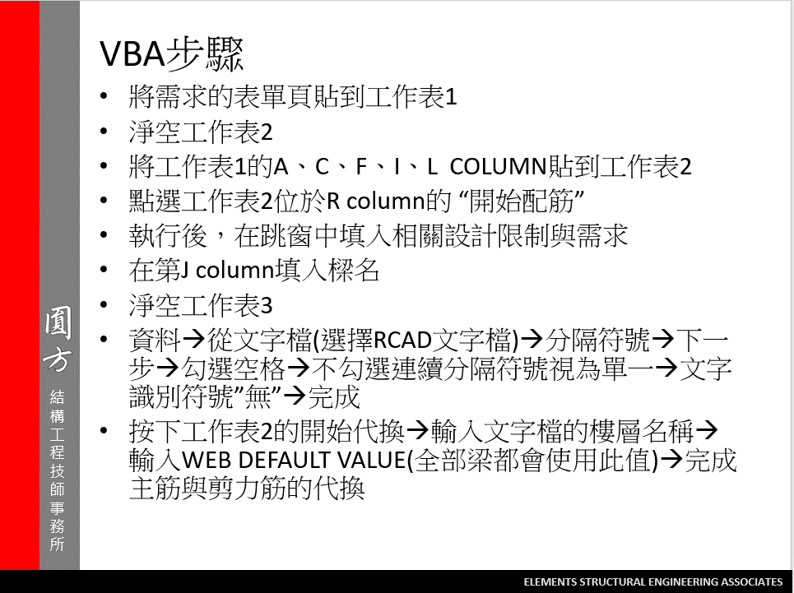
4

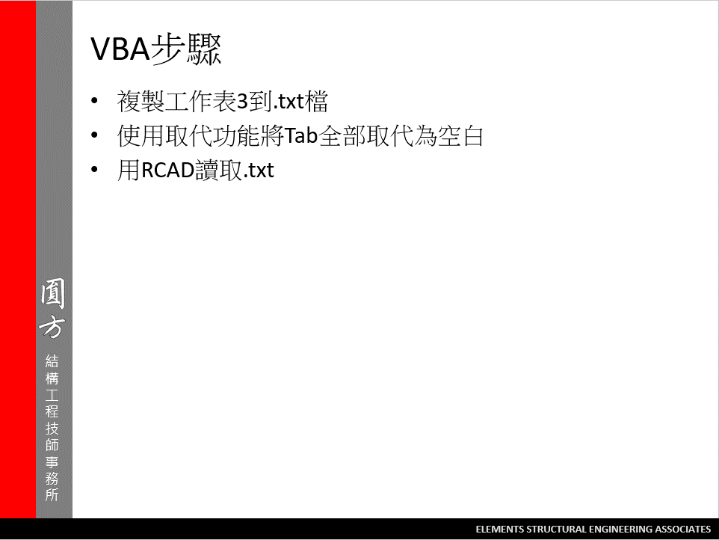
5

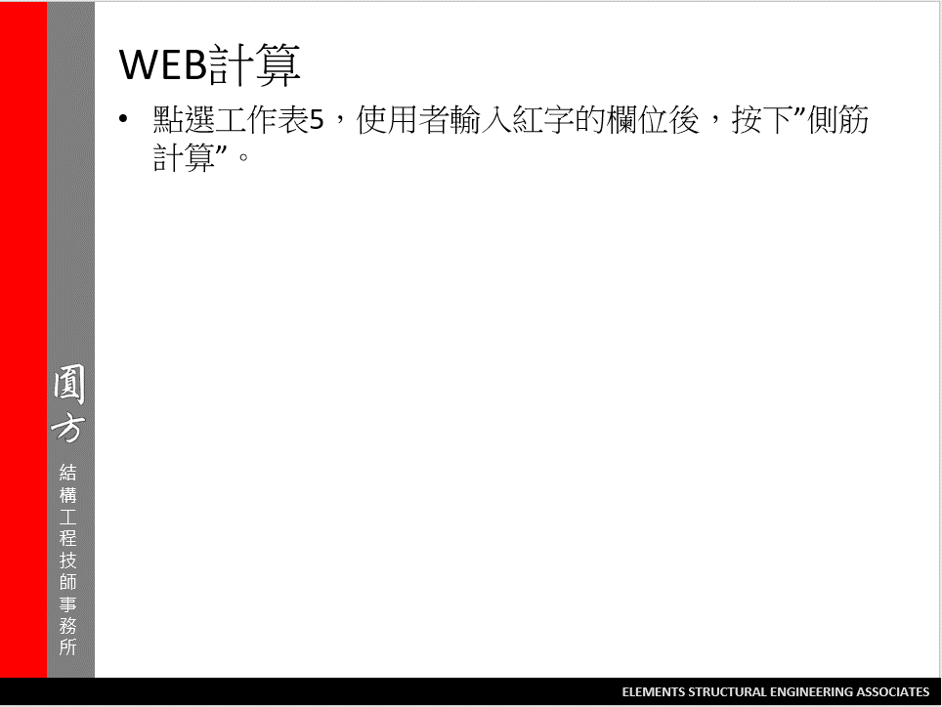

6

