工作表3
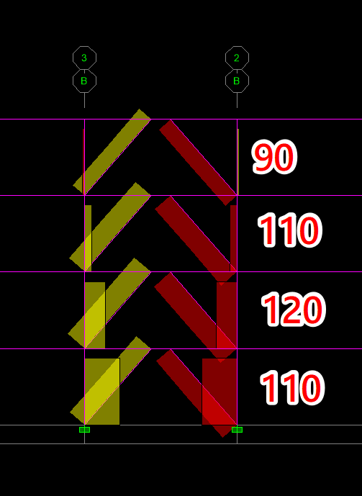

0.65847926611

90 | 59.26313395
110 | 72.432719272
120 | 79.017511933
110 | 72.432719272

