Tool-basedCodeAnalysis
do not print this form |  |  |  |  |  | Echipa
Tool-based Code Analysis |  |  |  |  |  |  | Numele si prenumele | Grupa
 |  |  |  |  |  | Student 1: | Amaistroaie Radu | 233
 | Tool used:
 | Reviewer Name: | Amaistroaie Radu
 | Review date: | 2022-06-03

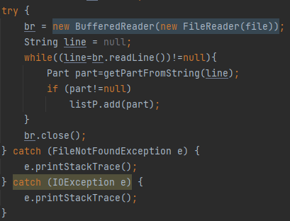
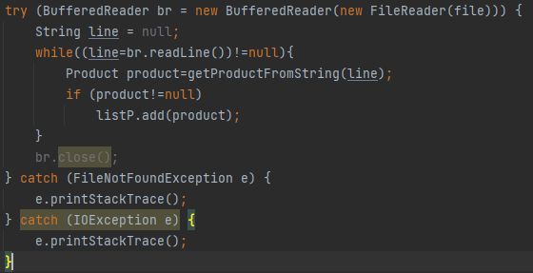
Crt. No. | File, Line | Issue | Before | After/Argument
1 | InventoryRepository Line 28 | Use try-with-resources or close this "BufferedReader" in a "finally" clause.
2 | InventoryRepository Line 82 | Use try-with-resources or close this "BufferedReader" in a "finally" clause.
3 | InventoryRepository Line 136 | Use try-with-resources or close this "BufferedReader" in a "finally" clause.
4 | InventoryRepository Line 132 | Replace this use of System.out or System.err by a logger. |  | Nu s-a inlocuit, desi in majoritatea cazurilor folosind un logger este recomandat, in cazul de fata este suficienta afisarea in consola pentru debugging.
5 | InventoryRepository Line 35 | Combine this catch with the one at line 37, which has the same body. |  | FileNotFoundException poate fi scos din catch avand in vedere ca se face catch si la IOException care il cuprinde | 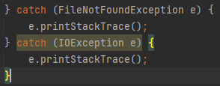
6
7
8
9
10
11
12
13
14
15
16
17
18
19
20
21

 | Effort to perform tool-based code analysis (hours):

