Initial replicaion
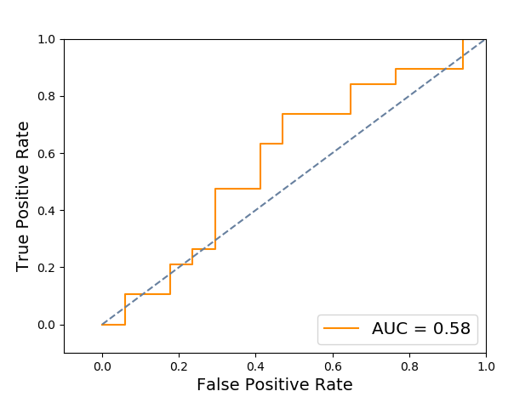
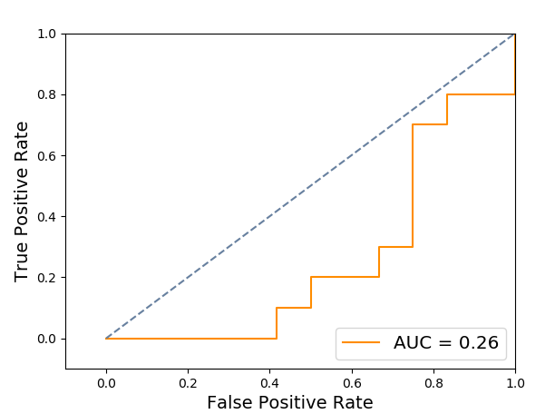
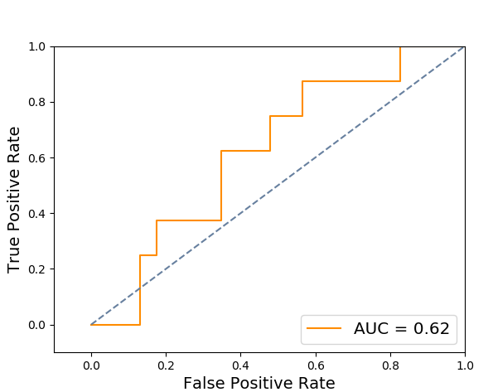
 | Experiment 1 - Normal vs Cancerous | Experiment 2 - Cancerous vs contralateral | Experiment 3 - Contralateral vs normal
Accuracy | 0.583 | 0.318 | 0.709
Area under curve | 0.578 | 0.258 | 0.625

Redoing experiment
Image | Ground truth | Classifier output (58.49%) | Radiologist output | Classifier confidence | Radiologist confidence | Test set
N10_L.bmp | 0 | 0 | 0 | 0.99999824151 | 0.462857142
N10_R.bmp | 0 | 0 | 0 | 0.34757170418 | 0.305714286 | 1
N11_L.bmp | 0 | 0 | 0 | 0.99999456557 | 0.546666666
N11_R.bmp | 0 | 0 | 0 | 0.99997500107 | 0.405714286
N12_L.bmp | 0 | 1 | 0 | 0.50999730675 | 0.182857142
N12_R.bmp | 0 | 1 | 0 | 0.18886512006 | 0.444 | 1
N13_L.bmp | 0 | 0 | 0 | 0.35154246777 | 0.298571428 | 1
N13_R.bmp | 0 | 0 | 0 | 0.99998731868 | 0.554666666
N14_L.bmp | 0 | 0 | 0 | 0.99999870921 | 0.326666666
N14_R.bmp | 0 | 0 | 0 | 0.99999162001 | 0.342857142
N15_L.bmp | 0 | 0 | 1 | 0.99999882848 | 0.066666666
N15_R.bmp | 0 | 0 | 0 | 1.1311201135 | 0.247692308 | 1
N16_L.bmp | 0 | 0 | 0 | 0.99996261447 | 0.041428572
N16_R.bmp | 0 | 0 | 0 | 1.0949613098 | 0.475384616 | 1
N17_L.bmp | 0 | 0 | 0 | 0.56752529685 | 0.549333334 | 1
N17_R.bmp | 0 | 0 | 1 | 0.99998117731 | 0.084
N18_L.bmp | 0 | 0 | 0 | 0.99998177867 | 0.424
N18_R.bmp | 0 | 0 | 0 | 0.99999187535 | 0.347142858
N19_L.bmp | 0 | 0 | 0 | 1.3479747363 | 0.618333334
N19_R.bmp | 0 | 0 | 0 | 0.99999173943 | 0.341538462
N1_L.bmp | 0 | 0 | 0 | 0.46053237883 | 0.370666666 | 1
N1_R.bmp | 0 | 0 | 0 | 1.4523757234 | 0.108
N20_L.bmp | 0 | 0 |  | 0.37091452413 |  | 1
N20_R.bmp | 0 | 0 |  | 0.29376478398 |  | 1
N21_L.bmp | 0 | 0 |  | 0.99996989238
N21_R.bmp | 0 | 0 |  | 0.9999849576
N22_L.bmp | 0 | 0 |  | 0.99999135536
N22_R.bmp | 0 | 0 |  | 0.9999882226
N23_L.bmp | 0 | 0 | 0 | 0.99998852941 | 0.627142858
N23_R.bmp | 0 | 0 | 0 | 1.0000054326 | 0.553333334
N24_L.bmp | 0 | 0 |  | 0.99999690062
N24_R.bmp | 0 | 0 |  | 0.99996619322
N25_L.bmp | 0 | 1 |  | 0.21767661437 |  | 1
N25_R.bmp | 0 | 0 |  | 1.0099991502 |  | 1
N26_L.bmp | 0 | 0 |  | 0.99999477278
N26_R.bmp | 0 | 0 |  | 0.99996478714
N27_L.bmp | 0 | 0 |  | 0.37938474088 |  | 1
N27_R.bmp | 0 | 0 |  | 0.9999848432
N28_L.bmp | 0 | 0 |  | 1.2268079484
N28_R.bmp | 0 | 0 |  | 0.99999144764
N29_L.bmp | 0 | 0 |  | 1.1503905864 |  | 1
N29_R.bmp | 0 | 0 |  | 0.3302542174 |  | 1
N2_L.bmp | 0 | 0 | 0 | 0.99996119312 | 0.372307692
N2_R.bmp | 0 | 0 | 0 | 0.99999101468 | 0.104
N30_L.bmp | 0 | 0 |  | 0.99999996687
N30_R.bmp | 0 | 0 |  | 1.5983719819
N31_L.bmp | 0 | 0 |  | 0.99998970405
N31_R.bmp | 0 | 0 |  | 1.7191561569
N32_L.bmp | 0 | 0 |  | 0.9999951405
N32_R.bmp | 0 | 0 |  | 0.99997009044
N33_L.bmp | 0 | 0 |  | 0.99998171603
N33_R.bmp | 0 | 0 |  | 0.99998619084
N34_L.bmp | 0 | 0 |  | 0.99997230562
N34_R.bmp | 0 | 0 |  | 0.99996482379
N35_L.bmp | 0 | 0 |  | 1.0067160721
N35_R.bmp | 0 | 1 |  | 0.15882869669 |  | 1
N36_L.bmp | 0 | 0 |  | 0.99998118014
N36_R.bmp | 0 | 0 |  | 0.99998319632
N37_L.bmp | 0 | 0 |  | 0.9999752237
N37_R.bmp | 0 | 0 |  | 0.67231425316 |  | 1
N38_L.bmp | 0 | 0 |  | 0.29808893336 |  | 1
N38_R.bmp | 0 | 0 |  | 0.99996920348
N39_L.bmp | 0 | 0 |  | 0.99999505819
N39_R.bmp | 0 | 0 |  | 1.0000067671
N3_L.bmp | 0 | 0 | 0 | 0.99998622523 | 0.241538462
N3_R.bmp | 0 | 1 | 0 | 0.35998112896 | 0.317333334 | 1
N40_L.bmp | 0 | 0 |  | 0.99998638168
N40_R.bmp | 0 | 0 |  | 0.9999678315
N41_L.bmp | 0 | 0 |  | 0.18872375186 |  | 1
N41_R.bmp | 0 | 0 |  | 0.99997676933
N42_L.bmp | 0 | 0 |  | 0.12678067176 |  | 1
N42_R.bmp | 0 | 0 |  | 0.99998342264
N43_L.bmp | 0 | 0 |  | 0.99999169509
N43_R.bmp | 0 | 0 |  | 0.99998107873
N44_L.bmp | 0 | 0 |  | 0.99998251231
N44_R.bmp | 0 | 0 |  | 1.5245841633
N45_L.bmp | 0 | 0 |  | 0.99727787127 |  | 1
N45_R.bmp | 0 | 0 |  | 0.99999252185
N46_L.bmp | 0 | 0 |  | 1.0000027224
N46_R.bmp | 0 | 0 |  | 0.99996928456
N47_L.bmp | 0 | 0 |  | 0.99998171943
N47_R.bmp | 0 | 0 |  | 0.99996751526
N48_L.bmp | 0 | 0 |  | 0.99999276874
N48_R.bmp | 0 | 0 |  | 0.99999346606
N49_L.bmp | 0 | 0 |  | 0.99998810149
N49_R.bmp | 0 | 0 |  | 1.0000020545
N4_L.bmp | 0 | 0 | 0 | 0.99997806266 | 0.596
N4_R.bmp | 0 | 0 | 0 | 1.0000024551 | 0.621428572
N50_L.bmp | 0 | 0 | 0 | 0.72900526753 | 0.157142858 | 1
N50_R.bmp | 0 | 0 |  | 0.039161096739 |  | 1
N51_L.bmp | 0 | 1 |  | 0.039852306566 |  | 1
N51_R.bmp | 0 | 0 |  | 0.99995809165
N52_L.bmp | 0 | 0 |  | 1.0000023735
N52_R.bmp | 0 | 0 |  | 0.9999906015
N53_L.bmp | 0 | 0 |  | 0.9999863465
N53_R.bmp | 0 | 0 |  | 0.48615588302 |  | 1
N54_L.bmp | 0 | 0 |  | 0.99999300198
N54_R.bmp | 0 | 0 |  | 0.48503979383 |  | 1
N55_L.bmp | 0 | 0 |  | 0.99999001102
N55_R.bmp | 0 | 0 |  | 0.99998483475
N5_L.bmp | 0 | 0 | 0 | 0.99998744568 | 0.344
N5_R.bmp | 0 | 0 | 0 | 0.56164614884 | 0.545333334 | 1
N6_L.bmp | 0 | 1 | 0 | 0.34669013708 | 0.621428572 | 1
N6_R.bmp | 0 | 0 | 0 | 0.99997184035 | 0.538571428
N7_L.bmp | 0 | 0 | 0 | 0.99998574569 | 0.493333334
N7_R.bmp | 0 | 0 | 0 | 0.99997992854 | 0.133333334
N8_L.bmp | 0 | 1 | 0 | 0.16974567601 | 0.401428572 | 1
N8_R.bmp | 0 | 0 | 0 | 0.99998737891 | 0.557333334
N9_L.bmp | 0 | 0 | 0 | 1.0023478772 | 0.423076924 | 1
N9_R.bmp | 0 | 0 | 1 | 1.341432518 | 0.154285714
AD10_R.bmp | 1 | 0 |  | 0.4502872768 |  | 1
AD11_R.bmp | 1 | 1 | 1 | 0.99996237309 | 0.445714286
AD12_L.bmp | 1 | 1 | 0 | 1.0350667728 | 0.375384616
AD13_L.bmp | 1 | 1 | 1 | 0.99997490864 | 0.592857142
AD14_L.bmp | 1 | 0 | 0 | 0.66256014947 | 0.395714286 | 1
AD15_R.bmp | 1 | 1 | 1 | 0.99997835561 | 0.566666666
AD16_R.bmp | 1 | 1 | 0 | 0.99997605896 | 0.294285714
AD17_L.bmp | 1 | 1 | 1 | 0.99997677778 | 0.14
AD18_L.bmp | 1 | 1 | 1 | 0.99997095442 | 0.606666666
AD18_R.bmp | 1 | 1 | 1 | 0.19899024401 | 0.182666666 | 1
AD19_L.bmp | 1 | 1 | 1 | 0.049103285723 | 0.029333334 | 1
AD19_R.bmp | 1 | 0 | 1 | 0.78914080272 | 0.397142858 | 1
AD1_L.bmp | 1 | 1 | 1 | 0.99996289966 | 0.624285714
AD20_L.bmp | 1 | 1 | 1 | 0.99999729876 | 0.4225
AD21_L.bmp | 1 | 1 | 0 | 0.9999760762 | 0.021333334
AD21_R.bmp | 1 | 0 | 1 | 0.49521991676 | 0.22 | 1
AD22_L.bmp | 1 | 1 | 0 | 0.99998327514 | 0.166666666
AD23_L.bmp | 1 | 1 | 1 | 0.99998252595 | 0.716
AD24_L.bmp | 1 | 1 | 1 | 0.99996658349 | 0.28923077
AD25_L.bmp | 1 | 0 | 0 | 0.65797189759 | 0.004615384 | 1
AD26_L.bmp | 1 | 1 | 1 | 0.9999733231 | 0.708
AD27_R.bmp | 1 | 1 | 1 | 0.9999936496 | 0.08
AD28_R.bmp | 1 | 1 | 1 | 0.99997209007 | 0.205333334
AD29_R.bmp | 1 | 1 | 1 | 0.99998112975 | 0.342857142
AD2_L.bmp | 1 | 1 | 1 | 0.99998492178 | 0.274285714
AD30_R.bmp | 1 | 1 | 1 | 0.99995351724 | 0.654285714
AD31_R.bmp | 1 | 1 | 1 | 0.99998453624 | 0.512
AD32_L.bmp | 1 | 1 | 0 | 0.41976772231 | 0.227692308 | 1
AD33_L.bmp | 1 | 1 | 1 | 0.83037923743 | 0.574285714 | 1
AD33_R.bmp | 1 | 1 |  | 0.99998104596
AD34_L.bmp | 1 | 1 | 1 | 0.99996394103 | 0.745714286
AD34_R.bmp | 1 | 1 | 1 | 0.99998810562 | 0.14
AD35_R.bmp | 1 | 1 |  | 0.53951709848 |  | 1
AD36_R.bmp | 1 | 0 | 1 | 0.12962604017 | 0.422666666 | 1
AD37_L.bmp | 1 | 1 |  | 0.99995975103
AD38_L.bmp | 1 | 0 |  | 0.23317542919 |  | 1
AD39_L.bmp | 1 | 0 |  | 0.25731622673 |  | 1
AD3_L.bmp | 1 | 0 | 1 | 0.59701822336 | 0.3025 | 1
AD40_R.bmp | 1 | 1 |  | 0.99996470611
AD41_R.bmp | 1 | 1 |  | 0.99997959266
AD42_L.bmp | 1 | 1 |  | 0.99997027276
AD43_R.bmp | 1 | 1 |  | 0.99998603089
AD44_R.bmp | 1 | 0 |  | 1.2441790011 |  | 1
AD45_R.bmp | 1 | 1 |  | 0.99998341618
AD46_R.bmp | 1 | 1 |  | 0.99997801777
AD47_R.bmp | 1 | 1 |  | 0.99998150428
AD48_L.bmp | 1 | 1 |  | 0.99998172996
AD48_R.bmp | 1 | 1 | 0 | 0.33697789736 | 0.06 | 1
AD49_L.bmp | 1 | 1 |  | 0.99996719963
AD49_R.bmp | 1 | 1 |  | 0.99996563724
AD4_L.bmp | 1 | 1 | 1 | 0.99997420522 | 0.048571428
AD4_R.bmp | 1 | 1 | 1 | 0.99996683578 | 0.27
AD50_L.bmp | 1 | 1 |  | 0.99999711319
AD50_R.bmp | 1 | 1 |  | 0.99998164863
AD51_R.bmp | 1 | 0 |  | 0.35537606214 |  | 1
AD52_L.bmp | 1 | 1 |  | 0.99997638881
AD53_L.bmp | 1 | 1 |  | 0.99998158465
AD54_R.bmp | 1 | 1 |  | 0.99995458108
AD55_L.bmp | 1 | 0 |  | 0.27000912588 |  | 1
AD55_R.bmp | 1 | 1 | 0 | 0.99997476134 | 0.138666666
AD5_L.bmp | 1 | 1 | 0 | 0.14684551351 | 0.152307692 | 1
AD5_R.bmp | 1 | 1 | 1 | 0.57403882426 | 0.132857142 | 1
AD6_R.bmp | 1 | 1 | 0 | 0.99989971404 | 0.482857142
AD7_R.bmp | 1 | 1 | 1 | 0.99998442185 | 0.118666666
AD8_R.bmp | 1 | 0 | 0 | 0.23483801486 | 0.056 | 1
AD9_R.bmp | 1 | 0 | 0 | 0.38026130177 | 0.217142858 | 1
AD10_L.bmp | CONTRALATERAL | 0 | 1 |  | 0.1
AD11_L.bmp | CONTRALATERAL | 1 | 0 |  | 0.214285714 | 1
AD12_R.bmp | CONTRALATERAL | 1 | 0 |  | 0.369333334
AD13_R.bmp | CONTRALATERAL | 0 | 0 |  | 0.078666666 | 1
AD14_R.bmp | CONTRALATERAL | 0 | 0 |  | 0.14
AD15_L.bmp | CONTRALATERAL | 1 | 1 |  | 0.055714286
AD16_L.bmp | CONTRALATERAL | 0 | 0 |  | 0.178666666
AD17_R.bmp | CONTRALATERAL | 0 | 1 |  | 0.03 | 1
AD1_R.bmp | CONTRALATERAL | 0 | 1 |  | 0.352
AD20_R.bmp | CONTRALATERAL | 1 | 0 |  | 0.245714286
AD22_R.bmp | CONTRALATERAL | 1 | 0 |  | 0.346153846
AD23_R.bmp | CONTRALATERAL | 1 | 1 |  | 0.06
AD24_R.bmp | CONTRALATERAL | 0 | 1 |  | 0.018666666
AD25_R.bmp | CONTRALATERAL | 0 | 0 |  | 0.082666666 | 1
AD26_R.bmp | CONTRALATERAL | 0 | 0 |  | 0.114666666
AD27_L.bmp | CONTRALATERAL | 1 | 0 |  | 0.285333334
AD28_L.bmp | CONTRALATERAL | 0 | 0 |  | 0.201333334
AD29_L.bmp | CONTRALATERAL | 1 | 0 |  | 0.207142858
AD2_R.bmp | CONTRALATERAL | 1 | 0 |  | 0.575714286
AD30_L.bmp | CONTRALATERAL | 0 | 0 |  | 0.137333334 | 1
AD31_L.bmp | CONTRALATERAL | 1 | 1 |  | 0.181428572
AD32_R.bmp | CONTRALATERAL | 1 | 0 |  | 0.010666666
AD35_L.bmp | CONTRALATERAL | 0 | 1 |  | 0.177333334
AD36_L.bmp | CONTRALATERAL | 0 | 0 |  | 0.4 | 1
AD37_R.bmp | CONTRALATERAL | 1 | 0 |  | 0.042666666
AD38_R.bmp | CONTRALATERAL | 1 | 0 |  | 0.310666666 | 1
Contralateral classification
 | 1
 | 0
 | 0
 | 0
 | 0
 | 0
 | 1
 | 1
 | 1
 | 0
 | 0
 | 0
 | 1
 | 0
AD39_R.bmp | CONTRALATERAL | 1 | 0 |  | 0.167692308
AD3_R.bmp | CONTRALATERAL | 0 | 1 |  | 0.270666666
AD40_L.bmp | CONTRALATERAL | 0 | 0 |  | 0.355333334
AD41_L.bmp | CONTRALATERAL | 0 | 1 |  | 0.081333334
AD42_R.bmp | CONTRALATERAL | 1 | 0 |  | 0.247142858 | 1
AD43_L.bmp | CONTRALATERAL | 1 | 1 |  | 0.026666666 | 1
AD44_L.bmp | CONTRALATERAL | 0 |  |  |  | 1
AD45_L.bmp | CONTRALATERAL | 0 | 0 |  | 0.564 | 1
AD46_L.bmp | CONTRALATERAL | 0 |  |  |  | 1
AD47_L.bmp | CONTRALATERAL | 1 | 0 |  | 0.054285714
AD51_L.bmp | CONTRALATERAL | 1 |  |  |  | 1
AD52_R.bmp | CONTRALATERAL | 1 | 0 |  | 0.141428572
AD53_R.bmp | CONTRALATERAL | 0 | 1 |  | 0.027142858 | 1
AD54_L.bmp | CONTRALATERAL | 0 | 0 |  | 0.301428572
AD6_L.bmp | CONTRALATERAL | 1 | 0 |  | 0.212307692
AD7_L.bmp | CONTRALATERAL | 1 | 1 |  | 0.064
AD8_L.bmp | CONTRALATERAL | 0 | 0 |  | 0.049333334
AD9_L.bmp | CONTRALATERAL | 1 | 0 |  | 0.431666666

Cherry Picked Croppedv5
Radio confidence vs classifier confidence
Image | Ground truth | Classifier output (65%, AUC=0.69) | Radiologist output(89%, AUC=0.87) | Classifier confidence(r=0.338 with radiologist confidence, p=0.013) | Radiologist confidence | Naïve combined output(91%, AUC=0.91) | Gabor feature distance classification (AUC=0.54)
N10_L.png | 0 | 0 | 0 | 0.58397878808 | 0.462857142 | 0 | 0
N10_R.png | 0 | 0 | 0 | 0.22412745109 | 0.305714286 | 0 | 0
N11_L.png | 0 | 0 | 0 | 0.0035127943946 | 0.546666666 | 0 | 1
N11_R.png | 0 | 0 | 0 | 0.27180099564 | 0.405714286 | 0 | 0
N12_L.png | 0 | 1 | 0 | 0.26747615711 | 0.182857142 | 1 | 1
N13_L.png | 0 | 0 | 0 | 0.13509393756 | 0.298571428 | 0 | 1
N13_R.png | 0 | 0 | 0 | 1 | 0.554666666 | 0 | 0
N14_R.png | 0 | 0 | 0 | 0.1020979855 | 0.342857142 | 0 | 1
N16_L.png | 0 | 1 | 0 | 0.45953760137 | 0.041428572 | 1 | 0
N16_R.png | 0 | 0 | 0 | 0.28111183174 | 0.475384616 | 0 | 1
N17_L.png | 0 | 1 | 0 | 0.10766625513 | 0.549333334 | 0 | 0
N17_R.png | 0 | 0 | 1 | 0.4625846194 | 0.084 | 0 | 0
N18_L.png | 0 | 0 | 0 | 0.42322147911 | 0.424 | 0 | 0
N18_R.png | 0 | 0 | 0 | 0.10697048996 | 0.347142858 | 0 | 1
N19_L.png | 0 | 0 | 0 | 0.50450668262 | 0.618333334 | 0 | 0
N19_R.png | 0 | 0 | 0 | 0.28005320742 | 0.341538462 | 0 | 1 | 0.06029954306
N1_L.png | 0 | 0 | 0 | 0.64789445229 | 0.370666666 | 0 | 0
N1_R.png | 0 | 1 | 0 | 0.054057796888 | 0.108 | 0 | 1
N23_L.png | 0 | 0 | 0 | 0.74730013358 | 0.627142858 | 0 | 0
N23_R.png | 0 | 0 | 0 | 0.33414463409 | 0.553333334 | 0 | 0
N2_L.png | 0 | 1 | 0 | 0.13615519907 | 0.372307692 | 0 | 1
N2_R.png | 0 | 0 | 0 | 0.19803032252 | 0.104 | 0 | 1
N3_L.png | 0 | 0 | 0 | 0.35992396552 | 0.241538462 | 0 | 0
N3_R.png | 0 | 1 | 0 | 0.088874312879 | 0.317333334 | 0 | 1
N4_L.png | 0 | 0 | 0 | 0.012858000796 | 0.596 | 0 | 1
N5_L.png | 0 | 0 | 0 | 0.25195750647 | 0.344 | 0 | 0
N5_R.png | 0 | 0 | 0 | 0.17506402591 | 0.545333334 | 0 | 0
N6_L.png | 0 | 0 | 0 | 0.19883258115 | 0.621428572 | 0 | 1
N7_L.png | 0 | 1 | 0 | 1 | 0.493333334 | 1 | 1
N7_R.png | 0 | 1 | 0 | 0.79129690389 | 0.133333334 | 1 | 1
N8_R.png | 0 | 0 | 0 | 0.33762941775 | 0.557333334 | 0 | 0
N9_L.png | 0 | 1 | 0 | 0.36149375174 | 0.423076924 | 0 | 0
N9_R.png | 0 | 0 | 1 | 0.5543982834 | 0.154285714 | 0 | 0
AD13_L.png | 1 | 0 | 1 | 0.36365360586 | 0.592857142 | 1 | 1
AD15_R.png | 1 | 0 | 1 | 0.10458301139 | 0.566666666 | 1 | 0
AD16_R.png | 1 | 0 | 0 | 0.018920125613 | 0.294285714 | 0 | 1
AD17_L.png | 1 | 0 | 1 | 0.074105366657 | 0.14 | 1 | 0
AD18_R.png | 1 | 1 | 1 | 0.27886373991 | 0.182666666 | 1 | 1
AD19_L.png | 1 | 1 | 1 | 0.134646654 | 0.029333334 | 1 | 0
AD1_L.png | 1 | 1 | 1 | 0.21317689635 | 0.624285714 | 1 | 1
AD20_L.png | 1 | 0 | 1 | 0.4060966411 | 0.4225 | 1 | 1
AD22_L.png | 1 | 1 | 0 | 0.9189007402 | 0.166666666 | 1 | 0
AD23_L.png | 1 | 0 | 1 | 0.19154549061 | 0.716 | 1 | 1
AD25_L.png | 1 | 1 | 0 | 0.59157603062 | 0.004615384 | 1 | 1
AD27_R.png | 1 | 0 | 1 | 0.056339751833 | 0.08 | 1 | 1
AD29_R.png | 1 | 1 | 1 | 0.171853804 | 0.342857142 | 1 | 1
AD31_R.png | 1 | 0 | 1 | 0.29544908739 | 0.512 | 1 | 0
AD33_L.png | 1 | 1 | 1 | 0.44642350999 | 0.574285714 | 1 | 1
AD34_R.png | 1 | 0 | 1 | 0.046545571381 | 0.14 | 1 | 0
AD36_R.png | 1 | 0 | 1 | 0.18883748187 | 0.422666666 | 1 | 0
AD3_L.png | 1 | 1 | 1 | 0.030332036352 | 0.3025 | 1 | 1
AD48_R.png | 1 | 1 | 0 | 0.15744707194 | 0.06 | 1 | 0
AD4_R.png | 1 | 1 | 1 | 0.10642296357 | 0.27 | 1 | 0

