Initial replicaion
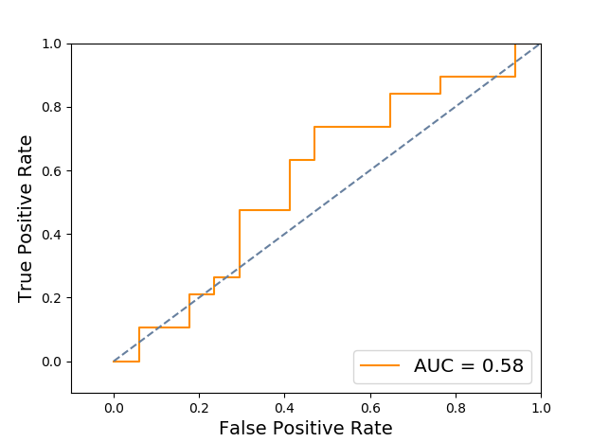
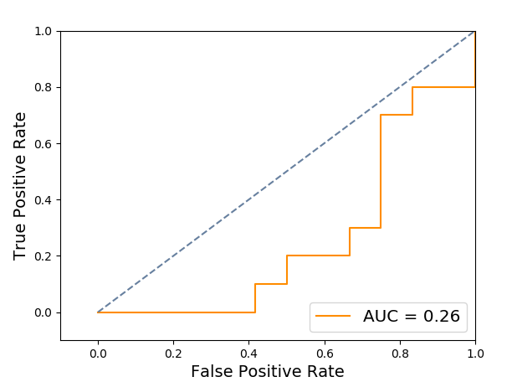
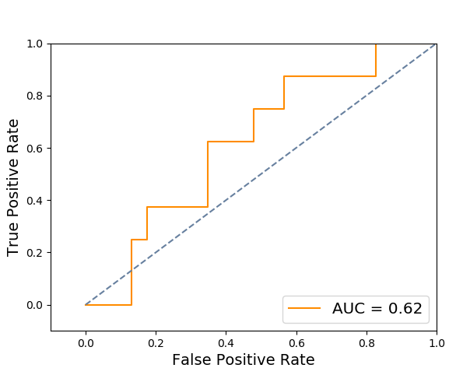
 | Experiment 1 - Normal vs Cancerous | Experiment 2 - Cancerous vs contralateral | Experiment 3 - Contralateral vs normal
Accuracy | 0.583 | 0.318 | 0.709
Area under curve | 0.578 | 0.258 | 0.625

