Area51
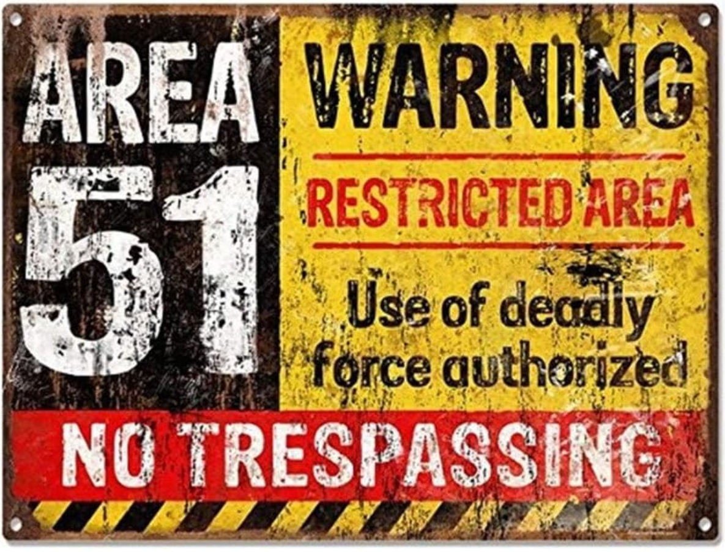
 |  | True?

Workbook Options | Currently
Use Full Vault Pathnames for Note Links | TRUE |  | True!

 |  |  |  | Files | 741 | 58
 |  |  |  | Xyml | 51 | 7
 |  |  |  | Skip | 2 | 5
 |  |  |  | Dups (-) | 4 | 795
Control Counts From v_chk: | ctot | Total |  |  | 798 | 1
Total MD Files in Vault | [0] | 799
Markdown Files in dirs_skip | [1] | 2
Templates Processed | [2] | 0
Dups Tested | [3] | 797
Known Nested Tags Files Found | [4] | 0
Frontmatter YAML Files | [5] | 764
Inline YAML Files | [6] | 797
upd_obs_files | [7] | 4625
upd_obs_nests | [8] | 742
upd_obs_props | [9] | 6407

ColorStudy
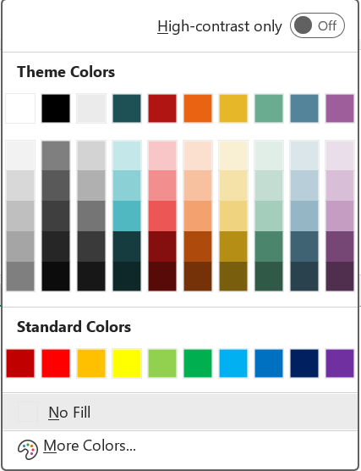
 |  |  |  |  |  |  |  | 0 | 1 | 2 | 3 | 4 | 5
 |  |  |  |  |  | Accents (L-R) | Accents | Solid | 80% | 60% | 40% | 25% | Darker50%
 |  |  |  | " |  | White | wht | FFFFFF | D3D3D3 | B0B0B0 | 757575 | A5A5A5 | 808080 |  | "wht" | "FFFFFF" | "D3D3D3" | "B0B0B0" | "757575" | "A5A5A5" | "808080" |  | FALSE
 |  |  |  |  |  | Black | blk | 000000 | 7F7F7F | 595959 | 3F3F3F | 262626 | 0D0D0D |  | "blk" | "000000" | "7F7F7F" | "595959" | "3F3F3F" | "262626" | "0D0D0D" |  | "blk" = ["000000", "7F7F7F", "595959", "3F3F3F", "262626", "0D0D0D"]
 |  |  |  |  |  | Aqu/Teal | aqu | 1E5155 | C4E7EA | 8AD0D5 | 4FB8C1 | 163C3F | 0F282B |  | "aqu" | "1E5155" | "C4E7EA" | "8AD0D5" | "4FB8C1" | "163C3F" | "0F282B" |  | "aqu" = ["1E5155", "C4E7EA", "8AD0D5", "4FB8C1", "163C3F", "0F282B"]
 |  |  |  |  |  | Accent1 | red | B01513 | F8C6C6 | F28E8D | EC5654 | 840F0E | 580C0A |  | "red" | "B01513" | "F8C6C6" | "F28E8D" | "EC5654" | "840F0E" | "580C0A" |  | "red" = ["B01513", "F8C6C6", "F28E8D", "EC5654", "840F0E", "580C0A"]
 |  |  |  |  |  | Accent2 | ora | EA6312 | FBDFCF | F7C09F | F3A16F | AF4A0D | 753109 |  | "ora" | "EA6312" | "FBDFCF" | "F7C09F" | "F3A16F" | "AF4A0D" | "753109" |  | "ora" = ["EA6312", "FBDFCF", "F7C09F", "F3A16F", "AF4A0D", "753109"]
 |  |  |  |  |  | Accent3 | yel | E6B729 | F9F0D4 | F4E2A9 | F0D37E | B58E15 | 7A600E |  | "yel" | "E6B729" | "F9F0D4" | "F4E2A9" | "F0D37E" | "B58E15" | "7A600E" |  | "yel" = ["E6B729", "F9F0D4", "F4E2A9", "F0D37E", "B58E15", "7A600E"]
 |  |  |  |  |  | Accent4 | sea | 6AAC90 | E1EEE8 | C3DDD2 | A5CDBC | 4A856C | 325848 |  | "sea" | "6AAC90" | "E1EEE8" | "C3DDD2" | "A5CDBC" | "4A856C" | "325848" |  | "sea" = ["6AAC90", "E1EEE8", "C3DDD2", "A5CDBC", "4A856C", "325848"]
 |  |  |  |  |  | Accent5 | tea | 54849A | DBE6EB | B8CED8 | 95B6C5 | 3F6373 | 29424E |  | "tea" | "54849A" | "DBE6EB" | "B8CED8" | "95B6C5" | "3F6373" | "29424E" |  | "tea" = ["54849A", "DBE6EB", "B8CED8", "95B6C5", "3F6373", "29424E"]
 |  |  |  |  |  | Accent6 | pur | 9E5E9B | EBDEEB | D8BED7 | C59DC3 | 764674 | 4F2F4E |  | "pur" | "9E5E9B" | "EBDEEB" | "D8BED7" | "C59DC3" | "764674" | "4F2F4E" |  | "pur" = ["9E5E9B", "EBDEEB", "D8BED7", "C59DC3", "764674", "4F2F4E"]
 |  |  |  |  |  | My Blue | blu | 4169E1 | DADDF6 | AFB5EB | 7C85DE | 2E3BB4 | 212A83 |  | "blu" | "4169E1" | "DADDF6" | "AFB5EB" | "7C85DE" | "2E3BB4" | "212A83" |  | "blu" = ["4169E1", "DADDF6", "AFB5EB", "7C85DE", "2E3BB4", "212A83"]
 |  |  |  |  |  | My Green | grn | 57BF70 | B1E1BC | B6E4C1 | 8AD29B | 2C763E | 1D4B28 |  | "grn" | "57BF70" | "B1E1BC" | "B6E4C1" | "8AD29B" | "2C763E" | "1D4B28" |  | "grn" = ["57BF70", "B1E1BC", "B6E4C1", "8AD29B", "2C763E", "1D4B28"]
 |  |  |  |  |  | Based on Ion Theme | NOTE: Non-Dflt Text Colors in italics

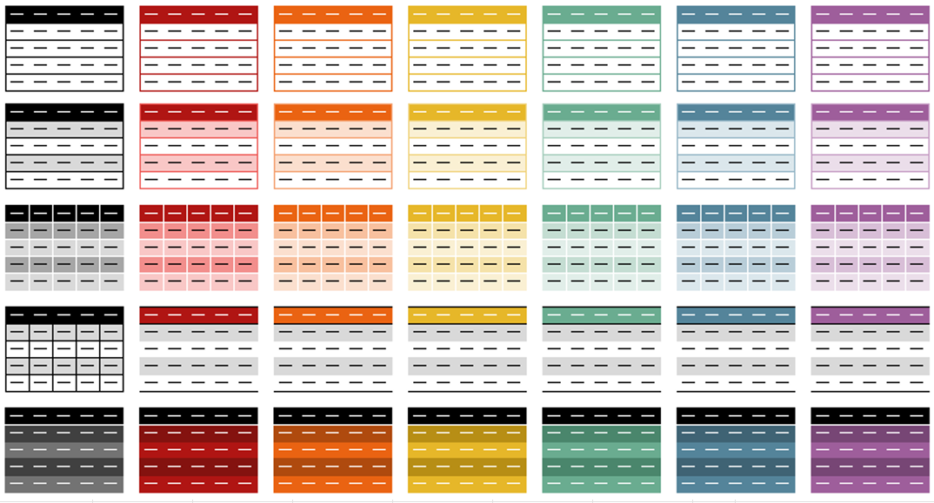
 |  |  |  |  |  | Table Colors (Ion) | Column1 | Column1 | Column1 | Column1 | Column1 | Column1 |  |  |  |  |  | 0 | 1 | 2 | 3 | 4 | 5 6
 |  |  |  |  |  |  |  |  |  |  |  |  |  |  |  |  | RowStyle
 |  |  |  |  |  |  |  |  |  |  |  |  |  |  |  | Light | Style |  |  |  |  |  | 0 | 8 | 9 | 10 | 11 | 12 | 13 | 14 | "0": ["8", "9", "10", "11", "12", "13", "14"]
 |  |  |  |  |  |  |  |  |  |  |  |  |  | DADDF6 |  |  | 0 |  |  |  |  |  | 1 | 1 | 2 | 3 | 4 | 5 | 6 | 7 | "1": ["1", "2", "3", "4", "5", "6", "7"]
Workbook Options | Currently |  |  |  |  |  |  |  |  |  |  |  | 2C3DBE |  |  |  |  |  |  |  |  |  | 2 | 8 | 9 | 10 | 11 | 12 | 13 | 14 | "2": ["8", "9", "10", "11", "12", "13", "14"]
Use Full Vault Pathnames for Markdown Files | TRUE |  | True! |  |  |  |  |  |  |  |  |  |  |  |  | Medium | Style |  |  |  |  |  | 3 | 15 | 16 | 17 | 18 | 19 | 20 | 21 | "3": ["15", "16", "17", "18", "19", "20", "21"]
 |  |  |  |  |  |  |  |  |  |  |  |  |  |  |  |  | 1 |  |  |  |  |  | 4 | 1 | 2 | 3 | 4 | 5 | 6 | 7 | "4": ["1", "2", "3", "4", "5", "6", "7"]

 |  |  |  |  |  |  |  |  |  |  |  |  |  |  |  |  | Style
 |  |  |  |  |  |  |  |  |  |  |  |  |  |  |  |  | 2
 |  |  |  |  | #57BF70 | 3B4DD1 | DADDF6 | AFB5EB | 7C85DE | 2E3BB4 | 212A83
 |  |  |  |  |  | #57BF70 | #B1E1BC | #B6E4C1 | #8AD29B | #2C763E | #1D4B28 |  |  |  |  |  | Style
 |  |  |  |  |  | #4169E1 |  |  |  |  |  |  |  |  |  |  | 3

 |  |  |  |  |  |  |  |  |  |  |  |  |  |  |  | Dark | Style
 |  |  |  |  |  |  |  |  |  |  |  |  |  |  |  |  | 4

Control Counts From v_chk: | ctot | Total
Total MD Files in Vault | [0] | 799
Markdown Files in dirs_skip | [1] | 2
Templates Processed | [2] | 0
Dups Tested | [3] | 797
Known Nested Tags Files Found | [4] | 0
Frontmatter YAML Files | [5] | 764
Inline YAML Files | [6] | 797
upd_obs_files | [7] | 4625
upd_obs_nests | [8] | 742
upd_obs_props | [9] | 6407

