Open a defect.
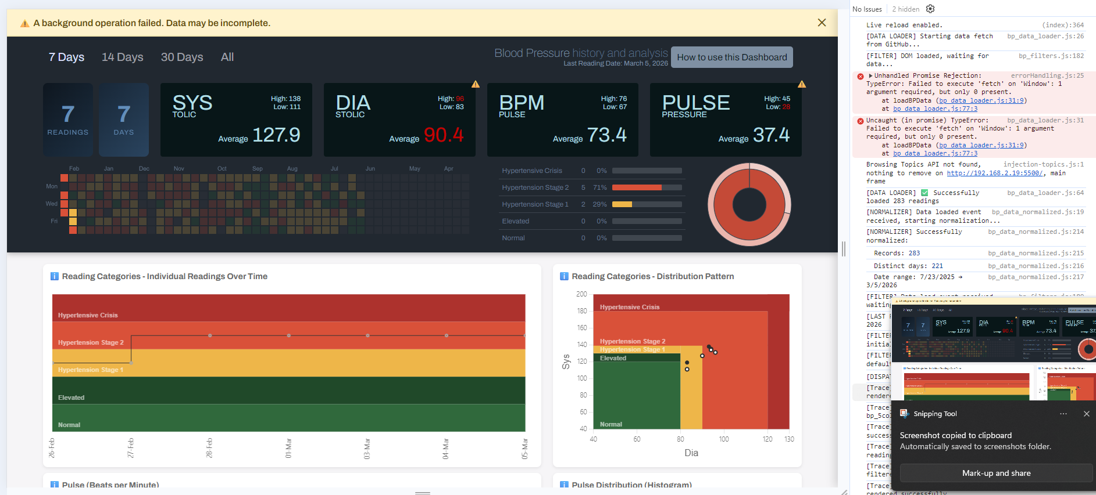
errorhandling.js threw this: | I don't know what caused it or how to reproduce it.
Unhandled Promise Rejection: TypeError: Failed to execute 'fetch' on 'Window': 1 argument required, but only 0 present. | I opened a fresh browser tab and went to http://192.168.2.19:5500/
at loadBPData (bp_data_loader.js:31:9) | Liveserver is running.
at bp_data_loader.js:77:3

IsADefect
Is this a defect?
I was trying to test a 0, sys:null and missing Sys key at the same time by editing the .json file in prod and got this. It's not my code.
I replaced the missing Sys: key and still got it.

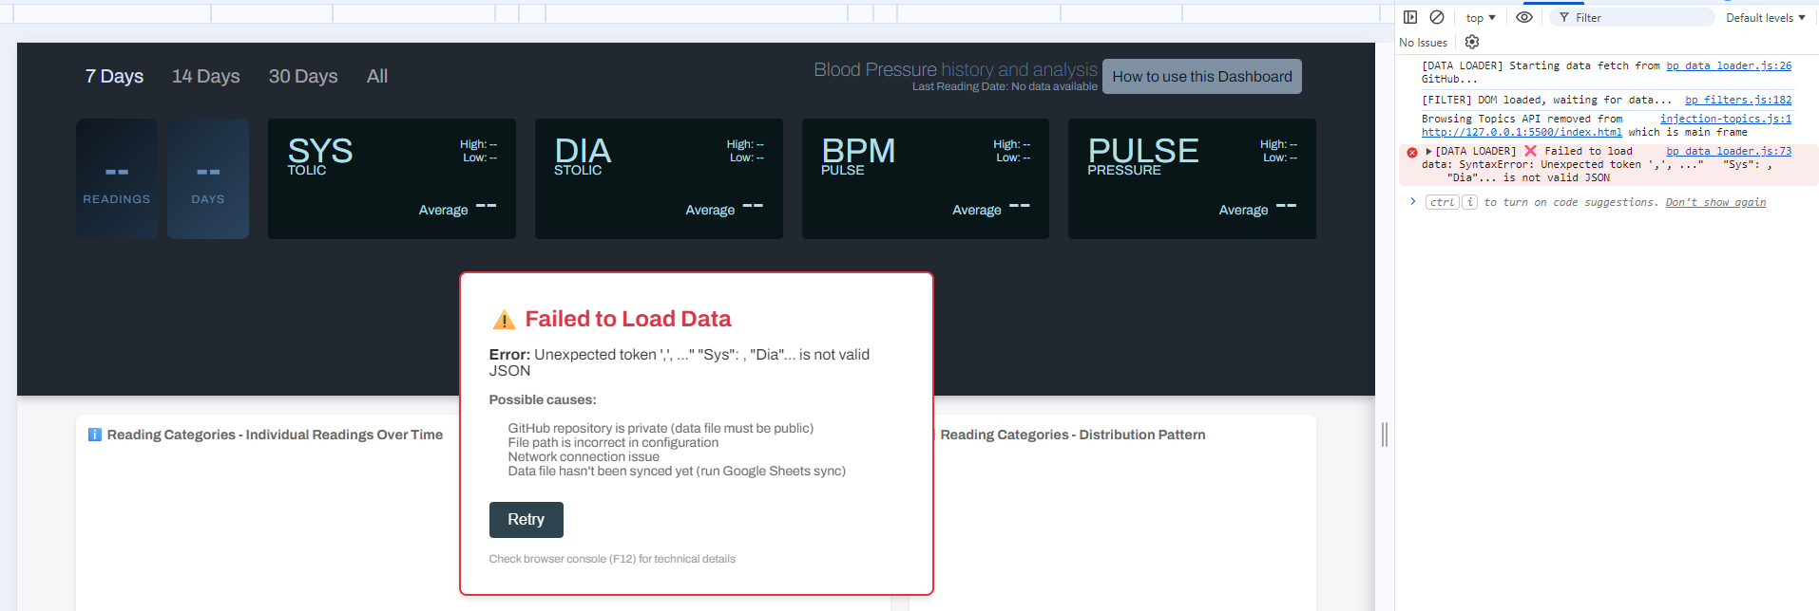

Here's the thing.... console logged this:

bp_data_loader.js:73 [DATA LOADER] ❌ Failed to load data: SyntaxError: Unexpected token ',', ..." "Sys": , "Dia"... is not valid JSON
loadBPData | @ | bp_data_loader.js:73
await in loadBPData
(anonymous) | @ | bp_data_loader.js:76

...but the banner didn't fire. Github's did, but mine didn't!

