Open a defect.
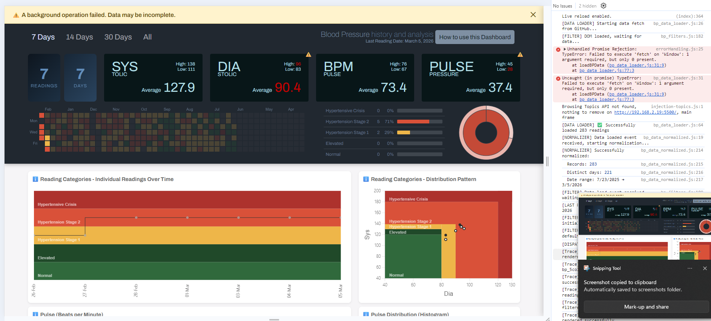
errorhandling.js threw this: | I don't know what caused it or how to reproduce it.
Unhandled Promise Rejection: TypeError: Failed to execute 'fetch' on 'Window': 1 argument required, but only 0 present. | I opened a fresh browser tab and went to http://192.168.2.19:5500/
at loadBPData (bp_data_loader.js:31:9) | Liveserver is running.
at bp_data_loader.js:77:3

