Data
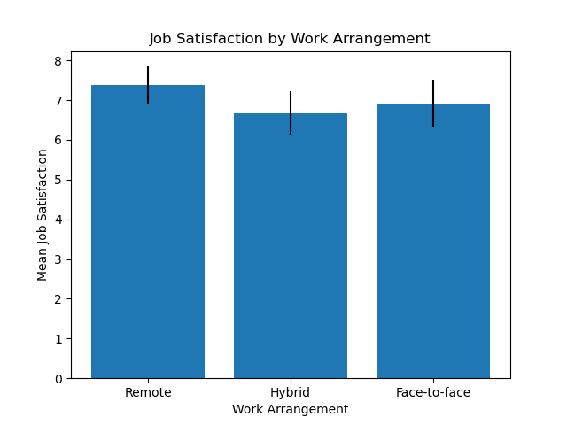
 | Work Arrangement | Job Satisfaction | Age | Gender
0 | Face-to-face | 6 | 23 | Female
1 | Remote | 8 | 25 | Male
2 | Hybrid | 5 | 18 | Male
3 | Remote | 4 | 24 | Male
4 | Hybrid | 2 | 28 | Male
5 | Face-to-face | 10 | 28 | Male
6 | Remote | 5 | 57 | Female
7 | Remote | 10 | 19 | Male
8 | Hybrid | 4 | 24 | Female
9 | Remote | 10 | 30 | Male
10 | Hybrid | 10 | 33 | Female
11 | Remote | 2 | 34 | Male
12 | Hybrid | 5 | 29 | Male
13 | Remote | 8 | 24 | Male
14 | Remote | 10 | 27 | Female
15 | Remote | 6 | 36 | Male
16 | Hybrid | 5 | 38 | Male
17 | Remote | 10 | 36 | Male
18 | Hybrid | 10 | 32 | Male
19 | Face-to-face | 2 | 45 | Male
20 | Hybrid | 2 | 51 | Male
21 | Hybrid | 5 | 65 | Male
22 | Remote | 5 | 36 | Male
23 | Hybrid | 10 | 27 | Male
24 | Remote | 8 | 57 | Female
25 | Hybrid | 1 | 24 | Male
26 | Hybrid | 9 | 55 | Female
27 | Face-to-face | 8 | 33 | Male
28 | Hybrid | 2 | 21 | Female
29 | Remote | 8 | 22 | Female
30 | Face-to-face | 3 | 27 | Male
31 | Remote | 10 | 41 | Male
32 | Face-to-face | 5 | 55 | Male
33 | Face-to-face | 10 | 45 | Male
34 | Remote | 8 | 43 | Male
35 | Face-to-face | 1 | 56 | Male
36 | Remote | 10 | 37 | Male
37 | Remote | 10 | 39 | Male
38 | Face-to-face | 6 | 40 | Male
39 | Hybrid | 8 | 49 | Male
40 | Hybrid | 1 | 44 | Male
41 | Hybrid | 8 | 49 | Male
42 | Face-to-face | 8 | 36 | Male
43 | Face-to-face | 8 | 22 | Male
44 | Face-to-face | 10 | 46 | Male
45 | Hybrid | 8 | 38 | Male
46 | Face-to-face | 8 | 56 | Male
47 | Remote | 7 | 58 | Male
48 | Hybrid | 10 | 45 | Male
49 | Remote | 10 | 48 | Male
50 | Face-to-face | 5 | 39 | Female
51 | Hybrid | 10 | 24 | Male
52 | Hybrid | 10 | 33 | Male
53 | Remote | 8 | 36 | Female
54 | Hybrid | 10 | 50 | Male
55 | Remote | 10 | 46 | Male
56 | Hybrid | 10 | 22 | Male
57 | Hybrid | 2 | 55 | Male
58 | Face-to-face | 8 | 53 | Male
59 | Hybrid | 10 | 45 | Male
60 | Remote | 10 | 35 | Male
61 | Remote | 10 | 22 | Male
62 | Hybrid | 8 | 26 | Male
63 | Remote | 7 | 34 | Female
64 | Face-to-face | 8 | 44 | Male
65 | Hybrid | 2 | 54 | Female
66 | Face-to-face | 6 | 35 | Male
67 | Face-to-face | 10 | 44 | Female
68 | Remote | 7 | 34 | Male
69 | Remote | 8 | 65 | Male
70 | Hybrid | 10 | 60 | Female
71 | Remote | 8 | 48 | Male
72 | Remote | 10 | 64 | Male
73 | Hybrid | 2 | 52 | Male
74 | Face-to-face | 8 | 64 | Male
75 | Remote | 1 | 27 | Male
76 | Remote | 2 | 33 | Male
77 | Face-to-face | 10 | 36 | Male
78 | Hybrid | 9 | 40 | Female
79 | Hybrid | 10 | 45 | Male
80 | Remote | 8 | 55 | Male
81 | Face-to-face | 2 | 47 | Female
82 | Face-to-face | 10 | 30 | Male
83 | Remote | 2 | 25 | Male
84 | Remote | 2 | 35 | Male
85 | Hybrid | 8 | 25 | Male
86 | Face-to-face | 2 | 24 | Male
87 | Remote | 8 | 64 | Male
88 | Hybrid | 10 | 63 | Male
89 | Face-to-face | 10 | 40 | Male
90 | Remote | 10 | 52 | Male
91 | Hybrid | 10 | 38 | Male
92 | Hybrid | 8 | 45 | Male
93 | Remote | 10 | 66 | Male
94 | Hybrid | 4 | 67 | Male
95 | Remote | 1 | 36 | Male
96 | Hybrid | 2 | 54 | Female
97 | Remote | 9 | 48 | Male
98 | Face-to-face | 9 | 35 | Male
99 | remote | 7 | 48 | female

