Sheet1
picture | productID | productName | category | color | material | origin | price | quantity | totalamount
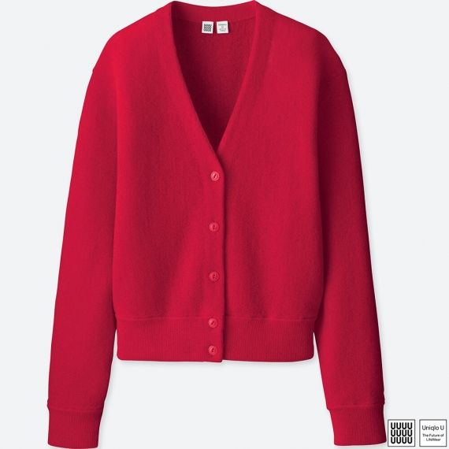 | 12345 | WOMEN Uniqlo U Wool V Neck Cardigan | Cardigans | Red | Wool | Japan | 79.9 | 80 | 6392
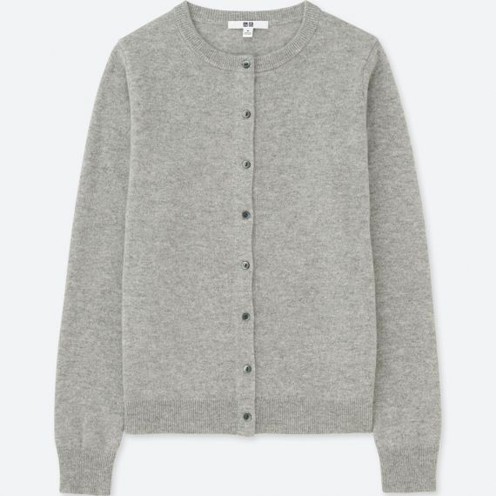 | 12346 | WOMEN Cashmere Crew Neck Cardigan | Cardigans | Light Grey | Cashmere | Japan | 149.9 | 70 | 10493
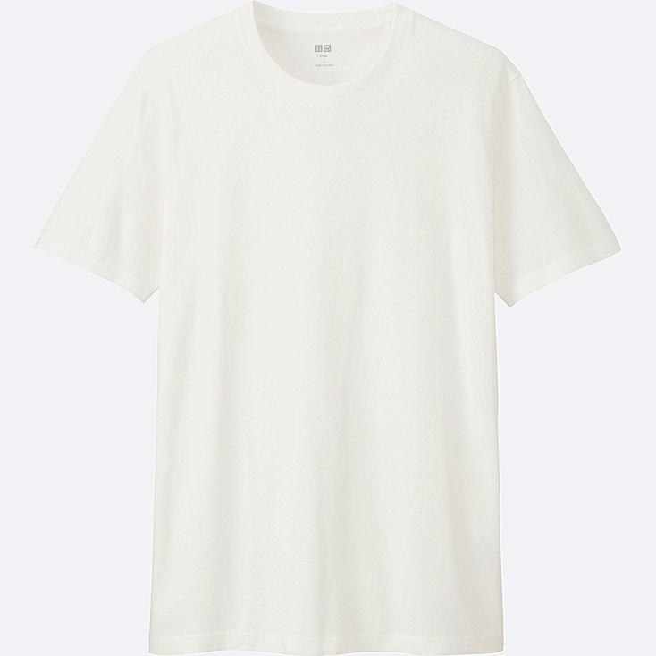 | 33100 | Men's V-neck White T-Shirt | T-Shirt | White | Cotton | Japan | 7.9 | 180 | 1422
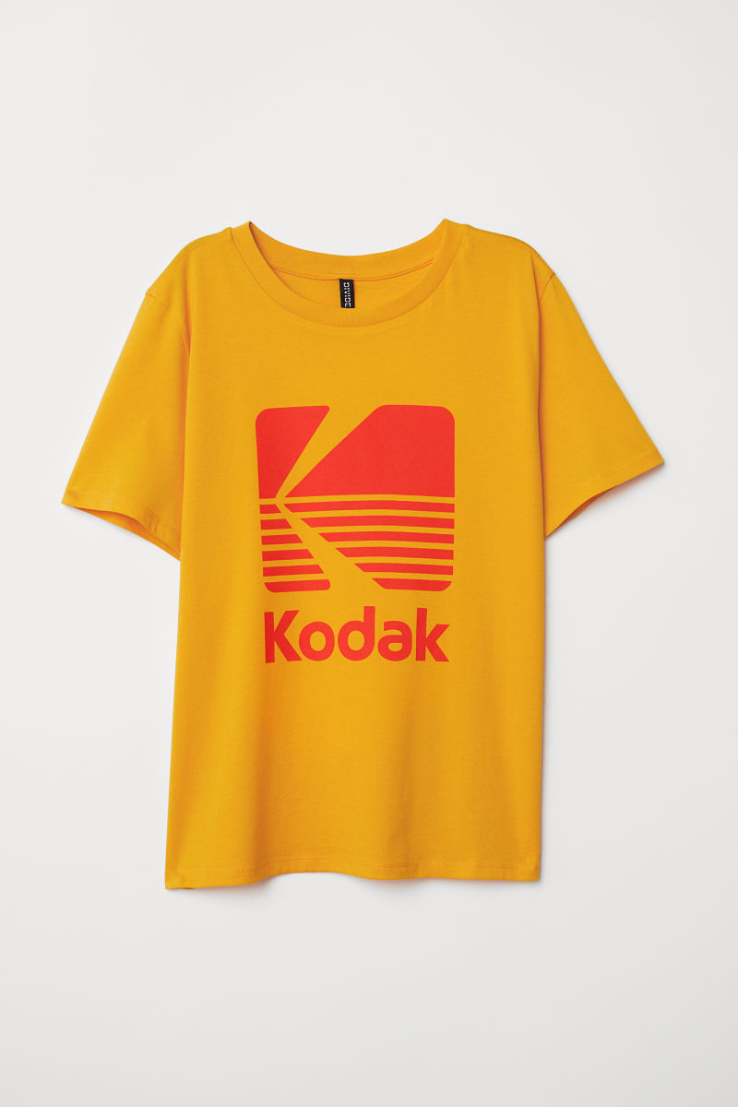 | 33101 | Kodak Yellow Shirt | T-Shirt | Yellow | Cotton | Canada | 27.45 | 100 | 2745

