Sheet1
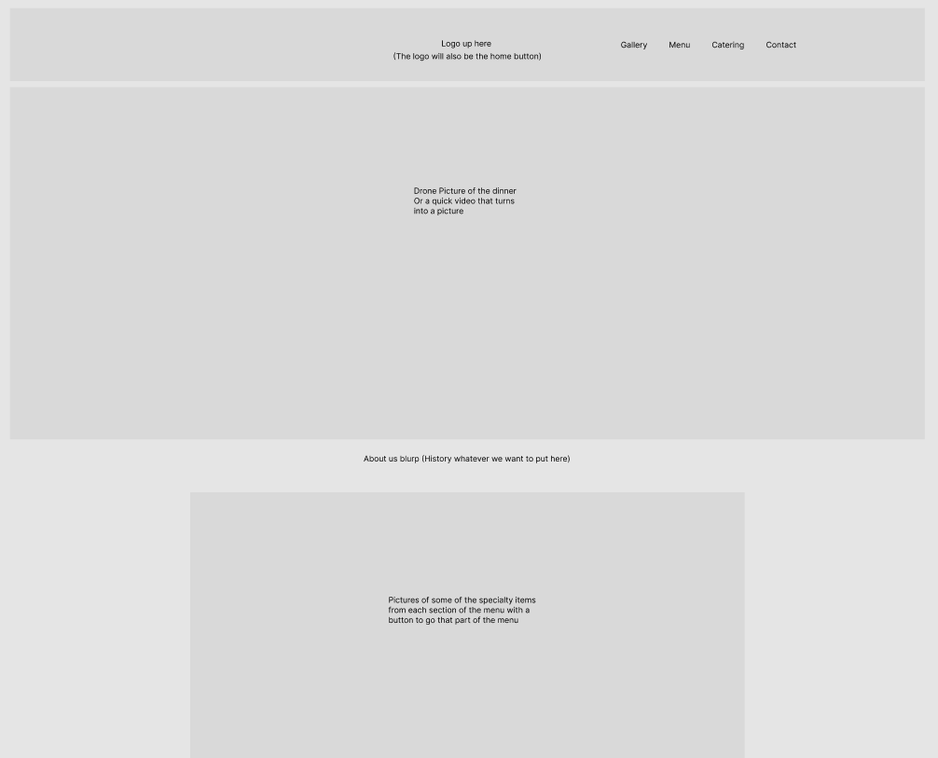
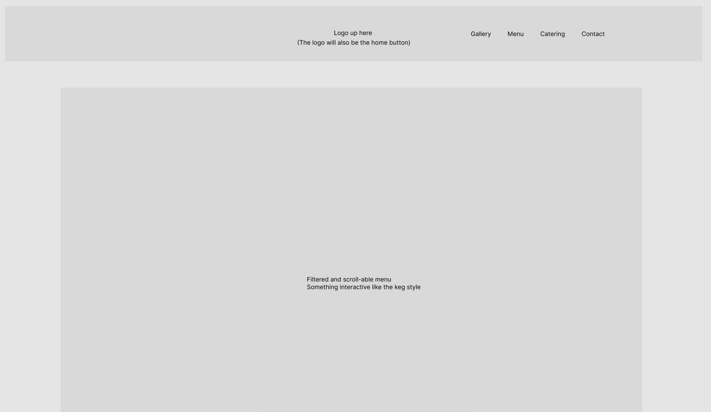
Hiho restaurant quote | Items | Descriptions |  | Home Page concept | Menu Page Concept
 | Home Page | Home page will have a drone shot of the dinner. As well as the about us section when you scroll. Also will have a section like imperial dinner with some specialty meals from each section (Breakfast, lunch ,dinner, ect) With a button under the picture to be taken to that part of the menu
 | Menu Page | The menu page will be a interactive menu that customers can scroll through and filter by different sections of the menu (Menu and catering will also have a separate file that will be easy to edit to change the prices on the website)
 | Catering Page | The catering page will be similar to the menu page but just with catering items
 | Gallery Page | The gallery page will be used for any cool pictures to be shown off and will be like a slideshow that will scroll through images and more images can always be added
 | Contact Page | The contact page will be a simple page with the contact information and address of each location
 | Testing and initial setup | Support for testing the site before launch. Also includes support on fixing any other issues that may arise when the website is up and running for the first month
Total Cost |  |  | 1700 CAD

