Sheet1
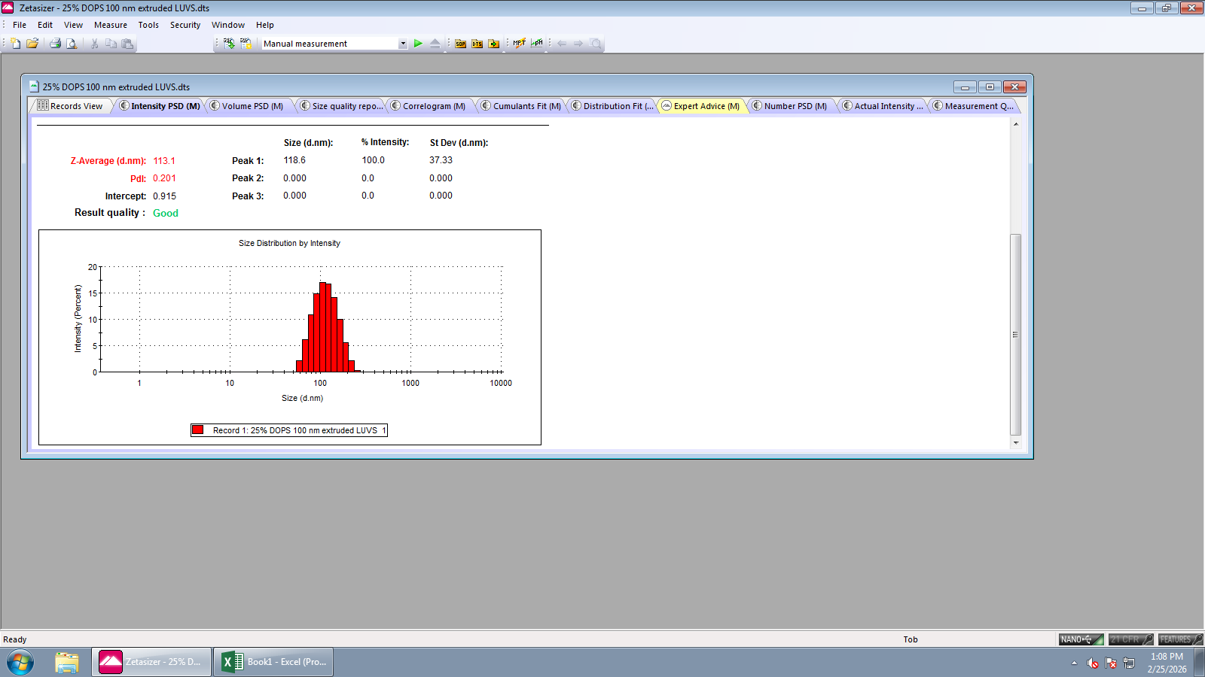
X Intensity | Record 1: 25% DOPS 100 nm extruded LUVS 1 | Record 2: 25% DOPS 100 nm extruded LUVS 2 | Record 3: 25% DOPS 100 nm extruded LUVS 3
0.4 | 0 | 0 | 0
0.463 | 0 | 0 | 0
0.536 | 0 | 0 | 0
0.621 | 0 | 0 | 0
0.719 | 0 | 0 | 0
0.833 | 0 | 0 | 0
0.965 | 0 | 0 | 0
1.12 | 0 | 0 | 0
1.29 | 0 | 0 | 0
1.5 | 0 | 0 | 0
1.74 | 0 | 0 | 0
2.01 | 0 | 0 | 0
2.33 | 0 | 0 | 0
2.7 | 0 | 0 | 0
3.12 | 0 | 0 | 0
3.62 | 0 | 0 | 0
4.19 | 0 | 0 | 0
4.85 | 0 | 0 | 0
5.61 | 0 | 0 | 0
6.5 | 0 | 0 | 0
7.53 | 0 | 0 | 0
8.72 | 0 | 0 | 0
10.1 | 0 | 0 | 0
11.7 | 0 | 0 | 0
13.5 | 0 | 0 | 0
15.7 | 0 | 0 | 0
18.2 | 0 | 0 | 0
21 | 0 | 0 | 0
24.4 | 0 | 0 | 0
28.2 | 0 | 0 | 0
32.7 | 0 | 0 | 0
37.8 | 0 | 0 | 0
43.8 | 0 | 0 | 0
50.7 | 0.0306 | 0 | 0.515
58.8 | 2.13 | 1.8 | 3
68.1 | 6.17 | 6.25 | 6.98
78.8 | 10.9 | 11.9 | 11.2
91.3 | 14.9 | 16.6 | 14.5
106 | 17 | 18.8 | 16
122 | 16.7 | 17.7 | 15.4
142 | 14.1 | 13.9 | 13
164 | 10 | 8.63 | 9.43
190 | 5.64 | 3.77 | 5.65
220 | 2.13 | 0.758 | 2.52
255 | 0.273 | 0 | 0.609
295 | 0 | 0 | 0
342 | 0 | 0 | 0
396 | 0 | 0 | 0
459 | 0 | 0 | 0
531 | 0 | 0 | 0
615 | 0 | 0 | 0
712 | 0 | 0 | 0
825 | 0 | 0 | 0
955 | 0 | 0 | 0
1.11E+03 | 0 | 0 | 0
1.28E+03 | 0 | 0 | 0
1.48E+03 | 0 | 0 | 0
1.72E+03 | 0 | 0 | 0
1.99E+03 | 0 | 0 | 0
2.30E+03 | 0 | 0 | 0
2.67E+03 | 0 | 0 | 0
3.09E+03 | 0 | 0 | 0
3.58E+03 | 0 | 0 | 0
4.15E+03 | 0 | 0 | 0
4.80E+03 | 0 | 0 | 0.293
5.56E+03 | 0 | 0 | 0.835
6.44E+03 | 0 | 0 | 0
7.46E+03 | 0 | 0 | 0
8.63E+03 | 0 | 0 | 0

X Volume | Record 1: 25% DOPS 100 nm extruded LUVS 1 | Record 2: 25% DOPS 100 nm extruded LUVS 2 | Record 3: 25% DOPS 100 nm extruded LUVS 3
0.4 | 0 | 0 | 0
0.463 | 0 | 0 | 0
0.536 | 0 | 0 | 0
0.621 | 0 | 0 | 0
0.719 | 0 | 0 | 0
0.833 | 0 | 0 | 0
0.965 | 0 | 0 | 0
1.12 | 0 | 0 | 0
1.29 | 0 | 0 | 0
1.5 | 0 | 0 | 0
1.74 | 0 | 0 | 0
2.01 | 0 | 0 | 0
2.33 | 0 | 0 | 0
2.7 | 0 | 0 | 0
3.12 | 0 | 0 | 0
3.62 | 0 | 0 | 0
4.19 | 0 | 0 | 0
4.85 | 0 | 0 | 0
5.61 | 0 | 0 | 0
6.5 | 0 | 0 | 0
7.53 | 0 | 0 | 0
8.72 | 0 | 0 | 0
10.1 | 0 | 0 | 0
11.7 | 0 | 0 | 0
13.5 | 0 | 0 | 0
15.7 | 0 | 0 | 0
18.2 | 0 | 0 | 0
21 | 0 | 0 | 0
24.4 | 0 | 0 | 0
28.2 | 0 | 0 | 0
32.7 | 0 | 0 | 0
37.8 | 0 | 0 | 0
43.8 | 0.0318 | 0 | 0.361
50.7 | 1.55 | 1.27 | 2.13
58.8 | 5.97 | 5.59 | 5.45
68.1 | 11.1 | 11.4 | 8.51
78.8 | 14.2 | 15.5 | 9.89
91.3 | 14.7 | 16.4 | 9.69
106 | 13.5 | 15 | 8.6
122 | 11.6 | 12.5 | 7.28
142 | 9.78 | 9.72 | 6.11
164 | 7.93 | 6.94 | 5.06
190 | 5.63 | 3.98 | 3.81
220 | 2.99 | 1.49 | 2.29
255 | 0.948 | 0.257 | 0.92
295 | 0.117 | 0 | 0.176
342 | 0 | 0 | 0
396 | 0 | 0 | 0
459 | 0 | 0 | 0
531 | 0 | 0 | 0
615 | 0 | 0 | 0
712 | 0 | 0 | 0
825 | 0 | 0 | 0
955 | 0 | 0 | 0
1.11E+03 | 0 | 0 | 0
1.28E+03 | 0 | 0 | 0
1.48E+03 | 0 | 0 | 0
1.72E+03 | 0 | 0 | 0
1.99E+03 | 0 | 0 | 0
2.30E+03 | 0 | 0 | 0
2.67E+03 | 0 | 0 | 0
3.09E+03 | 0 | 0 | 0
3.58E+03 | 0 | 0 | 0
4.15E+03 | 0 | 0 | 1.55
4.80E+03 | 0 | 0 | 8.98
5.56E+03 | 0 | 0 | 13.3
6.44E+03 | 0 | 0 | 5.88
7.46E+03 | 0 | 0 | 0
8.63E+03 | 0 | 0 | 0

X Number | Record 1: 25% DOPS 100 nm extruded LUVS 1 | Record 2: 25% DOPS 100 nm extruded LUVS 2 | Record 3: 25% DOPS 100 nm extruded LUVS 3
0.4 | 0 | 0 | 0
0.463 | 0 | 0 | 0
0.536 | 0 | 0 | 0
0.621 | 0 | 0 | 0
0.719 | 0 | 0 | 0
0.833 | 0 | 0 | 0
0.965 | 0 | 0 | 0
1.12 | 0 | 0 | 0
1.29 | 0 | 0 | 0
1.5 | 0 | 0 | 0
1.74 | 0 | 0 | 0
2.01 | 0 | 0 | 0
2.33 | 0 | 0 | 0
2.7 | 0 | 0 | 0
3.12 | 0 | 0 | 0
3.62 | 0 | 0 | 0
4.19 | 0 | 0 | 0
4.85 | 0 | 0 | 0
5.61 | 0 | 0 | 0
6.5 | 0 | 0 | 0
7.53 | 0 | 0 | 0
8.72 | 0 | 0 | 0
10.1 | 0 | 0 | 0
11.7 | 0 | 0 | 0
13.5 | 0 | 0 | 0
15.7 | 0 | 0 | 0
18.2 | 0 | 0 | 0
21 | 0 | 0 | 0
24.4 | 0 | 0 | 0
28.2 | 0 | 0 | 0
32.7 | 0 | 0 | 0
37.8 | 0 | 0 | 0
43.8 | 0.171 | 0 | 2.36
50.7 | 5.5 | 4.33 | 10.7
58.8 | 17.1 | 15.3 | 20.4
68.1 | 23.7 | 23.4 | 22.7
78.8 | 20.8 | 22.1 | 17.9
91.3 | 14.3 | 15.7 | 11.6
106 | 8.65 | 9.48 | 6.75
122 | 4.85 | 5.16 | 3.7
142 | 2.63 | 2.62 | 2
164 | 1.39 | 1.24 | 1.07
190 | 0.665 | 0.49 | 0.538
220 | 0.247 | 0.131 | 0.221
255 | 0.057 | 0.0166 | 0.0636
295 | 0.00495 | 0 | 0.00906
342 | 0 | 0 | 0
396 | 0 | 0 | 0
459 | 0 | 0 | 0
531 | 0 | 0 | 0
615 | 0 | 0 | 0
712 | 0 | 0 | 0
825 | 0 | 0 | 0
955 | 0 | 0 | 0
1.11E+03 | 0 | 0 | 0
1.28E+03 | 0 | 0 | 0
1.48E+03 | 0 | 0 | 0
1.72E+03 | 0 | 0 | 0
1.99E+03 | 0 | 0 | 0
2.30E+03 | 0 | 0 | 0
2.67E+03 | 0 | 0 | 0
3.09E+03 | 0 | 0 | 0
3.58E+03 | 0 | 0 | 0
4.15E+03 | 0 | 0 | 1.20E-05
4.80E+03 | 0 | 0 | 5.32E-05
5.56E+03 | 0 | 0 | 7.05E-05
6.44E+03 | 0 | 0 | 2.92E-05
7.46E+03 | 0 | 0 | 0
8.63E+03 | 0 | 0 | 0

