Analysis
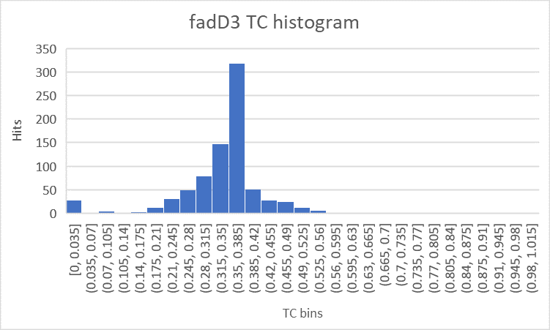
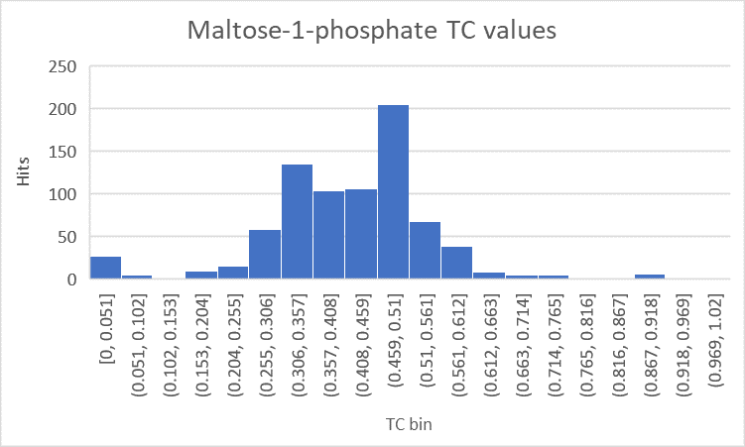
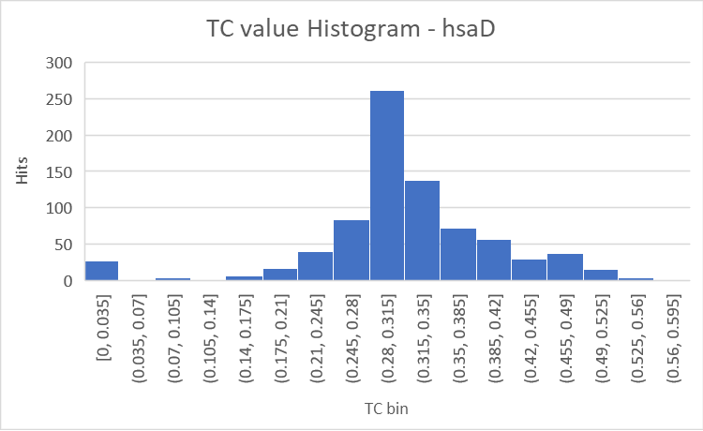

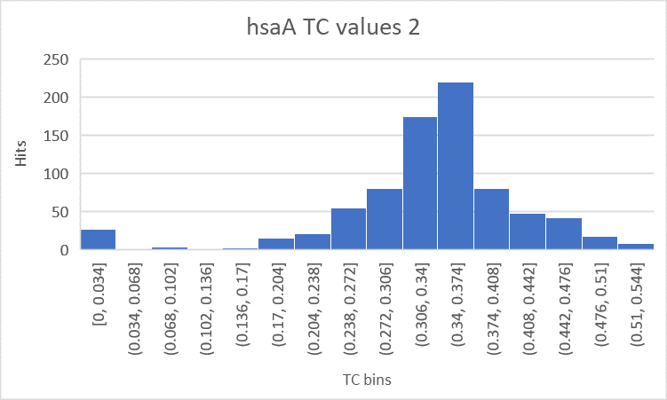
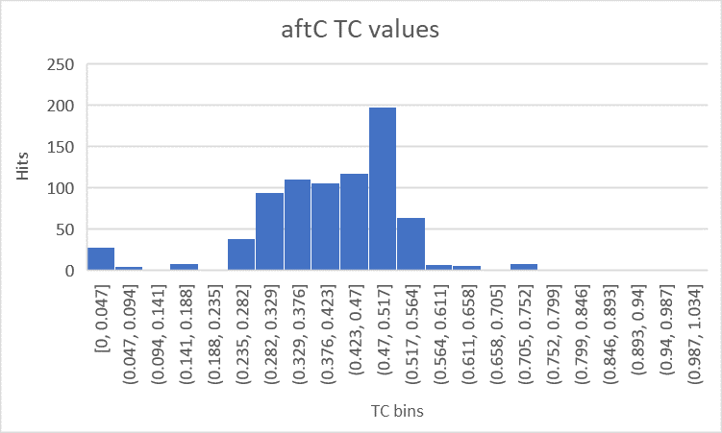
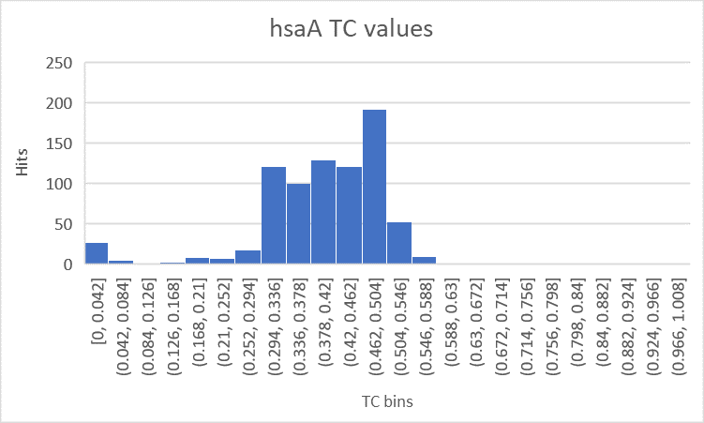

Gene |  | Tanimoto
hsaA | 3-hydroxy-9,10-secoandrosta-1,3,5(10)-triene-9,17-dione
Candidate Inhibitors | 5beta-Cholestane-3alpha,7alpha,26-triol_c0 | 0.54148471616
 | Spermidine_c0 | 0.53125
 | Succinate_c0 | 0.53125
 | 3-Methylsalicylaldehyde_c0 | 0.52863436123
 | 3-[(3aS,4S,7aS)-7a-methyl-1,5-dioxo-octahydro-1H-inden-4-yl]propanoate | 0.52409638554
Inhibitory info from BRENDA:
 | riboflavin, IC50 = 0.004mM | 0.377
hsaA | FMNH2
Candidate Inhibitors | FADH2_c0 | 0.74911452184
 | 4--1-D-Ribitylamino-5-aminouracil_c0 | 0.59595959596
 | Adenosine-GDP-cobinamide_c0 | 0.58478931141
 | Cobamamide_c0 | 0.57653061224
 | FAD_c0 | 0.55532027528
Inhibitory info from BRENDA:
 | riboflavin, IC50 = 0.004mM | 0.4692
aftC | 3 trans,octacis-decaprenylphospho-β-D-arabinofuranose
Candidate Inhibitors | Ribose 1-phosphate_c0 | 0.81782178218
 | D-Galactose 1-phosphate_c0 | 0.73967684022
 | D-Mannose1-phosphate_c0 | 0.73967684022
 | L-Galactose 1-phosphate_c0 | 0.73967684022
 | Glucose-1-phosphate_c0 | 0.73967684022
 | D-Glycero-D-manno-heptose1-phosphate_c0 | 0.73274336283
 | alpha-Phosphoribosylpyrophosphoric Acid | 0.73096446701
 | D-Glycero-D-manno-heptose1-7-bisphosphate_c0 | 0.73063380282
Inhibitory info from BRENDA:

glgE | maltose-1-phosphate
Candidate Inhibitors | D-Glycero-D-manno-heptose1-phosphate_c0 | 0.89163498099
 | D-Galactose 1-phosphate_c0 | 0.8905950096
 | D-Mannose1-phosphate_c0 | 0.8905950096
 | L-Galactose 1-phosphate_c0 | 0.8905950096
 | Glucose-1-phosphate_c0 | 0.8905950096
 | D-Glycero-D-manno-heptose1-7-bisphosphate_c0 | 0.88490566038
 | Trehalose 6-phosphate_c0 | 0.77536231884
 | Ribose 1-phosphate_c0 | 0.75234521576
Inhibitory info from BRENDA:
 | 1,4-dideoxy-1,4-imino-D-arabinitol
 | ATP; strong inhibition | 0.5005
 | D-glucose-1-phosphate; slight inhibition | 0.8905950096
 | D-glucose-6-phosphate; slight inhibition | 0.72778827977
 | diphosphate

fadD3 | 3-[(3aS,4S,7aS)-7a-methyl-1,5-dioxo-octahydro-1H-inden-4-yl]propanoate
Candidate Inhibitors | 4,5-9,10-diseco-3-hydroxy-5,9,17-trioxoandrosta-1(10),2-diene-4-oate | 0.57284768212
 | Chenodiol_c0 | 0.56465517241
 | Deoxycholate_c0 | 0.55696202532
 | Succinate_c0 | 0.54838709677
 | 5beta-Cholestane-3alpha,7alpha,26-triol_c0 | 0.54594594595
Inhibitory info from BRENDA:

hsaD | 4,5-9,10-diseco-3-hydroxy-5,9,17-trioxoandrosta-1(10),2-diene-4-oate
Candidate Inhibitors | 3-[(3aS,4S,7aS)-7a-methyl-1,5-dioxo-octahydro-1H-inden-4-yl]propanoate | 0.57284768212
 | 2-Aceto-2-hydroxybutanoate_c0 | 0.54377880184
 | Succinate_c0 | 0.53968253968
 | Cholestenone_c0 | 0.53235294118
 | L-Malate_c0 | 0.52845528455
Inhibitory info from BRENDA:
 | Several inhibitors, but no endogenous metabolites

fadD19 | Cholestenone_c0
Candidate Inhibitors | Fecosterol_c0 | 0.71875
 | 5beta-Cholestane-3alpha,7alpha,26-triol_c0 | 0.57
 | Geranial_c0 | 0.54700854701
 | Retinol palmitate_c0 | 0.52662721893
 | 11-cis-Retinyl palmitate_c0 | 0.52662721893
 | (+)-Limonene_c0 | 0.52659574468
 | SHCHC_c0 | 0.5
Inhibitory info from BRENDA:
 | No inhibitory information in BRENDA

