Search Wireframe - Website
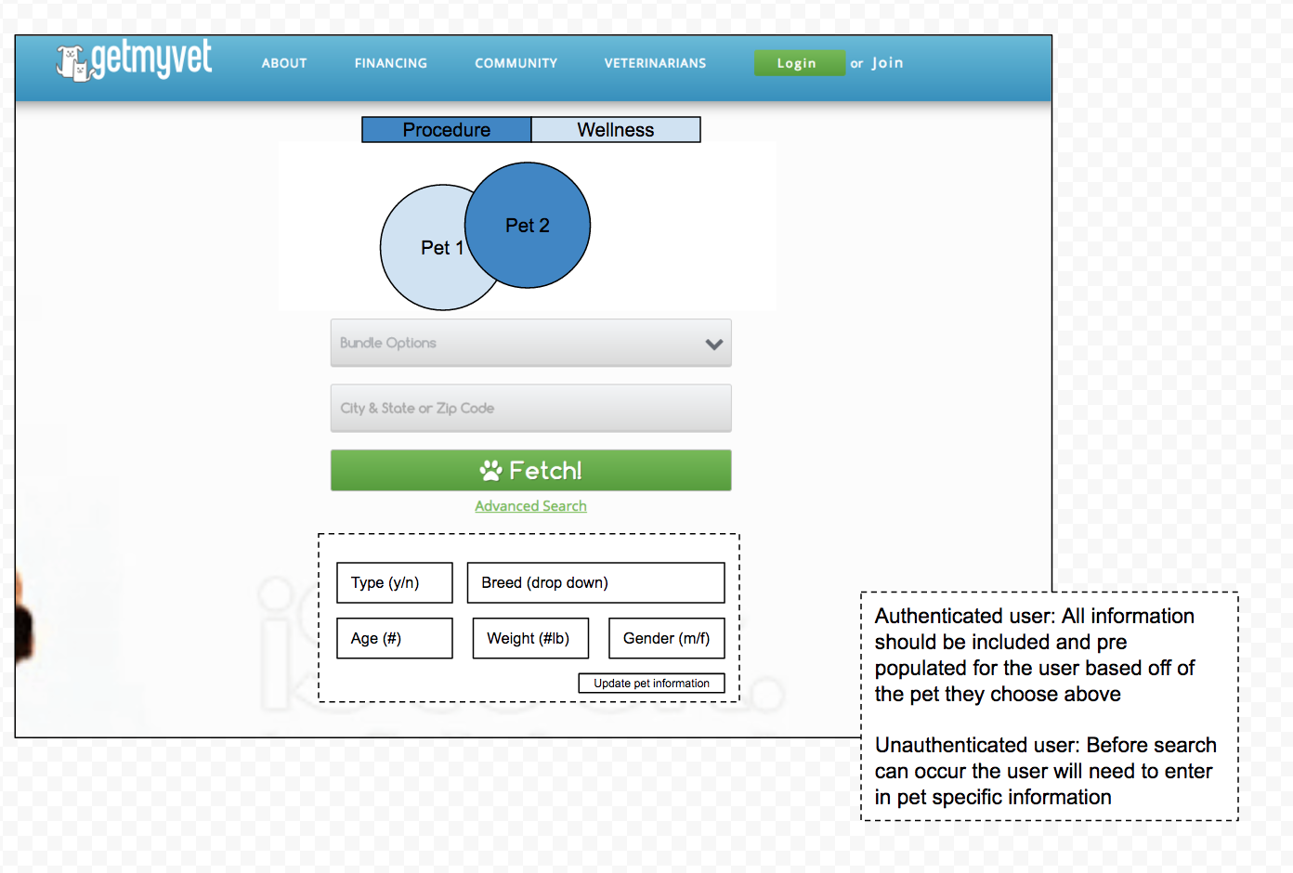

Search Wireframe - App
Home / Search
Log in
Join
Account
User name
password
login
Forgot pw
Terms | Privacy
Log in
Join
email
Confirm mail
Password
ZIP
Create/Cont.
Add a picture
breed
DOB
male/female
We need a little bit of info about your pet...
name
weight
Add another pet
Complete
Account default pic until logged in then pet pic
logo
Dog / cat
zip
bundle
FETCH
Advanced s
Get Your Vet Now...
Financing
Name your price
Advanced Search Page (future slide)
Logged in
Pet name 1
Pet name 2
Add a pet
What four legged friend
no
Guest
Join
breed
DOB
male/female
weight
Continue
Tell us a little about your four legged friend
Search Landing Page (next slide)
logo
Dog / cat
zip
bundle
FETCH
Advanced s
Get Your Vet Now...
Financing
Name your price
List your Vet services
List your Vet services
Login / Join
Get a Vet
Upcoming appts
Community
Account info
Contact us
Vet Join
On click screen slides over to show sidebar
Saved searches
1
2
yes

Discovery Procedure Wireframes
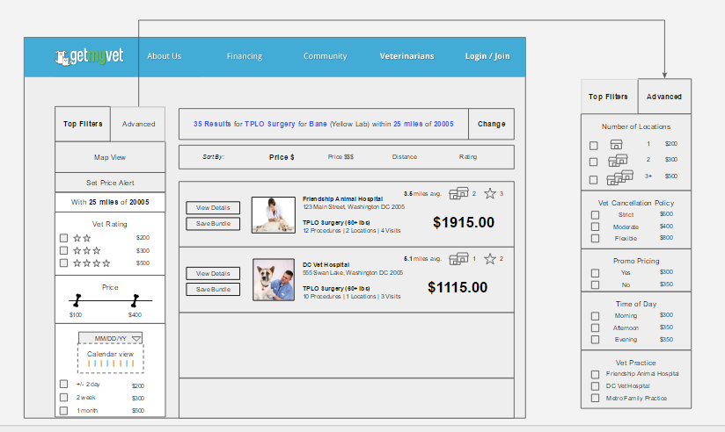

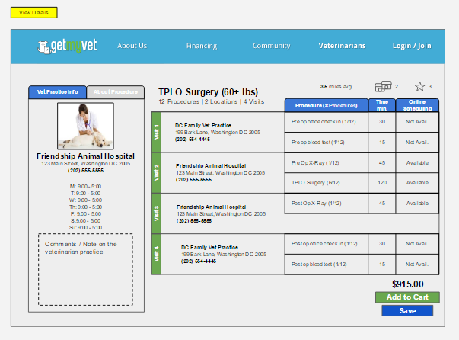

Recommendation Engine
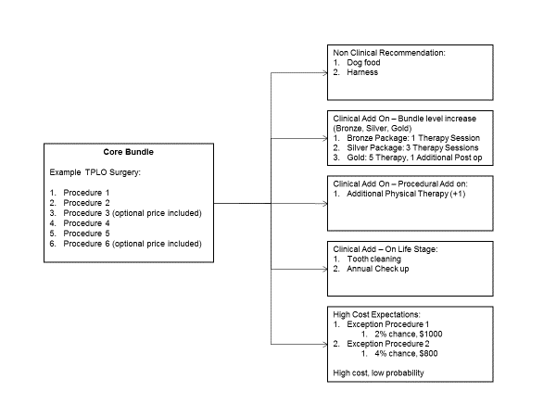
Recommenation Engine Examples & Breakout

