READ ME
 |  | Please click here to share feedback on this Menu Template
 | Welcome to the Toast Menu Template!

 | This Menu Template is used to gather as much information as possible about your restaurant's menu before it gets imported into your Toast Web account. After this template is imported by the Toast team, you will be able to continue making menu edits at Toasttab.com | Are you using Toast Retail? Click here for more information!

 | Note: This template includes some basic "Examples" to help you get started. Please delete & replace these examples as you enter your menu information.

 | How to use this template:

Step 1 | 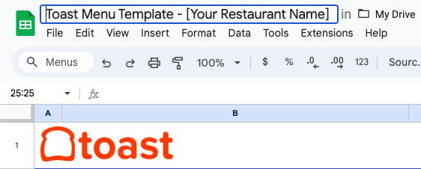 Rename this document Select the Title of this page, and update it with the name of your restaurant: Example: "Toast Menu Template - Tasty Toast Cafe"

Step 2 | Add additional Menu Build page(s) as necessary. By default, you will only see a single 'Menu Build' tab below. This is where your primary menu items belong, and for many venues, a single menu is sufficient. However, if you would like to create additional menus, such as a separate "Brunch" Menu, then just click the button to the right. After a moment, you will see a new 'Copy of Menu Build' tab below, where you can set up a separate Menu. If you serve Beer, Wine, and/or Liquor, you will use the specified tabs below instead of the 'Menu Build' page.

Click here once to add an additional Menu or Menus (if necessary)
This may take a moment.
If prompted to grant authorization,
please accept and try again.

Step 3 | 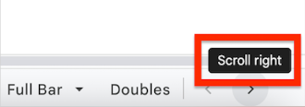 Complete the tabs below 1) At the bottom of this page, select your "Menu Build" tab(s), and follow the instructions to begin listing Items, Groups, and Modifiers. You will likely need to complete the Menu Build tab and Modifier Build tabs at the same time. 2) Continue through the all following tabs to enter your Beverages. It is possible that you won't fill out every page, and that's okay! At the bottom-right of this page, you may need to click the scroll arrows to view all tabs: 3) If you have any special considerations that you'd like to highlight for your Menu Consultant, please add details to the Notes tab.

 |  | Click here for a quick instructional video showing you how to complete this template.

Step 4 | 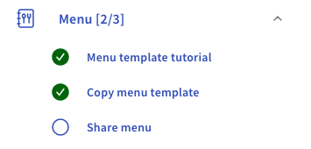 Share this document with the Toast team *NOTE* After you submit your template to the Toast team, any future changes to this document will not be reflected on your Toast menu. 1) When you've entered all of your menu information into the tabs below, share this document with the Toast team by clicking the blue 'Share' button in the top-right corner. 2) Change the "General access" to "Anyone with the link." 3) Enter the email address for your Onboarding Consultant, or share this document by navigating to the Menu portion of your Setup Checklist at Toasttab.com:
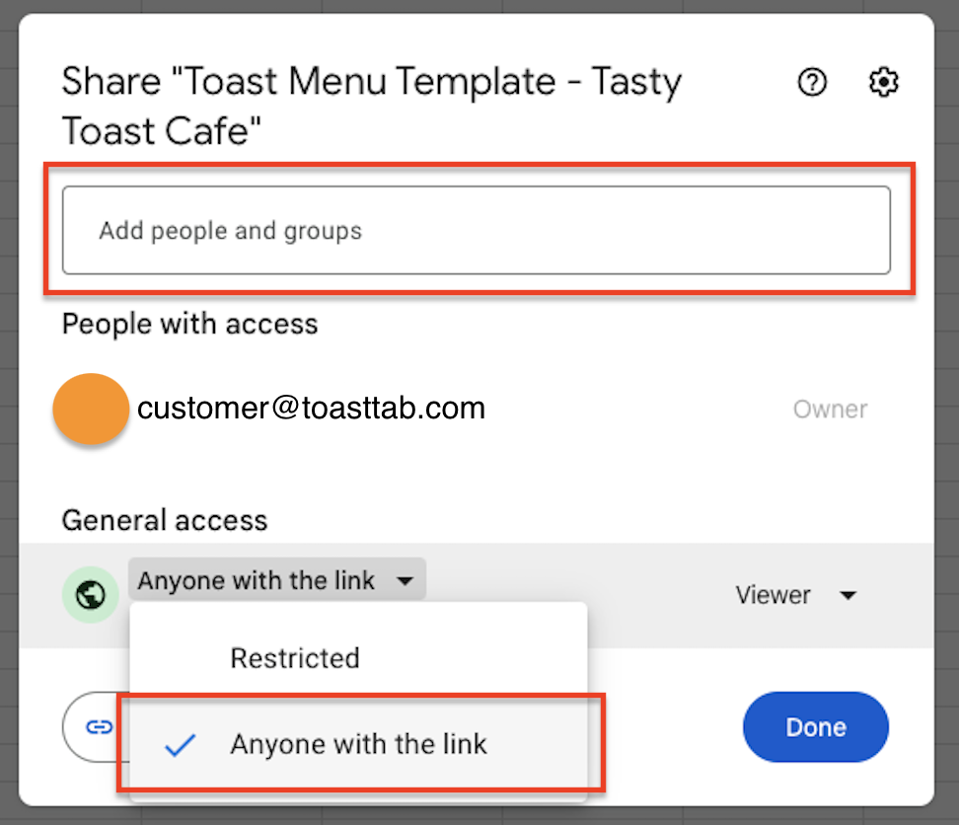

Step 5 | All Set! What happens next? Your POS Onboarding Consultant will help you schedule a Menu Review with your Menu Specialist. The Menu Review is a helpful 1:1 session for you to ask questions about your menu and ensure that you are ready to serve your guests! (Remember to use the Notes tab to list any questions or concerns before your Menu Review) To make the most of your Menu Review, we suggest getting familiar with Toast Menu Basics beforehand. Your POS Onboarding Consultant can help you schedule a Live training session, or you can watch the On Demand Menu Basics Training whenever you'd like!

 |  | Updated July 19 2024

Menu Build
[Enter Menu Name Here]
Instructions:
Step 1: Enter the name of this Menu above, where you see "[Enter Menu Name Here]"
This will appear at the "Menu” level - see examples to the right. If you would like to create additional Menu-level options, return to the ‘READ ME’ tab below and follow Step 2.
Step 2: Now that you've named this Menu, list all of the appropriate Items in the 'List Menu Items Here' column, along with Price, Description (optional), and the Group that it belongs in. Note: If you have a full bar, you should use the appropriate tabs below for Beer, Wine, Liquor, Cocktails, etc.
Step 3: Go to the 'Modifier Build' tab at the bottom of this page, and enter your Modifiers & Modifier Groups. You must list your Modifiers on the ‘Modifier Build’ tab before they can be assigned to Items in Step 4.
Step 4: Now that you’ve entered Modifier Groups in the ‘Modifier Build’ tab, they will appear as options on this tab: Use the dropdown arrows in the 'Assign Modifier Groups' columns to assign Modifier Group(s) to each Item as necessary.
When the Menu Build tab(s) and Modifier Build tab are completed, please continue to the Beer tab at the bottom of this page.
Note: Please delete & replace the Examples as you enter your menu information.
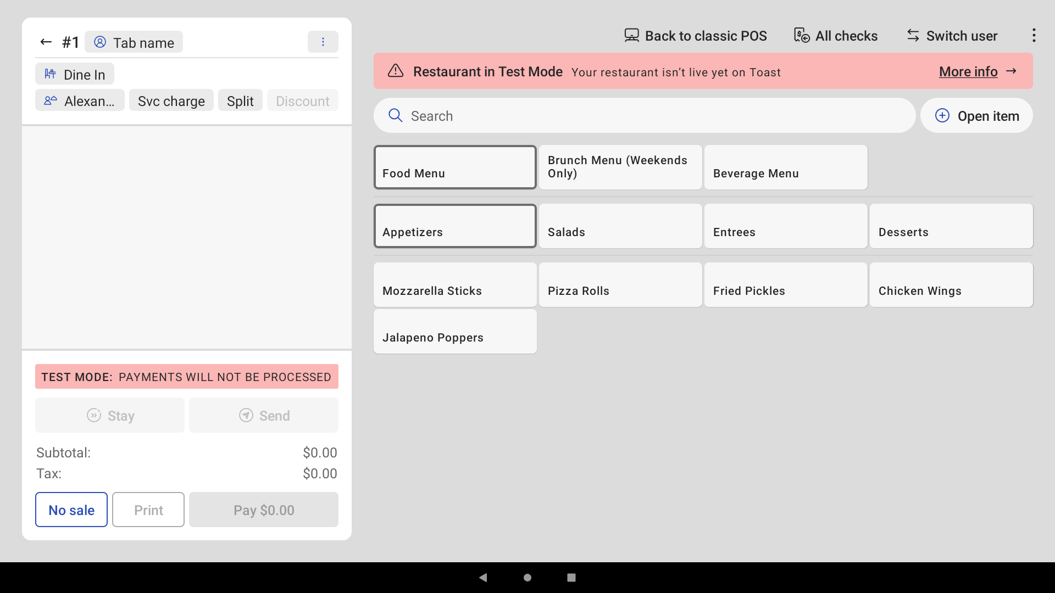
Menus
Groups
Items
Example: Point of Sale Screen
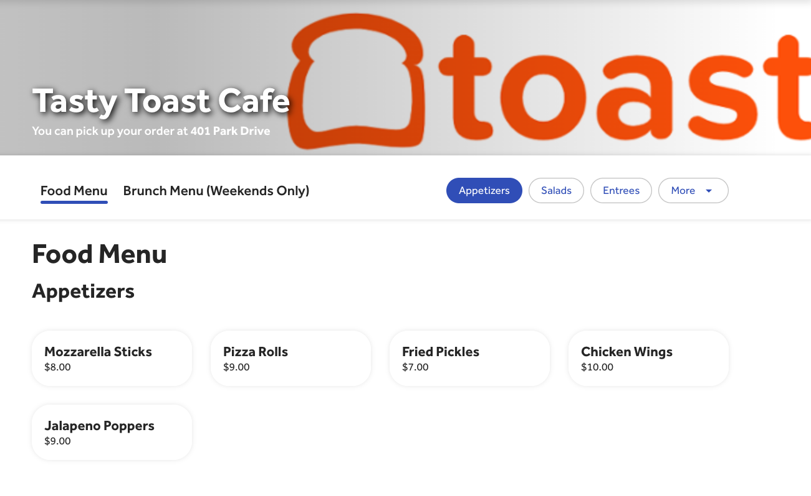
Groups
Items
Menus
Example: Online Ordering

 |  |  |  |  |  | Note: You can choose which Menus, Groups, or Items are available for online ordering. Learn more on Toast Central.

List Menu Items Here
 | Base Price ($) | Description (Optional; this is visible to guests via Online Ordering) | Menu Group Name | Assign Modifier Groups (Optional) Modifier Groups must be entered on Modifier Build tab first | Assign Modifier Groups (Optional) Modifier Groups must be entered on Modifier Build tab first | Assign Modifier Groups (Optional) Modifier Groups must be entered on Modifier Build tab first | Assign Modifier Groups (Optional) Modifier Groups must be entered on Modifier Build tab first | Assign Modifier Groups (Optional) Modifier Groups must be entered on Modifier Build tab first | Assign Modifier Groups (Optional) Modifier Groups must be entered on Modifier Build tab first | Assign Modifier Groups (Optional) Modifier Groups must be entered on Modifier Build tab first | Assign Modifier Groups (Optional) Modifier Groups must be entered on Modifier Build tab first | Assign Modifier Groups (Optional) Modifier Groups must be entered on Modifier Build tab first | Assign Modifier Groups (Optional) Modifier Groups must be entered on Modifier Build tab first
Mozzarella Sticks (Example) | $8.00 |  | Appetizers (Example) | Dipping Sauce (Example)
Pizza Rolls (Example) | $9.00 |  | Appetizers (Example)
Fried Pickles (Example) | $7.00 |  | Appetizers (Example)
Chicken Wings (Example) | $10.00 |  | Appetizers (Example) | Wing Sauce Flavor (Example)
Cobb Salad (Example) | $13.00 |  | Salads (Example) | Salad Dressing (Example)
Buffalo Chicken Salad (Example) | $12.00 |  | Salads (Example) | Salad Dressing (Example)
House Salad (Example) | $10.00 |  | Salads (Example) | Salad Dressing (Example)
Roasted Chicken (Example) | $19.00 |  | Entrees (Example) | Entree Side (Example)
NY Strip (Example) | $25.00 |  | Entrees (Example) | Meat Temp (Example) | Entree Side (Example)
Braised Short Rib (Example) | $21.00 |  | Entrees (Example) | Entree Side (Example)
Chocolate Pie (Example) | $7.00 |  | Desserts (Example)
Cheesecake (Example) | $8.00 |  | Desserts (Example)

Modifier Build
To add more rows to a section, as needed:
First, select the “Modifier Group Name” cell where you would like to add rows, and then click Add Rows here:
Instructions:
Step 1: List each Modifier Group under 'Modifier Group Name.’
Step 2: List the Modifiers for each Modifier Group under the 'List Modifier Options column.
Step 3: Specify the behavior of the Modifier Group, and the Min/Max number of selections allowed (see explanation to the right).
Step 4: After you enter your modifier groups and your modifiers, you will go back to the 'Menu Build' tab and assign these groups to the applicable items.
When the Menu Build tab(s) and Modifier Build tab are completed, please continue to the Beer tab at the bottom of this page.
Create Modifier Groups
 |  |  |  | Example: Point of Sale Screen
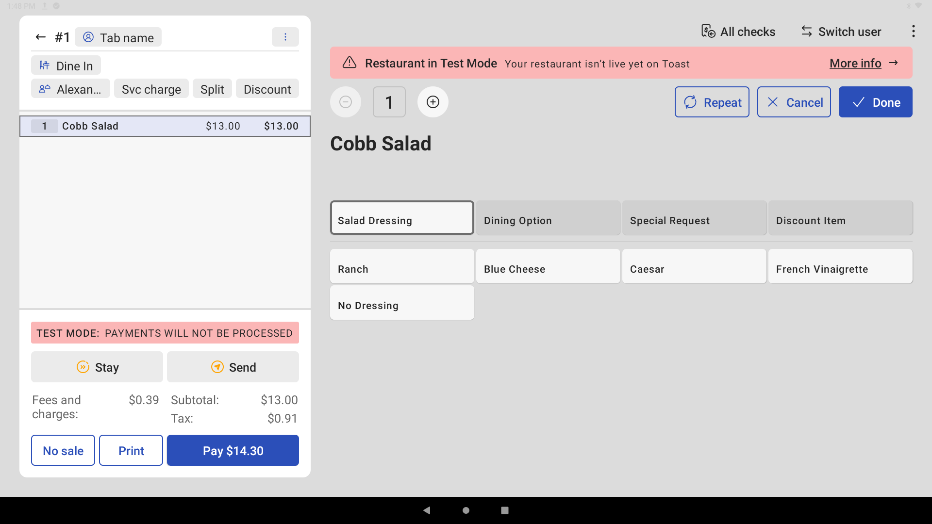
Modifier Groups
Modifiers

Add Rows

 |  |  |  | Click here for some examples of common modifiers & modifier groups. You can copy them into this tab to help you get started!
 | Note: Please delete & replace the Examples as you enter your menu information.

“Is Modifier Group Required?”
“Required” means that a selection must be made.
“Optional” means that this modifier group does not require a choice.
“Optional Force Show” means that a selection is not required, but the system will still prompt to make a selection.
Modifier Group Name |  | List Modifier Options | Upcharge $ (Optional) | Is Modifier Group Required? | Minimum # of Modifiers (Optional) | Maximum # of Modifiers (Optional)
 | Salad Dressing (Example) | Ranch (Example) |  | Optional Force Show
 |  | Caesar (Example)
 |  | French Vinaigrette (Example)
 |  | No Dressing (Example)

Enter maximum/minimum # of modifiers if applicable
Modifier Group Name |  | List Modifier Options | Upcharge $ (Optional) | Is Modifier Group Required? | Minimum # of Modifiers (Optional) | Maximum # of Modifiers (Optional)
 | Wing Sauce Flavor (Example) | Buffalo (Example) |  | Required | 1 | 2
 |  | BBQ (Example)
 |  | Habanero (Example)
 |  | No sauce (Example)

Modifier Group Name |  | List Modifier Options | Upcharge $ (Optional) | Is Modifier Group Required? | Minimum # of Modifiers (Optional) | Maximum # of Modifiers (Optional)
 | Dipping Sauce (Example) | Marinara (Example) |  | Optional Force Show
 |  | Ranch (Example)

Modifier Group Name |  | List Modifier Options | Upcharge $ (Optional) | Is Modifier Group Required? | Minimum # of Modifiers (Optional) | Maximum # of Modifiers (Optional)
 | Entree Side (Example) | Fries (Example) |  | Required | 1 | 1
 |  | Soup of the Day (Example) | $2.00
 |  | No side (Example)

Modifier Group Name |  | List Modifier Options | Upcharge $ (Optional) | Is Modifier Group Required? | Minimum # of Modifiers (Optional) | Maximum # of Modifiers (Optional)
 | Meat Temp (Example) | Rare (Example) |  | Required
 |  | Med Rare (Example)
 |  | Medium (Example)
 |  | Med Well (Example)
 |  | Well Done (Example)

Modifier Group Name |  | List Modifier Options | Upcharge $ (Optional) | Is Modifier Group Required? | Minimum # of Modifiers (Optional) | Maximum # of Modifiers (Optional)
 |  |  |  | Optional Force Show

Modifier Group Name |  | List Modifier Options | Upcharge $ (Optional) | Is Modifier Group Required? | Minimum # of Modifiers (Optional) | Maximum # of Modifiers (Optional)
 |  |  |  | Optional Force Show

Modifier Group Name |  | List Modifier Options | Upcharge $ (Optional) | Is Modifier Group Required? | Minimum # of Modifiers (Optional) | Maximum # of Modifiers (Optional)
 |  |  |  | Optional Force Show

Modifier Group Name |  | List Modifier Options | Upcharge $ (Optional) | Is Modifier Group Required? | Minimum # of Modifiers (Optional) | Maximum # of Modifiers (Optional)
 |  |  |  | Optional Force Show

Modifier Group Name |  | List Modifier Options | Upcharge $ (Optional) | Is Modifier Group Required? | Minimum # of Modifiers (Optional) | Maximum # of Modifiers (Optional)
 |  |  |  | Optional Force Show

Modifier Group Name |  | List Modifier Options | Upcharge $ (Optional) | Is Modifier Group Required? | Minimum # of Modifiers (Optional) | Maximum # of Modifiers (Optional)
 |  |  |  | Optional Force Show

Modifier Group Name |  | List Modifier Options | Upcharge $ (Optional) | Is Modifier Group Required? | Minimum # of Modifiers (Optional) | Maximum # of Modifiers (Optional)
 |  |  |  | Optional Force Show

Modifier Group Name |  | List Modifier Options | Upcharge $ (Optional) | Is Modifier Group Required? | Minimum # of Modifiers (Optional) | Maximum # of Modifiers (Optional)
 |  |  |  | Optional Force Show

Modifier Group Name |  | List Modifier Options | Upcharge $ (Optional) | Is Modifier Group Required? | Minimum # of Modifiers (Optional) | Maximum # of Modifiers (Optional)
 |  |  |  | Optional Force Show

Modifier Group Name |  | List Modifier Options | Upcharge $ (Optional) | Is Modifier Group Required? | Minimum # of Modifiers (Optional) | Maximum # of Modifiers (Optional)
 |  |  |  | Optional Force Show

Modifier Group Name |  | List Modifier Options | Upcharge $ (Optional) | Is Modifier Group Required? | Minimum # of Modifiers (Optional) | Maximum # of Modifiers (Optional)
 |  |  |  | Optional Force Show

Modifier Group Name |  | List Modifier Options | Upcharge $ (Optional) | Is Modifier Group Required? | Minimum # of Modifiers (Optional) | Maximum # of Modifiers (Optional)
 |  |  |  | Optional Force Show

Modifier Group Name |  | List Modifier Options | Upcharge $ (Optional) | Is Modifier Group Required? | Minimum # of Modifiers (Optional) | Maximum # of Modifiers (Optional)
 |  |  |  | Optional Force Show

Modifier Group Name |  | List Modifier Options | Upcharge $ (Optional) | Is Modifier Group Required? | Minimum # of Modifiers (Optional) | Maximum # of Modifiers (Optional)
 |  |  |  | Optional Force Show

Modifier Group Name |  | List Modifier Options | Upcharge $ (Optional) | Is Modifier Group Required? | Minimum # of Modifiers (Optional) | Maximum # of Modifiers (Optional)
 |  |  |  | Optional Force Show

Modifier Group Name |  | List Modifier Options | Upcharge $ (Optional) | Is Modifier Group Required? | Minimum # of Modifiers (Optional) | Maximum # of Modifiers (Optional)
 |  |  |  | Optional Force Show

Modifier Group Name |  | List Modifier Options | Upcharge $ (Optional) | Is Modifier Group Required? | Minimum # of Modifiers (Optional) | Maximum # of Modifiers (Optional)
 |  |  |  | Optional Force Show

Modifier Group Name |  | List Modifier Options | Upcharge $ (Optional) | Is Modifier Group Required? | Minimum # of Modifiers (Optional) | Maximum # of Modifiers (Optional)
 |  |  |  | Optional Force Show

Modifier Group Name |  | List Modifier Options | Upcharge $ (Optional) | Is Modifier Group Required? | Minimum # of Modifiers (Optional) | Maximum # of Modifiers (Optional)
 |  |  |  | Optional Force Show

Modifier Group Name |  | List Modifier Options | Upcharge $ (Optional) | Is Modifier Group Required? | Minimum # of Modifiers (Optional) | Maximum # of Modifiers (Optional)
 |  |  |  | Optional Force Show

Modifier Group Name |  | List Modifier Options | Upcharge $ (Optional) | Is Modifier Group Required? | Minimum # of Modifiers (Optional) | Maximum # of Modifiers (Optional)
 |  |  |  | Optional Force Show

Modifier Group Name |  | List Modifier Options | Upcharge $ (Optional) | Is Modifier Group Required? | Minimum # of Modifiers (Optional) | Maximum # of Modifiers (Optional)
 |  |  |  | Optional Force Show

Modifier Group Name |  | List Modifier Options | Upcharge $ (Optional) | Is Modifier Group Required? | Minimum # of Modifiers (Optional) | Maximum # of Modifiers (Optional)
 |  |  |  | Optional Force Show

Modifier Group Name |  | List Modifier Options | Upcharge $ (Optional) | Is Modifier Group Required? | Minimum # of Modifiers (Optional) | Maximum # of Modifiers (Optional)
 |  |  |  | Optional Force Show

Modifier Group Name |  | List Modifier Options | Upcharge $ (Optional) | Is Modifier Group Required? | Minimum # of Modifiers (Optional) | Maximum # of Modifiers (Optional)
 |  |  |  | Optional Force Show

Modifier Group Name |  | List Modifier Options | Upcharge $ (Optional) | Is Modifier Group Required? | Minimum # of Modifiers (Optional) | Maximum # of Modifiers (Optional)
 |  |  |  | Optional Force Show

Modifier Group Name |  | List Modifier Options | Upcharge $ (Optional) | Is Modifier Group Required? | Minimum # of Modifiers (Optional) | Maximum # of Modifiers (Optional)
 |  |  |  | Optional Force Show

Modifier Group Name |  | List Modifier Options | Upcharge $ (Optional) | Is Modifier Group Required? | Minimum # of Modifiers (Optional) | Maximum # of Modifiers (Optional)
 |  |  |  | Optional Force Show

Modifier Group Name |  | List Modifier Options | Upcharge $ (Optional) | Is Modifier Group Required? | Minimum # of Modifiers (Optional) | Maximum # of Modifiers (Optional)
 |  |  |  | Optional

MODIFIER GROUP NAME |  | LIST MODIFIER OPTIONS | UPCHARGE $ (Optional) | IS MODIFIER GROUP REQUIRED? | MINIMUM # OF MODIFIERS | MAXIMUM # OF MODIFIERS
 |  |  |  | Optional

MODIFIER GROUP NAME |  | LIST MODIFIER OPTIONS | UPCHARGE $ (Optional) | IS MODIFIER GROUP REQUIRED? | MINIMUM # OF MODIFIERS | MAXIMUM # OF MODIFIERS
 |  |  |  | Optional

MODIFIER GROUP NAME |  | LIST MODIFIER OPTIONS | UPCHARGE $ (Optional) | IS MODIFIER GROUP REQUIRED? | MINIMUM # OF MODIFIERS | MAXIMUM # OF MODIFIERS
 |  |  |  | Optional Force Show

MODIFIER GROUP NAME |  | LIST MODIFIER OPTIONS | UPCHARGE $ (Optional) | IS MODIFIER GROUP REQUIRED? | MINIMUM # OF MODIFIERS | MAXIMUM # OF MODIFIERS
 |  |  |  | Optional Force Show

MODIFIER GROUP NAME |  | LIST MODIFIER OPTIONS | UPCHARGE $ (Optional) | IS MODIFIER GROUP REQUIRED? | MINIMUM # OF MODIFIERS | MAXIMUM # OF MODIFIERS
 |  |  |  | Optional Force Show

MODIFIER GROUP NAME |  | LIST MODIFIER OPTIONS | UPCHARGE $ (Optional) | IS MODIFIER GROUP REQUIRED? | MINIMUM # OF MODIFIERS | MAXIMUM # OF MODIFIERS
 |  |  |  | Optional Force Show

MODIFIER GROUP NAME |  | LIST MODIFIER OPTIONS | UPCHARGE $ (Optional) | IS MODIFIER GROUP REQUIRED? | MINIMUM # OF MODIFIERS | MAXIMUM # OF MODIFIERS
 |  |  |  | Optional Force Show

MODIFIER GROUP NAME |  | LIST MODIFIER OPTIONS | UPCHARGE $ (Optional) | IS MODIFIER GROUP REQUIRED? | MINIMUM # OF MODIFIERS | MAXIMUM # OF MODIFIERS
 |  |  |  | Optional Force Show

MODIFIER GROUP NAME |  | LIST MODIFIER OPTIONS | UPCHARGE $ (Optional) | IS MODIFIER GROUP REQUIRED? | MINIMUM # OF MODIFIERS | MAXIMUM # OF MODIFIERS
 |  |  |  | Optional Force Show

MODIFIER GROUP NAME |  | LIST MODIFIER OPTIONS | UPCHARGE $ (Optional) | IS MODIFIER GROUP REQUIRED? | MINIMUM # OF MODIFIERS | MAXIMUM # OF MODIFIERS
 |  |  |  | Optional Force Show

MODIFIER GROUP NAME |  | LIST MODIFIER OPTIONS | UPCHARGE $ (Optional) | IS MODIFIER GROUP REQUIRED? | MINIMUM # OF MODIFIERS | MAXIMUM # OF MODIFIERS
 |  |  |  | Optional Force Show

MODIFIER GROUP NAME |  | LIST MODIFIER OPTIONS | UPCHARGE $ (Optional) | IS MODIFIER GROUP REQUIRED? | MINIMUM # OF MODIFIERS | MAXIMUM # OF MODIFIERS
 |  |  |  | Optional Force Show

MODIFIER GROUP NAME |  | LIST MODIFIER OPTIONS | UPCHARGE $ (Optional) | IS MODIFIER GROUP REQUIRED? | MINIMUM # OF MODIFIERS | MAXIMUM # OF MODIFIERS
 |  |  |  | Optional Force Show

MODIFIER GROUP NAME |  | LIST MODIFIER OPTIONS | UPCHARGE $ (Optional) | IS MODIFIER GROUP REQUIRED? | MINIMUM # OF MODIFIERS | MAXIMUM # OF MODIFIERS
 |  |  |  | Optional Force Show

MODIFIER GROUP NAME |  | LIST MODIFIER OPTIONS | UPCHARGE $ (Optional) | IS MODIFIER GROUP REQUIRED? | MINIMUM # OF MODIFIERS | MAXIMUM # OF MODIFIERS
 |  |  |  | Optional Force Show

MODIFIER GROUP NAME |  | LIST MODIFIER OPTIONS | UPCHARGE $ (Optional) | IS MODIFIER GROUP REQUIRED? | MINIMUM # OF MODIFIERS | MAXIMUM # OF MODIFIERS
 |  |  |  | Optional Force Show

MODIFIER GROUP NAME |  | LIST MODIFIER OPTIONS | UPCHARGE $ (Optional) | IS MODIFIER GROUP REQUIRED? | MINIMUM # OF MODIFIERS | MAXIMUM # OF MODIFIERS
 |  |  |  | Optional Force Show

MODIFIER GROUP NAME |  | LIST MODIFIER OPTIONS | UPCHARGE $ (Optional) | IS MODIFIER GROUP REQUIRED? | MINIMUM # OF MODIFIERS | MAXIMUM # OF MODIFIERS
 |  |  |  | Optional Force Show

MODIFIER GROUP NAME |  | LIST MODIFIER OPTIONS | UPCHARGE $ (Optional) | IS MODIFIER GROUP REQUIRED? | MINIMUM # OF MODIFIERS | MAXIMUM # OF MODIFIERS
 |  |  |  | Optional Force Show

MODIFIER GROUP NAME |  | LIST MODIFIER OPTIONS | UPCHARGE $ (Optional) | IS MODIFIER GROUP REQUIRED? | MINIMUM # OF MODIFIERS | MAXIMUM # OF MODIFIERS
 |  |  |  | Optional Force Show

