NOC_Alarm_Report - Copy
ALARM REPORT

NOC Alarms |  |  |  |  |  | IoT Alarms
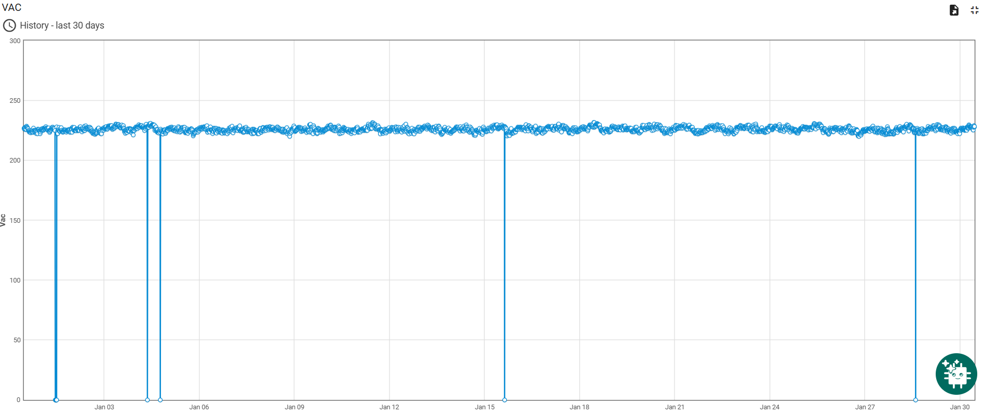
NODE | ALARM_TYPE | ALARM_TIME | CLOSE_TIME | LEA Name | = | Time Stamp | Voltage Reading
...
KN-NYR_MSAG5200_01 | AC Mains Failure | 1/1/26 | 1/1/26 | Katunayake | Match | 1/1/26 | 0
 |  |  |  |  |  | 1/1/26 | 0
 |  |  |  |  |  | 1/1/26 | 0
 |  |  |  |  |  | 1/1/26 | 0
 |  |  |  |  |  | 1/1/26 | 0

 |  |  |  |  | Missing | 1/4/26 | 0
 |  |  |  |  |  | 1/4/26 | 0

 |  |  |  |  | Missing | 1/15/26 | 0
 |  |  |  |  |  | 1/28/26 | 0

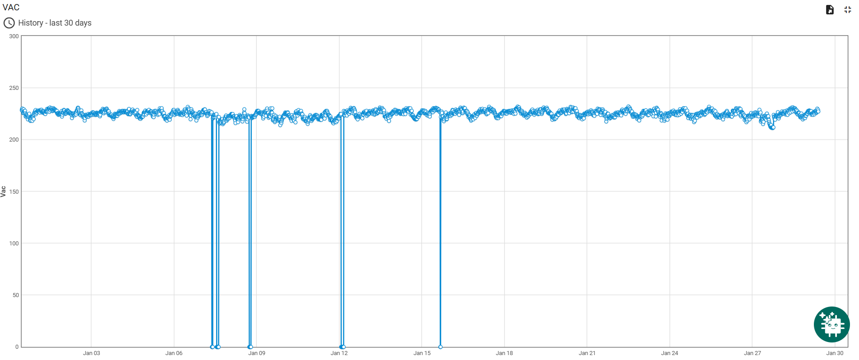
NG-DNG_MSAG5200_01 | AC Mains Failure | 1/12/26 | 1/12/26 | Negombo | Match | 1/12/26 | 0
...

