Document History
국민대학교 종합정보시스템 구축
업무기능분해도
Document History

No | Version | Change Date | Change Cause | Change Description | Author | Approver
1 | v1.0 | 23-12-2015 | new | Initial | Application Team

001
▶ Test Case GUI-ACIM-ISM-01-001 : Issunig multiple Period Pass in bus station

1. Test Scenario
Test date |  | 1st |  | Tester |  | 1st
 |  | 2nd |  |  |  | 2nd
 |  | 3rd |  |  |  | 3rd

Description |  | Issuing a multiple Period Pass in ACIM located in a bus station |  |  |  |  | Written by
Flow |  | 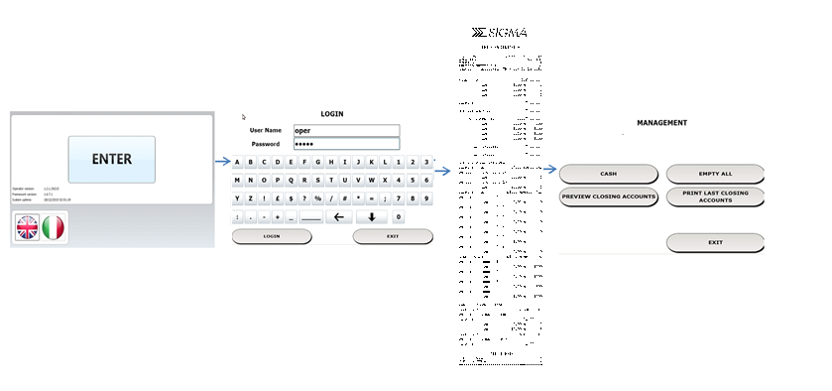

NO | Task | Test data | Expected result | Person in charge | Result |  | Pass/Fail |  |  | Remark
 |  |  |  |  |  |  | 1st | 2nd | 3rd
1 | Operator login on ACIM operator/maintainer menu | Test Data: user table | 1. Staff can navigate on operator menu |  | 1st
 |  |  |  |  | 2nd
 |  |  |  |  | 3rd
1 | ACIM Print a ticket with detail of coin and banknotes present | Test Data: transaction data | 1.ACIM prints a ticket with correct data |  | 1st
 |  |  |  |  | 2nd
 |  |  |  |  | 3rd

2. Test Data
NO | Item | Value

