Document History
국민대학교 종합정보시스템 구축
업무기능분해도
Document History

No | Version | Change Date | Change Cause | Change Description | Author | Approver
1 | v1.0 | 29-12-2015 | new | Initial | Application Team

ACIM-CLOSE-03
▣ Scenario ACIM-CLOSE-03:Closing with Cash withdrawl

▶ Desc & Flow
Description |  | This feature decribes the process of operator closing function with cash withdrawl
Biz flow ( It describe briefly ) |  | 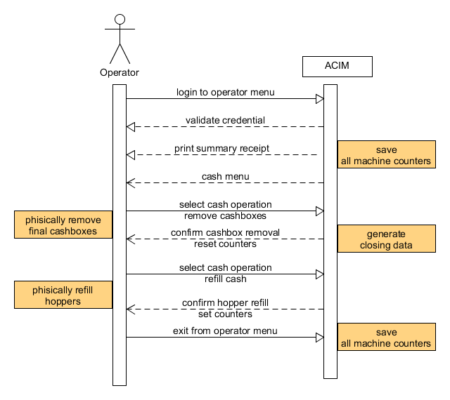

▶ Advance preparation
Preparation

▶ Data
NO | Item | 1 | 2 | 3 | 4 | 5
1 | Transaction Files
1 | Coins/Banknotes

001
▶ Test Case ACIM-CLOSE-03-001:Print a receipt with detail of coins and banknotes at the beginning of shift work

1. Test Scenario
Test date |  | 1st |  | Tester |  | 1st
 |  | 2nd |  |  |  | 2nd
 |  | 3rd |  |  |  | 3rd

Description |  | Print a receipt with detail of coins and banknotes at the beginning of shift work |  |  |  |  | Written by
Flow |  | 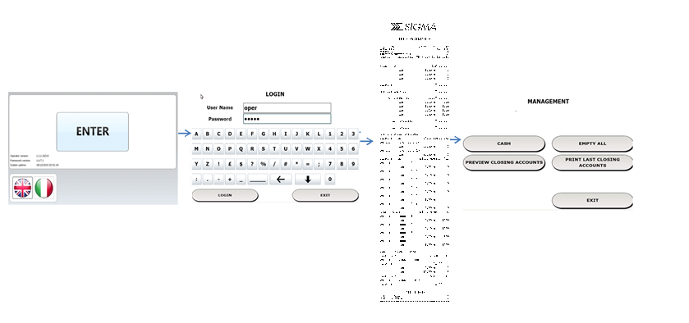

NO | Task | Test data | Expected result | Person in charge | Result |  | Pass/Fail |  |  | Remark
 |  |  |  |  |  |  | 1st | 2nd | 3rd
1 | Operator login on ACIM operator/maintainer menu | Test Data: user table | 1. Staff can navigate on operator menu |  | 1st
 |  |  |  |  | 2nd
 |  |  |  |  | 3rd
1 | ACIM Print a ticket with detail of coin and banknotes present | Test Data: transaction data | 1.ACIM prints a ticket with correct data |  | 1st
 |  |  |  |  | 2nd
 |  |  |  |  | 3rd

2. Test Data
NO | Item | Value
 | Receipt data fields
 | Transaction data values

002
▶ Test Case ACIM-CLOSE-03-001 :Verify Operational parameter

1. Test Scenario
Test date |  | 1st |  | Tester |  | 1st
 |  | 2nd |  |  |  | 2nd
 |  | 3rd |  |  |  | 3rd

Operational Parameter not set
Description |  | Verify Operational parameter |  |  |  |  | Written by
Flow |  | 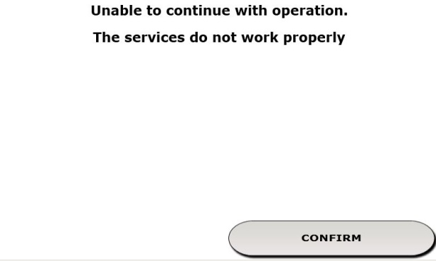 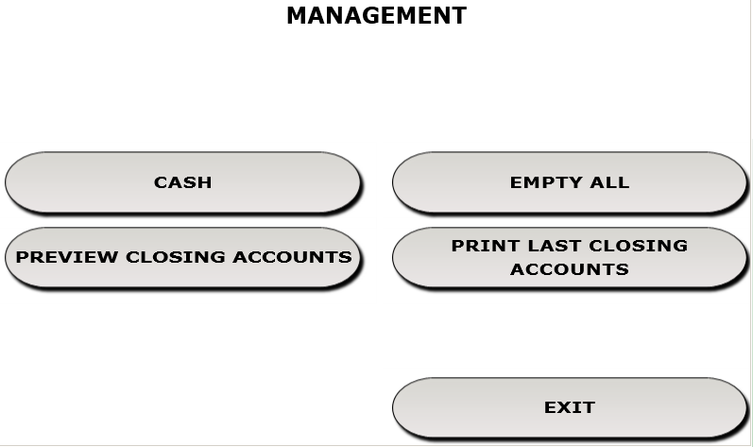

NO | Task | Test data | Expected result | Person in charge | Result |  | Pass/Fail |  |  | Remark
 |  |  |  |  |  |  | 1st | 2nd | 3rd
1 | Operator login on ACIM operator/maintainer menu | Test Data: operational Parameter | 1. If the operational parameter are not all set, the access to closing functions is denied |  | 1st
 |  |  |  |  | 2nd
 |  |  |  |  | 3rd

2. Test Data
NO | Item | Value
 | Operational parameter

003
▶ Test Case ACIM-CLOSE-03-003 :Coin/Notes final cashbox withdrawal

1. Test Scenario
Test date |  | 1st |  | Tester |  | 1st
 |  | 2nd |  |  |  | 2nd
 |  | 3rd |  |  |  | 3rd

Description |  | Final CashBox Withdrawal |  |  |  |  | Written by
Flow |  | 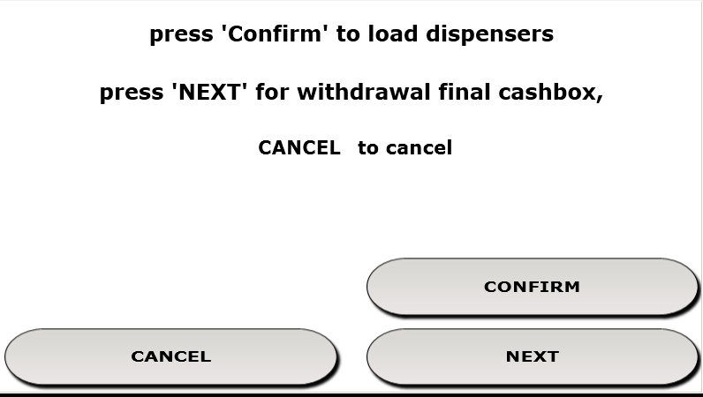 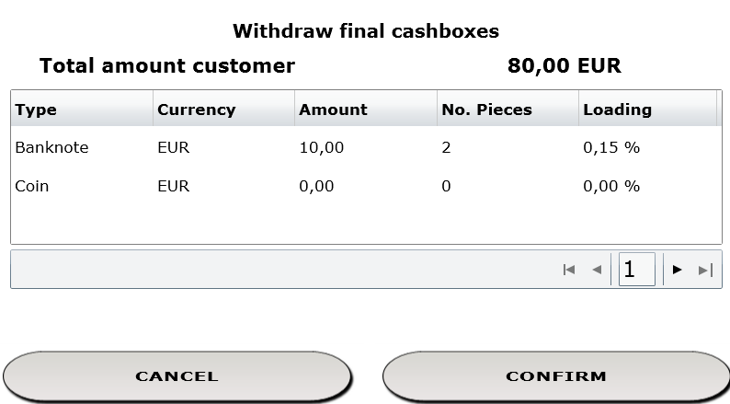 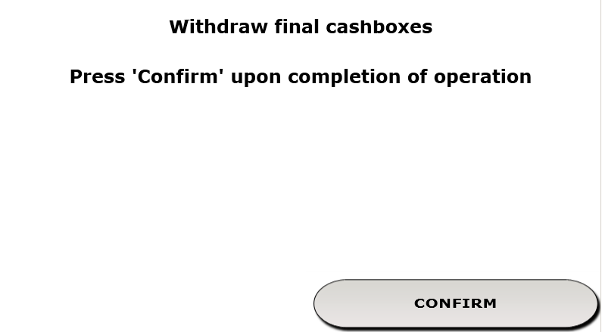 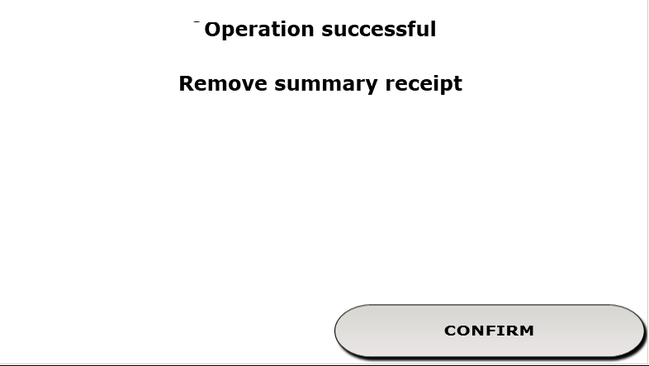

NO | Task | Test data | Expected result | Person in charge | Result |  | Pass/Fail |  |  | Remark
 |  |  |  |  |  |  | 1st | 2nd | 3rd
1 | Operator selects Cash in operator Menu |  | 1. If the user has rights, navigates in the next menu |  | 1st
 |  |  |  |  | 2nd
 |  |  |  |  | 3rd
2 | User select NEXT to proceed with withdrawal |  | 2.ACIM shows detail of all coin and notes present in final cashbox and the amount of tickets paid in cash(total amount customer) |  | 1st
 |  |  |  |  | 2nd
 |  |  |  |  | 3rd
3 | User select CONFIRM and proceed with the phisical withdrawal |  | 3.ACIM waits for the physical removal of the cashboxes |  | 1st
 |  |  |  |  | 2nd
 |  |  |  |  | 3rd
4 | User select CONFIRM after the phisical removal |  | 4.ACIM resets logical counters of notes and coins contained in final cashboxes |  | 1st
 |  |  |  |  | 2nd
 |  |  |  |  | 3rd
5 | ACIM prints a summary receipt |  | 5.The summary receipt is printed and contains the right counters |  | 1st
 |  |  |  |  | 2nd
 |  |  |  |  | 3rd

2. Test Data
NO | Item | Value
 | Closing File
 | Recipt Printers

004
▶ Test Case ACIM-CLOSE-03-004 :Manual refill of coin hoppers

1. Test Scenario
Test date |  | 1st |  | Tester |  | 1st
 |  | 2nd |  |  |  | 2nd
 |  | 3rd |  |  |  | 3rd

Description |  | Manual refill of coin hoppers |  |  |  |  | Written by
Flow |  | 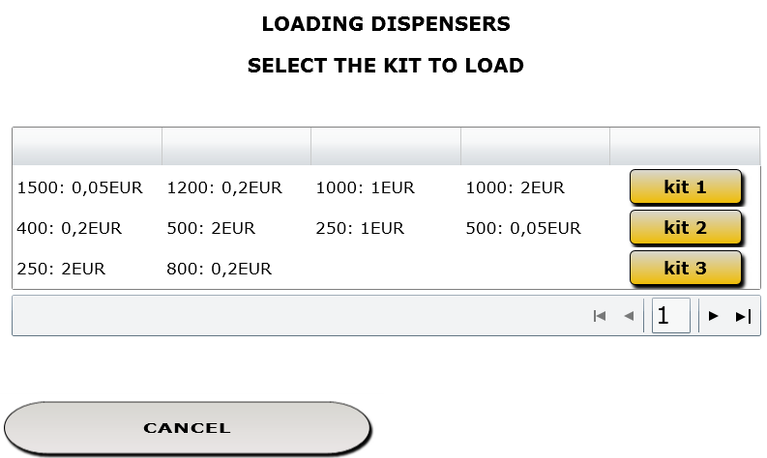 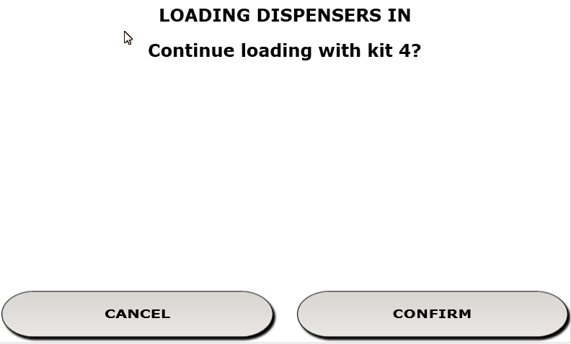 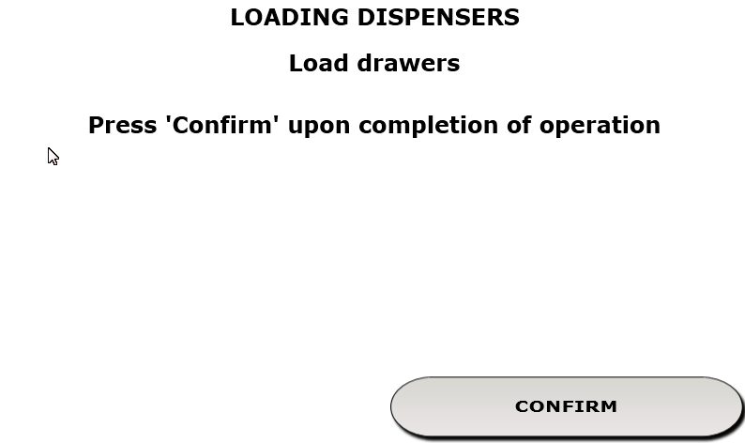 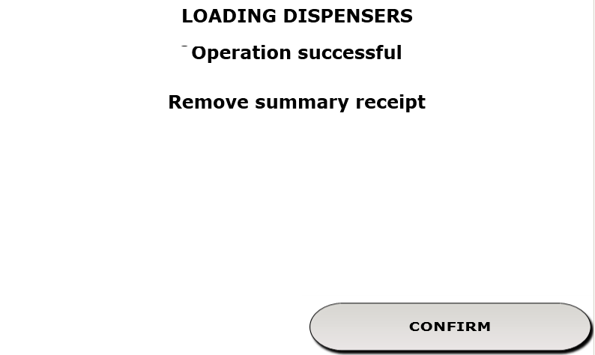

NO | Task | Test data | Expected result | Person in charge | Result |  | Pass/Fail |  |  | Remark
 |  |  |  |  |  |  | 1st | 2nd | 3rd
1 | Operator selects Cash in operator Menu |  | 1. If the user has rights, navigates in the next menu |  | 1st
 |  |  |  |  | 2nd
 |  |  |  |  | 3rd
2 | User select CONFIRM to manual refill of coin hoppers |  | 2.ACIM shows detail of all available kit (defined by centralized configuration) |  | 1st
 |  |  |  |  | 2nd
 |  |  |  |  | 3rd
3 | User select one of the kit and proceed with the phisical refill |  | 3.ACIM waits for the physical refill |  | 1st
 |  |  |  |  | 2nd
 |  |  |  |  | 3rd
4 | User select CONFIRM after the phisical refill |  | 4.ACIM sets logical counters of coins contained in drawers |  | 1st
 |  |  |  |  | 2nd
 |  |  |  |  | 3rd
5 | ACIM prints a summary receipt |  | 5.The summary receipt is printed and contains the right counters |  | 1st
 |  |  |  |  | 2nd
 |  |  |  |  | 3rd

2. Test Data
NO | Item | Value
 | Closing File
 | Receipt Printers

