Document History
국민대학교 종합정보시스템 구축
업무기능분해도
Document History

No | Version | Change Date | Change Cause | Change Description | Author | Approver
1 | v1.0 | 28-12-2015 | new | Initial | Application Team

ACIM-INST-03
▣ Scenario ACIM-INST-03:Set Operational Parameter

▶ Desc & Flow
Description |  | This feature decribes the process of setting initial operational parameter by maintenance menu
Biz flow ( It describe briefly ) |  | 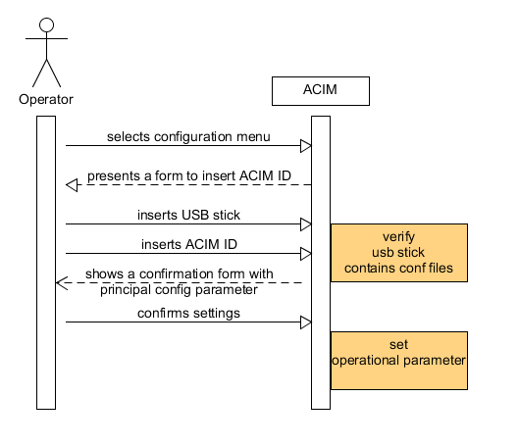

▶ Advance preparation
Description |  | The preparation of the first ACIM's configuration implies that is available a web app on AMC to generate the message files to be used locally by operator to configure all operational parameters.The necessary files have the same structure of those generated by usual data exchange but have a postfix "offline" in the name to be elaborated out of the standard protocol.
Preparation |  | 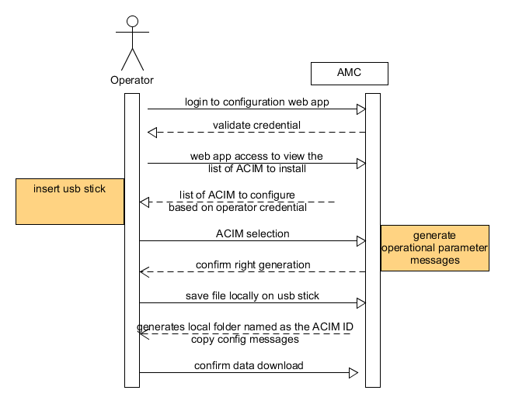

▶ Data
NO | Item | 1 | 2 | 3 | 4 | 5
1 | Operational Parameter Files: R2005.offline (file containing operational data) CFG0021 (file containing network data), CFG0022 (file containing target parameter)

