Document History
국민대학교 종합정보시스템 구축
업무기능분해도
Document History

No | Version | Change Date | Change Cause | Change Description | Author | Approver
1 | v1.0 | 23-12-2015 | new | Initial | Application Team

01
▶ Test Case ACIM-MODTEST-SIU-02-001 : View and check UPS Status

1. Test Scenario
Test date |  | 1st |  | Tester |  | 1st
 |  | 2nd |  |  |  | 2nd
 |  | 3rd |  |  |  | 3rd

Description |  | The maintainer navigates to the test page of the ups through the main navigation flow and then reads on the screen the current state of the ups. |  |  |  |  | Written by
Flow |  | 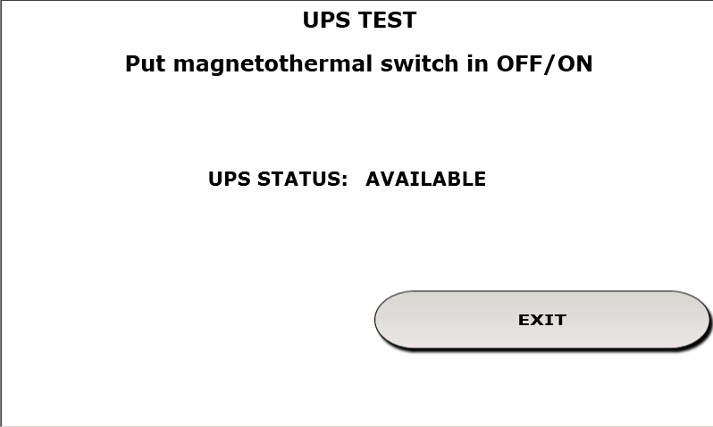

NO | Task | Test data | Expected result | Person in charge | Result |  | Pass/Fail |  |  | Remark
 |  |  |  |  |  |  | 1st | 2nd | 3rd
1 | Test of the state of the ups. |  | 1. On the test window of the ups device it must be shown the correct status of the ups |  | 1st
 |  |  |  |  | 2nd
 |  |  |  |  | 3rd

2. Test Data
NO | Item | Value

