Document History
국민대학교 종합정보시스템 구축
업무기능분해도
Document History

No | Version | Change Date | Change Cause | Change Description | Author | Approver
1 | v1.0 | 23-12-2015 | new | Initial | Application Team

01
▶ Test Case ACIM-MODTEST-SIU-03-001 : View and check niche door state

1. Test Scenario
Test date |  | 1st |  | Tester |  | 1st
 |  | 2nd |  |  |  | 2nd
 |  | 3rd |  |  |  | 3rd

Description |  | The maintainer navigates to the test page of the niche sensor through the main navigation flow and then reads on the screen if the niche door is currently opened or closed |  |  |  |  | Written by
Flow |  | 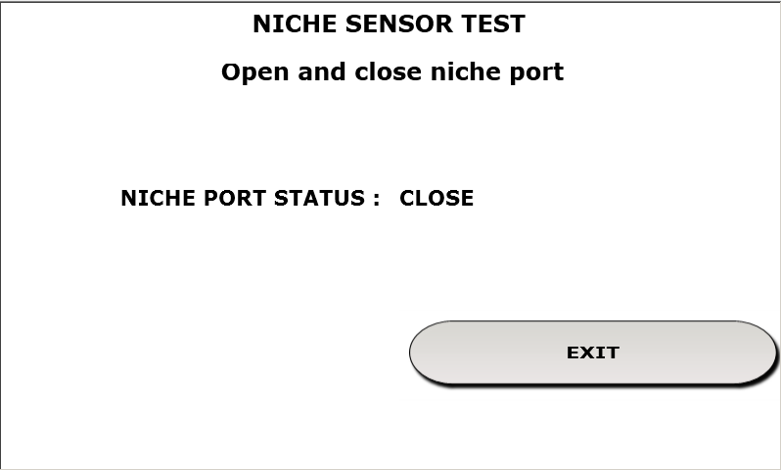

NO | Task | Test data | Expected result | Person in charge | Result |  | Pass/Fail |  |  | Remark
 |  |  |  |  |  |  | 1st | 2nd | 3rd
1 | Test of the state of the niche door. |  | 1. On the test window of the sensor of the niche door it must be shown the correct status of the door |  | 1st
 |  |  |  |  | 2nd
 |  |  |  |  | 3rd

2. Test Data
NO | Item | Value

