Document History
국민대학교 종합정보시스템 구축
업무기능분해도
Document History

No | Version | Change Date | Change Cause | Change Description | Author | Approver
1 | v1.0 | 18-12-2015 | new | Initial | Application Team

01
▶ Test Case ACIM-OPLANG-01-001 : Operator/Maintainer english lang selection

1. Test Scenario
Test date |  | 1st |  | Tester |  | 1st
 |  | 2nd |  |  |  | 2nd
 |  | 3rd |  |  |  | 3rd

ACIM operator menu shows intial window
operator selects English
ACIM operator menu refreshes all labels in english
Description |  | staff selects english |  |  |  |  | Written by
Flow |  |  |  |  |  |  |  |  |  |  | 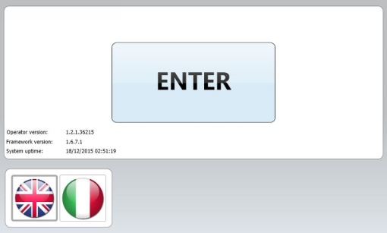

NO | Task | Test data | Expected result | Person in charge | Result |  | Pass/Fail |  |  | Remark
 |  |  |  |  |  |  | 1st | 2nd | 3rd
1 | The operator selects english on initial screen |  | 1. the ACIM operator menu changes labels in english for the initial screen and all other views |  | 1st
 |  |  |  |  | 2nd
 |  |  |  |  | 3rd

2. Test Data
NO | Item | Value
A

02
▶ Test Case ACIM-OPLANG-01-002 : Operator/Maintainer italian lang selection

1. Test Scenario
Test date |  | 1st |  | Tester |  | 1st
 |  | 2nd |  |  |  | 2nd
 |  | 3rd |  |  |  | 3rd

ACIM operator menu shows intial window
operator selects Italian
ACIM operator menu refreshes all labels in italian
Description |  | Operator selects english |  |  |  |  | Written by
Flow |  |  |  |  |  |  |  |  |  |  | 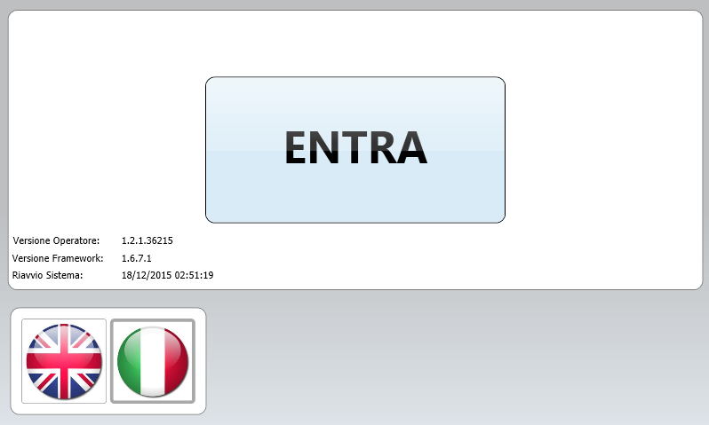

NO | Task | Test data | Expected result | Person in charge | Result |  | Pass/Fail |  |  | Remark
 |  |  |  |  |  |  | 1st | 2nd | 3rd
1 | The operator selects italian on initial screen |  | 1. the ACIM operator menu changes labels in italian for the initial screen and all other views |  | 1st
 |  |  |  |  | 2nd
 |  |  |  |  | 3rd

2. Test Data
NO | Item | Value
A

03
▶ Test Case ACIM-OPLANG-01-003 : Operator/Maintainer greek lang selection

1. Test Scenario
Test date |  | 1st |  | Tester |  | 1st
 |  | 2nd |  |  |  | 2nd
 |  | 3rd |  |  |  | 3rd

ACIM operator menu shows intial window
operator selects greek
ACIM operator menu refreshes all labels in greek
Description |  | Operator selects greek |  |  |  |  | Written by
Flow

NO | Task | Test data | Expected result | Person in charge | Result |  | Pass/Fail |  |  | Remark
 |  |  |  |  |  |  | 1st | 2nd | 3rd
1 | The operator selects greek on initial screen |  | 1. the ACIM operator menu changes labels in greek for the initial screen and all other views |  | 1st
 |  |  |  |  | 2nd
 |  |  |  |  | 3rd

2. Test Data
NO | Item | Value
A

