Document History
국민대학교 종합정보시스템 구축
업무기능분해도
Document History

No | Version | Change Date | Change Cause | Change Description | Author | Approver
1 | v1.0 | 10-12-2015 | new | Initial | Application Team

GUI-ACIM-ISM-01
▣ Scenario FAT-ACIM-ISM-01 : Issuing Multiple tickets scenario

▶ Desc & Flow
Description |  | This feature describes the flow of purchase of various types of tickets without considering the payment and card encoding. The list of tickets depends on the ACIM's location.
Biz flow ( It describe briefly ) |  | 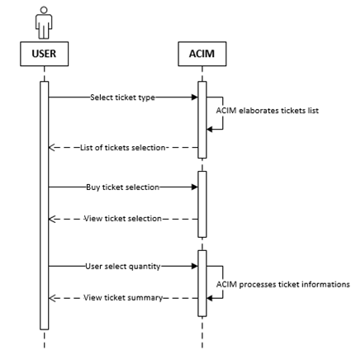

▶ Advance preparation
Preparation

▶ Data
NO | Item | 1 | 2 | 3 | 4 | 5
1 | All fare table
2 | Parameters that specify the ACIM's location

