Document History
국민대학교 종합정보시스템 구축
업무기능분해도
Document History

No | Version | Change Date | Change Cause | Change Description | Author | Approver
1 | v1.0 | 10-12-2015 | new | Initial | Application Team

GUI-ACIM-ISM-02
▣ Scenario GUI-ACIM-ISM-02 : Issunig Count Based ticket

▶ Desc & Flow
Description |  | This feature describes the flow of purchase of Count Based ticket without considering the payment and card encoding. Enabling ACIM selling round trip depends on the positioning
Biz flow ( It describe briefly ) |  | 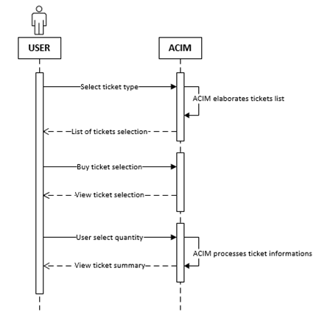

▶ Advance preparation
Preparation

▶ Data
NO | Item | 1 | 2 | 3 | 4 | 5
1 | All fare table
2 | Parameters that specify the ACIM's location
2 | TrainOSE network map

05
▶ Test Case GUI-ACIM-ISM-01-001 : Issunig Count Based ticket by route (start / end stations)

1. Test Scenario
Test date |  | 1st |  | Tester |  | 1st
 |  | 2nd |  |  |  | 2nd
 |  | 3rd |  |  |  | 3rd

Description |  | Issuing a multiple Count Based by route (start / end stations) from ACIM located in a Airport station or TrainOSE station. Start and End stations are selected by combo elements or text area. |  |  |  |  | Written by
Flow |  | 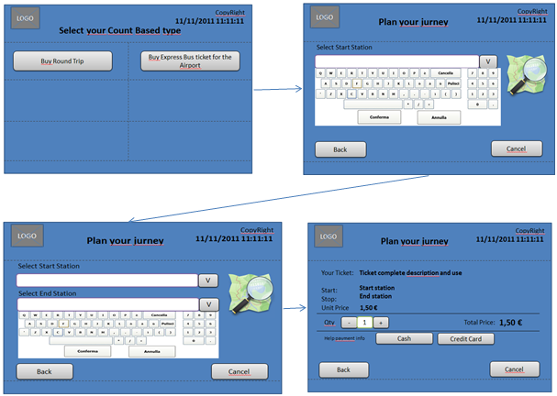

NO | Task | Test data | Expected result | Person in charge | Result |  | Pass/Fail |  |  | Remark
 |  |  |  |  |  |  | 1st | 2nd | 3rd
1 | USER select buy round trip | Test Data: Fare table for all count based and parameters that indicates the location (Airport station or TrainOSE Station) | 1.ACIM Propose the possibility to enter the start station (combo with list or keyboard for write) and the possibility to select by map |  | 1st
 |  |  |  |  | 2nd
 |  |  |  |  | 3rd
2 | User Select start station by list | Test Data: Fare table for all count based and parameters that indicates the location (Airport station or TrainOSE Station) | 1.ACIM Propose the possibility to enter the start station (combo with list or keyboard for write) and the possibility to select by map |  | 1st
 |  |  |  |  | 2nd
 |  |  |  |  | 3rd
3 | User Select start station by kayboard | Test Data: Fare table for all count based and parameters that indicates the location (Airport station or TrainOSE Station) | 1. The ACIM complete the station name inserted by the user. When user press enter ACIM propose the possibility to enter the end station |  | 1st
 |  |  |  |  | 2nd
 |  |  |  |  | 3rd
4 | User Select end station by list | Test Data: Fare table for all count based and parameters that indicates the location (Airport station or TrainOSE Station) | 1. ACIM show the tickets summary |  | 1st
 |  |  |  |  | 2nd
 |  |  |  |  | 3rd
5 | User Select end station by kayboard | Test Data: Fare table for all count based and parameters that indicates the location (Airport station or TrainOSE Station) | 1. The ACIM complete the station name inserted by the user. When user press enter ACIM show the tickets summary |  | 1st
 |  |  |  |  | 2nd
 |  |  |  |  | 3rd
6 | User change quantity | Test Data: Fare table for all count based and parameters that indicates the location (Airport station or TrainOSE Station) | The total price changed as quantity * ticket price |  | 1st
 |  |  |  |  | 2nd
 |  |  |  |  | 3rd

2. Test Data
NO | Item | Value

06
▶ Test Case GUI-ACIM-ISM-01-001 : Issunig Count Based ticket by route (start / end stations)

1. Test Scenario
Test date |  | 1st |  | Tester |  | 1st
 |  | 2nd |  |  |  | 2nd
 |  | 3rd |  |  |  | 3rd

Description |  | Issuing a multiple Count Based by route (start / end stations) from ACIM located in a Airport station or TrainOSE station. Start and End stations are selected by touching on the right position on the map. |  |  |  |  | Written by
Flow |  | 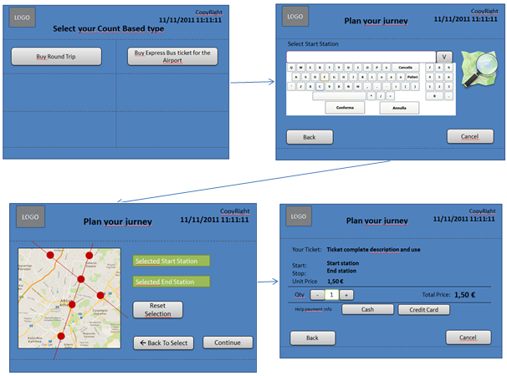

NO | Task | Test data | Expected result | Person in charge | Result |  | Pass/Fail |  |  | Remark
 |  |  |  |  |  |  | 1st | 2nd | 3rd
1 | User select buy round trip | Test Data: Fare table for all count based and parameters that indicates the location (Airport station or TrainOSE Station) | 1.ACIM Propose the possibility to enter the start station (combo with list or keyboard for write) and the possibility to select by map |  | 1st
 |  |  |  |  | 2nd
 |  |  |  |  | 3rd
2 | User Select start station by the map | Test Data: Fare table for all count based and parameters that indicates the location (Airport station or TrainOSE Station) | 1.ACIM Propose the map where the user can select start and end station. All previous select will be lost. |  | 1st
 |  |  |  |  | 2nd
 |  |  |  |  | 3rd
3 | User click one station on the map | Test Data: Fare table for all count based and parameters that indicates the location (Airport station or TrainOSE Station) | 1. The ACIM populate "Selected Start Station" field. The ACIM will wait for the next station choice (end station). |  | 1st
 |  |  |  |  | 2nd
 |  |  |  |  | 3rd
4 | User click end station on the map | Test Data: Fare table for all count based and parameters that indicates the location (Airport station or TrainOSE Station) | 1. The ACIM populate "Selected End Station" field and disable the possibility to click on the map. |  | 1st
 |  |  |  |  | 2nd
 |  |  |  |  | 3rd
5 | User click reset selection | Test Data: Fare table for all count based and parameters that indicates the location (Airport station or TrainOSE Station) | 1. The ACIM erase start and end station fields and restore the possibility to click on the map again. |  | 1st
 |  |  |  |  | 2nd
 |  |  |  |  | 3rd
6 | User click continue | Test Data: Fare table for all count based and parameters that indicates the location (Airport station or TrainOSE Station) | 1. ACIM shows start and end stations selected and the ticket summary. 2. No station has been chosen. ACIM show a warning |  | 1st
 |  |  |  |  | 2nd
 |  |  |  |  | 3rd
7 | User change quantity | Test Data: Fare table for all count based and parameters that indicates the location (Airport station or TrainOSE Station) | The total price changed as quantity * ticket price |  | 1st
 |  |  |  |  | 2nd
 |  |  |  |  | 3rd

2. Test Data
NO | Item | Value

