Document History
국민대학교 종합정보시스템 구축
업무기능분해도
Document History

No | Version | Change Date | Change Cause | Change Description | Author | Approver
1 | v1.0 | 10-12-2015 | new | Initial | Application Team | K.H.Ryu

GUI-ACIM-LANG-01
▣ Scenario GUI-ACIM-LANG-01 : Choosing language user interface

▶ Desc & Flow
Description |  | This functionality is related to user selection about language of the GUI
Biz flow ( It describe briefly ) |  | 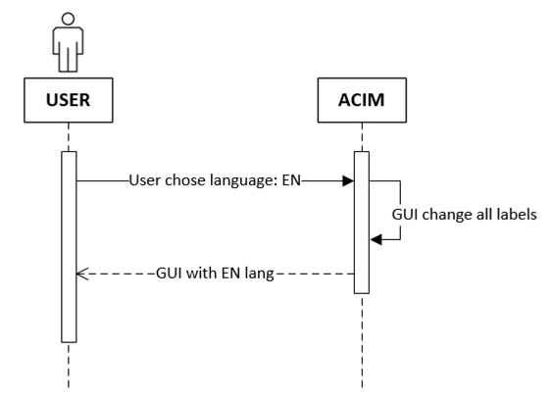

▶ Advance preparation
Preparation

▶ Data
NO | Item | 1 | 2 | 3 | 4 | 5
1

01
▶ Test Case GUI-ACIM-ACIM;-01-001 : User selects English

1. Test Scenario
Test date |  | 1st |  | Tester |  | 1st
 |  | 2nd |  |  |  | 2nd
 |  | 3rd |  |  |  | 3rd

ACIM Porpose intial screen
User select English
ACIM Refresh all label in english
Description |  | User selects english |  |  |  |  | Written by
Flow

NO | Task | Test data | Expected result | Person in charge | Result |  | Pass/Fail |  |  | Remark
 |  |  |  |  |  |  | 1st | 2nd | 3rd
1 | The user select english on initial screen | Test Data: with traslation for all label | 1. the ACIM change label in english for the initial screen and all other view |  | 1st
 |  |  |  |  | 2nd
 |  |  |  |  | 3rd

2. Test Data
NO | Item | Value
A

