Document History
국민대학교 종합정보시스템 구축
업무기능분해도
Document History

No | Version | Change Date | Change Cause | Change Description | Author | Approver
1 | v1.0 | 10-12-2015 | new | Initial | Application Team

IT-ACIM-TDM-01
▣ Scenario IT-ACIM-TDM-01 : Transaction Data Scenario for Multiple tickets

▶ Desc & Flow
Description |  | This feature describes the flow of transaction data send operation to ACM after issuing one ticket (Multiple), in a quantity equal or greater than one,
Biz flow ( It describe briefly ) |  | 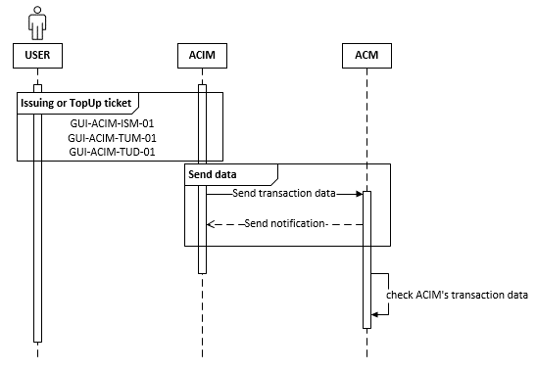

▶ Advance preparation
Preparation

▶ Data
NO | Item | 1 | 2 | 3 | 4 | 5
1 | Parameters that specify all transaction data
2 | Athens Retail Device Interface specifications
3 | Fare table

