Trends
Trend Charts

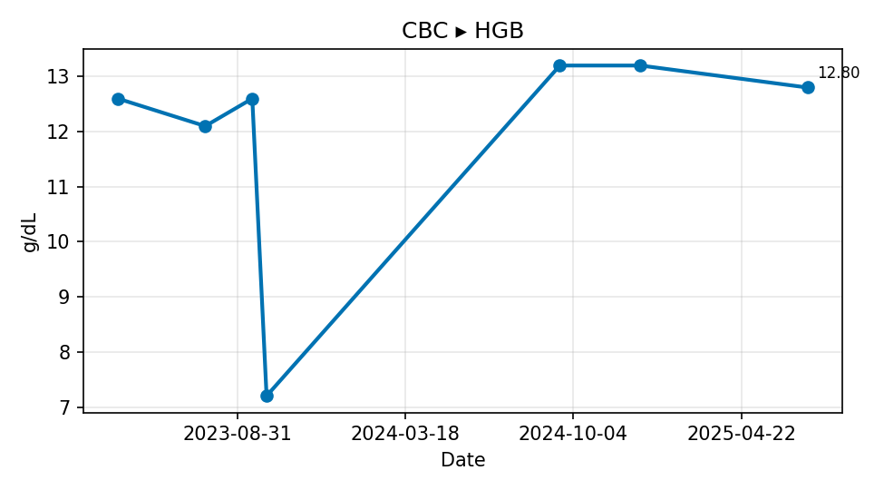
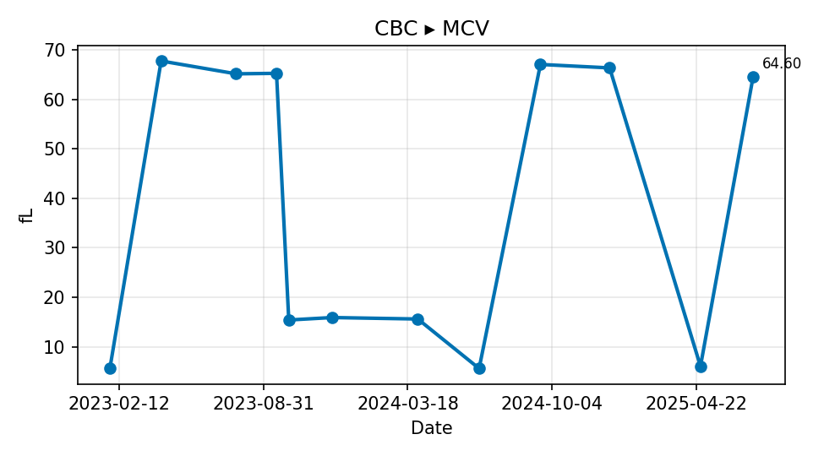

CBC ▸ HGB | CBC ▸ MCV

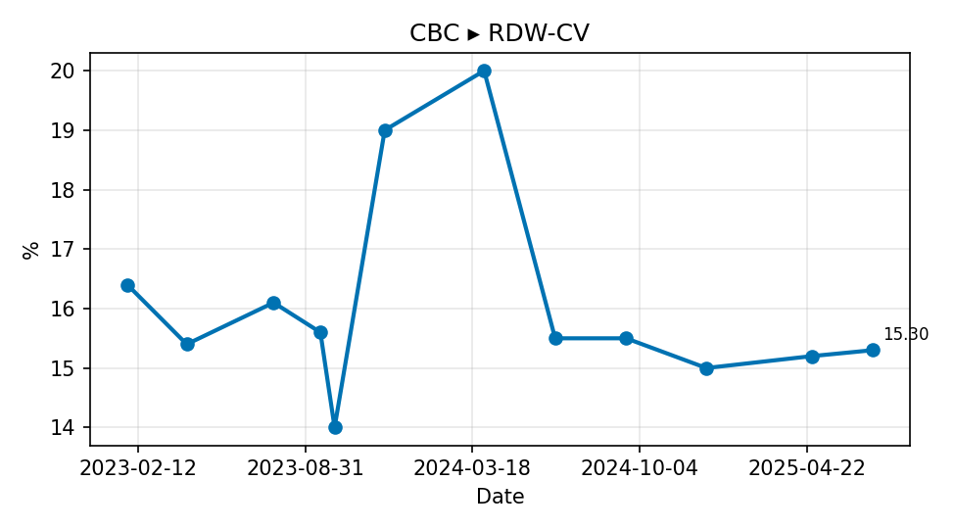
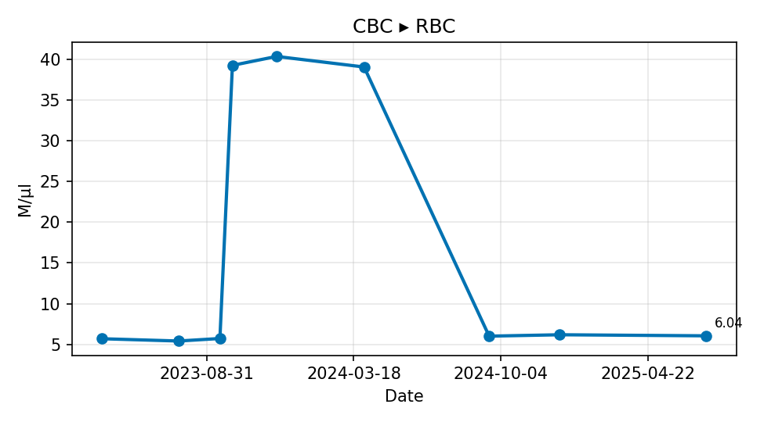

CBC ▸ RDW-CV | CBC ▸ RBC

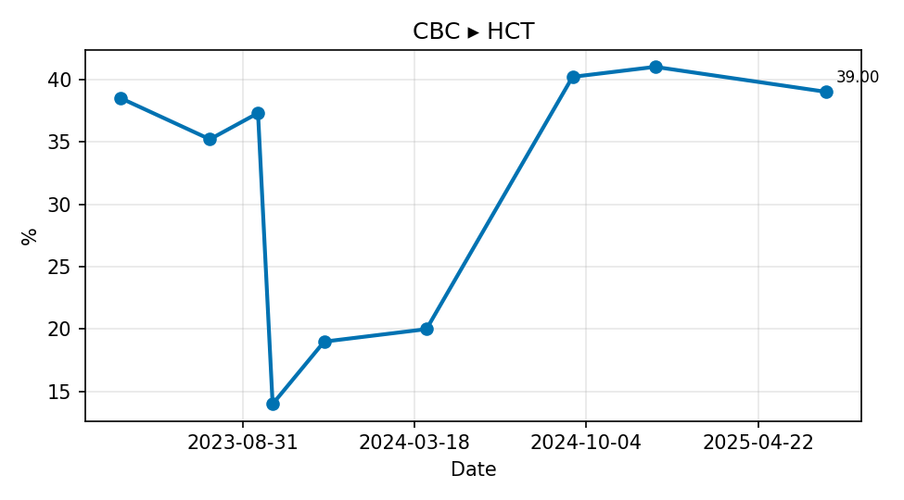
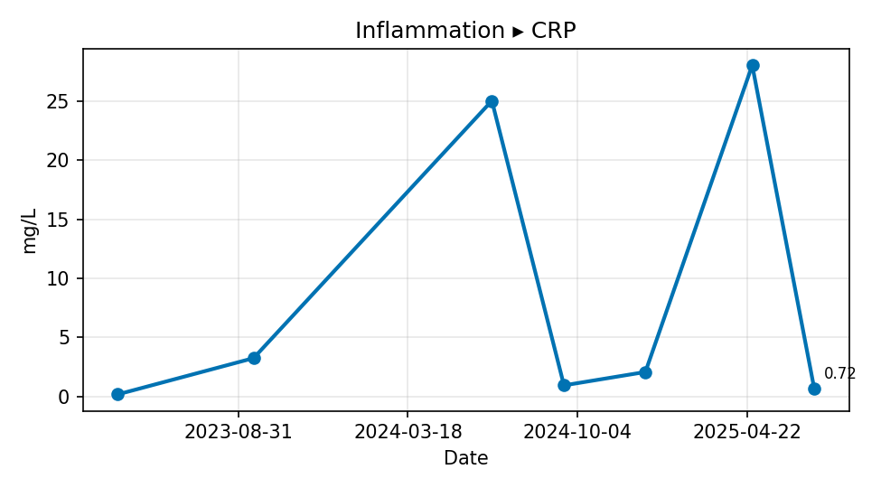

CBC ▸ HCT | Inflammation ▸ CRP

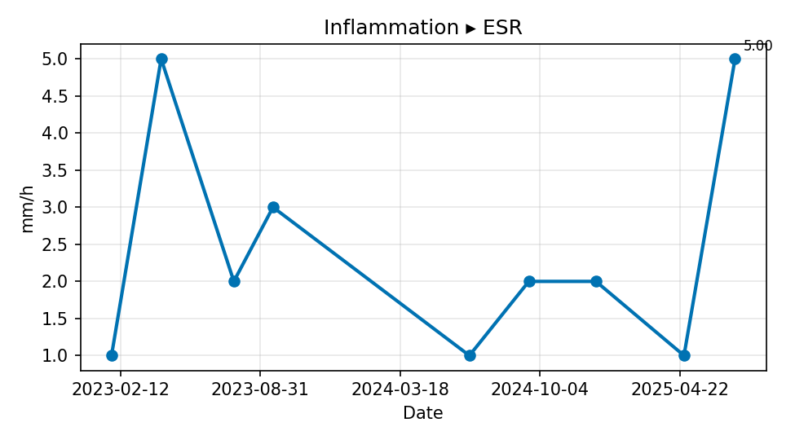
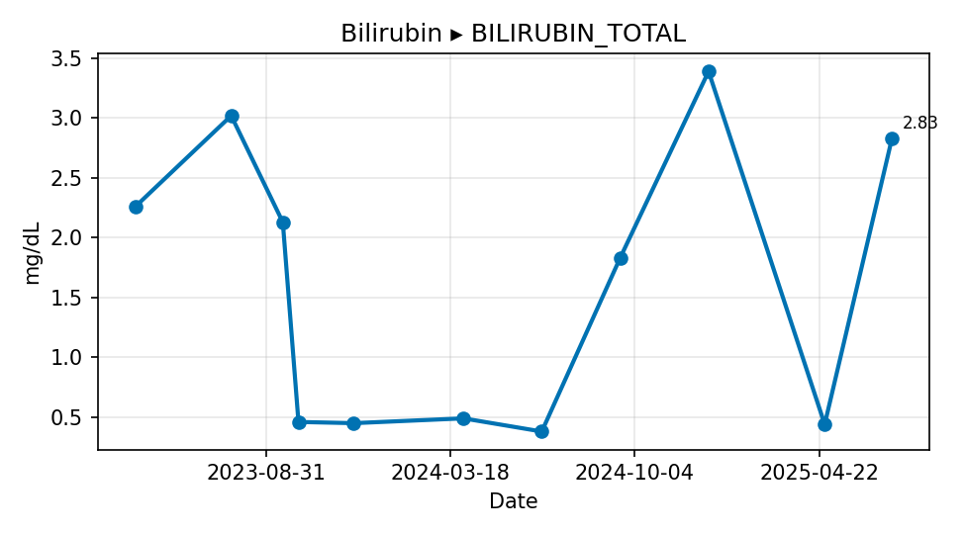

Inflammation ▸ ESR | Bilirubin ▸ BILIRUBIN_TOTAL

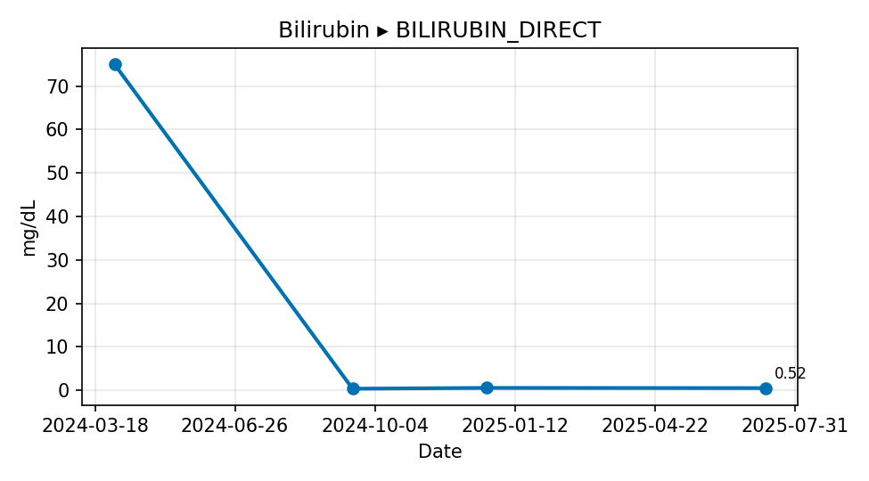
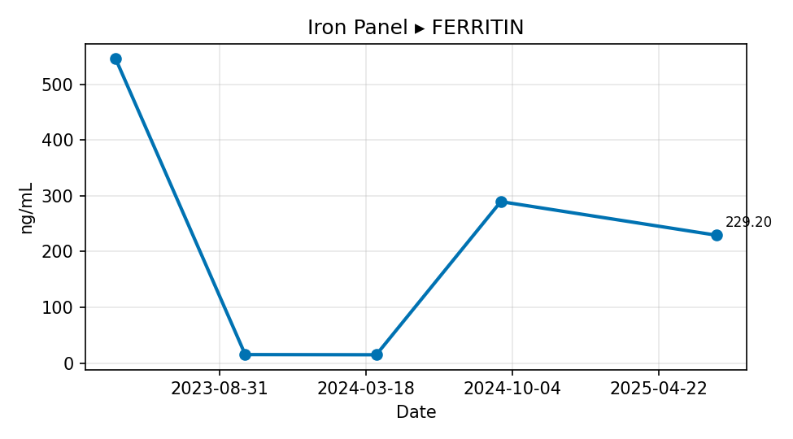

Bilirubin ▸ BILIRUBIN_DIRECT | Iron Panel ▸ FERRITIN

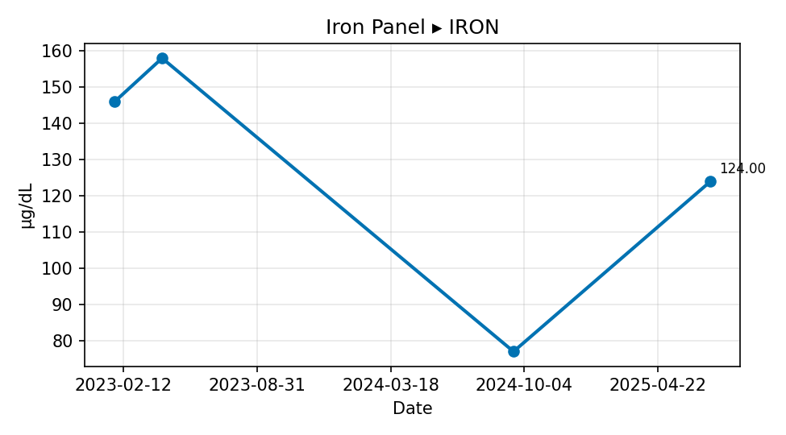
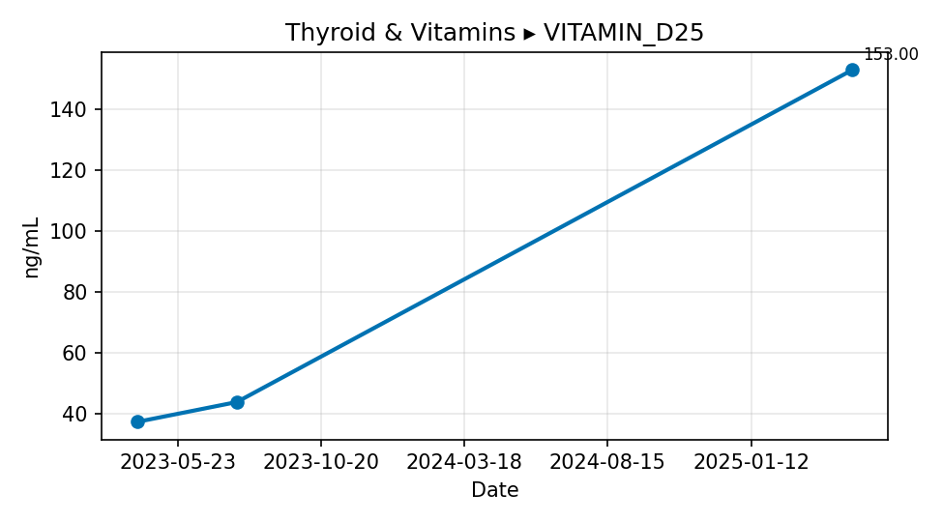

Iron Panel ▸ IRON | Thyroid & Vitamins ▸ VITAMIN_D25

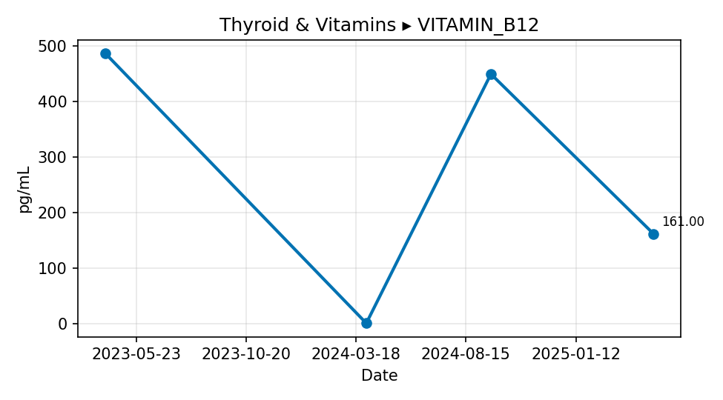
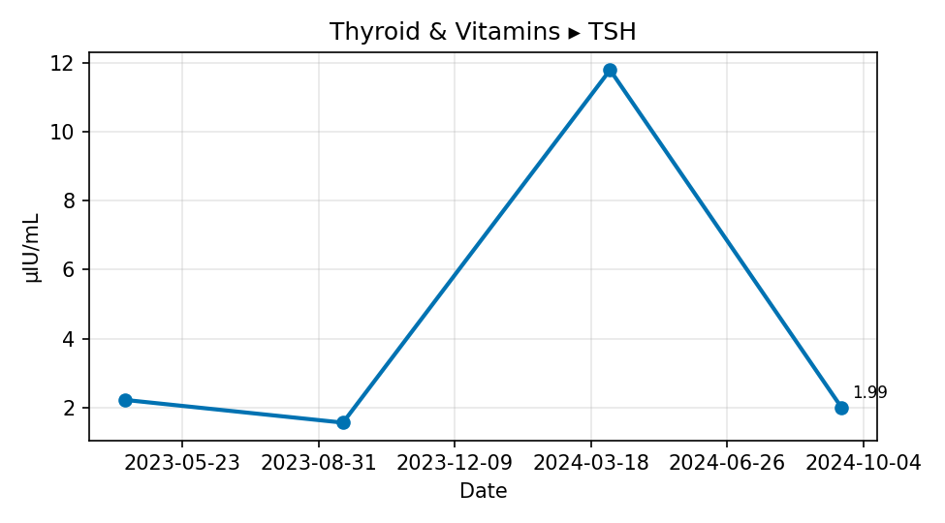

Thyroid & Vitamins ▸ VITAMIN_B12 | Thyroid & Vitamins ▸ TSH

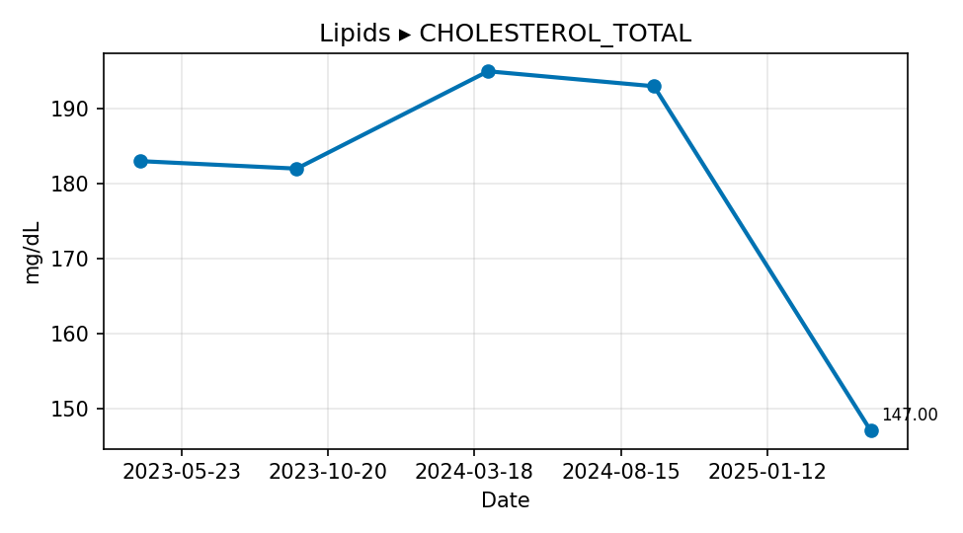
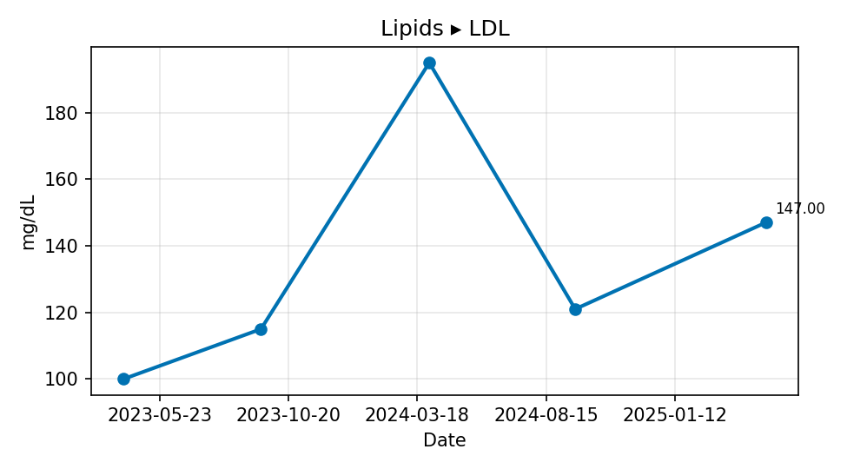

Lipids ▸ CHOLESTEROL_TOTAL | Lipids ▸ LDL

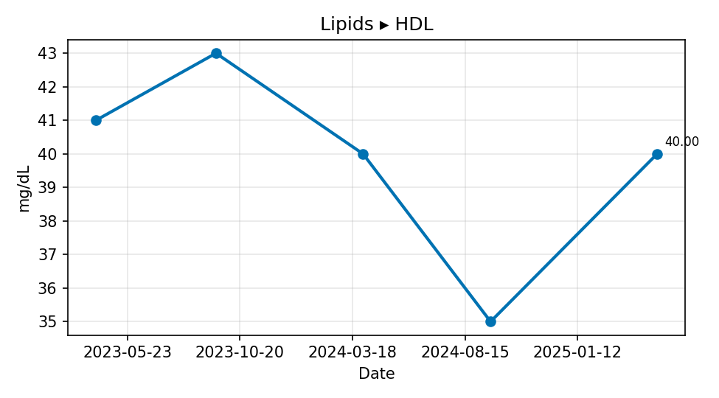
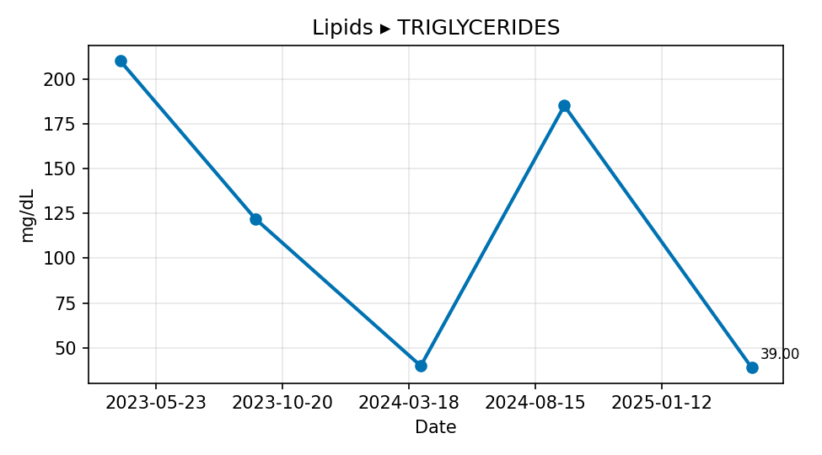

Lipids ▸ HDL | Lipids ▸ TRIGLYCERIDES

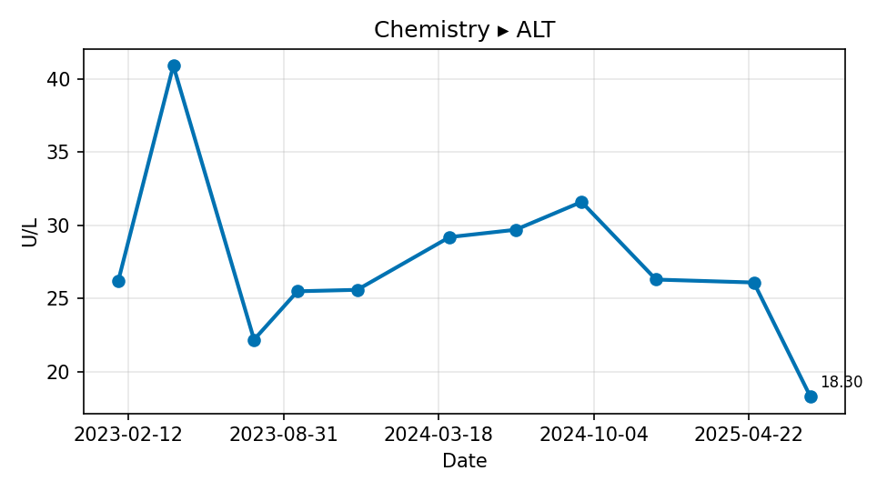
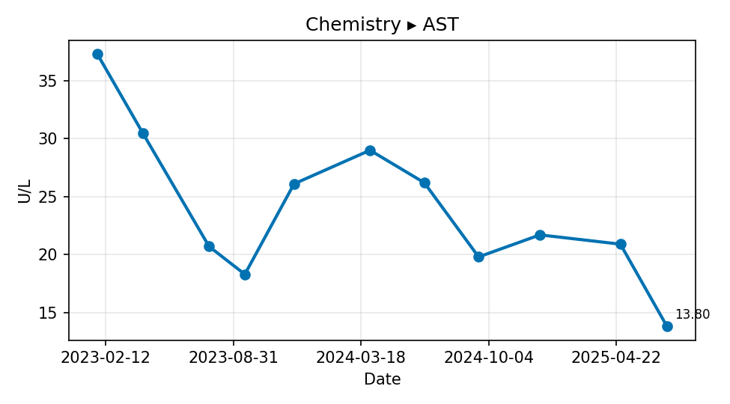

Chemistry ▸ ALT | Chemistry ▸ AST

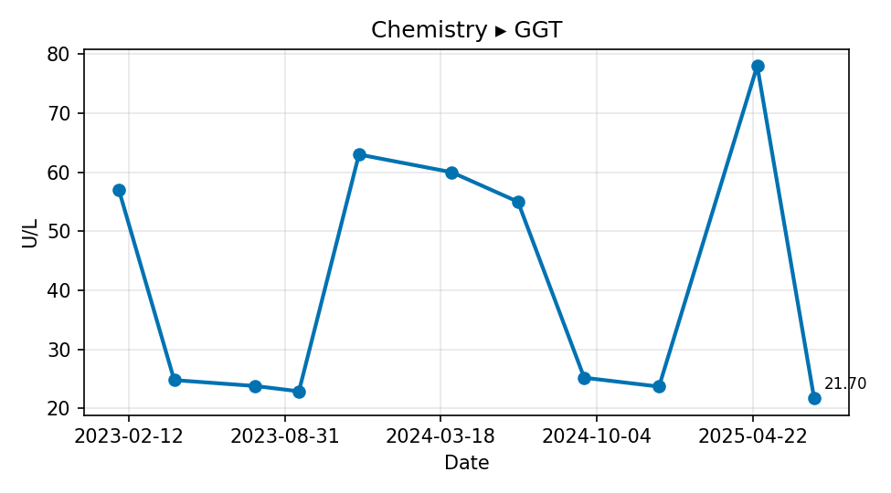
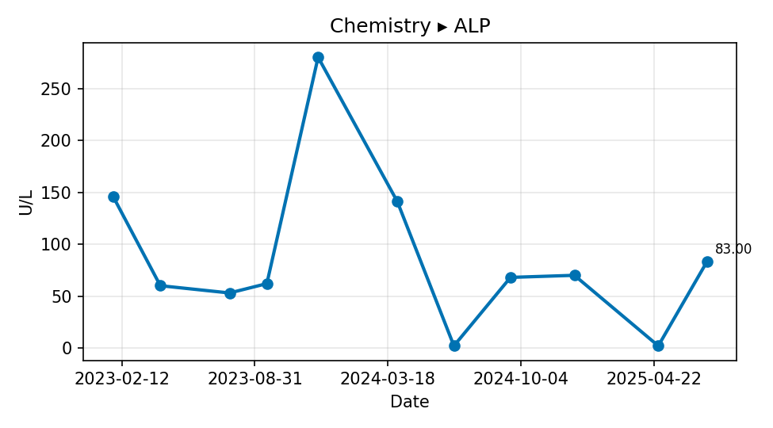

Chemistry ▸ GGT | Chemistry ▸ ALP

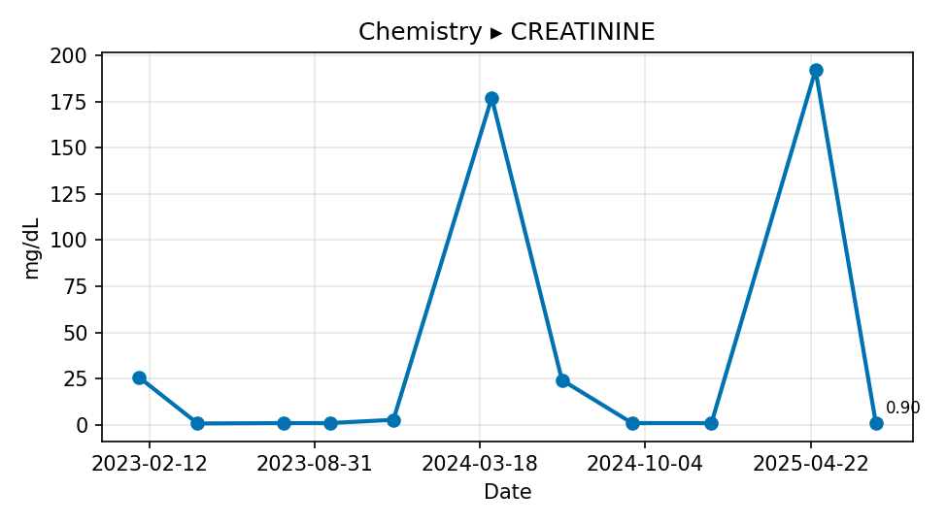
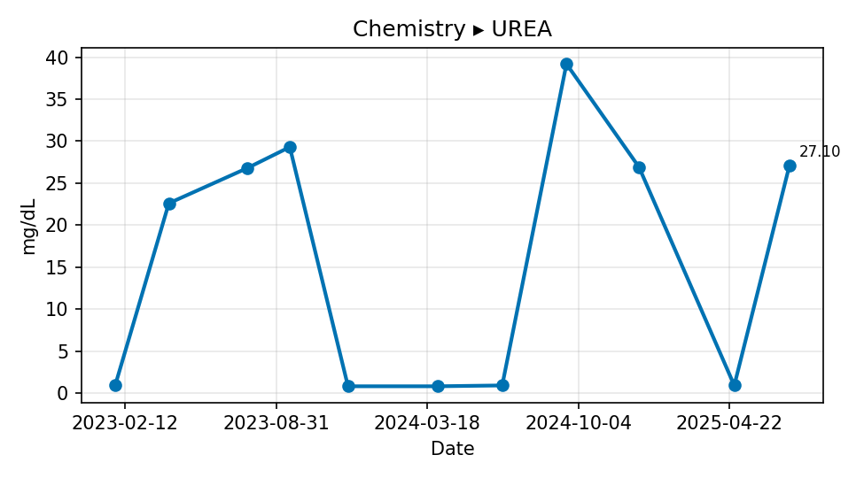

Chemistry ▸ CREATININE | Chemistry ▸ UREA

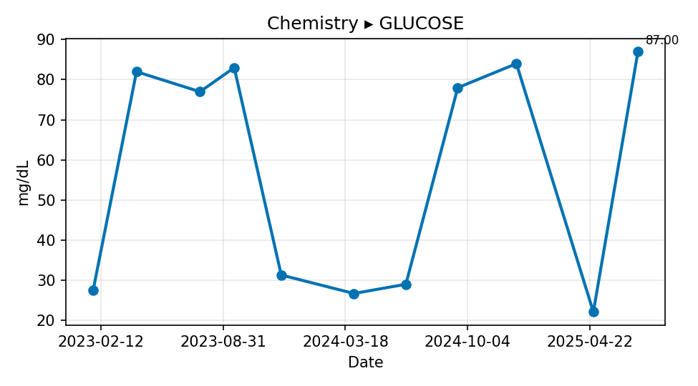
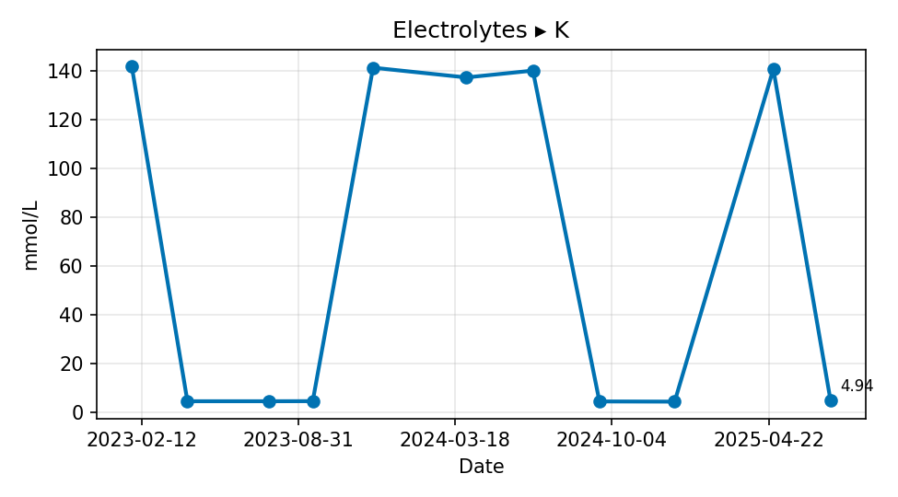

Chemistry ▸ GLUCOSE | Electrolytes ▸ K

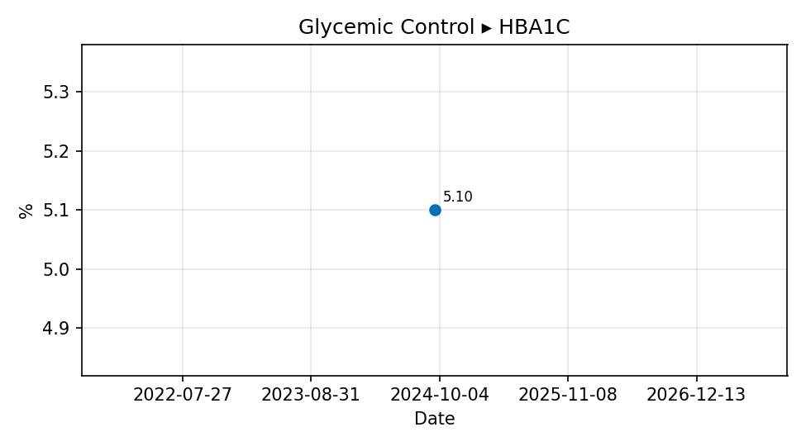

Glycemic Control ▸ HBA1C

