(OverviewGuidelines)
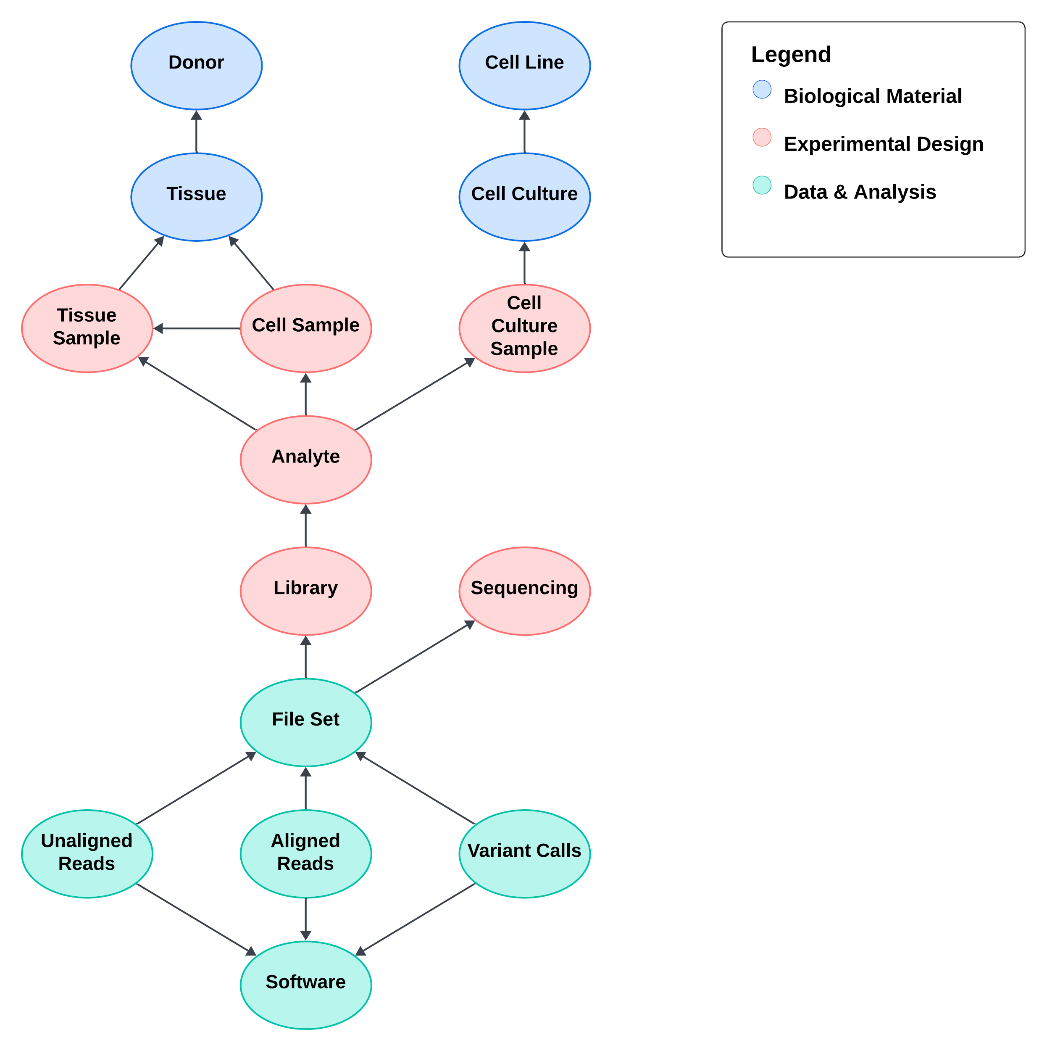
Submittable Items Overview | version: 1.0.4 | Legend for Column Headers
 |  | BOLD | Properties in bold are required
 |  | Italics | Properties in italics are links to other items

 |  | Helpful Info for Submitters
 |  | Hover over or select column headers for a description of that field.
 |  | Follow the formats in the description. If the description specifies units, do not retype the unit. For example, if the tooltip says "Height of the donor in meters", please provide "1.77" instead of "1.77 m".
 |  | For multiple values, separate them with the vertical bar character. E.g. "Basecaller|Consensus caller|Base modification caller"
 |  | Please add your own columns if we are missing anything. Feel free to indicate which columns do not make sense, and we will try to clarify or revise them.
 |  | Tabs that are marked in red are "reference tabs". You do not need to fill these in.
 |  | Thank you very much!

