Homework Data
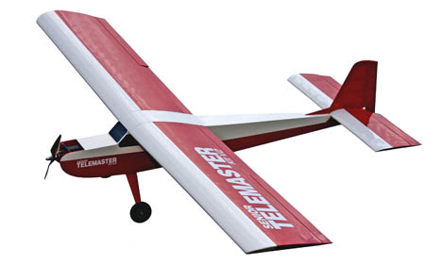
 |  |  |  |  |  |  | Technical Specifications:
 |  |  |  |  |  |  | Length: | 64"
 |  |  |  |  |  |  | Wingspan: | 94"
 |  |  |  |  |  |  | Flying Weight: | 10-1/2 lbs.
 |  |  |  |  |  |  | Controls: | Ailerons, Elevator, Rudder, Throttle
 |  |  |  |  |  |  | Wing Area: | 1330 sq. in.

 | air density |  |  | 1.225 | kg/m^3
 | viscosity -nu |  |  | 1.50E-05 | m^2/sec

 | Weight | 10.5 | lbs | 46.71 | N | 4.763 | kg
Wing NACA 2412 | Area | 1330 | in^2 | 0.86 | m^2
 | span | 94 | in | 2.39 | m | 1.1938 | half wing
 | AR | 6.64 |  |  |  |  |  |  | 4.8293515461 | 0.087955195567
 | chord | 14.15 | in | 0.359383 | m |  |  |  | 4.014634778
 | W/S | 18.19 | oz/ft^3 | 54.43 | N/m^2
 | Dihedral | 3.00 | degrees
Horizontal Tail NACA 0012 | span | 34.00 | in | 0.864 | m | 0.4318 | half tail
 | chord | 9.50 | in | 0.241 | m
 | Area of tail |  |  | 0.208 | m^2
 | AR | 3.54
X location | x | 40.00 | in | 1.016 | m | Wing LE to Tail LE
z location | z | 2.00 | in | 0.051 | m
 | Airfoil | NACA 2412
 | Wing Incidence | 4.5 | degrees | 0.08 | rad

Vertical tail NACA 0012 | span | 10.20 | in | 0.26 | m
 | root chord | 9.50 | in | 0.24 | m
 | tip chord | 5.18 | in | 0.13 | m
 | Tip offset | 4.32 | in | 0.11 | m
 | Airfoil | NACA 0012
 | Tail Incidence | 2 | degrees | 0.03 | rad

Other parameters | D(epsilon)/D (alpha) | 0.4
 | epsilon | 0
 |  | -0.05 |  | From airfoil data

