Work Procedure
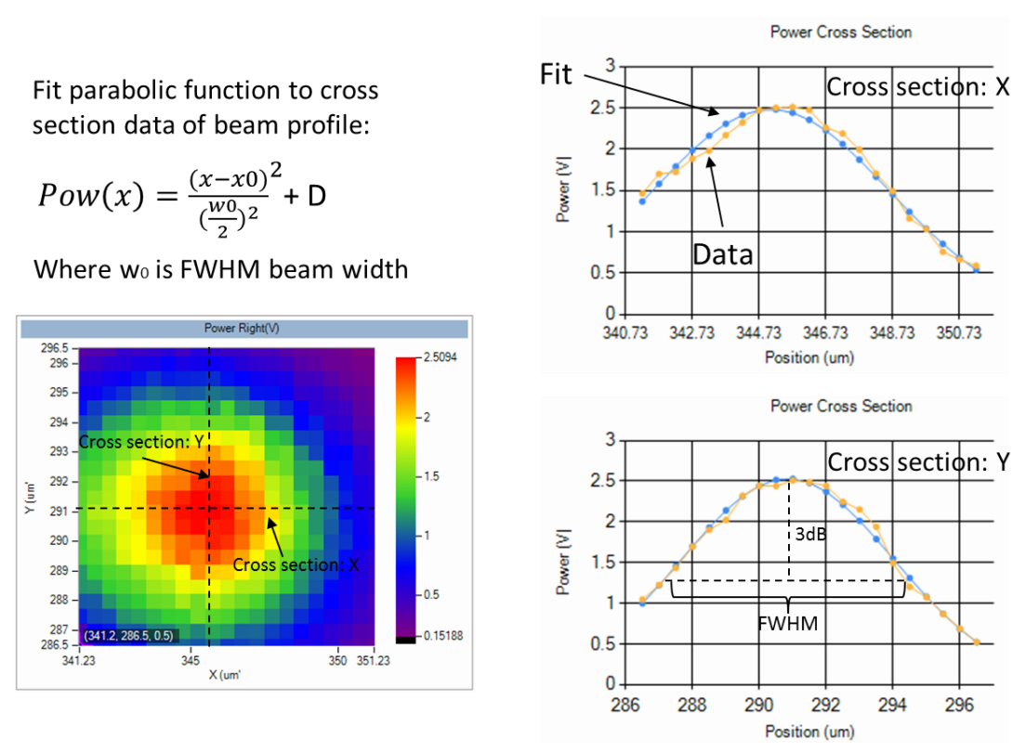
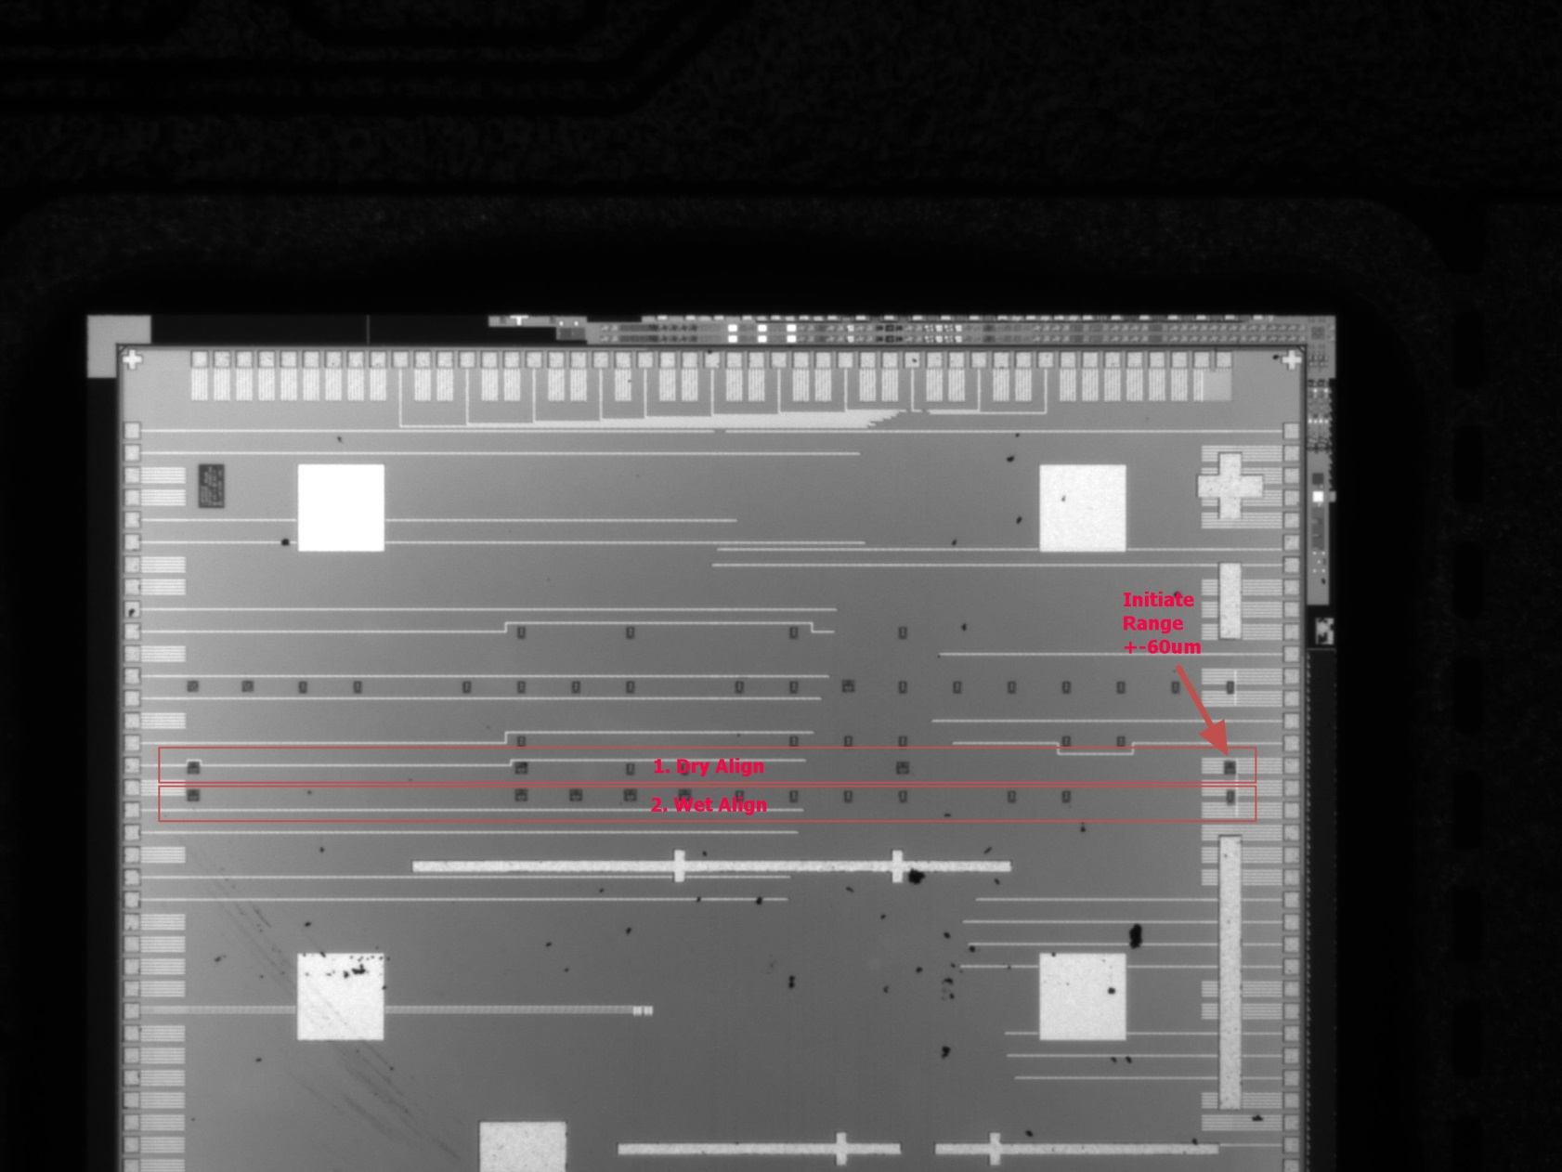
No | Procedure | Object | Data Output | Remark1 | Remark2 | Remark3
0 | Loading procedures
1 | LPD side view feature get | 1st edge vector finding | image/edge vector value
2 | LPD rear view feature get | 2nd edge vector finding | image/edge vector value
3 | LPD bottom view feature get | 3rd edge vector finding FA contamination cnspection | image/edge vector value contanimation data?
4 | LPD pose composing | Rigid body description | Frame description in S-Frame | 1,2,3 edge intersection cornor
5 | Die mark planar position measurement | Square mark planar center finding | image/postion data*4
6 | Die mark height mearsurement | Square mark center height finding
7 | Die pose composing | Rigid body description | Frame description in R-Frame
8 | Relative pose guess , LPD-Die | Planarity +-0.4Deg Position Error 60um |  | Alignment Fiber Diameter 60um | According to ENS5164
9 | Dry Alignment | Dry Align Power Min 0.75V In Bond Height 15-35 um |  | X,Y,Yaw Searching Searching Range?
10 | FA Move Away/Dispension | Dispension Time? Range? Accurancy
11 | Move FA back to Die | Y Offset ?um from Dry Alignment Line In Bond Line Height 15-35 um |  | Fixed Pose , Attach along common normal axis
12 | Wet Alignment | WetAlignBeamWidthFWHMLeftX 0-13 um WetAlignBeamWidthFWHMLeftY 0-13 um |  | In Dry Alignment Area Or Wet? How to detect energy?
13 | Cure | PreToPostCureShiftLeft -0.75 - 3DB PreToPostCureShiftLeft -0.75 - 3DB |  | Inspection Only? Ng Report?

Inline Requirements
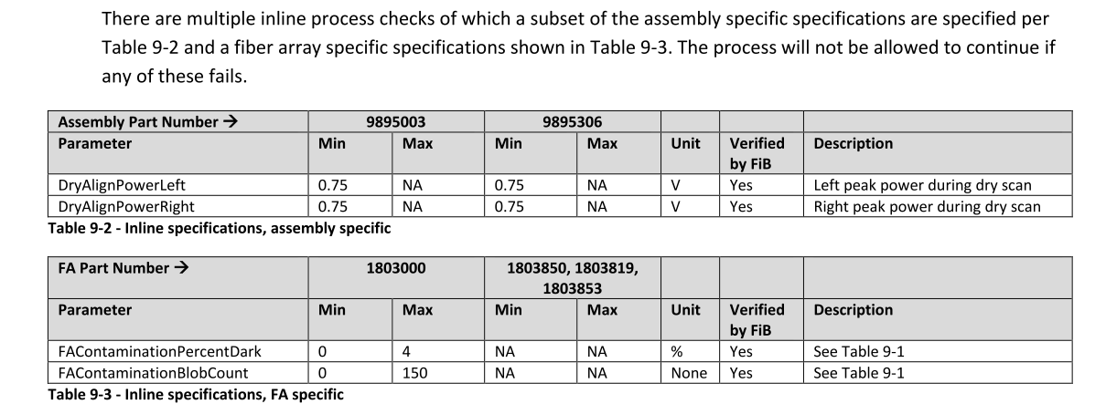

Final Requirements
