Celio
5S Adherence, Gemba walk -Celio_May 2026
Date | Befoure | After | Remark
2-May-26 | 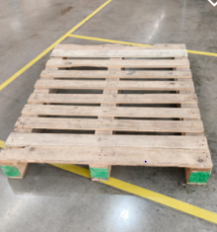 | 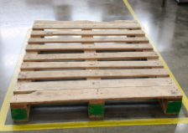 | Pallet stacking norm correcton done as per 5s Process
9-May-26 |  | 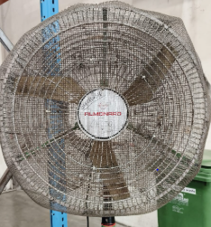 | FAN NET remove of Ind FAN on Floor
16-May-26 | 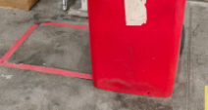 | 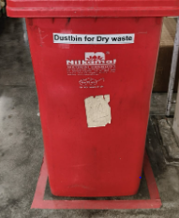 | Dust Bin Park on Place
23-May-26 | 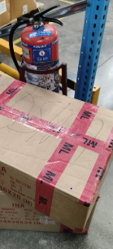 | 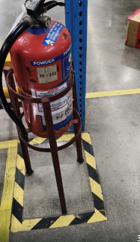 | FE Blocked with MT Cartoon
30-May-26 | 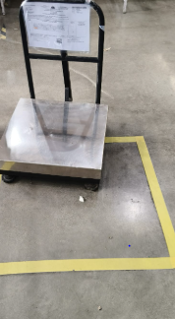 | 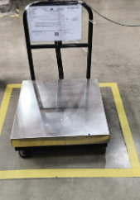 | Weight Machine keep on place
30-May-26 | 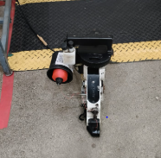 | 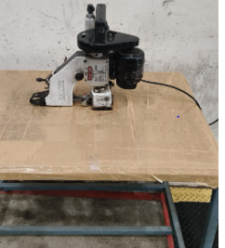 | Sticking Machine on Floor
30-May-26 | 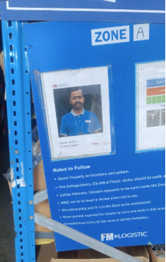 | 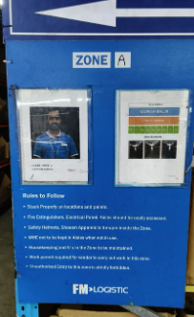 | 5S Zone Area Board not hang Properly
30-May-26 | 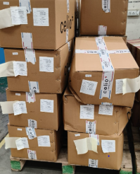 | 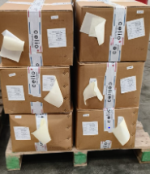 | Picked Boxes not Stacked as per weight Norms
30-May-26 | 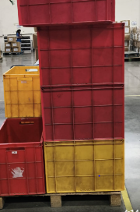 | 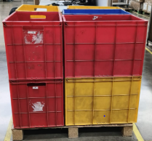 | MT Carret Not stcked Properly after Handover B2C Product
30-May-26 | 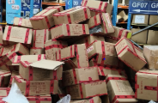 | 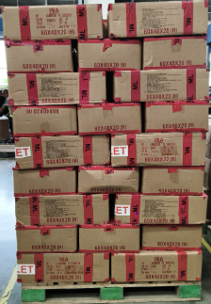 | After Putaway MT Boxes not stacking Properly
30-May-26 | 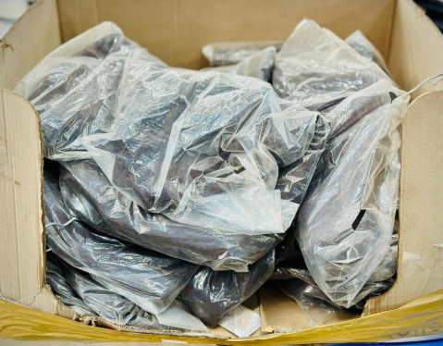 | 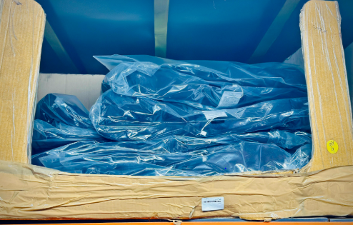 | On Product Polybag full dust Due to High Dust on Upper Leval MTS Floor so change the Product Polybag & stored Properly
30-May-26 | 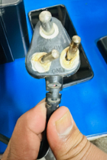 | 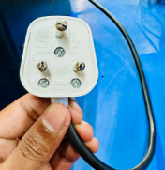 | Fan PIN has been damage so Correction done
30-May-26 |  | 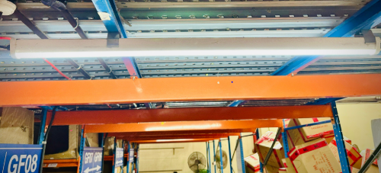 | Tube Light not working in MTS
30-May-26 | 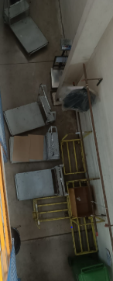 | 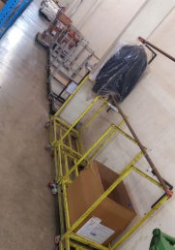 | Trolly Not Park EODafter Complate the Work

